Sheet1
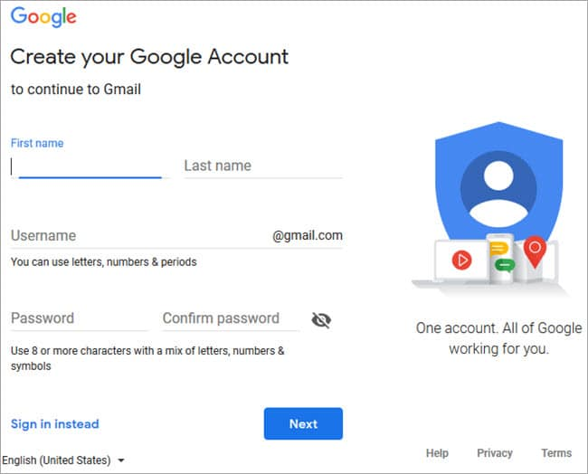

 |  |  |  |  |  |  | login page for test cases and positive results

Testcase No | Assumptions | Testcase criteria | Testcase Steps | expected results | Actual Result | testcase results
Tc_001 | user is accessing the gmail login | labels,colors, fonts, as per the requirement | 1.open the gmail login page. 2.check for the controls | The controls as per the user specifications | The control as per the user specifications | PASS
Tc_002 | user is accessing gmail logim | the first name is as per the user requirement no special character allowed | 1.open the gmail login page 2.check for the first name | The controls as per the user specifications | The control as per the user specifications | PASS
Tc_003 | user is accessing the gmail login | the last name is as per the user requirement no special character allowed | 1.open the gmail login page. 2.check for the last name | The controls as per the user specifications | The control as per the user specifications | PASS
Tc_004 | user is accessing the gmail login | the username as per the user requirements you can use letters , no, special characters | 1.open the gmail login page. 2.check for the username | The controls as per the user specifications | The control as per the user specifications | PASS
Tc_005 | user is accessing the gmail login | the username as per the requirement you can write the only letters | 1.open the gmail login page 2.check for the letters | The controls as per the user specifications | The control as per the user specifications | PASS
Tc_006 | user is accessing the gmail login | the username as per the user requirements you can use digit with the letters | 1.open the gmail login page 2.check for the letters using with digit | The controls as per the user specifications | The control as per the user specifications | PASS
Tc_007 | user is accessing the gmail login | the username as per the user requirement does you can use the periods | 1.open the gmail login page 2.check for the letters using with periods | The controls as per the user specifications | The control as per the user specifications | PASS
Tc_008 | user is accessing gmail login | the sign is instead is workig properly | 1.open the gmail login page 2.check for sign is instead working properly | The controls as per the user specifications | The control as per the user specifications | PASS
Tc_009 | user is accessing the gmail login | the sign is instead is workig properly and login to another account | 1.open the gmail login page 2.check for the sign instead in another account | The controls as per the user specifications | The control as per the user specifications | PASS
Tc_010 | user is accessing the gmail login | the sign is instead login to another account is open directly with the google account | 1.open the gmail login page 2.check for instead another gmail account open directly with the google account | The controls as per the user specifications | The control as per the user specifications | PASS
Tc_011 | user is accessing the gmail login | the sign is instead login to another account is on the one phone to another | 1.open the gmail login page 2.check for the instead gmail login in the another phone verfication is required | The controls as per the user specifications | The control as per the user specifications | PASS
Tc_012 | user is accessing the gmail login | the sign is instead login another account is on the one phone to pc | 1.open the gmail login page 2.check for the instead gmail login in in the phone to pc to access the gmail account verification required | The controls as per the user specifications | The control as per the user specifications | PASS
Tc_013 | user is accessing the gmail login | check whether the from and to drop down prepopulated with the gmail login page | 1.open the gmail login page 2.select the open the drop down from first name to last name | The controls as per the user specifications | The control as per the user specifications | PASS
Tc_014 | user is accessing the gmail login | check the whether the sign is instead button work as per the expectatios | 1.open the gmail login page 2.click on the sign is instead button | The controls as per the user specifications | The control as per the user specifications | PASS
Tc_015 | user is accessing the gmail login | check the whether password is working properly with the eye button | 1.open the gmail login page 2.click on the password eye button | The controls as per the user specifications | The control as per the user specifications | PASS
Tc_016 | user is accessing the gmail login | check the whether the next button as per the expectations | 1.open the gmail login page 2.click on the next button | The controls as per the user specifications | The control as per the user specifications | PASS
Tc_017 | user is accessing the gmail login | check the whether the help button as per the specifications | 1.open the gmail login page 2.click on the next button | The controls as per the user specifications | The control as per the user specifications | PASS
Tc_018 | user is accessing the gmail login | check the whether the privacy button as per the specifications | 1.open the gmail login page 2.click on the privacy button | The controls as per the user specifications | The control as per the user specifications | PASS
Tc_019 | user is accessing the gmail login | check the whether the terms button as per the specifications | 1.open the gmail login page 2.click on the terms buttons | The controls as per the user specifications | The control as per the user specifications | PASS
Tc_020 | user is accessing the gmail login | check the whether the whether the down arrow button country as per the specifications | 1.open the gmail login page 2.check the whether drop arrow button | The controls as per the user specifications | The control as per the user specifications | PASS
Tc_021 | user is accessing the gmail login | check the whether user name and passowrd is valid or not | 1.verify if a user will be able to login with a valid username and valid password | The controls as per the user specifications | The control as per the user specifications | PASS
Tc_022 | user is accessing the gmail login | verify the login page | 1.open the gmail login page 2.check the whether the login page is verified | The controls as per the user specifications | The control as per the user specifications | PASS
Tc_023 | user is accessing the gmail login | verify the forgot password | 1.open the gmail login page 2.check the verify the forgot password functionality | The controls as per the user specifications | The control as per the user specifications | PASS
Tc_024 | user is accessing the gmail login | verify the timeout functionality the login session | verify the "Remember Me" functionality | The controls as per the user specifications | The control as per the user specifications | PASS
Tc_025 | user is accessing the gmail login | verify the data and password | verify if the data in password field is either visible as asterisk or bullet sign | The controls as per the user specifications | The control as per the user specifications | PASS
Tc_026 | user is accessing gmail login | verify the user is able to login or not | verify if a user is able to login with a new password only after he/she has changed the password | The controls as per the user specifications | The control as per the user specifications | PASS
Tc_027 | user is accessing the gmail login | verify the login page is ooen simultaneously in browser | verify if the login page allows to login simultaneously with different credentials in a different browser | The controls as per the user specifications | The control as per the user specifications | PASS
Tc_028 | user is accessing the gmail login | verify the enter key is working or not for login page | verify if the "enter key" is of the keyboard is working correctly on the login page | The controls as per the user specifications | The control as per the user specifications | PASS
Tc_029 | user is accessing the gmail login | verify the time taken to login | verify the time taken to login with a valid user name and password | The controls as per the user specifications | The control as per the user specifications | PASS
Tc_030 | user is accessing the gmail login | verify the "cancel" button | verify the" cancel" button available to erase the entered text | The controls as per the user specifications | The control as per the user specifications | PASS
Tc_031 | user is accessing the gmail login | verify the user browser compatible | verify the login page and all its controls in different browsers | The controls as per the user specifications | The control as per the user specifications | PASS
Tc_032 | user is accessing gmail login | verify the OTP verifications | verify the timeout functionality login session with the otp | The controls as per the user specifications | The control as per the user specifications | PASS
Tc_033 | user is accessing the gmail login | verify the certificate | verify the implementation of ssl certificate | The controls as per the user specifications | The control as per the user specifications | PASS

