02. META-Areas
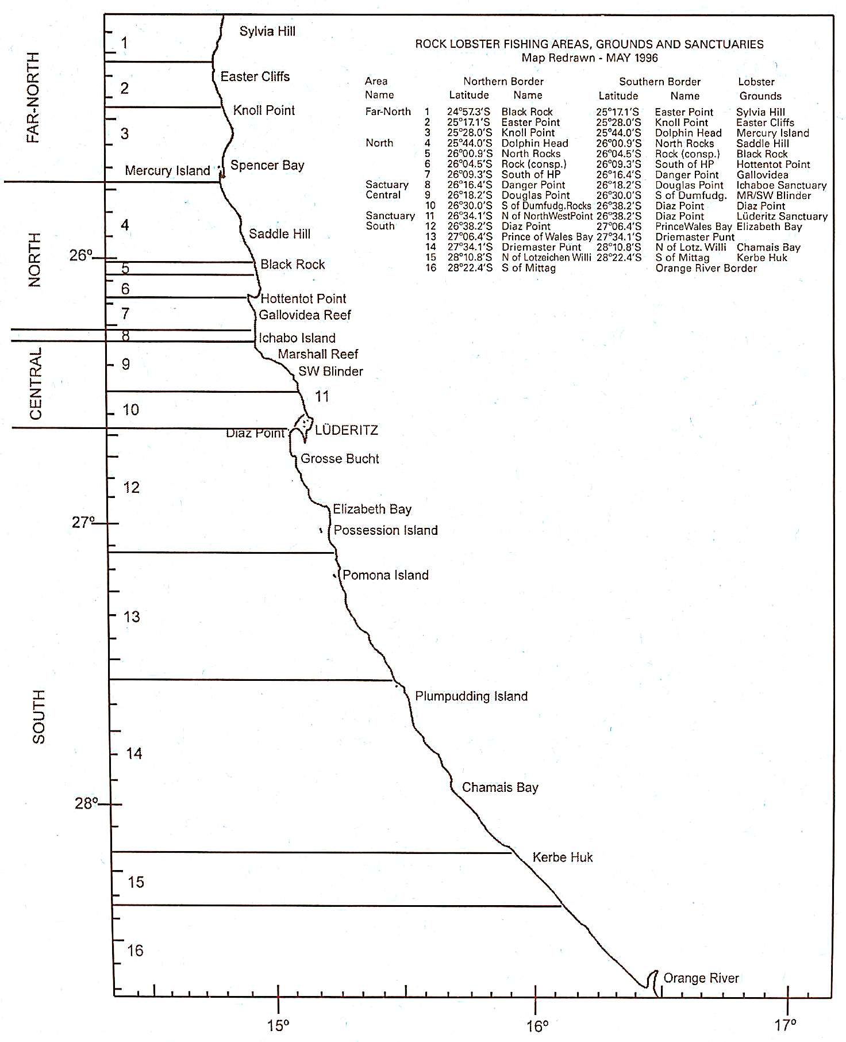
-> The "Fishing Areas" MetaData for the Namibian Spiny Rock Lobster (SRL) Commercial Fishing Sector … |  |  |  |  |  |  | Units: | Far-North | North | Central | South | Sanctuary
Index | Fishing Area Name | Fishing Zone | Latitude NORTH | Name NORTH | Latitude SOUTH | Name SOUTH | Far-North | North
1 | Sylvia Hill | Far-North |  | Black Rock |  | Easter Point
2 | Easter Cliffs | Far-North |  | Easter Point |  | Knoll Point
3 | Mercury Island | Far-North |  | Knoll Point |  | Dolphin Head
4 | Saddle Hill | North |  | Dolphin Head |  | North Rocks
5 | Black Rock | North |  | North Rocks |  | Rock (consp.)
6 | Hottentot Point | North |  | Rock (consp.) |  | South of HP
7 | Gallovidea | North |  | South of HP |  | Danger Point
8 | Ichaboe Sanctuary | Sanctuary |  | Danger Point |  | Douglas Point
9 | Marshal Reef / SWB | Central |  | Douglas Point |  | S. of Dumfudg. Rocks
10 | Diaz Point | Central |  | S. of Dumfudg. Rocks |  | N. of NorthWestPoint
11 | Luderitz Sanctuary | Sanctuary |  | N. of NorthWestPoint |  | Diaz Point
12 | Elizabeth Bay | South |  | Diaz Point |  | Prince of Wales Bay
13 | South of E-Bay | South |  | Prince of Wales Bay |  | Driemaster Punt
14 | Chamais Bay | South |  | Driemaster Punt |  | N. of Lotzeichen Willi
15 | Kerbe Huk | South |  | N. of Lotzeichen Willi |  | S. of Mittag
16 | South of Mittag (SoM) | South |  | S. of Mittag |  | Orange River Border

EOD | EOD | EOD | EOD |  |  | EOD | EOD | EOD

