Analyze
Sum of Total Sales2 | Sum of Units Sold | Average of Price per Unit | Sum of Operating Profit
$2,423,732.50 | $4,623,490.00 | $0.51 | $901,550.51

Sum of Total Sales | Column Labels
Row Labels | 2022 | Grand Total
Coca-Cola | 499102 | 499102
Dasani Water | 469270.7 | 469270.7
Diet Coke | 423758.7 | 423758.7
Fanta | 315489.2 | 315489.2
Powerade | 349533.9 | 349533.9
Sprite | 366578 | 366578
Grand Total | 2423732.5 | 2423732.5

Sum of Total Sales | Column Labels
Row Labels | 2022 | Grand Total
Amazon | 276210 | 276210
BevCo | 466788 | 466788
FizzyCo | 161210.1 | 161210.1
Target | 9250.3 | 9250.3
Walmart | 339912.5 | 339912.5
West Soda | 1170361.6 | 1170361.6
Grand Total | 2423732.5 | 2423732.5

Years | Quarters | Sum of Total Sales | Average of Operating Margin
2022 | Qtr1 | 692776.1 | 0.40174683544 | 2022 | Qtr1 | 692776.1 | 0.40174683544
 | Qtr2 | 644203.9 | 0.4 | 0 | Qtr2 | 644203.9 | 0.4
 | Qtr3 | 719170.4 | 0.41026548673 | 0 | Qtr3 | 719170.4 | 0.41026548673
 | Qtr4 | 367582.1 | 0.40243816254 | 0 | Qtr4 | 367582.1 | 0.40243816254
2023 | Qtr1 | 1877584.3 | 0.4165704501 | 2023 | Qtr1 | 1877584.3 | 0.4165704501
 | Qtr2 | 2379424.8 | 0.42755819477 | 0 | Qtr2 | 2379424.8 | 0.42755819477
 | Qtr3 | 2805752.5 | 0.43470170455 | 0 | Qtr3 | 2805752.5 | 0.43470170455
 | Qtr4 | 2530170.9 | 0.42483932854 | 0 | Qtr4 | 2530170.9 | 0.42483932854
Grand Total |  | 12016665 | 0.42299129353 | Grand Total | 0 | 12016665 | 0.42299129353

Dashboard
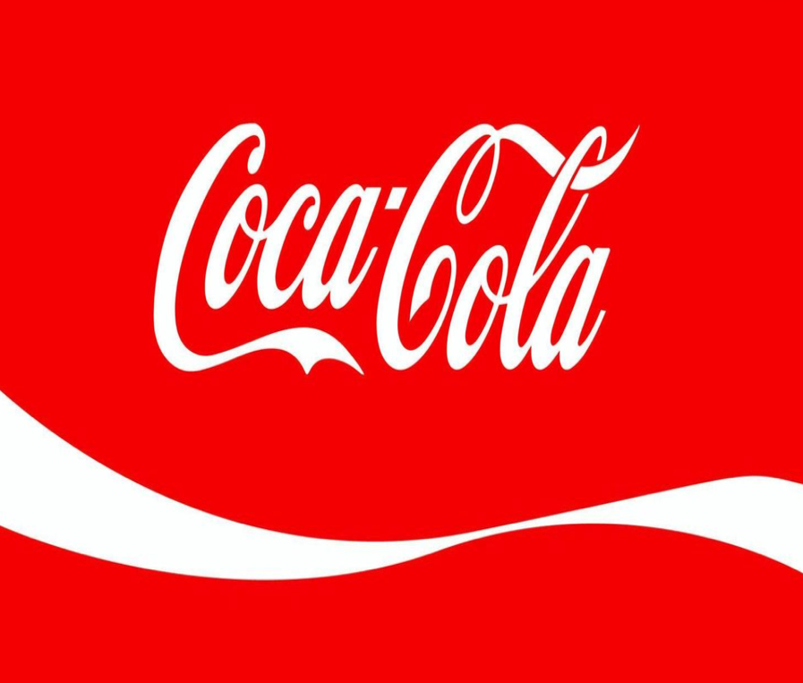
Coca-Cola USA Retailer Dashboard
Figures in USD
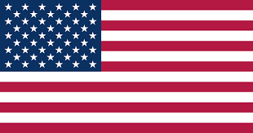

Total Sales
$2,423,732.50
Units Sold
$4,623,490.00
Average Price
$0.51
Total Operating Profit
$901,550.51

Sales by Beverage Brand |  |  |  | Sales by Retailer
Brand | Sales 2022 | Sales 2023 | Variance | Retailer | Sales 2022 | Sales 2023 | Variance
Coca-Cola | 499,102 | 2,268,975 | 1,769,873 | Amazon | 276210 | 1009698.7 | 733488.7
Dasani Water | 469,271 | 1,917,828 | 1,448,557 | BevCo | 466788 | 2327606.5 | 1860818.5
Diet Coke | 423,759 | 1,633,959 | 1,210,201 | FizzyCo | 161210.1 | 2262827.1 | 2101617
Fanta | 315,489 | 1,116,063 | 800,574 | Target | 9250.3 | 1341995 | 1332744.7
Powerade | 349,534 | 1,302,529 | 952,995 | Walmart | 339912.5 | 580211 | 240298.5
Sprite | 366,578 | 1,353,578 | 987,000 | West Soda | 1170361.6 | 2070594.2 | 900232.6
Total | 2,423,733 | 9,592,933 | 7,169,200 | Total | 2423732.5 | 9592932.5 | 7169200

Sales and Operating Profit Margin by Quarter
 | Sales | Operating Profit Margin
Qtr1 | 692776.1 | 0.40174683544
Qtr2 | 644203.9 | 0.4
Qtr3 | 719170.4 | 0.41026548673
Qtr4 | 367582.1 | 0.40243816254
Qtr1 | 1877584.3 | 0.4165704501
Qtr2 | 2379424.8 | 0.42755819477
Qtr3 | 2805752.5 | 0.43470170455
Qtr4 | 2530170.9 | 0.42483932854

