Sheet1
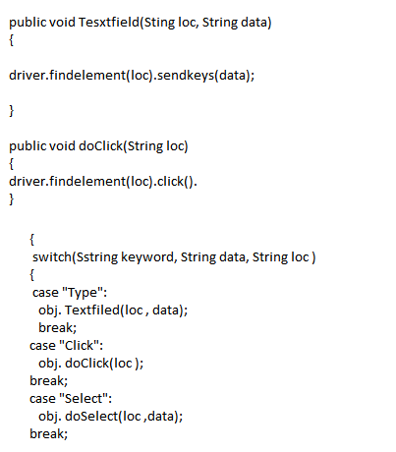
webElements | Lacators | keyword | data
email TxtBox | id=aaa | Type | aaaa
password TxtBox | name=iii | Type | ssss
log button | xpath=//hsjaha | Click
select name | id=hhj | Select | john
amount TxtBox | xpath=//hsjaha | Type | 3445656
date select | id= | Select | 2020-04-22
send button | xpath=//hsjaha | Click
logout button | name=iii | Click

