PB
L.J. Institute of Engineering & Technology, Ahmedabad
FCSP-2 Practice Book_2024
Note: The Practice Book is for reference only, LJU Test paper may not be compulsory set from this
Sr. No. | subject_code | unit_number | chapter_number | group_id | keyword | question_text | type | answer_text | marks | difficulty_level | previous_year | option1 (A) | option2 (B) | option3 (C) | option4 (D) | Added By | Verified By
1 | 117012491 | 1 | 1 | 1 | Cleaning Data | Which of the following functions can be used to fill all null values in a data frame? | Remembering-Multiple_Choice | A | 1 | Easy |  | fillna() | filled() | fillnull() | filler() |  | KMS
2 | 117012491 | 1 | 1 | 2 | Cleaning Data | Which attribute of dropna() can be used to select the columns from which null values are to be considered for removing rows? | Applying-Multiple_Choice | C | 1 | Hard |  | thresh | how | subset | superset |  | KMS
3 | 117012491 | 1 | 1 | 3 | Two-way cross tabulation | Which of the following pandas functions is used to generate cross tabulation? | Remembering-Multiple_Choice | D | 1 | Easy |  | crosstabulation | cross_tabulation | cross_tab | crosstab |  | KMS
4 | 117012491 | 1 | 1 | 4 | DataFrame | Which of the following DataFrame attributes is used to return one or more specified row(s)? | Applying-Multiple_Choice | C | 1 | Medium |  | locate | location | loc | find |  | KMS
5 | 117012491 | 1 | 1 | 5 | DataFrame | Which of the following attributes can be used to show the number of rows and columns in a Pandas dataframe? | Understanding-Multiple_Choice | D | 1 | Easy |  | size | info | describe | shape |  | KMS
6 | 117012491 | 1 | 1 | 6 | DataFrame | Which of the following is not displayed by the Pandas DataFrame info function? | Remembering-Multiple_Choice | D | 1 | Medium |  | column names | non-null count | data types | column average |  | KMS
7 | 117012491 | 1 | 1 | 7 | DataFrame | Which of the following is not displayed by the Pandas DataFrame describe function? | Understanding-Multiple_Choice | C | 1 | Medium |  | count | mean | correlation | std |  | KMS
8 | 117012491 | 1 | 1 | 8 | Statistical Analysis | What does it indicate if the corr() function shows correlation as 1 between any two columns of the DataFrame? | Analysing_Multiple_Choice | A | 1 | Hard |  | perfect correlation | good correlation | bad correlation | none of these |  | KMS
9 | 117012491 | 1 | 1 | 9 | Qualitative Data | Which of the following is an example of qualitative data? | Analysing_Multiple_Choice | B | 1 | Medium |  | mean | gender | median | mode |  | KMS
10 | 117012491 | 1 | 1 | 10 | Quantitative Data | Which of the following is an example of quantitative data? | Analysing_Multiple_Choice | B | 1 | Medium |  | eye colour | weight | skin colour | names |  | KMS
11 | 117012491 | 1 | 1 | 11 | Cleaning Data | What does DataFrame.dropna(how='all') do? | Applying-Multiple_Choice | A | 1 | Medium |  | drops those rows from the DataFrame which contain all null values | drops all rows from the DataFrame | drops even numbered rows from the DataFrame | drops odd numbered rows from the DataFrame |  | KMS
12 | 117012491 | 1 | 1 | 12 | Outliers | A data point that differs significantly from other observations is known as | Understanding-Multiple_Choice | D | 1 | Easy |  | mean | median | mode | outlier |  | KMS
13 | 117012491 | 1 | 1 | 13 | DataFrame | Which of following pandas functions can be used to display the specified number of rows from the beginning of the dataset? | Remembering-Multiple_Choice | A | 1 | Easy |  | head() | tail() | begin() | end() |  | KMS
14 | 117012491 | 1 | 1 | 14 | DataFrame | Which of following pandas functions can be used to display the specified number of rows from the end of the dataset? | Remembering-Multiple_Choice | B | 1 | Easy |  | head() | tail() | begin() | end() |  | KMS
15 | 117012491 | 1 | 1 | 15 | Statistical Analysis | Which of the following represents each data sample as polyline connecting parallel lines where each parallel line represents an attribute of that data sample? | Understanding-Multiple_Choice | A | 1 | Medium |  | parallel coordinates | parallelogram | straight lines | long lines |  | KMS
16 | 117012491 | 1 | 1 | 16 | Cleaning Data | What is the output of the code shown below? import pandas as pd import numpy as np df=pd.DataFrame([[0,1.0,2.0,np.nan,5],[2.0,0,1.0,5.0,np.nan],[5.0,0,1.0,np.nan,5.0]]) df.dropna() print(df.loc[1,3]) | Understanding-Multiple_Choice | B | 1 | Hard |  | 0 | 5.0 | 1.0 | 2.0 | KMS | KMS
17 | 117012491 | 1 | 1 | 17 | DataFrame | What is the output of the code shown below? import pandas as pd import numpy as np df=pd.DataFrame([[0,1,2,np.nan,5],[2,0,1,5,np.nan],[5,0,1,np.nan,5],[2,0,1,np.nan,np.nan]]) df=df.drop_duplicates(subset=[1,2]) df=df.drop_duplicates(subset=[4]) df.dropna(thresh=2,axis=1) print(df.shape) | Understanding-Multiple_Choice | C | 1 | Hard |  | (5, 2) | (2, 3) | (2, 5) | (3, 2) | KMS | KMS
18 | 117012491 | 1 | 1 | 18 | Series | What type of Error the following code produces? import pandas as pnd pnd.Series([1,2], index= ['a','b','c']) | Understanding-Multiple_Choice | D | 1 | Medium |  | Syntax | Index | Key | Value | AKS | KMS
19 | 117012491 | 1 | 1 | 19 | DataFrame | To remove multiple values from the Pandas dataframe and to keep only the first occurrence values, what will be the correct syntax? | Understanding-Multiple_Choice | C | 1 | Easy |  | df.drop_duplicate() | df.drop() | df.drop_duplicates() | df.dropduplicates() | PDS | KMS
20 | 117012491 | 1 | 1 | 20 | Series | From a Pandas series ‘s’, if we need to extract indices (1,5,7,12) what will be the syntax used? | Understanding-Multiple_Choice | B | 1 | Medium |  | s (1,5,7,12) | s ([1,5,7,12]) | s.index([1,5,7,12]) | s.index(1,5,7,12) | PDS | KMS
21 | 117012491 | 1 | 1 | 21 | DataFrame | What is the output for following program? import pandas as pd import numpy as np df=pd.DataFrame([[0,1,2,np.nan,5],[2,0,1,5,np.nan],[5,0,1,np.nan,5]]) print(df.iloc[1,4]) | Understanding-Multiple_Choice | A | 1 | Medium |  | nan | 5 | 1 | None | SHP | KMS
22 | 117012491 | 1 | 1 | 22 | DataFrame | What is the method used to calculate the mean of a numeric column in a DataFrame ? | Understanding-Multiple_Choice | D | 1 |  |  | average() | calculate_mean() | get_mean() | mean() | TAT | KMS
23 | 117012491 | 1 | 1 | 23 | DataFrame | What is the output of the below code? import pandas as pd import numpy as np df=pd.DataFrame({"a":[1,2,np.nan,3,4],"b":[1,5,np.nan,2,1]}) df=df.drop_duplicates(subset="b") df.dropna() df.fillna(20,inplace=True) print(df.shape[0]) | Understanding-Multiple_Choice | A | 1 | Medium | LJU 2023 | 4 | 3 | 2 | 1 | VHA | KMS
24 | 117012491 | 1 | 1 | 24 | DataFrame | What is the output of the below code? import pandas as pd import numpy as np df=pd.DataFrame([[1,2,3,4,5],[2,1,3,4,5],[np.nan,np.nan,np.nan,np.nan,np.nan]]) df.dropna(thresh=3,axis=1,inplace=True) print(df.shape[1]) | Understanding-Multiple_Choice | A | 1 | Medium | LJU 2023 | 0 | 1 | 2 | 3 | VHA | KMS
25 | 117012491 | 1 | 1 | 25 | DataFrame | What is the output of the below code? import pandas as pd import numpy as np df=pd.DataFrame([[1,2,3,4,5],[2,1,3,4,5],[np.nan,np.nan,np.nan,np.nan,np.nan]]) df.drop(1,inplace=True) df=df.dropna() print(df.shape[0]) | Understanding-Multiple_Choice | A | 1 | Hard | LJU 2023 | 1 | 2 | 3 | 0 | VHA | KMS
26 | 117012491 | 1 | 1 | 26 | Cleaning Data | Create a Pandas DataFrame from the following table and write code to remove all rows from this table containing at least one NaN value | Applying-Long_Answer_5_10_Min |  | 3 | Medium |  |  |  |  |  |  | KMS
 |  |  |  |  |  | 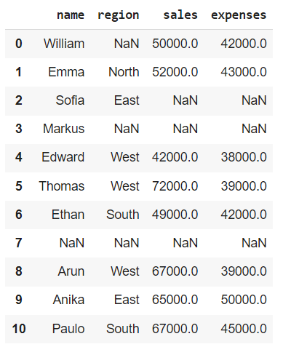
27 | 117012491 | 1 | 1 | 27 | Cleaning Data | Create a Pandas DataFrame from the following table and write code to remove all rows from this table only if all of their values are NaN | Applying-Long_Answer_5_10_Min |  | 3 | Medium |  |  |  |  |  |  | KMS

28 | 117012491 | 1 | 1 | 28 | Cleaning Data | Create a Pandas DataFrame from the following table and write code to drop all columns containing NaN | Applying-Long_Answer_5_10_Min |  | 3 | Hard |  |  |  |  |  |  | KMS

29 | 117012491 | 1 | 1 | 29 | Outliers | Write Python code to remove outliers from any given DataFrame. | Applying-Long_Answer_5_10_Min |  | 4 | Hard |  |  |  |  |  |  | KMS
30 | 117012491 | 1 | 1 | 30 | Cleaning Data | Consider the following data: data = { "A": ["TeamA", "TeamB", "TeamB", "TeamC", "TeamA"], "B": [50, 40, 40, 30, 50], "C": [True, False, False, False, True] } Convert this to a Pandas DataFrame and remove duplicate rows from it. Reset index values. | Applying-Long_Answer_5_10_Min |  | 4 | Medium |  |  |  |  |  |  | KMS
31 | 117012491 | 1 | 1 | 31 | Cleaning Data | Consider the following autompg dataset: https://raw.githubusercontent.com/Jovita7/Data-Analysis-and-Visualization/main/auto-mpg.csv Write Python code to convert it to a DataFrame and remove mpg and cylinders columns from it | Applying-Long_Answer_5_10_Min |  | 3 | Medium |  |  |  |  |  |  | KMS
32 | 117012491 | 1 | 1 | 32 | Statistical Analysis | Use the file heights_weights.csv (https://raw.githubusercontent.com/Jovita7/Data-Analysis-and-Visualization/main/heights_weights.csv) which contains 10000 non-null values for heights and weights. The Male column shows 1 if the person is a Male and 0 if the person is a Female. 1. Convert this file into a pandas Data Frame. (0.5 marks) 2. Display basic information like memory and data types for this data frame. (0.5 marks) 3. Display basic statistics like mean, std, quartiles, etc. for this data frame. (0.5 marks) 4. Create a correlation table for the data frame and comment about what kind of correlation is there between Height and Weight. (0.5 marks) 5. Do Height and Weight contain any outliers? (1 mark) | Applying-Long_Answer_5_10_Min |  | 3 | Hard |  |  |  |  |  |  | KMS
33 | 117012491 | 1 | 1 | 33 | Statistical Analysis | Use the file ipl-matches.csv which contains data of all the IPL matches from year 2008 to 2022. Read this csv file and display the basic information like memory and data types for this data frame. Write python code for the following cases: 1. List out all matches gone in superover. 2. How Many Matches won by Chennai Super Kings at Kolkata. 3. In How Many Matches MS Dhoni is Player of Match Vs Mumbai Indians. 4. Display list of all matches in which Gujarat Titans won the Toss and Elected to Bat and won the match. 5. Display list of all matches won by Gujarat Titans. | Applying-Long_Answer_5_10_Min |  | 5 | Medium |  |  |  |  |  | PKV | KMS
34 | 117012491 | 1 | 1 | 34 | Statistical Analysis | Use the file spotify.csv 1. Convert this file into a pandas Data Frame. (0.5 marks) 2. Display basic information like memory and data types for this data frame. (0.5 marks) 3. Display basic statistics like mean, std, quartiles, etc. for this data frame. (0.5 marks) 4. Create a correlation table for the data frame and comment about what kind of correlation is there between danceability and energy (0.5 marks) 5. Display first five rows for this data frame.(0.5 marks) 6. Display last five rows for this data frame. (0.5 marks) 7. Display the rows between 15 to 39 for this data frame. (0.5 marks) 8. Display the data only for last five rows and last five columns for this data frame. (0.5 marks) 9. Display the shape for this data frame. (0.5 marks) 10. Display the sum of NULL values for all the columns. (0.5 marks) 11. Remove first 3 columns from this Data Frame. (0.5 marks) 12. Remove first 10 rows from this Data Frame. (0.5 marks) 13. After removing first 3 columns and first 10 rows from this data frame find outliers for the column popularity. (1 marks) 14. After removing first 3 columns and first 10 rows from this data frame remove outliers for the column energy then display the data frame. (1 marks) 15. Display cross tabulation between time_signature and track_genre for actual Data Frame. (1 marks) | Analysing_Essay_Type_20_25_Min |  | 9 | Hard |  |  |  |  |  | MVK | KMS
35 | 117012491 | 1 | 1 | 35 | Statistical Analysis | 1. Load the dataset into a pandas DataFrame (data_result.csv) and answer the following questions. 2. View the first few rows of the dataset 3. Check the shape of the dataset 4. View the first last rows of the dataset 5. Get summary statistics of numerical columns 6. Get summary statistics of numerical columns with 0.58 and 0.87 percentiles 7. Get summary statistics of all types of columns 8. Information of all columns 9. Check for missing values 10. Removing duplicates if duplicates 11. List out female students who have greater than 7 spi in all semesters. 12. Find number of students those who have greater than 8 spi in all 5 semesters. 13. Find outliers of sem 4 result. Also represent statistical analysis with visualization.(boxplot) | Analysing_Essay_Type_20_25_Min |  | 9 | Medium |  |  |  |  |  | SHP | KMS
36 | 117012491 | 1 | 1 | 36 | Statistical Analysis | Use the file movies.csv which contains 1629 rows and 18 columns. Read this csv file and display the basic information like memory and data types for this data frame. Write python code for the following cases: 1. List out Movies Released in Year 2019. 2. How Many Movies are having IMDB Rating > 7 (Display Number of Movies). 3. List out the Movies with ‘title’ and ‘story’ whose IMDB Votes > 20000. 4. List out Movies Released in Year 2018, Display only Movie Title with Release Date of Year 2018 Movies. 5. Display only Movie Title with its Wikipedia Link. | Applying-Long_Answer_5_10_Min |  | 6 | Medium |  |  |  |  |  | TAT | KMS
37 | 117012491 | 2 | 2 | 37 | Area Plots | Which of the following commands is used to create an area plot in Matplotlib? | Understanding-Multiple_Choice | C | 1 | Medium |  | plt.scatter() | plt.area() | plt.fill_between() | plt.plot() |  | AKS
38 | 117012491 | 2 | 2 | 38 | Data Visualization | Which of the following is not a visualization under matplotlib? | Understanding-Multiple_Choice | D | 1 | Easy |  | Scatter Plot | Area Plot | Box Plot | Table Plot |  | AKS
39 | 117012491 | 2 | 2 | 39 | Data Visualization | Which python package is used for data visualization? | Understanding-Multiple_Choice | A | 1 | Easy |  | matplotlib.pyplot | matplotlib.pip | matplotlib.numpy | matplotlib.plt |  | AKS
40 | 117012491 | 2 | 2 | 40 | Data Visualization | Which of the following commands is used to show a Matplotlib plot in a Jupyter notebook? | Understanding-Multiple_Choice | C | 1 | Easy |  | plt.plot() | plt.display() | plt.show() | plt.draw() |  | AKS
41 | 117012491 | 2 | 2 | 41 | Data Visualization | Plot which is used to give statistical summary is | Remembering-Multiple_Choice | B | 1 | Easy |  | Scatter Plot | Box Plots | Bar Plot | Area Plot |  | AKS
42 | 117012491 | 2 | 2 | 42 | Data Visualization | Which of the following chart element is used to identify data series by its color patterns? | Understanding-Multiple_Choice | B | 1 | Medium |  | Data Series | Legend | Title | Markers |  | AKS
43 | 117012491 | 2 | 2 | 43 | Scatter Plots | Which of the following is best suitable chart to show data correlation? | Understanding-Multiple_Choice | D | 1 | Easy |  | Histogram | Bar | Pie | Scatter |  | AKS
44 | 117012491 | 2 | 2 | 44 | Area Plots | Which of the following parameters is used to specify the transparency of an area plot in Matplotlib? | Understanding-Multiple_Choice | A | 1 | Medium |  | alpha | linewidth | color | label |  | AKS
45 | 117012491 | 2 | 2 | 45 | Area Plots | Which of the following commands is used to create a stacked area plot in Matplotlib? | Understanding-Multiple_Choice | B | 1 | Medium |  | plt.plot() | plt.stackplot() | plt.fill_between() | plt.area() |  | AKS
46 | 117012491 | 2 | 2 | 46 | Box Plots | What type of data is best suited for box plots? | Remembering-Multiple_Choice | C | 1 | Easy |  | Categorical data | Binary data | Continuous numerical data | Time-series data |  | AKS
47 | 117012491 | 2 | 2 | 47 | Box Plots | In a box plot, the bottom line of the box represents which quartile? | Remembering-Multiple_Choice | A | 1 | Medium | LJU 2023 | First quartile | Second quartile | Third quartile | Fourth quartile | VHA | AKS
48 | 117012491 | 2 | 2 | 48 | Box Plots | In a box plot, the top line of the box represents which quartile? | Remembering-Multiple_Choice | C | 1 | Medium |  | First quartile | Second quartile | Third quartile | Fourth quartile |  | AKS
49 | 117012491 | 2 | 2 | 49 | Waffle Charts | What is a waffle chart in Python? | Remembering-Multiple_Choice | D | 1 | Easy |  | A type of pie chart | A type of stacked bar chart | A type of heatmap | A type of visualization that displays progress towards a goal |  | AKS
50 | 117012491 | 2 | 2 | 50 | Word Clouds | Which of the statement is true for Word Clouds? | Understanding-Multiple_Choice | A | 1 | Medium |  | A graphical representation of the most frequently occurring words in a text corpus | A cloud computing service for analyzing text data | A machine learning algorithm for text classification | A programming language for natural language processing |  | AKS
51 | 117012491 | 2 | 2 | 51 | Word Clouds | Which of the following types of data is best suited for creating a word cloud? | Understanding-Multiple_Choice | C | 1 | Medium |  | Categorical data | Numerical data | Text data | Image data |  | AKS
52 | 117012491 | 2 | 2 | 52 | Word Clouds | Which of the following parameters in the WordCloud() function is used to set the maximum number of words in the cloud? | Understanding-Multiple_Choice | A | 1 | Easy |  | max_words | words | max | word_size |  | AKS
53 | 117012491 | 2 | 2 | 53 | Word Clouds | Which of the following methods in the WordCloud() function is used to generate the word cloud image? | Understanding-Multiple_Choice | A | 1 | Easy |  | generate() | fit() | transform() | predict() |  | AKS
54 | 117012491 | 2 | 2 | 54 | Word Clouds | What does STOPWORDS contain in wordcloud? | Understanding-Multiple_Choice | A | 1 | Medium |  | Words that are used very frequently in a language and have little meaning, such as "the", "is", and "and" | Words that are used very rarely in a language and have little meaning, such as "zephyr", "ebullient", and "myriad" | Words that are used in a specific domain, such as "computer", "internet", and "programming" | Words that are used in formal contexts, such as "therefore", "moreover", and "thus" |  | AKS
55 | 117012491 | 2 | 2 | 55 | Word Clouds | What is the purpose of removing stopwords from a text before generating a word cloud? | Understanding-Multiple_Choice | C | 1 | Medium |  | To improve the readability of the word cloud | To reduce the number of words in the word cloud | To remove words that have little meaning and contribute to noise in the visualization | To highlight the most important words in the word cloud |  | AKS
56 | 117012491 | 2 | 2 | 56 | Regression Plots | Which Python library is commonly used to create regression plots? | Understanding-Multiple_Choice | B | 1 | Medium |  | pandas | seaborn | Matplotlib | NumPy |  | AKS
57 | 117012491 | 2 | 2 | 57 | Regression Plots | Which type of regression plot is used to visualize the relationship between two continuous variables? | Understanding-Multiple_Choice | B | 1 | Medium |  | lmplot | regplot | residplot | jointplot |  | AKS
58 | 117012491 | 2 | 2 | 58 | Heatmaps | What is a heatmap used for? | Remembering-Multiple_Choice | B | 1 | Medium |  | To visualize categorical data | To visualize numerical data in a grid-like format | To fit a regression line to the data | To perform clustering on the data |  | AKS
59 | 117012491 | 2 | 2 | 59 | Heatmaps | Which parameter in the sns.heatmap() function is used to show numerical values in heatmap? | Understanding-Multiple_Choice | A | 1 | Medium |  | annot | annotate | percent | show |  | AKS
60 | 117012491 | 2 | 2 | 60 | Heatmaps | What is the purpose of the cbar parameter in the sns.heatmap() function? | Understanding-Multiple_Choice | C | 1 | Medium |  | To adjust the transparency of the colorbar | To adjust the size of the colorbar | To add a colorbar to the heatmap | To adjust the color scale of the heatmap |  | AKS
61 | 117012491 | 2 | 2 | 61 | Geospatial Data with Folium | Which of the following methods is used to create a map in Folium? | Understanding-Multiple_Choice | B | 1 | Medium |  | folium.create_map() | folium.Map() | folium.make_map() | folium.new_map() |  | AKS
62 | 117012491 | 2 | 2 | 62 | Geospatial Data with Folium | Which of the following methods is used to add a marker to a map in Folium? | Understanding-Multiple_Choice | D | 1 | Medium |  | add_marker() | add_point() | add_location() | add_child() |  | AKS
63 | 117012491 | 2 | 2 | 63 | Geospatial Data with Folium | Which of the following statements is true about the CircleMarker class in Folium? | Understanding-Multiple_Choice | A | 1 | Medium |  | It is used to create a circle markers on a map | It is used to create a polygon markers on a map | It is used to add a single marker to a map | It is not a valid class in Folium |  | AKS
64 | 117012491 | 2 | 2 | 64 | Choropleth Maps | Which of the following statements is true about the Choropleth class in Folium? | Understanding-Multiple_Choice | B | 1 | Easy |  | It is used to create a heatmap | It is used to create a choropleth map | It is used to group markers together | It is not a valid class in Folium |  | AKS
65 | 117012491 | 2 | 2 | 65 | Choropleth Maps | Which of the following methods is used to add a Choropleth to a map in Folium? | Understanding-Multiple_Choice | B | 1 | Medium |  | map.add_choropleth() | Choropleth.add_to(map) | map.add_layer() | Choropleth.add_marker() |  | AKS
66 | 117012491 | 2 | 2 | 66 | Choropleth Maps | Which of the following methods is used to create a Choropleth map in Folium? | Understanding-Multiple_Choice | B | 1 | Medium |  | folium.Map() | folium.Choropleth() | folium.Marker() | folium.Circle() |  | SHP
67 | 117012491 | 2 | 2 | 67 | NetworkX | Which of the following types of graphs is not supported by NetworkX? | Understanding-Multiple_Choice | C | 1 | Medium |  | Directed graphs | Undirected graphs | Hypergraphs | None of the above |  | SHP
68 | 117012491 | 2 | 2 | 68 | NetworkX | Which of the following methods is used to add nodes to a graph in NetworkX? | Understanding-Multiple_Choice | A | 1 | Hard |  | graph.add_node() | graph.add_nodes() | graph.nodes() | graph.node() |  | SHP
69 | 117012491 | 2 | 2 | 69 | Waffle Charts | To plot a pywaffle chart, what will be the correct syntax used? | Understanding-Multiple_Choice | A | 1 | Easy |  | plt.figure(FigureClass=Waffle, rows=10, values=values, labels=labels) | plt.waffle(rows=10, values=values, labels=labels) | plt.pywaffle(rows=10, values=values, labels=labels) | plt.figure(figureclass=Waffle, rows=10, values=values, labels=labels) | PDS | SHP
70 | 117012491 | 2 | 2 | 70 | NetworkX | Write a python program which creates following graph using networkx module in python | Evaluating-Short_Answer_2_5_Min |  | 2 | Medium |  |  |  |  |  | MVP | SHP
 |  |  |  |  |  | 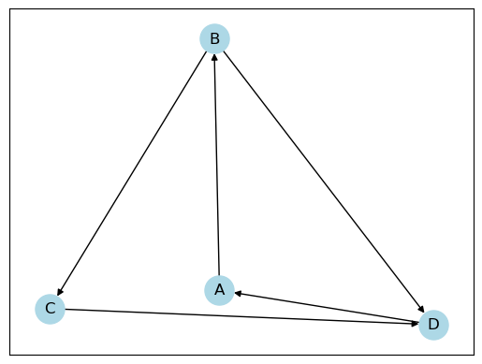
71 | 117012491 | 2 | 2 | 71 | Box Plots | Create a boxplot of the distribution of temperatures in different cities. Take data from 'temperatures.csv' from below: https://raw.githubusercontent.com/kavit88/Data-Sets/main/temperatures.csv | Evaluating-Short_Answer_2_5_Min |  | 3 | Medium |  |  |  |  |  |  | SHP
72 | 117012491 | 2 | 2 | 72 | NetworkX | The following dictionary shows how five people follow each other on Instagram: instagram = {'person1': [0,1,1,0,1], 'person2': [0,0,1,0,1], 'person3': [1,1,0,1,1],'person4': [1,1,1,0,0], 'person5': [1,1,0,0,0]} E.g., the list for person1 has the value on index 2 as 1 which means person1 followsperson3 and a directed edge should be added from person1 to person3. Using networkx library, create a directed graph. | Evaluating-Descriptive_10_15_Min |  | 4 | Hard |  |  |  |  |  |  | SHP
73 | 117012491 | 2 | 2 | 73 | Scatter Plots | You have been given a dataset of car prices and their respective horsepower, mileage, and weight. You have been tasked to analyze the relationship between these variables and create a scatter plot to visualize the patterns. Dataset: The dataset, named "car_data.csv" : https://raw.githubusercontent.com/kavit88/Data-Sets/main/car_data.csv | Evaluating-Long_Answer_5_10_Min |  | 5 | Medium |  |  |  |  |  |  | SHP
74 | 117012491 | 2 | 2 | 74 | Scatter Plots | You have been given a dataset of house prices and their respective lot size and square footage. Your task is to create a scatter plot to determine if there is any correlation between these variables. Dataset: The dataset, named "house_data.csv": https://raw.githubusercontent.com/kavit88/Data-Sets/main/house_data.csv | Evaluating-Long_Answer_5_10_Min |  | 5 | Medium |  |  |  |  |  |  | SHP
75 | 117012491 | 2 | 2 | 75 | Data Visualization | Use the file heights_weights.csv which contains 10000 non-null values for heights and weights. The Male column shows 1 if the person is a Male and 0 if the person is a Female. Take file of dataset from: https://raw.githubusercontent.com/kavit88/Data-Sets/main/heights_weights.csv 1. Convert this file into a pandas Data Frame. 2. Display basic information like memory and data types for this data frame. 3. Display basic statistics like mean, std, quartiles, etc. for this data frame. 4. Create a correlation table for the data frame and comment about what kind ofcorrelation is there between Height and Weight. 5. Do Height and Weight contain any outliers? Answer by creating boxplots for both. 6. Finally, create a scatter plot of Weight v/s Height with the following specifications: (i) use + sign, colour green and size 50 for markers. (ii) Label X Axis as Weight and Y Axis as Height. (iii) Display title on top as Weight vs Height | Evaluating-Long_Answer_5_10_Min |  | 6 | Hard |  |  |  |  |  |  | SHP
76 | 117012491 | 2 | 2 | 76 | Area Plots | The file "sales.csv" contains the monthly sales data for a store over a year. Each row contains the month (in the format "yyyy-mm"), the total sales for that month, and the number of items sold. Create a pandas DataFrame from this data and plot the monthly sales using an area plot. Take the dataset from below: https://raw.githubusercontent.com/kavit88/Data-Sets/main/sales.csv | Evaluating-Short_Answer_2_5_Min |  | 3 | Medium |  |  |  |  |  |  | SHP
77 | 117012491 | 2 | 2 | 77 | Regression Plots | The file "survey.csv" contains the results of a survey that asks people how many hours they sleep per night, how much coffee they drink per day, and how many hours they spend exercising per week. Create a pandas DataFrame from this data and plot the relationships between these variables using regression plots. Specifically, create the following plots: 1. A regression plot of hours of sleep versus cups of coffee per day, with a regression line and confidence interval. 2. A regression plot of hours of sleep versus hours of exercise per week, with a regression line and confidence interval. 3. A regression plot of cups of coffee per day versus hours of exercise per week, with a regression line and confidence interval. Label each axis appropriately and give each plot a title. Take Dataset from below: https://raw.githubusercontent.com/kavit88/Data-Sets/main/survey.csv | Evaluating-Long_Answer_5_10_Min |  | 5 | Medium |  |  |  |  |  |  | SHP
78 | 117012491 | 2 | 2 | 78 | Geospatial Data with Folium | Use the California_Houses.csv file to create a map with the first 200 rows using the latitudes and longitudes given in the file with the following customizations: 1. Colour of circle markers should be green with red fill and the type of map should be stamen terrain 2. Add pop up labels using the population from the file. Take the dataset fom below: https://raw.githubusercontent.com/kavit88/Data-Sets/main/California_Houses.csv | Evaluating-Long_Answer_5_10_Min |  | 4 | Hard |  |  |  |  |  |  | SHP
79 | 117012491 | 2 | 2 | 79 | Heatmaps | The file "student_scores.csv" contains the marks scored by a group of students in three subjects: Maths, Science, and English. Each row contains the name of the student, their score in Maths, Science, and English. Create a pandas DataFrame from this data and create a heatmap to visualize the correlations between the scores in these three subjects. Take Dataset from below: https://raw.githubusercontent.com/kavit88/Data-Sets/main/student_scores.csv | Evaluating-Short_Answer_2_5_Min |  | 3 | Medium |  |  |  |  |  |  | SHP
80 | 117012491 | 2 | 2 | 80 | Choropleth Maps | You are given a dataset that contains the unemployment rate of different US states for the year 2021. You have to create a choropleth map of the US using the unemployment rate data. csv file: https://raw.githubusercontent.com/Jovita7/Data-Analysis-and-Visualization/main/US_Unemployment_Oct2012.csv json file: https://raw.githubusercontent.com/Jovita7/Data-Analysis-and-Visualization/main/us-states.json | Evaluating-Short_Answer_2_5_Min |  | 3 | Medium |  |  |  |  |  |  | SHP
81 | 117012491 | 2 | 2 | 81 | Word Clouds | You are given a text file named "speech.txt" which contains the transcript of a speech. You need to create a Word Cloud for the most frequent words used in the speech. https://raw.githubusercontent.com/kavit88/Data-Sets/main/speech.txt | Evaluating-Short_Answer_2_5_Min |  | 3 | Medium |  |  |  |  |  |  | SHP
82 | 117012491 | 2 | 2 | 82 | Word Clouds | You are given a dataset containing customer reviews of a restaurant. Your task is to create a wordcloud of the most frequent words used in the reviews after removing the stopwords. https://raw.githubusercontent.com/kavit88/Data-Sets/main/restaurant_reviews.csv | Evaluating-Short_Answer_2_5_Min |  | 4 | Hard |  |  |  |  |  |  | SHP
83 | 117012491 | 2 | 2 | 83 | Waffle Charts | Suppose you have data on the number of medals won by a country in the 2020 Tokyo Olympics. You want to visualize this data using a waffle chart to show the proportional representation of each country's medal count. Data={'USA': 113, 'China': 88, 'Japan': 58, 'Great Britain': 65, 'ROC': 71, 'Australia': 46, 'Netherlands': 36, 'France': 33, 'Germany': 37, 'Italy': 40} | Evaluating-Short_Answer_2_5_Min |  | 3 | Medium | LJU 2023 |  |  |  |  | VHA | SHP
84 | 117012491 | 2 | 2 | 84 | NetworkX | You have been hired as a network analyst by a company to analyze the social network of their employees. The company has provided you with the following data: There are 5 employees in the company, each identified by a unique ID from 1 to 5. The following relationships exist between the employees: 1. Employee 1 is friends with Employee 2 and Employee 3. 2. Employee 2 is friends with Employee 4. 3. Employee 3 is friends with Employee 5. Your task is to create a NetworkX graph representing this social network and display it. | Evaluating-Long_Answer_5_10_Min |  | 3 | Hard | LJU 2023 |  |  |  |  | VHA | SHP
85 | 117012491 | 2 | 2 | 85 | Area Plots | Consider the following numpy arrays: Time=np.arange(12) income=np.array([5,9,6,6,10,7,6,4,4,5,6,4]) expense=np.array([6,6,8,3,6,9,7,8,6,6,4,8]) Use Time array for X-axis and create two separate lines in the same graph with income & expense on Y-axis. Give Appropriate labels. Create an area fill graph between the two lines in such a way that where income is more than expense, are filled with Green and areas where expense is more than income are filled with red. | Evaluating-Long_Answer_5_10_Min |  | 3 | Medium |  |  |  |  |  | TAT | SHP
86 | 117012491 | 2 | 2 | 86 | NetworkX | You have been hired by an Airlines company to analyze their routes. The company has provided you following data. Your task is to create a NetworkX directed graph representing the routes and display it. Figure size should be (15,15), node color should be green, take appropriate node size, edge color should be red. Data: Kolkata to Mumbai Mumbai to Pune Mumbai to Goa Kolkata to Delhi Kolkata to Bhubaneshwar Mumbai to Delhi Delhi to Chandigarh Delhi to Surat Kolkata to Hyderabad Hyderabad to Chennai Chennai to Thiruvananthapuram Thiruvananthapuram to Hyderabad Kolkata to Varanasi Delhi to Varanasi Mumbai to Bangalore Chennai to Bangalore Hyderabad to Bangalore Kolkata to Guwahati | Evaluating-Short_Answer_2_5_Min |  | 4 | Medium |  |  |  |  |  | MVK | SHP
87 | 117012491 | 2 | 2 | 87 | Statistical Analysis, Visualization | Using ‘supermarket_sales.csv’ file do the following operations and give required answer by using proper programming process. 1). Load the dataset into a pandas DataFrame and read first 8 rows. 2). Check for missing values and fill it by mean values of that particular column if any. 3). Find the number of orders which have ‘Quantity’ less than 3 and which have (either ‘Rating’ greater than 8.5 or ‘Total’ greater than 600). 4). Find the sum of ‘Total’ purchasing price spent by Member and Normal 'Customer type'. 5). Find the percentage of total of ‘gross income’ based on the different ‘Payment’ methods used by customers. (Ewallet, Cash and Credit card) 6). Analyze the purchasing behavior of male and female customers using ‘Gender’ column. Find their average purchase prices using ‘Total’ column. 7). Create a scatter plot that shows the relationship between total amount spent and rating. (keep ‘+’ marker, with marker size 100 and green color). 8). Create a box plot that shows the distribution of ‘Rating’ and ‘Quantity’. And comment about outliers in both columns. 9). Visualize with parallel co-ordinates for ‘Unit price’, ‘Total’, ’cogs’ columns’ data with respect to ‘Product line’. | Analysing_Essay_Type_20_25_Min |  | 9 | Hard |  |  |  |  |  | KMS | KMS
88 | 117012491 | 2 | 2 | 88 | Statistical Analysis, Visualization | Use the file data.csv which contains 169 rows and 4 columns. 1. Convert this file into pandas Data Frame and Display basic statistics like mean, std, quartiles, etc. for this data frame. 2. Create a correlation table for the data frame and comment about what kind of correlation is there between Duration and Calories? 3. Find whether there any null or NA values, drop all such rows if found in the data frame and print the shape of the data frame after dropping. 4. Prepare a scatter matrix for the following data frame and prepare a parallel coordinates for Duration v/s Pulse, Maxpulse and Calories (all 3 other columns). 5. Do Maxpulse have any outliers? Find using function. 6. Show the outliers using box plot for Maxpulse, width of box plot should be 0.75 and notch should be True. 7. Create a scatter plot for Duration (x-axis) and then Pulse, Maxpulse and Calories (y-axis) with different colors. For each there should be different color and marker. | Analysing_Essay_Type_20_25_Min |  | 9 | Hard |  |  |  |  |  | AKS | KMS
89 | 117012491 | 2 | 2 | 89 | Statistical Analysis, Visualization | The dataset provided in ‘kc_house_data.csv’ contains house sale prices for King County, which includes Seattle. It includes homes sold between May 2014 and May 2015. | Analysing_Essay_Type_20_25_Min |  | 9 | Medium |  |  |  |  |  | PDS | KMS
 | 117012491 |  |  |  |  | 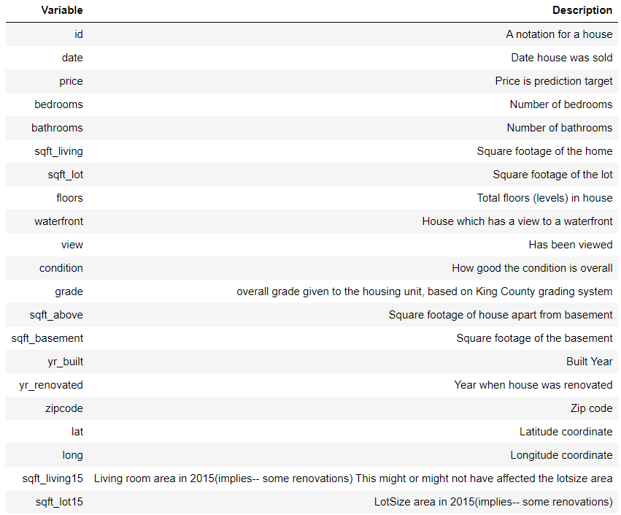
 |  |  |  |  |  | Perform the following tasks : 1) Load the csv to a dataframe named ‘house_survey’. 2) Display the first 5 rows of the dataframe. 3) Display the data types of each column. 4) Obtain a statistical summary of the dataframe. 5) Drop the columns "id" and "Unnamed: 0" 6) Check all the null values present in all the columns of the dataframe. 7) Replace the missing values of the column 'bedrooms' with the mean of the column. 8) Replace the missing values of the column 'bathrooms' with the mean of the column. 9) Count the number of houses with unique floor values. 10) Using boxplot determine whether houses with a waterfront view or without a waterfront view have more price outliers. (Mention your answer as comment in the next cell) 11) Use the function regplot in the seaborn library to determine if the feature sqft_above is negatively or positively correlated with price. (Mention your answer as comment in the next cell). 12) Find the feature other than price that is most correlated with price. (Mention your answer as comment in the next cell).
90 | 117012491 | 2 | 2 | 90 | Statistical Analysis, Visualization | For the given dataset – iris.csv, perform following exploratory data analysis using python - Use comment feature to answer appropriate questions – a) Load dataset into jupyter notebook using appropriate libraries. Check the datatypes of the dataset attributes. Does the data contain any missing /null values? b) Extract head and tail of the dataset using appropriate methods. c) Summarize statistical figures (i.e. mean, median, percentiles) in one table using appropriate method. d) Create correlation table of all variables. What can you infer about relation between petal length and sepal length? e) Create parallel coordinate plot of iris dataset. What can you infer about petal length and petal width? f) Create box plot of sepal width. Visualizing the plot, answer whether the sepal width data contains any outliers. g) Create cross tabulation of sepal length and petal width attributes. What does the table represent? h) Create scatter matrix of the dataset. i) Create a new column called ‘SepalLengthSize’ which contains “High” if sepal length ≥ 5 or “Low” if sepal length < 5. | Evaluating-Essay_Type_20_25_Min |  | 9 | Medium |  |  |  |  |  | MVP | KMS
91 | 117012491 | 2 | 2 | 91 | Pandas,Visulization | To upload the ‘diabetes_unclean.csv’ to your working folder First import the following libraries import pandas as pd import matplotlib.pyplot as plt import numpy as np 1. Make a data frame with the variable name df 2. To display the specific statistics or measures that are relevant for object-type columns 3. To display the specific statistics or measures that are relevant for numerical-type columns 4. How many rows and columns are in a given dataset 5. To check the missing values 6. To replace the missing values in the column "HbA1c" with their mean value 7. Dropping the missing values of other columns 8. Display the correlation between variables 9. Checking the outliers in the dataset for the following parameters: 'AGE', 'Urea', 'HbA1c', 'Chol', 'TG', 'HDL', 'LDL', 'VLDL', 'BMI' using box plot with labels and title 10. Visualized the "Urea", "HbA1c", "TG" and "BMI" parameters for different ages using parallel_coordinates with labels and title 11. Remove the rows whose gender column has an “f” value and give the frequency count of the “F” and “M” values in different CLASS values 12. Remove the outliers in the "HbA1c" columns and print the shape of the data frame Note: all task output with specific question numbers and follow the sequence Example: print(“Ans-1”) | Applying-Essay_Type_20_25_Min |  | 9 | Hard | LJU 2023 |  |  |  |  | VHA | SHP
92 | 117012491 | 3 | 3 | 92 | Regular Expressions | Which module in Python supports regular expressions? | Understanding-Multiple_Choice | A | 1 | Easy |  | re | regex | pyregex | None of these |  | SHP
93 | 117012491 | 3 | 3 | 93 | Python re - split() | What will be the output of the following Python code? re.split('\W+', 'Hello, hello, hello.') | Applying-Multiple_Choice | D | 1 | Medium |  | [‘Hello’, ‘hello’, ‘hello.’] | [‘Hello, ‘hello’, ‘hello’] | [‘Hello’, ‘hello’, ‘hello’, ‘.’] | ['Hello', 'hello', 'hello', ''] |  | SHP
94 | 117012491 | 3 | 3 | 94 | Python re - findall() | What will be the output of the following Python function? re.findall("hello world", "hello", 1) | Applying-Multiple_Choice | B | 1 | Medium | LJU 2023 | [“hello”] | [] | hello | hello world | VHA | SHP
95 | 117012491 | 3 | 3 | 95 | Python re - sub() | What will be the output of the following Python code? re.sub('morning', 'evening', 'good morning') | Applying-Multiple_Choice | A | 1 | Medium |  | ‘good evening’ | ‘good’ | ‘morning’ | ‘evening’ |  | SHP
96 | 117012491 | 3 | 3 | 96 | Python re - split() | What will be the output of the following Python code? re.split('mum', 'mumbai*', 1) | Applying-Multiple_Choice | B | 1 | Medium |  | Error | ['', ‘bai*’] | [”, ‘bai’] | [‘bai*’] |  | SHP
97 | 117012491 | 3 | 3 | 97 | Python re - split() | What will be the output of the following Python code? re.split(r'(n\d)=', 'n1=3.1, n2=5, n3=4.565') | Applying-Multiple_Choice | B | 1 | Medium |  | Error | ['', ‘n1’, ‘3.1, ‘, ‘n2’, ‘5, ‘, ‘n3’, ‘4.565’] | [‘n1’, ‘3.1, ‘, ‘n2’, ‘5, ‘, ‘n3’, ‘4.565’] | [‘3.1, ‘, ‘5, ‘, ‘4.565’] |  | SHP
98 | 117012491 | 3 | 3 | 98 | Python re - split() | What will be the output of the following Python code? re.split(r'(a)(t)', 'Maths is a difficult subject') | Applying-Multiple_Choice | D | 1 | Medium |  | [‘M a t h s i s a d i f f i c u l t s u b j e c t’] | [‘Maths’, ‘is’, ‘a’, ‘difficult’, ‘subject’] | ‘Maths is a difficult subject’ | [‘M’, ‘a’, ‘t’, ‘hs is a difficult subject’] |  | SHP
99 | 117012491 | 3 | 3 | 99 | Python re - split() | What will be the output of the following Python code? re.split(r'\s+', 'Chrome is better than explorer', maxsplit=3) | Applying-Multiple_Choice | B | 1 | Medium |  | [‘Chrome’, ‘is’, ‘better’, ‘than’, ‘explorer’] | [‘Chrome’, ‘is’, ‘better’, ‘than explorer’] | (‘Chrome is’, ‘better’, ‘than explorer’) | ‘Chrome is better’ ‘than explorer’ |  | SHP
100 | 117012491 | 3 | 3 | 100 | Python re - sub() | What will be the output of the following Python code? re.sub('Y', 'X', 'AAAAAA', count=2) | Applying-Multiple_Choice | D | 1 | Medium |  | ‘YXAAAA’ | (‘YXAAAA’) | (‘AAAAAA’) | ‘AAAAAA’ |  | SHP
101 | 117012491 | 3 | 3 | 101 | Python re-functions | Which function returns a list containing all matches? | Understanding-Multiple_Choice | A | 1 | Easy |  | findall | search | split | find |  | SHP
102 | 117012491 | 3 | 3 | 102 | Special Sequences | Which character stand for Starts with in regex? | Remembering-Multiple_Choice | B | 1 | Easy |  | & | ^ | # | $ |  | SHP
103 | 117012491 | 3 | 3 | 103 | Metacharacters | Which character stand for Zero or more occurrences in regex? | Remembering-Multiple_Choice | A | 1 | Easy |  | * | # | @ | | |  | SHP
104 | 117012491 | 3 | 3 | 104 | Special Sequences | In Regex, s stands for? | Remembering-Multiple_Choice | C | 1 | Easy |  | Returns a match where the string DOES NOT contain digits | Returns a match where the string DOES NOT contain a white space character | Returns a match where the string contains a white space character | Returns a match if the specified characters are at the end of the string |  | SHP
105 | 117012491 | 3 | 3 | 105 | Regular Expressions | Which of the following options is the correct way to import the regex library? | Understanding-Multiple_Choice | B | 1 | Easy |  | import regex | import re | import Regex | import Re |  | SHP
106 | 117012491 | 3 | 3 | 106 | Metacharacters | ________ matches the start of the string. ________ matches the end of the string. | Remembering-Multiple_Choice | A | 1 | Easy |  | ‘^’, ‘$’ | ‘$’, ‘^’ | ‘$’, ‘?’ | ‘?’, ‘^’ |  | SHP
107 | 117012491 | 3 | 3 | 107 | Metacharacters | What does the command ab+c search for? | Applying-Multiple_Choice | C | 1 | Easy |  | ac,abc,abbc, and so on | ab,abc,abcc and so on | abc,abbc,abbbc and so on | None of the above |  | SHP
108 | 117012491 | 3 | 3 | 108 | Python re - search() | Which of the following command is used to search a match for 1,2,3,4? | Understanding-Multiple_Choice | D | 1 | Easy |  | [1-4] | (1-3) | [1234] | Both A and C |  | SHP
109 | 117012491 | 3 | 3 | 109 | Python re - split() | What is the output of the code shown below? print(re.split(‘\d’,’abc123xyz’,maxsplit=1)) | Applying-Multiple_Choice | A | 1 | Medium |  | ['abc', '23xyz'] | ['abc', '123xyz'] | ['abc123xyz'] | ['abc1', '23xyz'] |  | SHP
110 | 117012491 | 3 | 3 | 110 | Python re - sub() | What is the output of the below code? re.sub(‘a’,’u’,’aeiou!’) | Applying-Multiple_Choice | A | 1 | Medium |  | ueiou!' | eiou!' | eio!' | None of these |  | SHP
111 | 117012491 | 3 | 3 | 111 | Python re - sub() | What is the output of the code shown below? import re text = "Is this Python?" pattern = r'\w{2}\W+[^\W]' result = re.sub(pattern, "**", text) print(result) | Understanding-Multiple_Choice | C | 1 | Hard |  | ****ython? | Is this Py** | **h**ython? | Is th** ython? | KMS | SHP
112 | 117012491 | 3 | 3 | 112 | Python re - sub() | What is the output of the code shown below? import re text = "<p>This is some text with <b>bold</b> and <i>italic</i> text.</p>" pattern = r'<[^>]?>' result = re.sub(pattern, "", text) print(result) | Understanding-Multiple_Choice | A | 1 | Hard |  | This is some text with bold</b> and italic</i> text.</p> | This is some text with bold and italic text. | <p>This is some text with <b>bold</b> and <i>italic</i> text.</p> | This is some text with | KMS | SHP
113 | 117012491 | 3 | 3 | 113 | Python re - findall() | What will be the output of the following Python code? import re text = "My phone number is 123-456-7890 and my friend's number is 987-654-3210." pattern = r'\d{10}' result = re.findall(pattern, text) print(result) | Understanding-Multiple_Choice | A | 1 | Hard |  | [ ] | ['123-456-7890', '987-654-3210'] | ['123-456-7890'] | ['123-456-7890-987-654-3210'] | KMS | SHP
114 | 117012491 | 3 | 3 | 114 | Python re - findall() | What will be the output of the following Python code? import re text = "The code is AAA333BB and PQR365RRR." pattern = r'[A-Z]{3}\d{3}[A-Z]{3}' result = re.findall(pattern, text) print(result[0]) | Understanding-Multiple_Choice | D | 1 | Hard |  | A | PQR | AAA333BB | PQR365RRR | KMS | SHP
115 | 117012491 | 3 | 3 | 115 | Python re - search() | What is the output of the following code? import re txt='The rain in Spain' x=re.search('\s',txt) print(x.start()) | Understanding-Multiple_Choice | C | 1 | Medium |  | 1 | 2 | 3 | 4 | AKS | PDS
116 | 117012491 | 3 | 3 | 116 | Python re - search() | What is the output of the code shown below? import re txt="Today is 31st December 2022" x=re.search('\W+',txt) print(x.start()) | Understanding-Multiple_Choice | D | 1 | Medium |  | 0 | 4 | 1 | 5 | PKV | PDS
117 | 117012491 | 3 | 3 | 117 | Python re - search() | What is the output of the code shown below? import re txt="8 times before 04:00 PM" x=re.search('\D+',txt) print(x.end()) | Understanding-Multiple_Choice | B | 1 | Medium |  | 6 | 15 | 14 | 8 | PKV | PDS
118 | 117012491 | 3 | 3 | 118 | Python re - findall() | What is the output of the code shown below? import re txt="That will be 59 dollars till 2000" x=re.findall('\d+',txt) print(x) | Understanding-Multiple_Choice | B | 1 | Medium |  | 59,2000 | [‘59’,’2000’] | [‘59’,’20’,’00’] | 59,20,00 | PKV | PDS
119 | 117012491 | 3 | 3 | 119 | Python re - split() | What is the output for following program? import re text = "The quick brown @fox*jumps#over$the^ lazy&dog." pattern = r'[a-z]+' result = re.split(pattern, text) len(result[0]) | Understanding-Multiple_Choice | B | 1 | Medium |  | 5 | 1 | 2 | 3 | SHP | PDS
120 | 117012491 | 3 | 3 | 120 | Python re - findall() | What is the output for following program? import re text = "The quick brown fox jumps over the lazy dog." result = re.findall(r'\w{3}', text) result | Understanding-Multiple_Choice | A | 1 | Medium |  | ['The', 'qui', 'bro', 'fox', 'jum', 'ove', 'the', 'laz', 'dog'] | [ 'qui', 'bro', 'fox', 'jum', 'ove', 'the', 'laz',] | ['The'] | [ ] | SHP | PDS
121 | 117012491 | 3 | 3 | 121 | Python re - search() | What is the output for following program? import re text = "the password is p@ssword." pattern = r'[A-Z0-9]+' result = re.search(pattern, text) print(result) | Understanding-Multiple_Choice | A | 1 | Hard |  | None | 0 | error | [ ] | SHP | PDS
122 | 117012491 | 3 | 3 | 122 | Python re - findall() | What is the output of the code shown below? import re txt = "08 times before 11:45 AM" x = re.findall("[1-5][0-9]", txt) print(x) | Understanding-Multiple_Choice | A | 1 | Hard |  | ['11', '45'] | [‘08’, '11', '45'] | [‘8’, '11', '45'] | ['11:45'] | TAT | PDS
123 | 117012491 | 3 | 3 | 123 | Python re - search() | What is the output of the code shown below? import re txt="Hello Good Morning" x=re.search("\s",txt) print(x.start(),x.end()) | Understanding-Multiple_Choice | A | 1 | Medium |  | 5 6 | 6 7 | 5 10 | ‘Hello Morning’ | TAT | PDS
124 | 117012491 | 3 | 3 | 124 | re.sub() | What is the output of the below code? import re text = "Hello, how are you?" pattern = r'\w{3}\W+' result = re.sub(pattern, "###", text) (result) | Applying-Multiple_Choice | A | 1 | Hard | LJU 2023 | 'He############' | 'He###ow ###ou?' | 'He###how are you?' | None of these | VHA | PDS
125 | 117012491 | 3 | 3 | 125 | re.findall() | What is the output of the below code? import re text = "The quick brown fox jumps over the lazy dog." result = re.findall(r'\w{4}\s', text) print(len(result)) | Applying-Multiple_Choice | A | 1 | Hard | LJU 2023 | 5 | 4 | 3 | 2 | VHA | PDS
126 | 117012491 | 3 | 3 | 126 | re.findall() | What is the output of the below code? import re s = "black, blue and brown" pattern = r'bl\w+\W' matches = re.findall(pattern,s) print(len(matches[0])) | Applying-Multiple_Choice | B | 1 | Hard | LJU 2023 | 5 | 6 | 4 | 3 | VHA | PDS
127 | 117012491 | 3 | 3 | 127 | re.findall() | What is the output of the below code? import re text = "The code is ABC123XYZ and XYZ789." pattern = r'[A-Z]{3}\d{3}[^\s]{3}' result = re.findall(pattern, text) print(result) | Applying-Multiple_Choice | A | 1 | Hard | LJU 2023 | ['ABC123XYZ'] | ABC123XYZ'] | [] | [ABC123XYZ] | VHA | PDS
128 | 117012491 | 3 | 3 | 128 | re.findall() | What is the output of the below code? import re pattern = r'\d{3}' string = 'The price of the product is 1234 dollars.' match = re.findall(pattern, string) print(match[0]) | Applying-Multiple_Choice | A | 1 | Hard | LJU 2023 | 123 | 1234 | 12 | 12 | VHA | PDS
129 | 117012491 | 3 | 3 | 129 | Regular Expressions | Write a python program to print Phone number from given string using regular expressions. | Applying-Short_Answer_2_5_Min |  | 3 | Medium |  |  |  |  |  |  | PDS
130 | 117012491 | 3 | 3 | 130 | Regular Expressions | Write a Python program to check that a string contains only a certain set of characters (in this case a-z, A-Z and 0-9) using regular expressions. | Applying-Short_Answer_2_5_Min |  | 3 | Easy |  |  |  |  |  |  | PDS
131 | 117012491 | 3 | 3 | 131 | Regular Expressions | Write a Python program using regular expressions that matches a string that has an a followed by zero or more b's. | Applying-Short_Answer_2_5_Min |  | 4 | Medium |  |  |  |  |  |  | PDS
132 | 117012491 | 3 | 3 | 132 | Regular Expressions | Write a Python program that matches a string that has an 'a' followed by one or more b's using regular expressions. | Applying-Short_Answer_2_5_Min |  | 4 | Medium |  |  |  |  |  |  | PDS
133 | 117012491 | 3 | 3 | 133 | Regular Expressions | Write a Python program that matches a string that has an 'a' followed by zero or one 'b' using regular expressions. | Applying-Short_Answer_2_5_Min |  | 4 | Medium |  |  |  |  |  |  | PDS
134 | 117012491 | 3 | 3 | 134 | Regular Expressions | Write a Python program that matches a string that has an 'a' followed by three 'b' using regular expressions. | Applying-Short_Answer_2_5_Min |  | 4 | Medium |  |  |  |  |  |  | PDS
135 | 117012491 | 3 | 3 | 135 | Regular Expressions | Write a Python program to find sequences of lowercase letters joined by an underscore using regular expressions. | Applying-Short_Answer_2_5_Min |  | 4 | Medium |  |  |  |  |  |  | PDS
136 | 117012491 | 3 | 3 | 136 | Regular Expressions | Write a Python program to find the sequences of one upper case letter followed by lower case letters using regular expressions. | Applying-Short_Answer_2_5_Min |  | 4 | Medium |  |  |  |  |  |  | PDS
137 | 117012491 | 3 | 3 | 137 | Regular Expressions | Write a Python program that matches a word at the end of a string, with optional punctuation using regular expressions. | Applying-Short_Answer_2_5_Min |  | 4 | Medium |  |  |  |  |  |  | PDS
138 | 117012491 | 3 | 3 | 138 | Regular Expressions | Write a Python program that matches a word containing 'z' using regular expressions. | Applying-Short_Answer_2_5_Min |  | 4 | Medium |  |  |  |  |  |  | PDS
139 | 117012491 | 3 | 3 | 139 | Regular Expressions | Write a Python program to match a string that contains only upper and lowercase letters, numbers, and underscores using regular expressions. | Applying-Short_Answer_2_5_Min |  | 4 | Medium |  |  |  |  |  |  | PDS
140 | 117012491 | 3 | 3 | 140 | Regular Expressions | Write a Python program that starts each string with a specific number using regular expressions. | Applying-Short_Answer_2_5_Min |  | 4 | Medium |  |  |  |  |  |  | PDS
141 | 117012491 | 3 | 3 | 141 | Regular Expressions | Write a Python program to remove leading zeros from an IP address using regular expressions. | Applying-Short_Answer_2_5_Min |  | 4 | Medium |  |  |  |  |  |  | PDS
142 | 117012491 | 3 | 3 | 142 | Regular Expressions | Write a Python program to check for a number at the end of a string using regular expressions. | Applying-Short_Answer_2_5_Min |  | 4 | Medium |  |  |  |  |  |  | PDS
143 | 117012491 | 3 | 3 | 143 | Regular Expressions | Write a Python program to search for literal strings within a string using regular expressions. | Applying-Short_Answer_2_5_Min |  | 4 | Medium |  |  |  |  |  |  | PDS
144 | 117012491 | 3 | 3 | 144 | Regular Expressions | Write a Python program to extract year, month and date from an URL using regular expressions. | Applying-Short_Answer_2_5_Min |  | 4 | Medium |  |  |  |  |  |  | PDS
145 | 117012491 | 3 | 3 | 145 | Regular Expressions | Write a Python program to convert a date of yyyy-mm-dd format to dd-mm-yyyy format using regular expressions. | Applying-Short_Answer_2_5_Min |  | 4 | Medium |  |  |  |  |  |  | PDS
146 | 117012491 | 3 | 3 | 146 | Regular Expressions | Write a Python program to find all words starting with 'a' or 'e' in a given string using regular expressions. | Applying-Short_Answer_2_5_Min |  | 4 | Medium |  |  |  |  |  |  | PDS
147 | 117012491 | 3 | 3 | 147 | Regular Expressions | Write a Python program to abbreviate 'Road' as 'Rd.' in a given string using regular expressions. | Applying-Short_Answer_2_5_Min |  | 3 | Easy |  |  |  |  |  |  | PDS
148 | 117012491 | 3 | 3 | 148 | Regular Expressions | Write a Python program to replace all occurrences of a space, comma, or dot with a colon using regular expressions. | Applying-Short_Answer_2_5_Min |  | 3 | Easy |  |  |  |  |  |  | PDS
149 | 117012491 | 3 | 3 | 149 | Regular Expressions | Write a Python program to replace maximum 2 occurrences of space, comma, or dot with a colon using regular expressions. | Applying-Short_Answer_2_5_Min |  | 3 | Easy |  |  |  |  |  |  | PDS
150 | 117012491 | 3 | 3 | 150 | Regular Expressions | Write a Python program to convert a camel-case string to a snake-case string using regular expressions. | Applying-Short_Answer_2_5_Min |  | 4 | Medium |  |  |  |  |  |  | PDS
151 | 117012491 | 3 | 3 | 151 | Regular Expressions | Write a Python program to remove multiple spaces from a string and store the output in list using regular expressions. | Applying-Short_Answer_2_5_Min |  | 3 | Easy |  |  |  |  |  |  | PDS
152 | 117012491 | 3 | 3 | 152 | Regular Expressions | Write a Python program to split a string into uppercase letters using regular expressions. | Applying-Short_Answer_2_5_Min |  | 3 | Easy |  |  |  |  |  |  | PDS
153 | 117012491 | 3 | 3 | 153 | Regular Expressions | Write a Python program to remove the parenthesis area in a string. | Applying-Short_Answer_2_5_Min |  | 3 | Easy |  |  |  |  |  |  | PKV
154 | 117012491 | 3 | 3 | 154 | Regular Expressions | Write a Python program to insert spaces between words starting with capital letters. | Applying-Short_Answer_2_5_Min |  | 4 | Medium |  |  |  |  |  |  | PKV
155 | 117012491 | 3 | 3 | 155 | Regular Expressions | Write a Python program that reads a given expression and evaluates it. | Applying-Long_Answer_5_10_Min |  | 7 | Hard |  |  |  |  |  |  | PKV
156 | 117012491 | 3 | 3 | 156 | Regular Expressions | Write a Python program to remove lowercase substrings from a given string. | Applying-Short_Answer_2_5_Min |  | 4 | Medium |  |  |  |  |  |  | PKV
157 | 117012491 | 3 | 3 | 157 | Regular Expressions | Write a Python program that checks whether a word starts and ends with a vowel in a given string. Return true if a word matches the condition; otherwise, return false. Sample Data: ("Red Orange White") -> True ("Red White Black") -> False ("abcd dkise eosksu") -> True | Applying-Short_Answer_2_5_Min |  | 4 | Medium |  |  |  |  |  |  | PKV
158 | 117012491 | 3 | 3 | 158 | Regular Expressions | Write a Python program that takes a string with some words. For two consecutive words in the said string, check whether the first word ends with a vowel and the next word begins with a vowel. If the program meets the condition, return true, otherwise false. Only one space is allowed between the words. Sample Data: ("These exercises can be used for practice.") -> True ("Following exercises should be removed for practice.") -> False ("I use these stories in my classroom.") -> True | Applying-Short_Answer_2_5_Min |  | 4 | Medium |  |  |  |  |  |  | PKV
159 | 117012491 | 3 | 3 | 159 | Regular Expressions | Write a Python Program to find all five-character words in a string. For example: Input : text = 'The quick brown fox jumps over the lazy dog.' Output : ['quick', 'brown', 'jumps'] | Applying-Long_Answer_5_10_Min |  | 2 | Medium |  |  |  |  |  | AKS | PKV
160 | 117012491 | 3 | 3 | 160 | Regular Expressions | Write a python program that executes following tasks (strictly using regex module) Given text – “ hello welcome to the python exam my email is alice@google.com, world this is bob@meta.com appearing for python exam “ a) Remove leading and trailing spaces of the given text. b) Replace space between words of the given text by ‘$’ symbol c) Extract username and host name (i.e. alice,bob,google, meta ) in a list | Applying-Long_Answer_5_10_Min |  | 4 | Medium |  |  |  |  |  | MVP | PKV
161 | 117012491 | 3 | 3 | 161 | Regular Expressions | Write a Python Program to find all URLs from a given text. Consider URLs to be of only this format. http://github.com https://github.com Can Start with either http or https followed by :// domain name dot com Example: Text="Hello all Students must visit at my website https://www.pandasrockstar.com for more information. Also, check out http://www.google.com" Output: Found URLs: https://www.pandasrockstar.com http://www.google.com | Applying-Long_Answer_5_10_Min |  | 3 | Medium |  |  |  |  |  | PKV | PKV
162 | 117012491 | 4 | 4 | 162 | Basic EDA | Which of the following pandas functions is used to convert categorical data into numeric data? | Understanding-Multiple_Choice | A | 1 | Medium |  | get_dummies() | numeric() | get_categorical() | get_dumps() |  | PKV
163 | 117012491 | 4 | 4 | 163 | Basic EDA | How do you handle missing or corrupted data in a dataset? | Understanding-Multiple_Choice | D | 1 | Medium |  | Drop missing rows or columns | Replace missing values with mean/median/mode | Assign a unique category to missing values | All of these |  | PKV
164 | 117012491 | 4 | 4 | 164 | Basic EDA | What is Scikit-learn? | Understanding-Multiple_Choice | A | 1 | Easy |  | A machine learning library in Python | A data visualization library in Python | A natural language processing library in Python | A web development framework in Python |  | PKV
165 | 117012491 | 4 | 4 | 165 | Basic EDA | Which of the following is an example of a regression algorithm in Scikit-learn? | Understanding-Multiple_Choice | C | 1 | Easy |  | K-means clustering | Decision tree | Linear regression | Support vector machines (SVM) |  | PKV
166 | 117012491 | 4 | 4 | 166 | Basic EDA | How would you access the column "symboling” from the dataframe df? | Understanding-Multiple_Choice | A | 1 | Easy |  | df["symboling"] | df=="symboling" | df[:"symboling"] | df[{"symboling"}] |  | PKV
167 | 117012491 | 4 | 4 | 167 | Basic EDA | What is the correct symbol for missing data? | Understanding-Multiple_Choice | B | 1 | Medium |  | na | nan | none | non |  | PKV
168 | 117012491 | 4 | 4 | 168 | Basic EDA | Why do we convert values of Categorical Variables into numerical values? | Understanding-Multiple_Choice | A | 1 | Medium |  | Most statistical models cannot take in objects or strings as inputs | To save memory | To save time | None of these |  | PKV
169 | 117012491 | 4 | 4 | 169 | Regression | What is the main difference between regression and classification in supervised learning? | Remembering-Multiple_Choice | A | 1 | Easy |  | Regression predicts continuous outcomes, while classification predicts categorical outcomes | Regression predicts categorical outcomes, while classification predicts continuous outcomes | Regression uses labeled data, while classification uses unlabeled data | Regression is unsupervised, while classification is supervised |  | PKV
170 | 117012491 | 4 | 4 | 170 | Regression | What evaluation metric is commonly used for regression tasks? | Remembering-Multiple_Choice | C | 1 | Easy |  | Accuracy | Precision | Mean Squared Error (MSE) | Recall |  | PKV
171 | 117012491 | 4 | 4 | 171 | Regression | What type of target variable is typically used in a regression problem? | Remembering-Multiple_Choice | C | 1 | Easy |  | Discrete | Categorical | Continuous | Binary |  | PKV
172 | 117012491 | 4 | 4 | 172 | Feature Engineering | What is feature selection in supervised learning? | Remembering-Multiple_Choice | B | 1 | Easy |  | It is the process of creating new features from existing ones. | It is the process of removing irrelevant or redundant features from the dataset. | It is the process of selecting the target variable for prediction. | It is the process of transforming categorical features into numerical features. |  | PKV
173 | 117012491 | 4 | 4 | 173 | Feature Engineering | What is feature transformation in machine learning? | Remembering-Multiple_Choice | D | 1 | Easy |  | It is the process of creating new features from existing ones. | It is the process of removing irrelevant or redundant features from the dataset. | It is the process of selecting the target variable for prediction. | It is the process of transforming categorical features into numerical features. |  | PKV
174 | 117012491 | 4 | 4 | 174 | Feature Engineering | You've been given a dataset with apartment area and price information. There's a noticeable non-linear relationship between area and price. To address this you intend to categorize them into 'High', 'Medium', and 'Low' groups. Prices above $3,000,000 are 'High', below $2,000,000 are 'Low', and between $2,000,000 and $3,000,000 are 'Medium'. Write a code to achieve this assuming that dataset has two columns named area and price. | Analysing_Long_Answer_5_10_Min |  | 3 | Medium |  |  |  |  |  |  | PKV
175 | 117012491 | 4 | 4 | 175 | Feature Engineering | In a survey dataset, you have a column representing participants' ages. You want to categorize ages into 'Young', 'Middle-aged', and 'Elderly' groups. Ages below 30 are 'Young', ages between 30 and 60 are 'Middle-aged', and ages above 60 are 'Elderly'. Write a code to achieve this assuming the dataset has a column named 'age'. | Analysing_Long_Answer_5_10_Min |  | 3 | Medium |  |  |  |  |  |  | PKV
176 | 117012491 | 4 | 4 | 176 | Feature Engineering | In a customer dataset, you have a column representing customer incomes. You want to categorize incomes into 'Low', 'Medium', and 'High' groups. Incomes below 30000 are 'Low', incomes between 30000 and 70000 are 'Medium', and incomes above 70000 are 'High'. Write a code to achieve this assuming the dataset has a column named 'income'. | Analysing_Long_Answer_5_10_Min |  | 3 | Medium |  |  |  |  |  |  | PKV
177 | 117012491 | 5 | 5 | 177 | Linear Regression | From where you can import LinearRegression? | Understanding-Multiple_Choice | C | 1 | Easy |  | sklearn.metrics | sklearn.linearmodel | sklearn.linear_model | sklearn. model_selection |  | PKV
178 | 117012491 | 5 | 5 | 178 | Linear Regression | From where you can import train_test_split? | Understanding-Multiple_Choice | D | 1 | Easy |  | sklearn.metrics | sklearn.linearmodel | sklearn.linear_model | sklearn. model_selection |  | PKV
179 | 117012491 | 5 | 5 | 179 | Linear Regression | What is the purpose of the predict() method in sklearn? | Understanding-Multiple_Choice | B | 1 | Medium |  | To train a model using a given dataset | To make predictions using a trained model | To evaluate the performance of a model | To split the data in train and test data |  | PKV
180 | 117012491 | 5 | 5 | 180 | Linear Regression | What is the purpose of the fit() method in sklearn? | Understanding-Multiple_Choice | A | 1 | Medium |  | To train a model using a given dataset | To evaluate the performance of a model | To create a plot of predicted values | All of these |  | PKV
181 | 117012491 | 5 | 5 | 181 | Linear Regression | If we pass x and y to a function train_test_split(), we will get output in which order? | Analysing_Multiple_Choice | B | 1 | Medium |  | x_train, y_train, x_test, y_test | x_train, x_test, y_train, y_test | x_train, y_test, x_test, y_train | y_train, y_test, x_train, x_test |  | PKV
182 | 117012491 | 5 | 5 | 182 | Linear Regression | Consider the following lines of code, what is the name of the column that contains the target values: from sklearn.linear_model import LinearRegression lm=LinearRegression() X = df[['highway-mpg']] Y = df['price'] lm.fit(X, Y) Yhat=lm.predict(X) | Evaluating-Multiple_Choice | A | 1 | Medium |  | price | highway-mpg | Both A and B | None of these |  | PKV
183 | 117012491 | 5 | 5 | 183 | Linear Regression | If X is a dataframe with 100 rows and 5 columns, and y is the target with 100 samples, and assuming all the relevant libraries and data have been imported, and the following line of code has been executed: LR = LinearRegression() LR.fit(X, y) yhat = LR.predict(X) How many samples does yhat contain? | Analysing_Multiple_Choice | C | 1 | Hard |  | 50 | 500 | 100 | 5 |  | PKV
184 | 117012491 | 5 | 5 | 184 | Linear Regression | What will be the size of training data if data is split like below? train_test_split(x,y,test_size=0.25,random_state=2) | Understanding-Multiple_Choice | A | 1 | Easy |  | 75% | 25% | 80% | 20% | KMS | PKV
185 | 117012491 | 5 | 5 | 185 | Linear Regression | Consider the following code snippet that implements linear regression in Python, what will be printed as the output of the code snippet? import numpy as np from sklearn.linear_model import LinearRegression # Training data X_train = np.array([[1], [2], [3], [4]]) y_train = np.array([2, 4, 6, 8]) # Test data X_test = np.array([[5]]) # Linear regression model model = LinearRegression( ) model.fit(X_train, y_train) predicted_value = model.predict(X_test) print(predicted_value) | Understanding-Multiple_Choice | B | 1 | Medium |  | 10 | [10] | 5 | [5] | PDS | PKV
186 | 117012491 | 5 | 5 | 186 | Linear Regression | If the data contains 100 rows and 2 columns and if test_size=0.2 then how many rows will go into training and how many will undergo in testing? | Understanding-Multiple_Choice | A | 1 | Easy |  | 80,20 | 70,30 | 50,60 | 30,70 | AKS | PKV
187 | 117012491 | 5 | 5 | 187 | Linear Regression | Consider the following lines of code having 200 non-null data in both x and y. what is the output of following code : import pandas as pd import numpy as np dataset=pd.read_csv("advertising.csv") x=dataset[["TV","Radio","Newspaper"]] y=dataset["Sales"] print(x.shape) | Understanding-Multiple_Choice | A | 1 | Easy |  | (200,3) | (200,) | (200,1) | (160,3) | PKV | PKV
188 | 117012491 | 5 | 5 | 188 | Linear Regression | Consider the following lines of code having 300 non-null data in both x and y. what is the output of following code : import pandas as pd import numpy as np dataset=pd.read_csv("Book1.csv") x=dataset[["cgpa"]] y=dataset["package"] from sklearn.model_selection import train_test_split x_train, x_test, y_train, y_test = train_test_split(x,y, test_size=0.2, random_state=1) print(x_train.shape) | Understanding-Multiple_Choice | C | 1 | Easy |  | (240,3) | (240,) | (240,1) | (60,) | PKV | PKV
189 | 117012491 | 5 | 5 | 189 | Linear Regression | If a dataframe with 400 rows and 5 columns, from the following code how many number of rows will go for x_test? from sklearn.model_selection import train_test_split x_train, x_test, y_train, y_test = train_test_split(x,y, test_size=0.2, random_state=1) | Understanding-Multiple_Choice | A | 1 | Medium |  | 80 | 100 | 10 | 200 | SHP | PKV
190 | 117012491 | 5 | 5 | 190 | Linear Regression | In scikit-learn's linear regression, what is the purpose of the "coef_" attribute? | Understanding-Multiple_Choice | B | 1 | Easy |  | It returns the intercept of the linear regression model. | It provides the coefficients of the features in the linear regression model. | It predicts the target variable values for new input data. | It computes the mean squared error (MSE) of the model. |  | PKV
191 | 117012491 | 5 | 5 | 191 | Regression | What is the purpose of the LinearRegression() function in scikit-learn? | Remembering-Multiple_Choice | B | 1 | Easy |  | To perform classification tasks | To fit a linear model to the data | To preprocess text data | To plot scatter plots | MVP/TAT | PKV
192 | 117012491 | 5 | 5 | 192 | Regression | In linear regression, what does the coefficient of determination (R-squared) measure? | Remembering-Multiple_Choice | D | 1 | Medium |  | The strength of the relationship between independent and dependent variables | The slope of the regression line | The accuracy of the model predictions | The variance explained by the regression model | MVP/TAT | PKV
193 | 117012491 | 5 | 5 | 193 | Regression | When should you use linear regression for modeling data? | Remembering-Multiple_Choice | D | 1 | Easy |  | When the relationship between variables is nonlinear | When the dataset contains categorical variables | When the dependent variable is binary | When there is a linear relationship between independent and dependent variables | MVP/TAT | PKV
194 | 117012491 | 5 | 5 | 194 | Regression | What does the coefficient of the independent variable (slope) in a simple linear regression model represent? | Remembering-Multiple_Choice | B | 1 | Easy |  | The y-intercept of the regression line. | The change in the dependent variable for a unit change in the independent variable. | The standard deviation of the residuals. | The correlation between independent and dependent variables | MVP/TAT | PKV
195 | 117012491 | 5 | 5 | 195 | Regression | In polynomial regression, what does the degree of the polynomial represent? | Remembering-Multiple_Choice | B | 1 | Medium |  | The number of independent variables in the model. | The order of the polynomial curve fitted to the data. | The correlation between independent and dependent variables | The y-intercept of the regression curve. | MVP/TAT | PKV
196 | 117012491 | 5 | 5 | 196 | Regression | What distinguishes polynomial regression from linear regression? | Remembering-Multiple_Choice | C | 1 | Medium |  | Polynomial regression can handle categorical variables. | Polynomial regression only works with two variables. | Polynomial regression fits a curve to the data instead of a straight line. | Polynomial regression always has a higher R-squared value than linear regression. | MVP/TAT | MVK
197 | 117012491 | 5 | 5 | 197 | Regression | When would you choose polynomial regression over linear regression? | Remembering-Multiple_Choice | B | 1 | Easy |  | When there is a linear relationship between variables. | When the data points exhibit a non-linear pattern. | When dealing with categorical variables. | When the dataset contains missing values. | MVP/TAT | MVK
198 | 117012491 | 5 | 5 | 198 | Regression | Which of the following statements about simple linear regression is true? | Remembering-Multiple_Choice | D | 1 | Easy |  | Simple linear regression is used to model the relationship between two categorical variables. | The equation for simple linear regression is y=β0+β1x, where β0 represents the slope and β1 represents the y-intercept. | The goal of simple linear regression is to minimize the sum of squared differences between the observed and predicted values of the dependent variable y. | Simple linear regression assumes a curvilinear relationship between the independent and dependent variables. | MVP/TAT | MVK
199 | 117012491 | 5 | 5 | 199 | Linear Regression | For x = np.array([5, 15, 25, 35, 45, 55]) and y = np.array([5, 20, 14, 32, 22, 38]), apply simple linear regression using scikit learn library and calculate calculate R squared, coeficient and intercept. Predict the y values for x = np.arange(5). (Don't split data for training/testing) | Analysing_Long_Answer_5_10_Min |  | 5 | Medium |  |  |  |  |  | MVP/TAT | MVK
200 | 117012491 | 5 | 5 | 200 | Linear Regression | Given a dataset with 'SAT' scores as independent variables and 'GPA' as the dependent variable, calculate R squared, coeficient and intercept using linear regression and scikitlearn library. (Don't split data for training/testing) | Analysing_Long_Answer_5_10_Min |  | 5 | Medium |  |  |  |  |  | MVP/TAT | MVK
201 | 117012491 | 5 | 5 | 201 | Multiple linear Regression | Given a real estate price size year dataset, implement multiple linear regression using scikitlearn library. Using the model, make a prediction about an apartment price with size 750 sq.ft. for 2009.Also Calculate R squared, coeficient and intercept. (Don't split data for training/testing) | Analysing_Long_Answer_5_10_Min |  | 5 | Medium |  |  |  |  |  | MVP/TAT | MVK
202 | 117012491 | 5 | 5 | 202 | Polynomial Regression | Predict salary based on job position of 6.5 using polynomial regression with a degree of 3 and scikit learn library for the given 'Position_Salaries.csv' dataset. (Don't split data for training/testing) | Analysing_Long_Answer_5_10_Min |  | 5 | Medium |  |  |  |  |  | MVP/TAT | MVK
203 | 117012491 | 5 | 5 | 203 | Polynomial Regression | For x = np.arange(0, 30) and y = np.array([3, 4, 5, 7, 10, 8, 9, 10, 10, 23, 27, 44, 50, 63, 67, 60, 62, 70, 75, 88, 81, 87, 95, 100, 108, 135, 151, 160, 169, 179]), apply polynomial regression using scikit learn library and calculate R squared, coeficient and intercept. Predict the y values for x = np.arange(5). (Don't split data for training/testing) | Analysing_Long_Answer_5_10_Min |  | 5 | Medium |  |  |  |  |  | MVP/TAT | MVK
204 | 117012491 | 5 | 5 | 204 | Linear Regression | Write a program to make a model based on linear regression for the following dataframe created from a csv file named “Package.csv” of x and y which follows equation y = a + bx. Write a program which can predict value of y based on any value of x, also write code to find value of a and b in above equation. Given Data in csv file: | Applying-Descriptive_10_15_Min |  | 3 | Medium |  |  |  |  |  |  | MVK

205 | 117012491 | 5 | 5 | 205 | Linear Regression | Write a program to make a model based on linear regression for the following dataframe created from a csv file named “data.csv” of x1 and y which follows equation y = a+bx1. Write a program which can predict value of y based on any value of x, also write code to find value of a and b in above equation. Given Data in csv file: | Applying-Descriptive_10_15_Min |  | 3 | Medium |  |  |  |  |  |  | MVK
 |  |  |  |  |  | 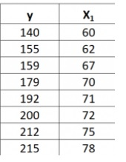
206 | 117012491 | 5 | 5 | 206 | Linear Regression | Write a program to create a Model using linear regression to predict the price of house using the csv file provided named “Housing.csv”. Do the required process in the data before making a model. Find predicted values, co-efficients, intercept and mean squared error. https://github.com/pdsinroza/python2/blob/39b36bf2f0121910fd1207952aa0ec20b2d77cfb/housing.csv | Applying-Descriptive_10_15_Min |  | 4 | Hard |  |  |  |  |  |  | MVK
207 | 117012491 | 5 | 5 | 207 | Linear Regression | Write a program to create a Model using linear regression to predict the student scores using the csv file provided named “student_scores.csv”. Do the required process in the data before making a model. Find predicted values, co-efficients, intercept and mean squared error. https://github.com/pdsinroza/python2/blob/695586ff85947e2ff727385ce208322f5b29de08/student_scores.csv | Applying-Descriptive_10_15_Min |  | 4 | Medium |  |  |  |  |  |  | MVK
208 | 117012491 | 5 | 5 | 208 | Linear Regression | Write a program to create a Model using linear regression to predict the gas consumption using the csv file provided named “petrol_consumption.csv”. Do the required process in the data before making a model. Find predicted values, co-efficients, intercept and mean squared error. https://github.com/pdsinroza/python2/blob/f4711a48cc10c84c9892b96900760848e1c1fdf0/petrol_consumption.csv | Applying-Descriptive_10_15_Min |  | 4 | Hard |  |  |  |  |  |  | MVK
209 | 117012491 | 5 | 5 | 209 | Linear Regression | Write a program to create a Model using linear regression to predict the gas consumption using the csv file provided named “FuelConsumptionCo2.csv”. Do the required process in the data before making a model. Find predicted values, co-efficients, intercept and mean squared error. (Wherever required remove null values, convert categorical data into numeric data) (Print Output wherever required) | Applying-Descriptive_10_15_Min |  | 5 | Hard |  |  |  |  |  | AKS | MVK
210 | 117012491 | 5 | 5 | 210 | Linear Regression | For the given RealEstate csv, write a python program satisfying following tasks to demonstrate application of machine learning through multiple linear regression as follows – Given: - Dataset RealEstate.csv ML Library to be used scikit-learn Dependent variable 'Y house price of unit area' Independent variables 'X1 transaction date', 'X2 house age', 'X3 distance to the nearest MRT station', 'X4 number of convenience stores', 'X5 latitude' and 'X6 longitude' 1. Import required libraries. 2. Load RealEstate dataset, create a dataframe and check datatypes of its attributes using appropriate method. 3. Remove ‘No’ column from the dataframe. 4. Check for any null values in features using appropriate method. 5. Create feature variables x and y as given above. 6. Create training and testing sets of feature variables with 70% of data for training and with random state of 110. 7. Create and fit regression model using appropriate method. 8. Use testing set created in step 6 to find and print the prediction of the outcome. 9. Find and print coefficient and mean squared error of the regression model. | Analysing_Descriptive_10_15_Min |  | 5 | Hard |  |  |  |  |  | MVP | MVK
211 | 117012491 | 5 | 5 | 211 | Linear Regression | Write a program to create a Model using linear regression to predict the charges of insurance using the csv file provided named “insurance.csv”. Do the required process in the data before making a model. Find predicted values, co-efficients, intercept and mean squared error. | Applying-Descriptive_10_15_Min |  | 5 | Hard |  |  |  |  |  | PKV | MVK
212 | 117012491 | 5 | 5 | 212 | Linear Regression | Write a program to create a Model using linear regression to predict the wine quality using the csv file provided named “winequality.csv”. Do the required process in the data before making a model. If you find any null value in “winequality.csv” then replace null value with mean value of respected columns. Find co-efficient, intercept and mean squared error. also Predict the quality of red wine for the following data: fixed acidity: 8 volatile acidity: 0.4 citric acid: 0.40 residual sugar: 15 chlorides: 0.048 free sulfur dioxide: 40 total sulfur dioxide: 150 density: 0.99 pH: 3 sulphates: 0.45 alcohol: 10.5 | Applying-Descriptive_10_15_Min |  | 5 | Hard |  |  |  |  |  | MVK | MVK
213 | 117012491 | 5 | 5 | 213 | Linear Regression | Consider variables x and y created from a pandas dataframe “car.csv” . Create new column named “Age_car” (Age_car=2023-year) For multiple linear regression problem, x contains the independent variables ( Age_car , Driven_kms , Fuel_Type , Selling_type , Transmission ) and y contains the dependent (Selling_Price) variable which is to be predicted. Write a Python program to spilt x and y into training and testing datasets with a 20% split. Then create a multiple linear regression model using the training data and print its coefficients ,intercept and mean squared error. | Applying-Descriptive_10_15_Min |  | 4 | Hard |  |  |  |  |  | SHP | MVK
214 | 117012491 | 6 | 6 | 214 | kNN | What does kNN stand for? | Remembering-Multiple_Choice | C | 1 | Easy |  | K-Neural Networks | K-Means Neighbours | k Nearest Neighbours | K-Cluster Neighbours | PDS | MVK
215 | 117012491 | 6 | 6 | 215 | kNN | In the context of kNN, what does ‘distance’ refer to? | Remembering-Multiple_Choice | B | 1 | Medium |  | Geographical distance | Difference in attribute values | Time difference | None of these | PDS | MVK
216 | 117012491 | 6 | 6 | 216 | kNN | What is the main disadvantage of a high ‘k’ value in kNN? | Remembering-Multiple_Choice | B | 1 | Medium |  | Overfitting | Underfitting | High bias | None of these | PDS | MVK
217 | 117012491 | 6 | 6 | 217 | kNN | What is the main advantage of kNN? | Remembering-Multiple_Choice | A | 1 | Easy |  | No assumptions about data | Makes assumptions about data | Prone to overfitting | None of these | PDS | MVK
218 | 117012491 | 6 | 6 | 218 | kNN | What is the main disadvantage of kNN? | Remembering-Multiple_Choice | B | 1 | Medium |  | No assumptions about data | Sensitive to irrelevant features and the scale of the data | Not prone to overfitting | None of these | PDS | MVK
219 | 117012491 | 6 | 6 | 219 | kNN | What does kNN use to make decisions? | Remembering-Multiple_Choice | B | 1 | Easy |  | Splitting criteria like entropy or gini index | Distance measures like Euclidean or Manhattan | Similarity measures like cosine similarity | None of these | PDS | MVK
220 | 117012491 | 6 | 6 | 220 | kNN | What does the following code snippet represent? from sklearn.neighbors import KNeighborsClassifier knn = KNeighborsClassifier(n_neighbors=5) | Remembering-Multiple_Choice | B | 1 | Medium |  | Training a decision tree classifier | Initializing a kNN classifier | Implementing logistic regression | Initializing a random forest classifier | PDS | MVK
221 | 117012491 | 6 | 6 | 221 | kNN | What does the following code snippet accomplish? from sklearn.model_selection import train_test_split from sklearn.neighbors import KNeighborsClassifier X_train, X_test, y_train, y_test = train_test_split(features, labels, test_size=0.3, random_state=42) knn = KNeighborsClassifier(n_neighbors=5) knn.fit(X_train, y_train) predicted_labels = knn.predict(X_test) | Remembering-Multiple_Choice | B | 1 | Medium |  | Initializes a kNN classifier with 5 neighbors and trains it on the entire dataset | Splits the dataset into training and testing sets, initializes a kNN classifier with 5 neighbors, and trains it on the training set | Trains a decision tree classifier with Gini index as the criterion | Initializes a logistic regression classifier and evaluates its performance on the test set | PDS | MVK
222 | 117012491 | 6 | 6 | 222 | kNN | What class from scikit-learn is used to create a KNN classifier? | Remembering-Multiple_Choice | B | 1 | Easy |  | KNeighborsRegressor() | KNeighborsClassifier() | knn_classify() | nearest_neighbors() | KMS | MVK
223 | 117012491 | 6 | 6 | 223 | kNN | What metric is used by default in KNeighborsClassifier() to calculate distance between data points? | Remembering-Multiple_Choice | C | 1 | Medium |  | Manhattan distance | Chebyshev distance | Euclidean distance | Jaccard similarity | KMS | MVK
224 | 117012491 | 6 | 6 | 224 | kNN | What is the primary task of the k-Nearest Neighbors algorithm? | Remembering-Multiple_Choice | A | 1 | Easy |  | Classification | Regression | Clustering | Dimensionality reduction | KMS | MVK
225 | 117012491 | 6 | 6 | 225 | kNN | In kNN, the value of k represents: | Remembering-Multiple_Choice | C | 1 | Medium |  | The number of features in the dataset | The number of clusters in the dataset | The number of nearest neighbors to consider | The number of classes in the dataset | KMS | MVK
226 | 117012491 | 6 | 6 | 226 | kNN | What does the "fit" method in scikit-learn's KNeighborsClassifier class do? | Remembering-Multiple_Choice | A | 1 | Medium |  | Trains the model | Evaluates the model | Preprocesses the data | Visualizes the data | KMS | MVK
227 | 117012491 | 6 | 6 | 227 | kNN | Which parameter of the KNeighborsClassifier determines the number of neighbors to consider? | Remembering-Multiple_Choice | D | 1 | Medium |  | neighbors | k_value | k_neighbors | n_neighbors | KMS | MVK
228 | 117012491 | 6 | 6 | 228 | kNN | What happens if the value of k in kNN is too small? | Remembering-Multiple_Choice | A | 1 | Medium |  | Overfitting | Underfitting | Both overfitting and underfitting | No impact on model performance | KMS | MVK
229 | 117012491 | 6 | 6 | 229 | kNN | Which of the following scenarios is an example where K-Nearest Neighbors (KNN) algorithm is not suitable? | Remembering-Multiple_Choice | A | 1 | Medium |  | Image classification with high-resolution images. | Fraud detection in credit card transactions. | Sentiment analysis of text data. | Speech recognition for voice commands. | KMS | MVK
230 | 117012491 | 6 | 6 | 230 | DecisionTree | What is the primary criterion for a decision tree using entropy? | Remembering-Multiple_Choice | A | 1 | Easy |  | Information Gain | Gini Index | Chi-Square | Reduction in Variance | PDS | MVK
231 | 117012491 | 6 | 6 | 231 | DecisionTree | What is entropy in the context of a decision tree? | Remembering-Multiple_Choice | D | 1 | Medium |  | A measure of impurity or disorder | A measure of similarity | A measure of distance | A measure of impurity or disorder | PDS | MVK
232 | 117012491 | 6 | 6 | 232 | DecisionTree | What does a decision tree do? | Remembering-Multiple_Choice | C | 1 | Easy |  | It makes decisions | It predicts continuous outcomes | It classifies data into different classes | None of these | PDS | MVK
233 | 117012491 | 6 | 6 | 233 | DecisionTree | What is the disadvantage of a decision tree? | Remembering-Multiple_Choice | A | 1 | Easy |  | Prone to overfitting | Prone to underfitting | Not sensitive to outliers | None of these | PDS | MVK
234 | 117012491 | 6 | 6 | 234 | DecisionTree | What does a decision tree use to make decisions? | Remembering-Multiple_Choice | A | 1 | Medium |  | Splitting criteria like entropy or gini index | Distance measures like Euclidean or Manhattan | Similarity measures like cosine similarity | None of these | PDS | MVK
235 | 117012491 | 6 | 6 | 235 | Decision Tree | What is the primary task of the Decision Tree algorithm? | Remembering-Multiple_Choice | A | 1 | Easy |  | Classification | Regression | Clustering | Dimensionality reduction | KMS | MVK
236 | 117012491 | 6 | 6 | 236 | DecisionTree | What is a leaf node in a decision treeWhat is a leaf node in a decision tree? | Remembering-Multiple_Choice | A | 1 | Easy |  | A node with no children that contains the class label | A node with children that contains the class label | A node with no children that contains the splitting criterion | None of these | PDS | MVK
237 | 117012491 | 6 | 6 | 237 | DecisionTree | What is a root node in a decision tree? | Remembering-Multiple_Choice | B | 1 | Easy |  | A node with no children that contains the class label | A node with children that contains the class label | A node with no children that contains the splitting criterion | None of these | PDS | MVK
238 | 117012491 | 6 | 6 | 238 | DecisionTree | Which of the following measures is used to quantify the randomness in a decision tree? | Remembering-Multiple_Choice | B | 1 | Easy |  | Variance | Entropy | Standard Deviation | Mean Absolute Error | PDS | MVK
239 | 117012491 | 6 | 6 | 239 | DecisionTree | What is the purpose of the following code snippet? from sklearn.tree import DecisionTreeClassifier dt_classifier = DecisionTreeClassifier(criterion='entropy') | Remembering-Multiple_Choice | C | 1 | Easy |  | Initializing a decision tree classifier with Gini index | Initializing a kNN classifier with Euclidean distance | Initializing a decision tree classifier with entropy as the criterion | Initializing a logistic regression classifier | PDS | MVK
240 | 117012491 | 6 | 6 | 240 | ConfusionMatrix | What does the confusion matrix evaluate in classification models? | Remembering-Multiple_Choice | C | 1 | Easy |  | Precision and Recall | Accuracy and Error Rate | Sensitivity and Specificity | F1 Score and ROC Curve | PDS | MVK
241 | 117012491 | 6 | 6 | 241 | ConfusionMatrix | How is accuracy calculated in the context of a confusion matrix? | Remembering-Multiple_Choice | A | 1 | Easy |  | (True Positives + True Negatives) / Total Predictions | True Positives / (True Positives + False Positives) | (True Positives + True Negatives) / Total Actual Positives | True Negatives / (True Negatives + False Negatives) | PDS | MVK
242 | 117012491 | 6 | 6 | 242 | ConfusionMatrix | Which metric from the confusion matrix reflects the proportion of correctly classified negative instances? | Remembering-Multiple_Choice | C | 1 | Easy |  | Accuracy | Sensitivity | Specificity | Error Rate | PDS | MVK
243 | 117012491 | 6 | 6 | 243 | ConfusionMatrix | In a confusion matrix, what does the false positive rate represent? | Remembering-Multiple_Choice | B | 1 | Medium |  | Proportion of correctly classified negative instances | Proportion of incorrectly classified positive instances | Proportion of correctly classified positive instances | Proportion of incorrectly classified negative instances | PDS | MVK
244 | 117012491 | 6 | 6 | 244 | ConfusionMatrix | Which metric from the confusion matrix focuses on the ability of the model to correctly identify positive instances? | Remembering-Multiple_Choice | B | 1 | Easy |  | Accuracy | Sensitivity | Specificity | Error Rate | PDS | MVK
245 | 117012491 | 6 | 6 | 245 | ConfusionMatrix | Which of the following best describes sensitivity? | Remembering-Multiple_Choice | A | 1 | Medium |  | Proportion of correctly classified positive instances | Proportion of correctly classified negative instances | Proportion of incorrectly classified positive instances | Proportion of incorrectly classified negative instances | PDS | MVK
246 | 117012491 | 6 | 6 | 246 | ConfusionMatrix | How is specificity calculated in the context of a confusion matrix? | Remembering-Multiple_Choice | A | 1 | Easy |  | True Negatives / (True Negatives + False Positives) | True Positives / (True Positives + False Negatives) | (True Positives + True Negatives) / Total Actual Positives | (True Positives + True Negatives) / Total Predictions | PDS | MVK
247 | 117012491 | 6 | 6 | 247 | ConfusionMatrix | In a confusion matrix, what does the false negative rate represent? | Remembering-Multiple_Choice | B | 1 | Easy |  | Proportion of correctly classified negative instances | Proportion of incorrectly classified positive instances | Proportion of correctly classified positive instances | Proportion of incorrectly classified negative instances | PDS | MVK
248 | 117012491 | 6 | 6 | 248 | ConfusionMatrix | How is the error rate calculated from a confusion matrix? | Remembering-Multiple_Choice | D | 1 | Medium |  | True Negatives / (True Negatives + False Positives) | (True Positives + True Negatives) / Total Actual Positives | True Positives / (True Positives + False Negatives) | (False Positives + False Negatives) / Total Predictions | PDS | MVK
249 | 117012491 | 6 | 6 | 249 | ConfusionMatrix | Which metric from the confusion matrix focuses on the ability of the model to correctly identify negative instances? | Remembering-Multiple_Choice | C | 1 | Easy |  | Accuracy | Sensitivity | Specificity | Error Rate | PDS | MVK
250 | 117012491 | 6 | 6 | 250 | ConfusionMatrix | How is specificity calculated in the context of a confusion matrix? | Remembering-Multiple_Choice | A | 1 | Easy |  | True Negatives / (True Negatives + False Positives) | True Positives / (True Positives + False Negatives) | (True Positives + True Negatives) / Total Actual Positives | (True Positives + True Negatives) / Total Predictions | PDS | MVK
251 | 117012491 | 6 | 6 | 251 | ConfusionMatrix | What is the purpose of the following code snippet? from sklearn.metrics import confusion_matrix conf_matrix = confusion_matrix(true_labels, predicted_labels) | Remembering-Multiple_Choice | A | 1 | Medium |  | Evaluating the confusion matrix | Training a decision tree classifier | Implementing kNN algorithm | Tuning hyperparameters for a random forest classifier | PDS | MVK
252 | 117012491 | 6 | 6 | 252 | ConfusionMatrix | What does the following code snippet accomplish? print( conf_matrix[0, 0] / (conf_matrix[0, 0] + conf_matrix[0, 1])) | Remembering-Multiple_Choice | B | 1 | Medium |  | Calculating the sensitivity of the classifier | Calculating the specificity of the classifier | Evaluating the F1 score | Printing the accuracy score of the model | PDS | MVK
253 | 117012491 | 6 | 6 | 253 | ConfusionMatrix | What is the purpose of the following code snippet? from sklearn.tree import DecisionTreeClassifier from sklearn.metrics import confusion_matrix dt_classifier = DecisionTreeClassifier(criterion='entropy') dt_classifier.fit(X_train, y_train) predicted_labels = dt_classifier.predict(X_test) conf_matrix = confusion_matrix(y_test, predicted_labels) | Remembering-Multiple_Choice | A | 1 | Medium |  | Initializes a decision tree classifier with entropy as the criterion and evaluates its performance using a confusion matrix | Initializes a kNN classifier with 3 neighbors and evaluates its performance using a confusion matrix | Initializes a logistic regression classifier and evaluates its performance using a confusion matrix | Trains a random forest classifier and evaluates its performance using a confusion matrix | PDS | MVK
254 | 117012491 | 6 | 6 | 254 | ConfusionMatrix | Write Python code to train a kNN classifier using the following steps: Split the dataset X into training and testing sets with a test size of 0.3 and a random state of 42. Initialize a kNN classifier with 5 neighbors. Train the classifier on the training set. Make predictions on the test set. Calculate and print the accuracy score of the classifier. | Analysing_Long_Answer_5_10_Min |  | 4 | Easy |  |  |  |  |  | PDS | MVK
255 | 117012491 | 6 | 6 | 255 | ConfusionMatrix | Write Python code to train a decision tree classifier with entropy as the criterion using the following steps: Initialize a Decision Tree classifier with entropy as the criterion. Train the classifier on the training set. Make predictions on the test set. Calculate and print the confusion matrix for the classifier. | Analysing_Long_Answer_5_10_Min |  | 3 | Easy |  |  |  |  |  | PDS | MVK
256 | 117012491 | 6 | 6 | 256 | ConfusionMatrix | Write Python code to evaluate the performance of a classification model using the following steps: Import the necessary functions from sklearn.metrics. Calculate and print the classification report for the true labels and predicted labels. Calculate and print the accuracy score of the classifier. | Analysing_Short_Answer_2_5_Min |  | 4 | Medium |  |  |  |  |  | PDS | MVK
257 | 117012491 | 6 | 6 | 257 | ConfusionMatrix | Using the Iris dataset (https://raw.githubusercontent.com/pdsinroza/python2/main/Iris.csv?token=GHSAT0AAAAAACQ7ZNWMQ3U6FOFL37O2JIPAZQ5CWZA), write Python code to perform the following tasks: Split the dataset into features (X) and labels (y). Split the features and labels into training and testing sets with a test size of 0.2 and a random state of 42. Initialize a kNN classifier with 3 neighbors. Train the classifier on the training set. Make predictions on the test set. Calculate and print the accuracy score of the classifier. | Analysing_Long_Answer_5_10_Min |  | 4 | Medium |  |  |  |  |  | PDS | MVK
258 | 117012491 | 6 | 6 | 258 | kNN | You are tasked with using the k-Nearest Neighbors (kNN) algorithm to classify whether patients have diabetes or not based on certain diagnostic measurements. You have been provided with diabetes.csv file. The datasets consist of several medical predictor (independent) variables and one target (dependent) variable, Outcome. Independent variables include the number of pregnancies the patient has had, their BMI, insulin level, age, and so on. Also perform Model Performance Analysis using confusion matrix. | Analysing_Long_Answer_5_10_Min |  | 7 | Medium |  |  |  |  |  | KMS | MVK
259 | 117012491 | 6 | 6 | 259 | kNN | The objective is to perform classification on the Iris dataset using the k-Nearest Neighbors (kNN) algorithm. The Iris dataset contains measurements of various iris flowers, including features such as sepal length, sepal width, petal length, and petal width, along with the corresponding species label. The problem involves two main tasks: Build a kNN classification model to predict the species of iris flowers based on their feature measurements. Train the model on a portion of the dataset and evaluate its performance on another portion to assess its accuracy. Experiment with different values of k and choose the optimal value that maximizes the model's performance. Use appropriate evaluation confusion matrix to evaluate the model's performance. Also calcualte accuracy, sensitivity and specificity. Use iris.csv file for dataset. | Analysing_Descriptive_10_15_Min |  | 9 | Hard |  |  |  |  |  | KMS | MVK
260 | 117012491 | 6 | 6 | 260 | kNN | Given the Breast Cancer Wisconsin (Diagnostic) dataset, the objective is to build a kNN classification model that accurately predicts whether a tumor is benign or malignant based on the diagnostic features provided. The model should be trained on a portion of the dataset and evaluated on another portion to assess its performance. The ultimate goal is to create a reliable classifier that can assist healthcare professionals in diagnosing breast cancer accurately and early. Use cancer.csv file for dataset. | Analysing_Long_Answer_5_10_Min |  | 5 | Medium |  |  |  |  |  | KMS | MVK
261 | 117012491 | 6 | 6 | 261 | kNN | Given the credit card transaction dataset, the objective is to build a kNN classification model that accurately predicts whether a transaction is fraudulent or non-fraudulent based on the transaction features provided. The model should be trained on historical transaction data and evaluated on another portion of the dataset to assess its performance. The ultimate goal is to create a reliable classifier that can automatically detect fraudulent transactions and prevent financial losses for credit card companies and cardholders. Use card_transdata.csv for dataset. | Analysing_Long_Answer_5_10_Min |  | 5 | Medium |  |  |  |  |  | KMS | MVK
...
Note: The Practice Book is for reference only, LJU Test paper may not be compulsory set from this
Sr. No. | subject_code | unit_number | chapter_number | group_id | keyword | question_text | type | answer_text | marks | difficulty_level | previous_year | option1 (A)
345 | 117012491 | 8 | 8 | 345 | Beautiful Soup | Write a Python program to a list of all the h1, h2, h3 tags from the webpage python.org. | Applying-Descriptive_10_15_Min |  | 4 | Medium
346 | 117012491 | 8 | 8 | 346 | Beautiful Soup | Write a Python program to extract all the text from a given web page python.org. | Applying-Descriptive_10_15_Min |  | 3 | Easy
347 | 117012491 | 8 | 8 | 347 | Beautiful Soup | How to get the Daily News using Python. url='https://www.bbc.com/news' | Applying-Descriptive_10_15_Min |  | 5 | Hard
348 | 117012491 | 8 | 8 | 348 | Beautiful Soup | Find the title of the webpage. url = 'https://en.wikipedia.org/wiki/Python_(programming_language)' | Applying-Descriptive_10_15_Min |  | 4 | Medium
349 | 117012491 | 8 | 8 | 349 | Beautiful Soup | Find all the links on the page and print their URLs. url = 'https://en.wikipedia.org/wiki/Python_(programming_language)' | Applying-Descriptive_10_15_Min |  | 4 | Medium
350 | 117012491 | 8 | 8 | 350 | Beautiful Soup | Find the first paragraph on the page and print its text. url = 'https://en.wikipedia.org/wiki/Python_(programming_language)' | Applying-Descriptive_10_15_Min |  | 4 | Medium
351 | 117012491 | 8 | 8 | 351 | Beautiful Soup | Find all the headings on the page and print their text. url = 'https://en.wikipedia.org/wiki/Python_(programming_language)' | Applying-Descriptive_10_15_Min |  | 5 | Medium
352 | 117012491 | 8 | 8 | 352 | Beautiful Soup | Find the table on the page and its rows, Extract the data from each row, and print it url = 'https://en.wikipedia.org/wiki/List_of_countries_and_dependencies_by_population' | Applying-Descriptive_10_15_Min |  | 5 | Medium
353 | 117012491 | 8 | 8 | 353 | Beautiful Soup | Find all the citation needed tags on the page.url = 'https://en.wikipedia.org/wiki/Python_(programming_language)' using Beautiful soup. | Analysing_Essay_Type_20_25_Min |  | 5 | Medium
354 | 117012491 | 8 | 8 | 354 | Beautiful Soup/ Linear Regression | You have been provided with html file named ‘Scrape_this.html’. Scrape the mentioned data from the given html page using Beautiful soup. | Analysing_Essay_Type_20_25_Min |  | 9 | Hard
 |  |  |  |  |  | 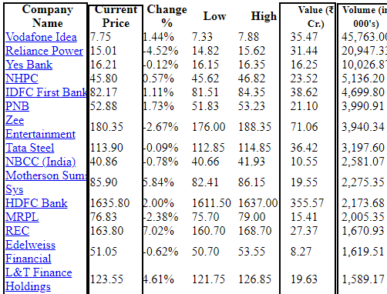
 |  |  |  |  |  | Above is the example of how your html file will look like. You need to scrape the data from the above table given in html file. You need to scrape the data of all the columns which are highlighted with a black box in above image. • You need to scrape Company Name, hyperlink (‘href’ link) of company name, Current Price, Value and Volume for all the companies given in the html page. And make a Dataframe combining all the scraped data using pandas. Your output Dataframe should look like below:
 |  |  |  |  |  | 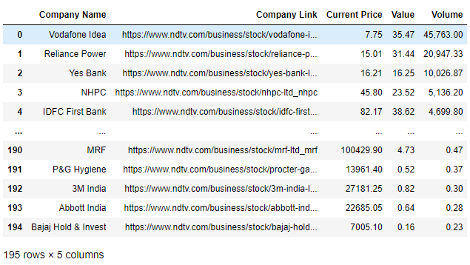
 |  |  |  |  |  | Note: While making a Dataframe store the data of ‘Current Price’ and ‘Value’ Columns in a Float Datatype. After creating a Dataframe, • Check for any Null values, remove rows if any. • Remove Duplicate rows if there are any. • Find and remove outliers from the ‘Current Price’ column. Then make a Simper Linear Regression Model using sklearn library, Where, X=column named ‘Value’ and Y=column named ‘Current Price’. • Use 20% as test size while you split the data. • Find co-efficient and intercept of the model. • Find Mean Squared Error of the model. --> If you are unable to complete the scraping, you can also attempt Linear Regression by using the data from sample image shown in output format as well. Marks will be given accordingly.
355 | 117012491 | 8 | 8 | 355 | Beautiful Soup/ Linear Regression | Part-1: (4 marks) Write a python code to scrape data from the file ‘imdb.html’, the file contains the list of upcoming movies to be released in India in year 2023 and 2024. Scrape the data to get the movie name and year. Create a DataFrame having columns containing movie name and year. Expected Outcome: | Analysing_Essay_Type_20_25_Min |  | 9 | Hard
 |  |  |  |  |  | 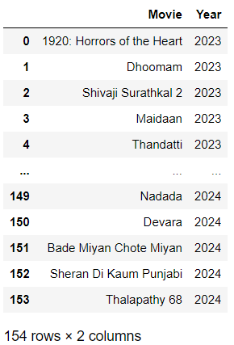
 |  |  |  |  |  | Part-2 (5 marks) The dataset provided in ‘kc_house_data.csv’ contains house sale prices for King County, which includes Seattle. It includes homes sold between May 2014 and May 2015Perform the following tasks : 1) Load the csv to a dataframe named ‘house_survey’. 2) Display the first 5 rows of the dataframe. 3) Drop the columns "id" and "Unnamed: 0" 4) Check all the null values present in all the columns of the dataframe. 5) Fill the missing values of the column 'bedrooms' with the mean of the column. 6) Fill the missing values of the column 'bathrooms' with the mean of the column. 7) Use the Pandas method corr() to find the feature other than price that is most correlated with price and mention your answer as a comment. 8) Fit a linear regression model to predict the 'price' using the list of features: ["floors", "waterfront","lat" ,"bedrooms" ,"sqft_basement" ,"view" ,"bathrooms","sqft_living15" ,"sqft_above","grade","sqft_living"] 9) Consider 30% testing samples and use random state 10. 10) Find the Mean Squared Error.
356 | 117012491 | 8 | 8 | 356 | Beautiful Soup/Web Scraping | Write a python program to extract title, story and links as per given output from file named ‘html1.html’. Required Output: The Dormouse's story Once upon a time there were three little sisters; and their names were Elsie, Lacie and Tillie; and they lived at the bottom of a well. [<a class="sister" href="http://example.com/elsie" id="link1">Elsie</a>, <a class="sister" href="http://example.com/lacie" id="link2">Lacie</a>, <a class="sister" href="http://example.com/tillie" id="link3">Tillie</a>] (Print output wherever required) | Analysing_Essay_Type_20_25_Min |  | 4 | Medium
357 | 117012491 | 8 | 8 | 357 | BeautifulSoup/WebScraping | For the given fakepython html file, write a python program using BeautifulSoup library and perform following tasks - 1. Extract all Python related job titles and print them. 2. Extract all job titles, locations and companies and print them. Example of job title, location and company from fakepython html is given below – | Analysing_Essay_Type_20_25_Min |  | 4 | Medium
 |  |  |  |  |  | 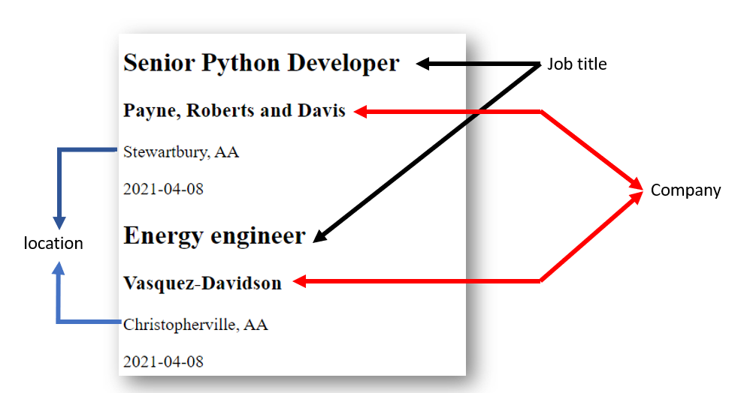
358 | 117012491 | 8 | 8 | 358 | BeautifulSoup/WebScraping | 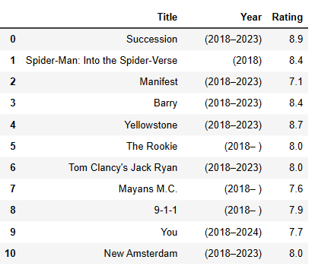 Write a Program of Web scraping using BeautifulSoup to scrape the given data from the given HTML file. In the given HTML file, you’ll find 50 Movies. Scrape the Movie Title, Year and Rating of that particular movie and make a DataFrame of the same. Sample Snippet of Output: | Analysing_Essay_Type_20_25_Min |  | 4 | Hard
359 | 117012491 | 8 | 8 | 359 | SOCKET | Write a Python program to build a UDP localhost host server that accepts a number from client and returns the square of that number to the client. (write server side program only) | Applying-Long_Answer_5_10_Min |  | 4 | Hard
360 | 117012491 | 8 | 8 | 360 | API | Using Open Weather Map API, generate current weather data for Delhi and extract detail of pressure, humidity, sea_level, visibility, timezone, sunset, description, speed. latitude and longitude of delhi is given below: lat= 28.6517178 lon= 77.2219388 API KEY : 9903d45b0c6a6259e1bcd8bb4e3daaec API call: https://api.openweathermap.org/data/2.5/weather?lat={lat}&lon={lon}&appid={API key} | Applying-Descriptive_10_15_Min |  | 4 | Hard
361 | 117012491 | 8 | 8 | 361 | BeautifulSoup/WebScraping | For the given web page “Certified used Mercedes-Benz for sale.html” scrape the dataof car Name, Mileage, Dealer name,Review Count and Price. Create Dataframe for that. Expexted Output of dataframe.head is : Name Mileage Dealer Name Review Count Price 0 2020 Mercedes-Benz CLA 250 Base 4MATIC 28,744 mi. Mercedes-Benz of Lynnwood 130 $35,995 1 2019 Mercedes-Benz AMG GT 53 Base 25,771 mi. International Autos 117 $79,995 2 2021 Mercedes-Benz AMG GLE 53 Base 22,374 mi. John Sisson Motors 38 $80,923 3 2022 Mercedes-Benz AMG CLA 45 Base 4MATIC 10,595 mi. Mercedes-Benz of Santa Rosa 30 $56,633 4 2021 Mercedes-Benz AMG GLE 53 Base 33,622 mi. Mercedes-Benz of Rochester 152 $76,995 | Applying-Descriptive_10_15_Min |  | 5 | Hard
362 | 117012491 | 8 | 8 | 362 | API | Using Open Weather Map API, generate current air pollution data for Delhi and extract detail of “nh3” lat=23.05 lon=14.05 API call request: http://api.openweathermap.org/data/2.5/air_pollution?lat={lat}&lon={lon}&appid={API key} Example of the API response: { "coord":[ 50, 50 ], "list":[ { "dt":1605182400, "main":{ "aqi":500 }, "components":{ "co":201.94053649902344, "no":0.01877197064459324, "no2":0.7711350917816162, "o3":68.66455078125, "so2":0.6407499313354492, "pm2_5":0.5, "pm10":0.540438711643219, "nh3":0.12369127571582794 } } ] } | Applying-Descriptive_10_15_Min |  | 3 | Medium
363 | 117012491 | 8 | 8 | 363 | SOCKET | Write a Python program to build Simple HTTP Server in Python | Applying-Descriptive_10_15_Min |  | 3 | Easy
364 | 117012491 | 8 | 8 | 364 | BeautifulSoup/WebScraping/Machine Learning | To Scrape a Table From the below file using Beautiful Soup and make a data frame and print it. “Today 52 Week Low BSE_NSE Stocks Companies List – Ticker.html” Write a program to create a Model using linear regression to predict the 'Day Low Rs.' using the "price Rs.". Find coefficient, intercept, and mean squared error. Data Frame Output: | Analysing_Essay_Type_20_25_Min |  | 9 | Hard
 |  |  |  |  |  | 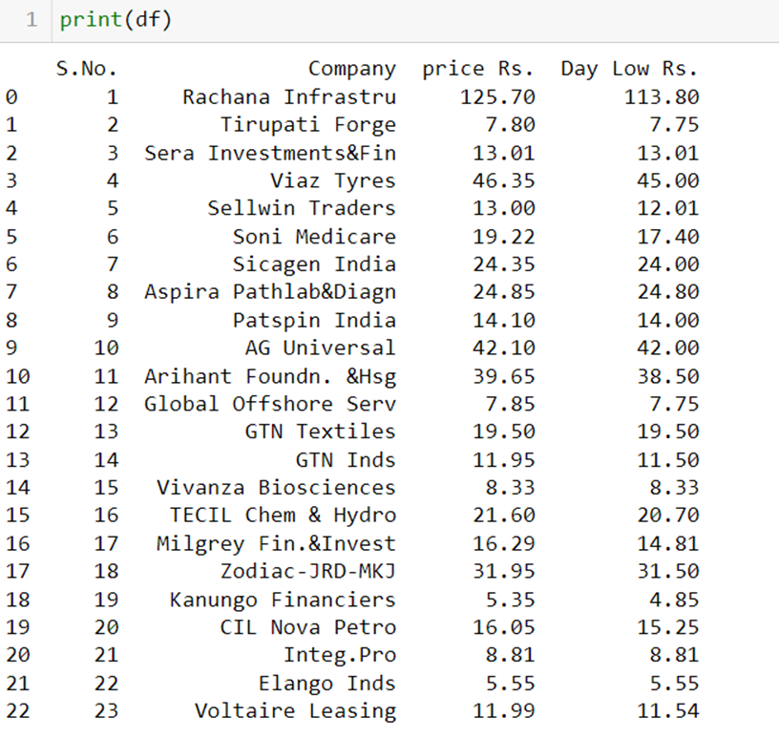
 |  |  |  |  |  | Note: if you are not able to collect the data from web scraping. Make a data frame using a dictionary with a “price Rs.” And “Day Low Rs.”
365 | 117012491 | 9 | 9 | 365 | DJANGO | What is Django used for? | Remembering-Multiple_Choice | C | 1 | Medium |  | Machine learning
366 | 117012491 | 9 | 9 | 366 | DJANGO | What is Django in python? | Remembering-Multiple_Choice | A | 1 | Medium | LJU 2023 | A framework
367 | 117012491 | 9 | 9 | 367 | DJANGO | What is the default database used in Django? | Remembering-Multiple_Choice | B | 1 | Medium |  | Oracle
368 | 117012491 | 9 | 9 | 368 | DJANGO | What is Django's template language used for? | Remembering-Multiple_Choice | C | 1 | Medium |  | Data validation
369 | 117012491 | 9 | 9 | 369 | DJANGO | What is Django's admin app used for? | Understanding-Multiple_Choice | D | 1 | Medium |  | Generating dynamic HTML
370 | 117012491 | 9 | 9 | 370 | DJANGO | How do you run database migrations in Django? | Understanding-Multiple_Choice | A | 1 | Medium | LJU 2023 | python manage.py migrate
371 | 117012491 | 9 | 9 | 371 | DJANGO | What is the purpose of the "urls.py" file in Django? | Understanding-Multiple_Choice | A | 1 | Medium |  | To store the project's URL configurations
372 | 117012491 | 9 | 9 | 372 | DJANGO | How do you make a Django model available for use in the admin interface? | Understanding-Multiple_Choice | A | 1 | Medium |  | By registering the model in the "admin.py" file of the app
373 | 117012491 | 9 | 9 | 373 | DJANGO | What is the purpose of the "views.py" file in Django? | Understanding-Multiple_Choice | D | 1 | Medium |  | To store the project's URL configurations
...
Note: The Practice Book is for reference only, LJU Test paper may not be compulsory set from this
Sr. No. | subject_code | unit_number | chapter_number | group_id | keyword | question_text | type | answer_text | marks | difficulty_level | previous_year | option1 (A)
411 | 117012491 | 10 | 10 | 411 | DJANGO | Build an expense tracker app in Django •Set up your project •create database with user login, signup and logout functionalities •Add data •Design your report by fetching data | Applying-Essay_Type_20_25_Min |  | 9 | Hard
412 | 117012491 | 10 | 10 | 412 | DJANGO | Building a Blog Application using Django Key features of the project - 1. Creating and Retrieving blogs and authentication 2. Only admin can delete the posts 3. Change password and Contact Form | Applying-Essay_Type_20_25_Min |  | 9 | Hard
413 | 117012491 | 10 | 10 | 413 | DJANGO | Creating a Hotel Booking System using Django need to cover following Contents in project: Step 1: Install Django: Step 2: Create a New Django Project: Step 3: Create a New Django App: Step 4: Define Models: Step 5: Register Models: Step 6: Create Views and Templates: Step 7: Create URLs: Step 8: Create Forms: Step 9: Implement User Authentication: Step 10: Create User Registration View: Step 11: Create Navbar Template: Step 12: Integrate Rating System: Step 13: Create Reviews Page: Step 14: Include Navbar and Rating in Templates: Step 15: Handle Bookings and Payments: Step 16: Create superuser | Applying-Essay_Type_20_25_Min |  | 9 | Hard
414 | 117012491 | 10 | 10 | 414 | DJANGO | Building a User Login System for an Online Music Streaming Service In this project, you’ll help Lushlyrics, a leading online music streaming service, enhance the security of its web application. You’ll implement user authentication and authorization, working on a production-level website developed using the Django framework. Your primary goals are to secure the company’s website and create a seamless customer registration and login experience. You’ll develop an alternative version of the Lushlyrics site with signup/login functionality. | Applying-Essay_Type_20_25_Min |  | 9 | Hard
415 | 117012491 | 10 | 10 | 415 | DJANGO | Building an E-learning Platform using Django Create a platform for teachers to upload and schedule - notes, flowcharts, diagrams, videos, presentations, and others. Educators should be allowed to plan, organize, and display the curriculum for upcoming weeks for increased transparency. | Analysing_Essay_Type_20_25_Min |  | 9 | Hard
416 | 117012491 | 10 | 10 | 416 | DJANGO | Creating a Contacts List Web App using Django •Create and deploy a new Django contacts list project •Create a new app in your contacts list project •Understand the model-view concept in Django and create a new view •Create a new model •Register your model in the admin app and access the model via admin •Create a view that displays all contacts data | Applying-Essay_Type_20_25_Min |  | 9 | Hard
417 | 117012491 | 10 | 10 | 417 | DJANGO | Create views for login, signup and logout functionality in views.py file, assuming that you have html files named ‘login.html’, ‘signup.html’ and ‘logout.html’ respectively in templates folder in current app. Assume that form passes post request when login or signup button is pressed. -Following are the required modules, which needs to be imported for this functionality. from django.shortcuts import render from django.contrib.auth.models import User from django.contrib.auth.forms import AuthenticationForm, UserCreationForm from django.contrib.auth import login, logout, authenticate from django.shortcuts import redirect | Applying-Long_Answer_5_10_Min |  | 5 | Hard | LJU 2023
418 | 117012491 | 10 | 10 | 418 | DJANGO | You are tasked with developing a simple Django web application to manage a library's book catalogue. The application should have two model classes, a view function, and necessary variables. Please note that the default code generated when creating a Django project/app is not to be included. Model Classes: 1. Book • Create a model class named Book with the following attributes: • title (CharField): A field for the title of the book, with a maximum length of 100 characters. • author (CharField): A field for the author's name, with a maximum length of 50 characters. | Applying-Long_Answer_5_10_Min |  | 5 | Hard
 |  |  |  |  |  | 2. Borrower • Create another model class named Borrower with the following attributes: • name (CharField): A field for the name of the borrower, with a maximum length of 100 characters. • email (EmailField): A field for the borrower's email address, ensuring it's a valid email format. View Function: Write a view function named list_books that retrieves all books from the database and displays them in a template. Ensure that the template includes the book title, author, and publication year for each book. Styling for HTML code is not required. Necessary Variables: In your Django project settings (settings.py), assume you have configured the database settings correctly with an SQLite database and have created an app named library. Additionally, you can assume that Django's core settings, including the INSTALLED_APPS and URL routing, are properly set up already.
419 | 117012491 | 10 | 10 | 419 | DJANGO | Make a small website project using Django which has following functionality. 1). On the home page of the website, there should be 2 links called Grades and Circulars. 2). If you click on the Grades, you’ll be redirected to a page where a table of marksheet will be displayed by extracting the data from Database stored in Django admin. Also, it should have functionality to search particular grades by passing name in search box. There will also be a link of circulars to redirect the page to circulars page. 3). If you click on a Circulars, the page should redirect to a page where circular will be displayed. There will also be a link of circulars to redirect the page to grades page. -You need to create a project named studentcorner. -You need to create an application called grades, which will contain page number 1 and 2 mentioned above. -You need to create another application called circulars, which will contain page number 3 mentioned above. -Create superuser and keep your roll no. as username and enrollment no. as password. (This is compulsory, otherwise marks will not be given.) Note: Data in the table of grades page needs to be displayed only by extracting it from the database stored in the admin page of your project. Static data in html file will not be considered. The home page should look like: | Analysing_Essay_Type_20_25_Min |  | 9 | Hard
 |  |  |  |  |  | 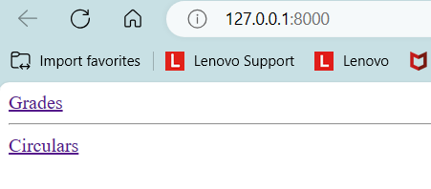
 |  |  |  |  |  | The Grades page should look like if all data are inserted in database:
 |  |  |  |  |  | 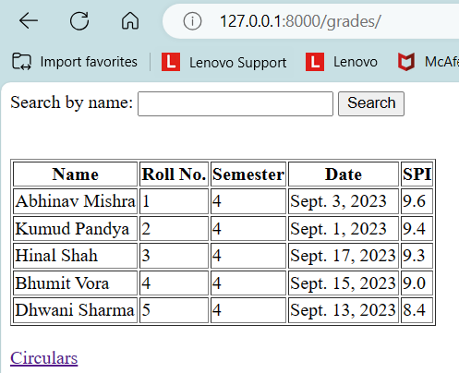
 |  |  |  |  |  | If we search, ‘abh’ in search bar, it should display like below:
 |  |  |  |  |  | 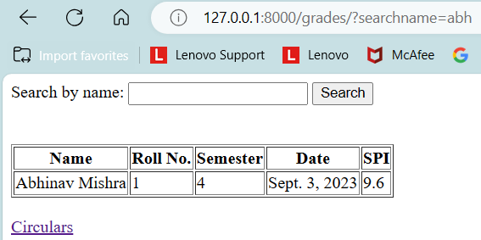
 |  |  |  |  |  | Circular page should look like below:
 |  |  |  |  |  | 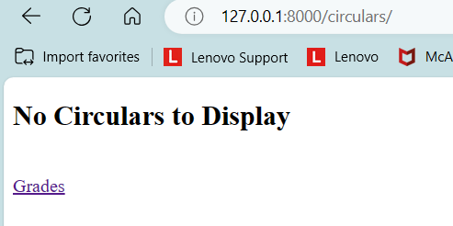
 |  |  |  |  |  | Template for search box and table: <form action=""> <label>Search by name:</label> <input type="search" name="q" /> <button type="submit">Search</button> </form> <table border="1"> <tr> <th> Heading1 </th> <th> Heading2 </th> <th> Heading3 </th> <th> Heading4 </th> <th> Heading5 </th> </tr> <tr> <td> content1 </td> <td> content2 </td> <td> content3 </td> <td> content4 </td> <td> content5 </td> </tr> If you want, you can add multiple rows same way. • No Marks will be given if your local server open with an error, no marks of logic will be given.
420 | 117012491 | 10 | 10 | 420 | DJANGO | Create a Python Django Project with your firstname, lastname, div and roll no. For example: Suppose your firstname is Chetan, lastname is Yadav, div is C8 and roll no. is 125 Hence the folder name formed should be : ChetanYadavC8125 The above example is an example you consider your example Follow the following steps: 1. Create an app called findmovie. This includes all steps like registering the new app and running the server. 2. Create a model named Movie with attributes title, year, description and director where title, description and director are character fields and year is an integer field. The maximum length of title, description and director are 100, 250 and 100 respectively. Migrate all sqlite tables. 3. Create a superuser with your RollNo like 125 and password should be lju123456. 4. Login to Django Admin Portal with this user and enter the following data in the Movie table: | Analysing_Essay_Type_20_25_Min |  | 10 | Hard
 |  |  |  |  |  | 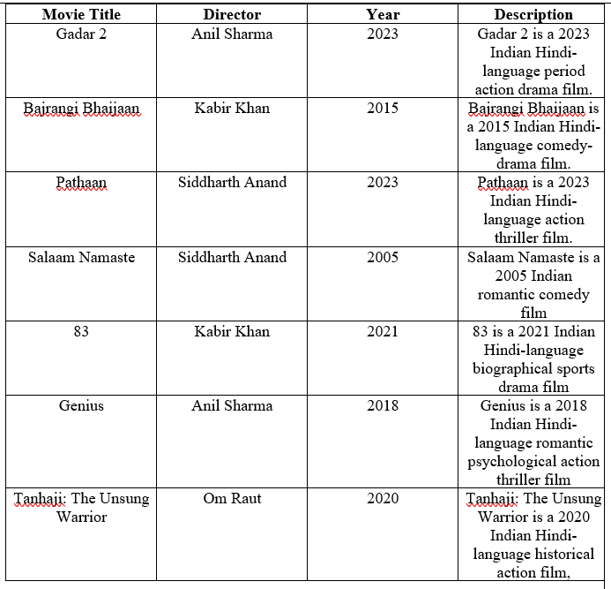

 |  |  |  |  |  | 5. On the home page, display the following HTML form in a file named moviefind.html: <h1> Home Page </h1> <form> <label>Title</label><br> <input type="text" name="title"><br> <label>Year</label><br> <input type="text" name="year"><br> <label>Director</label><br> <input type="text" name="director"><br> <button type='submit'> Submit </button> </form> This includes all like creating url for home page. 6. Make necessary adjustments to your code to let the user search for movie from this table by filling the HTML form. Filter your data on the basis for what the user filled in the HTML Form. Assume that the user will fill at least one field from the HTML form. And you can keep upto two fields in the form empty. Display the filtered movie data on your home page, below the form.
421 | 117012491 | 10 | 10 | 421 | DJANGO | You are required to develop a Django web application focused on cricket that includes the following features: 1. Cricket Database: • Create a Django project named ‘cricstats’ with a small database to manage information about cricket players. • The database should include the following fields for each player: • Player Name (CharField) • Country (CharField) • Batting Style (CharField) • Bowling Style (CharField) • Age (IntegerField) • Runs Scored (IntegerField) • Wickets Taken (IntegerField) | Analysing_Essay_Type_20_25_Min |  | 10 | Hard

 |  |  |  |  |  | • Utilize the Django admin panel to set up and manage this database. Your Django admin should enable you to add, edit, and delete player entries. • The username should clearly be your roll no with password as ljiet123, e.g. your Roll no is 200, the username should be 200 and password should be ljiet123. 2. Web Pages: • Design a web application with multiple pages. Your application should include at least three primary pages: • Homepage: This page should display a list of cricket players from the database. Each player's entry should display their name. • Player Detail Page: When a user clicks on a player's name on the homepage, they should be directed to a detailed page that showcases all information about the selected player, including their name, country, batting style, bowling style, age, runs scored, and wickets taken. • Add Player Page: Create a form page that allows users to add new cricket players to the database. The form should include fields for all player attributes. • Add 2 players through this Add Player page. • Implement navigation links or a menu bar for easy access to these pages.
422 | 117012491 | 10 | 10 | 422 | DJANGO | For a Django project, create an application which enables the user to signup and login to access the dashboard, with ability to logout of the account. The detailed steps to be followed are as below – 1. Create a Django project called authedemoproject. 2. Create an app ‘accounts’ for the project. 3. Create views for handling signup, login, logout and dashboard for the accounts app importing following libraries (from django.contrib.auth.forms import UserCreationForm from django.contrib.auth import login, logout, authenticate from django.shortcuts import render, redirect) 4. Create necessary accounts app templates to render the views. Below are the required output snaps of different urls of the project - • The user must signup and login to redirect to the dashboard page. #accounts/signup.html | Analysing_Essay_Type_20_25_Min |  | 10 | Hard
 |  |  |  |  |  | 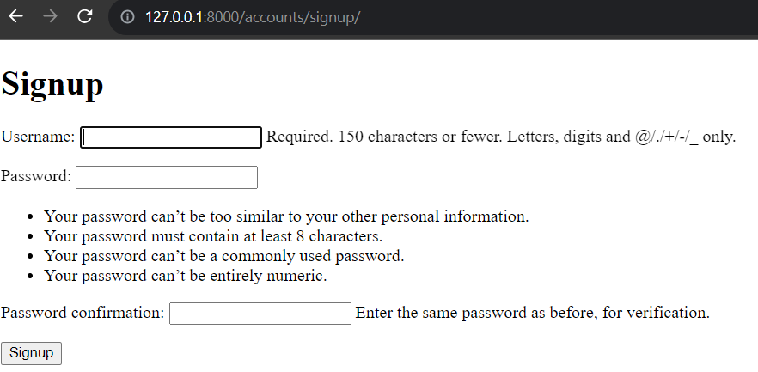
 |  |  |  |  |  | 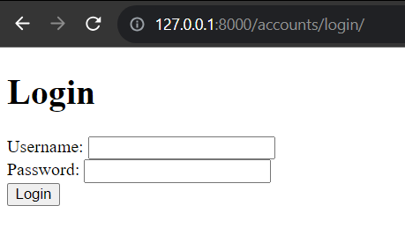
 |  |  |  |  |  | 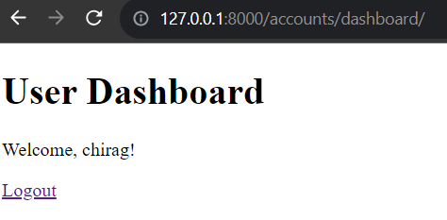 • The dashboard page must have a link to logout page. • The dashboard must dynamically render the username with welcome message as shown below -
 |  |  |  |  |  | 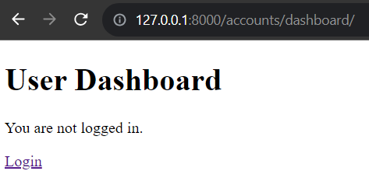 - Accessing the dashboard without logging in must render following template –
 |  |  |  |  |  | 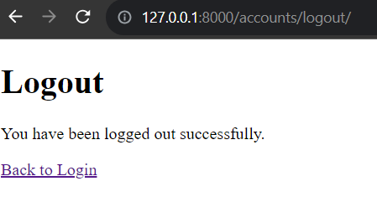 • The logout page must have a link to login page. # accounts/logout.html 5. Setup applevel and project level urls to handle signup, login, logout and dashboard.
423 | 117012491 | 10 | 10 | 423 | DJANGO | Create signupaccount function in views.py file in accounts app in django project named movieproject for signup functionality. There is signupaccount.html file in templates folder of accounts app for signup. After signup it should redirect to home page. views.py from django.shortcuts import render # Create your views here. …………………………. | Analysing_Essay_Type_20_25_Min |  | 3 | Medium
424 | 117012491 | 10 | 10 | 424 | DJANGO | Create urls.py file in accounts app in Django project named movieproject. Different Path available for url file are signup, login and logout with functions available in views.py as signupaccount, loginaccount and logoutaccount respectively. urls.py from django.urls import path ……………………………… | Analysing_Essay_Type_20_25_Min |  | 3 | Medium
425 | 117012491 | 10 | 10 | 425 | DJANGO |  Create a Python Django Project with your firstname and lastname and follow the following steps: 1. Create an app called findmusic. 2. On the home page, display the following HTML form in a file name musicfind.html: <form> <h1> Welcome </h1> <h2> Let's search your Music </h2> <input id="song" class="input" type="text" placeholder=" "/> <label for="song"> Song </label> <input id="artist" type="text" placeholder=" "/> <label for="artist"> Artist </label> <input id="year" type="text" placeholder=" "/> <label for="year"> Year </label> <input id="album" type="text" placeholder=" "/> <label for="album"> Album </label> <button type="submit"> Submit </button> </form> 3. Create a model named Music with attributes song,artist,year and album where song,artist and album are text fields and year is a numeric field. 4. Migrate all the sqlite tables. 5. Create a superuser with your enrollment number last 4 digit as the username and password django123456 6. Log into the Django Admin Portal with this user and enter the following data in the Music Table | Analysing_Essay_Type_20_25_Min |  | 9 | Hard

426 | 117012491 | 10 | 10 | 426 | DJANGO | Build a Django project using following guidelines. Write code for the following task: 1.Create a Django Project: Name of project is myproject 2.Create a Django App: Name of app is myapp 3. Define a Model: In myapp/models.py, define a simple model using name and description of project. 4. Create Migrations and Apply Them: 5. Create an Admin Interface: In myapp/admin.py, register your model to make it accessible in the Django admin interface: 6. Create Views and Templates: Create views in myapp/views.py and templates in myapp/templates/ to handle the display of your data. 7. Define URL Patterns: In myapp/urls.py, define URL patterns to map to your views. 8. Include App URLs in Project URLs: In myproject/urls.py, include the app's URL patterns. 9. Run the Development Server: | Applying-Long_Answer_5_10_Min |  | 5 | Medium
427 | 117012491 | 10 | 10 | 427 | DJANGO | Creating a Django project to display data of cricket players as shown in table. Use the Django admin panel to add cricket player data. No need to display data of cricket players in table format only. You can display data of cricket players in any layout. Name of project should be CricketPlayers Name of app should be players Username and password should be LJENG | Analysing_Essay_Type_20_25_Min |  | 10 | Hard
 |  |  |  |  |  | 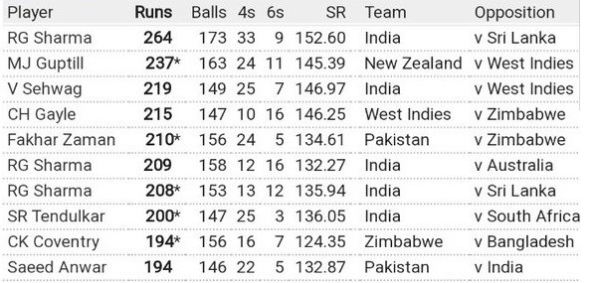
428 | 117012491 | 10 | 10 | 428 | DJANGO | • Create python Django project with name ‘musicproject’ • Create an app called musicapp • On homepage it will display songs list entered from admin portal. • Create home.html file in musicapp. • Code for home.html <body> <h1>Music</h1> <h3>Enter Song </h3> <form action="" > <label for="song">Song:</label> <input type="text" name=" " ><br><br> <button type="submit" >Search</button> </form> </body> • Create base.html file in musicproject. • Code for base.html <!DOCTYPE html> <html> <head> <title>Music</title> </head> </html> • Extends base.html file in to home html file. • Create model named Music with attributes song, artist, year. • Create super user with your enrollment number and password will be your roll number.(it is compulsory) • Log in to the django admin portal with this user and Enter the following data in Music table. • Make necessary adjustment to your code to let user search for song from this database by song title on home page. song artist year Ud jaa kale kawa Alka Yagnik, Udit Narayan 2023 Dilwale Dulhania Le Jayenge Lata Mangeshkar; S. P. Balasubraman 1995 All Izz Well Sonu Nigam 2009 Radha kaise na jale Asha bhosle 2001 Dil To Pagal Hai Lata Mangeshkar 1997 | Applying-Long_Answer_5_10_Min |  | 9 | Medium

429 | 117012491 | 10 | 10 | 429 | DJANGO | Make a small website project using Django which has the following functionality. | Applying-Long_Answer_5_10_Min |  | 10 | Hard | LJU 2023
 |  |  |  |  |  | 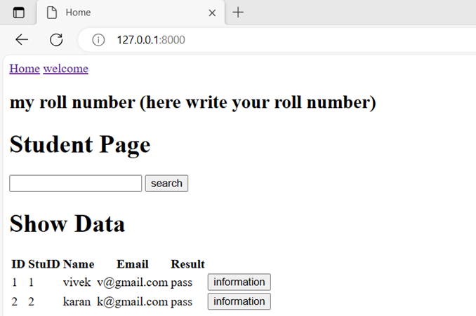
 |  |  |  |  |  | EXPLAIN
 |  |  |  |  |  | 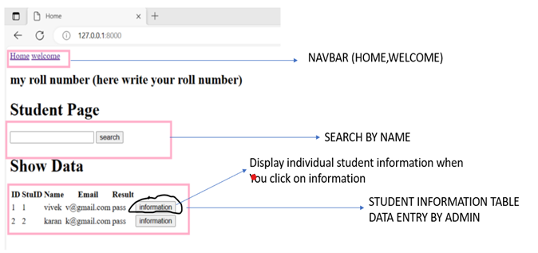
 |  |  |  |  |  | 1). On the home page of the website, there should be a navbar with a home and welcome link 2). If you click on the welcome, you’ll be redirected to a page where you write I AM STUDENT
 |  |  |  |  |  | 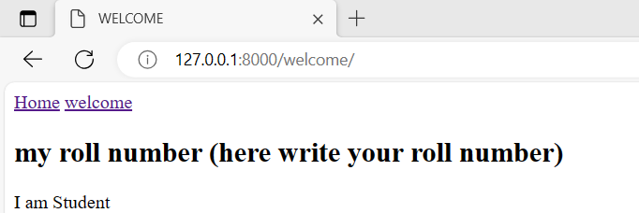
 |  |  |  |  |  | 3). If you click on a Home, the page should redirect to a page where student data will be displayed. There will also be a (dynamic URL)link to information to redirect the page to the information page. -You need to create a project named project -You need to create an application called roll, -You need to create 4 function-based views: 1. student_search: It should have the functionality to search for a particular name by passing a name in the search box. If the student's name was not on the list then NO DATA
 |  |  |  |  |  | 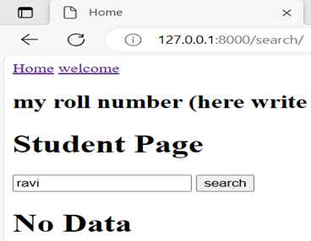
 |  |  |  |  |  | 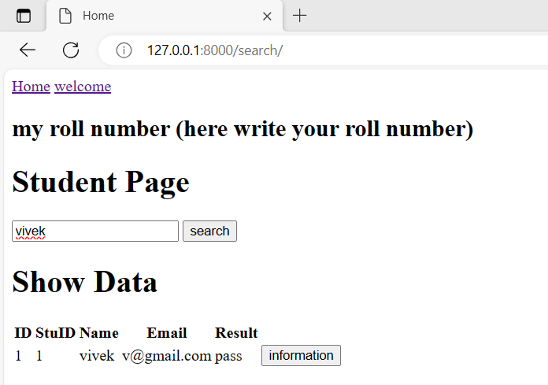
 |  |  |  |  |  | 2. Studentinfo: Display the student table on a home page. For data entry use Django administration.

 |  |  |  |  |  | 3. welcome: Display the I AM STUDENT

 |  |  |  |  |  | 4. stuinformation: Display individual student information
 |  |  |  |  |  | 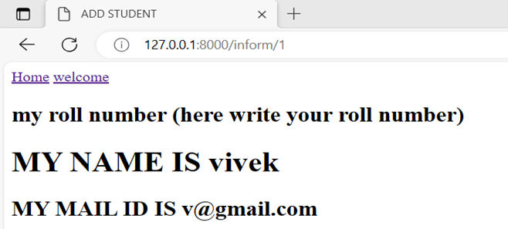
 |  |  |  |  |  | -Create superuser and keep your roll no. as username and enrollment no. as password. (This is compulsory, otherwise marks will not be given.) Template for search box and table(only for your reference): <form action="" method=” ”> <input type="textbox" name="" /> <input type=”submit” name= “”> </form> <table > <tr> <th> Heading1 </th> <th> Heading2 </th> <th> Heading3 </th> <th> Heading4 </th> <th> Heading5 </th> </tr> <tr> <td> content1 </td> <td> content2 </td> <td> content3 </td> <td> content4 </td> <td> content5 </td> </tr>

