0. Instructions
Budget 2024
0. Instructions

General: | Yellow fields are input fields
 | Each Worksheet contains a Documentation area, providing additional information and references for filling the Booklet

1. Information about Analysis for Office & SAC

 | https://vitesco.sharepoint.com/:f:/r/teams/team_10049672/Shared%20Documents/General/Internal%20Trainings?csf=1&web=1&e=V0rKTD

2. Establish a connection to the RACE system via "Analysis for Office" and refresh the Queries within the workbook by filling in the relevant variants for your Plant - Outlet Combination

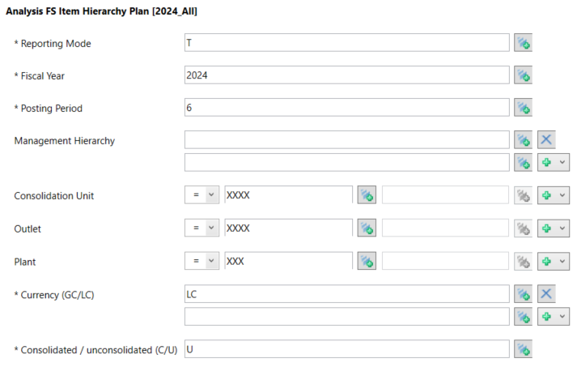

Analysis FS Item Hierarchy Plan [2024_All]
Fiscal Year: 2024
Posting Period: 6
Input Cons Unit (GER: please include CU 1524)
Input Outlet (in case of split to new Electrification Outlet, put both Outlets)
Input Plant
Currency: LC
Unconsolidated
-> Data is used for ACT & FC & BUD columns
-> Data is used for BS, P&L, CO-Items (HC & PMME)

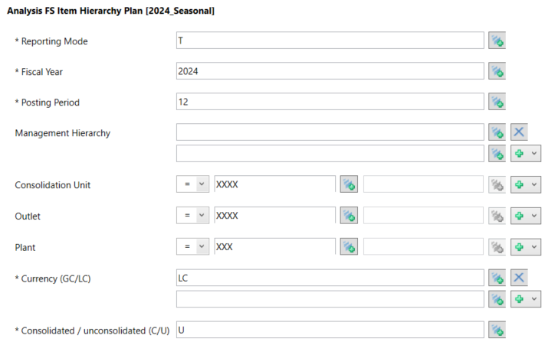

Analysis FS Item Hierarchy Plan [2024_Seasonal]
Fiscal Year: 2024
Posting Period: 12
Input Cons Unit (GER: please include CU 1524)
Input Outlet (in case of split to new Electrification Outlet, put both Outlets)
Input Plant
Currency: LC
Unconsolidated
-> Data is used for seasonalized BUD
-> Data is used for scrap/start-up, fix cost, Inventory & BS Key Figures

3. Worksheets "P&L", "P&L_seasonal", "KeyData" and "KeyData_seasonal" will be automatically populated with the RACE data for your selection.

4. Go to worksheet "Input-FX Rates" and make the selections for Plant and Outlet from the drop-down lists in the yellow fields.

5. Make the input in all relevant fields within the Booklet and distribute according to Planning Letter 2024.

