Executive Dashboard
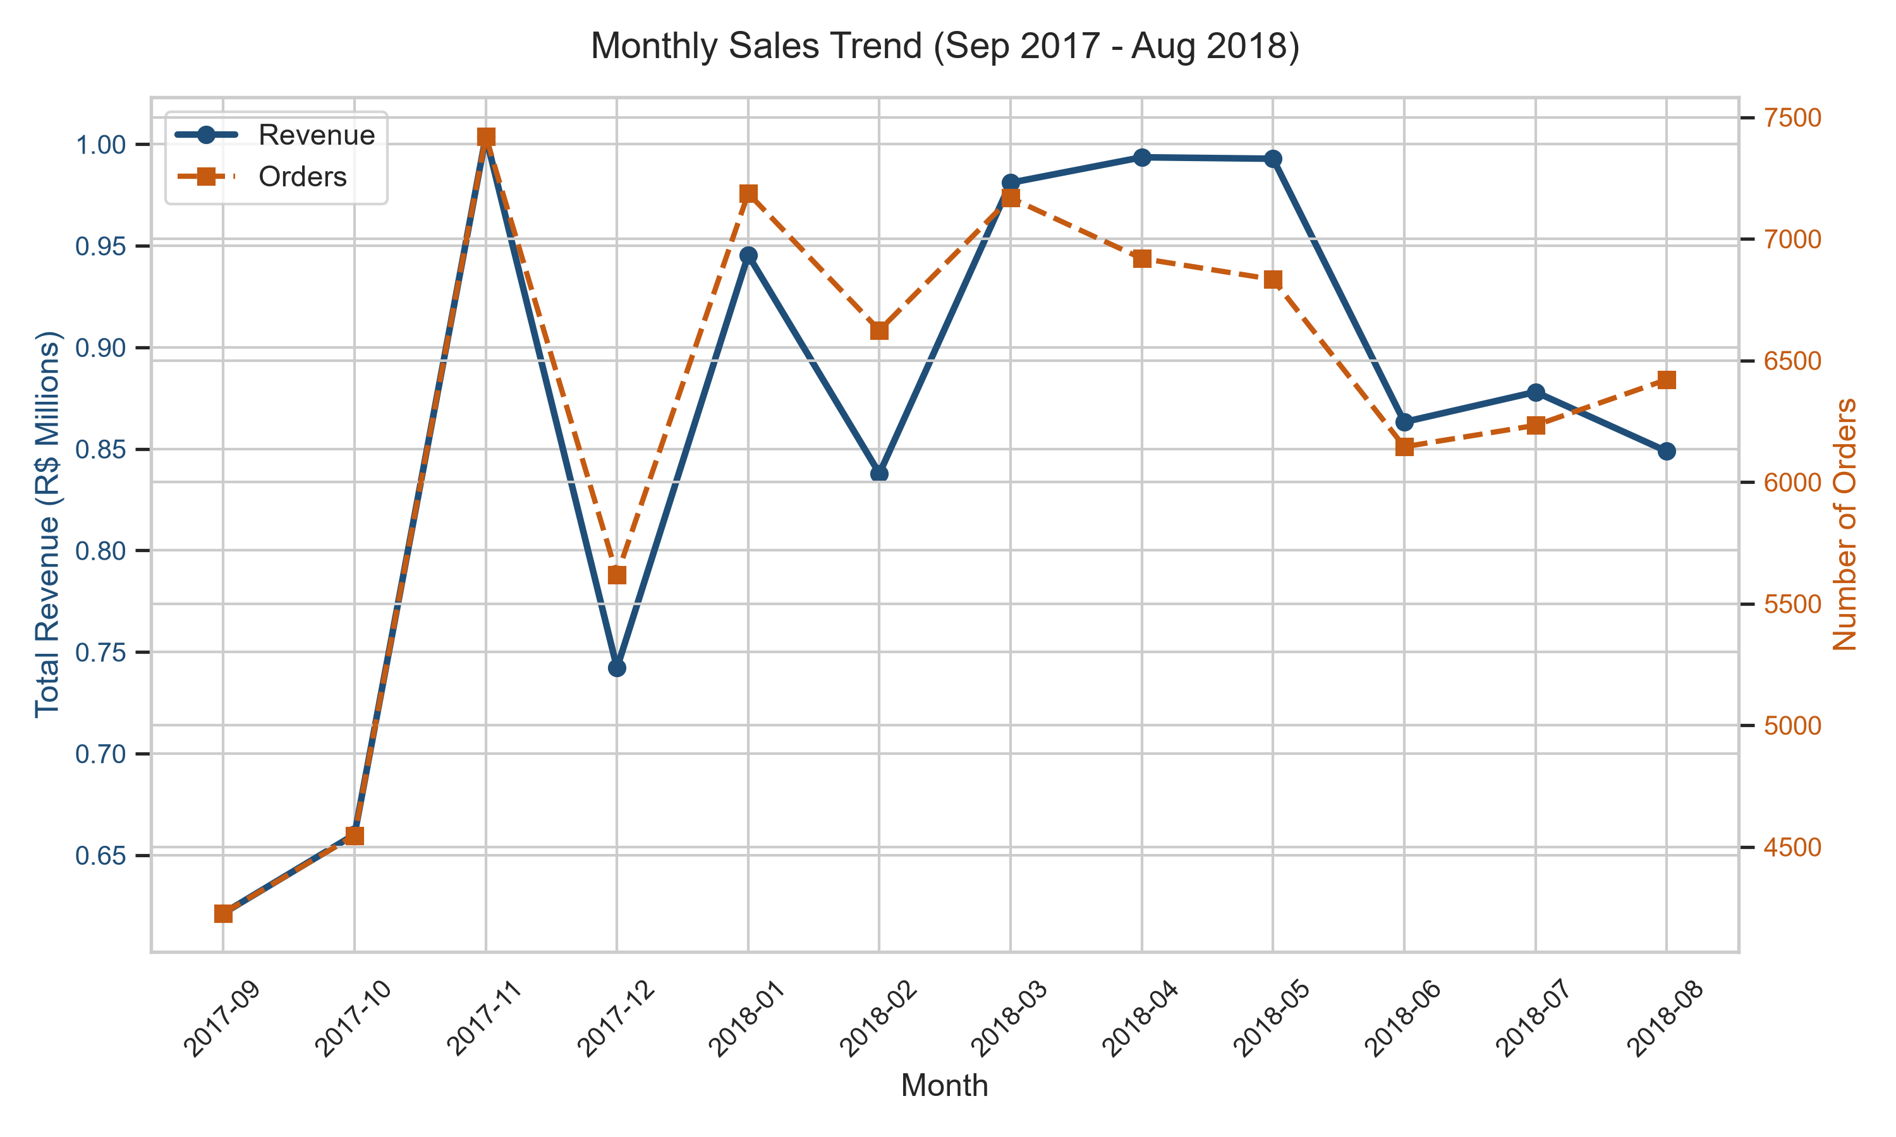
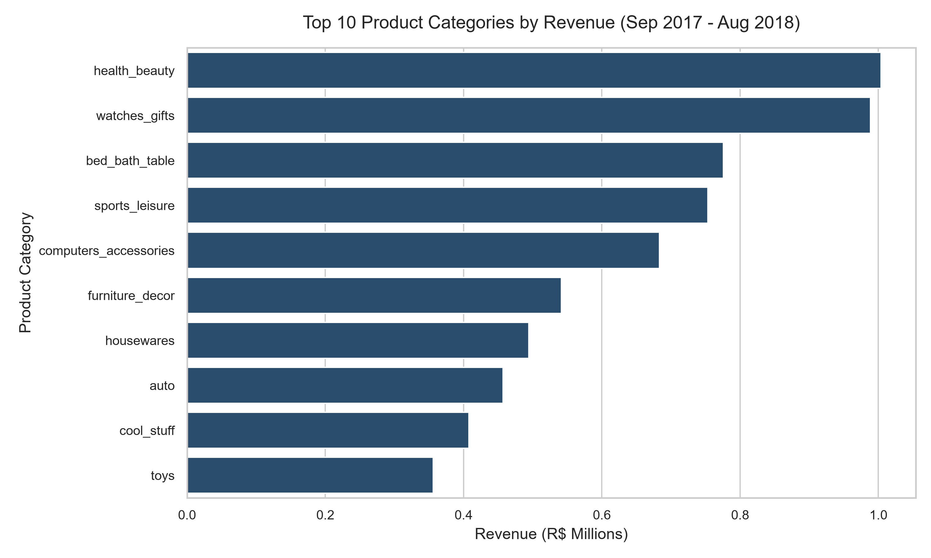
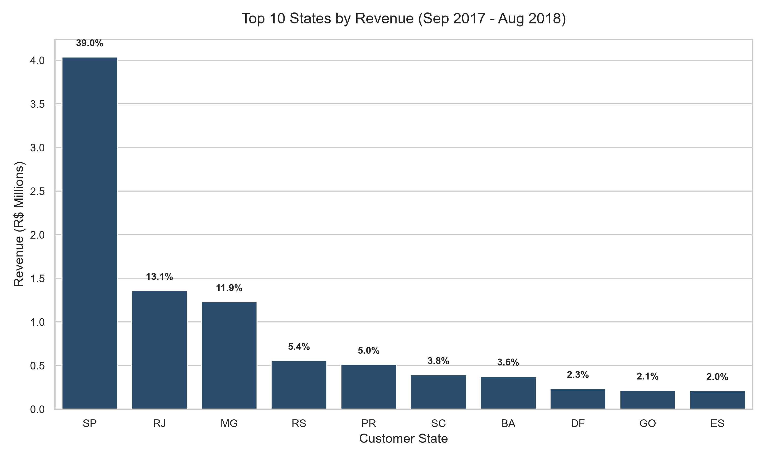
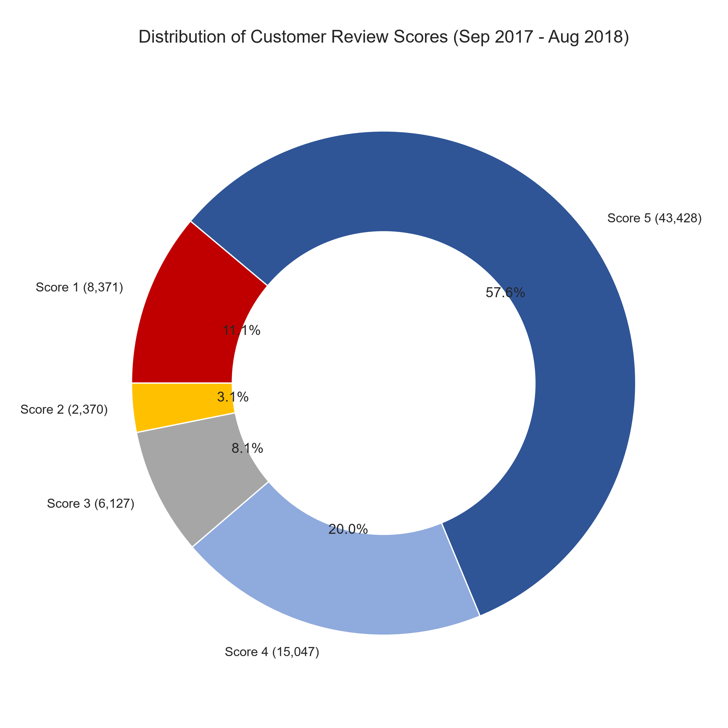
OLIST E-COMMERCE EXECUTIVE PERFORMANCE DASHBOARD

Analysis Period: September 2017 – August 2018 (12 Months of Sales Data)

TOTAL REVENUE |  |  | TOTAL ORDERS |  | AVG ORDER VALUE (AOV) |  | TOP PRODUCT CATEGORY |  |  | PEAK SALES MONTH
R$ 10,368,678.87 |  |  | 75,343 |  | R$ 137.62 |  | Health Beauty |  |  | 2017-11
Gross product sales |  |  | Completed orders count |  | Revenue per order |  | R$ 1,003,687.59 sales |  |  | R$ 1,003,862.14 revenue

PERFORMANCE ANALYSIS TABLES

Month | Revenue | Orders | AOV | Top Category | Revenue | % Share | State | Revenue | % Share |  | Review Score | Orders | % Share
2017-09 | R$621,415.91 | 4,227 | R$147.01 | Health Beauty | R$1,003,687.59 |  | SP | R$4,039,060.25 |  |  | 1 Stars | 8,371
2017-10 | R$660,179.62 | 4,547 | R$145.19 | Watches Gifts | R$988,540.53 |  | RJ | R$1,360,085.21 |  |  | 2 Stars | 2,370
2017-11 | R$1,003,862.14 | 7,421 | R$135.27 | Bed Bath Table | R$775,863.83 |  | MG | R$1,231,688.88 |  |  | 3 Stars | 6,127
2017-12 | R$742,183.79 | 5,618 | R$132.11 | Sports Leisure | R$753,132.02 |  | RS | R$558,295.63 |  |  | 4 Stars | 15,047
2018-01 | R$945,456.29 | 7,187 | R$131.55 | Computers Accessories | R$683,284.02 |  | PR | R$513,418.87 |  |  | 5 Stars | 43,428
2018-02 | R$837,895.43 | 6,624 | R$126.49 | Furniture Decor | R$541,283.13 |  | SC | R$395,163.08 |  |  | Total
2018-03 | R$981,051.06 | 7,168 | R$136.87 | Housewares | R$494,406.12 |  | BA | R$378,349.99
2018-04 | R$993,592.98 | 6,919 | R$143.60 | Auto | R$456,899.42 |  | DF | R$236,500.73
2018-05 | R$992,871.75 | 6,833 | R$145.31 | Cool Stuff | R$407,776.77 |  | GO | R$217,772.22
2018-06 | R$863,265.53 | 6,145 | R$140.48 | Toys | R$355,999.03 |  | ES | R$212,350.51
2018-07 | R$878,044.27 | 6,233 | R$140.87 | Top 10 Total |  |  | Top 10 Total
2018-08 | R$848,860.10 | 6,421 | R$132.20
Total/Average

PERFORMANCE VISUALISATIONS & CHARTS

