Reference Tables
Alt+F11 to open VBE
F9 to see value of cells in function
https://www.ablebits.com/office-addins-blog/2018/05/16/how-to-superscript-subscript-excel/
https://en.wikipedia.org/wiki/Arrow_(symbol) |  |  |  |  |  |  |  | Temp Conversions 1˚C =
 |  |  |  |  |  |  |  | Kelvin |  | 273.15 | ˚C+273.15 = ˚K
Common Molar Masses |  |  |  |  |  |  |  | Fahrenheit |  | 33.8 | (˚C*(9/5))+32 = ˚F
Water |  | H2O | 18.01528 | Thermodynamic Properties of Pure Substances
Oxygen |  | O2 | 31.9988 | Looks for an exact match. |  |  |  | name | symbol | meaning | name | symbol | meaning
Carbon Dioxide |  | CO2 | 44.0095 | Must enter space between compound and phase. |  |  |  | deca | da | 10^1 | deci | d | 10^-1
Propane |  | C3H8 | 44.09562 | HBr (g) | gf | -53.4 |  | hecto | h | 10^2 | centi | c | 10^-2
Butane |  | C4H10 | 58.1222 | substance | Hf (kJ/mol) | Gf (kJ/mol) | S (J/mol·K) | kilo | k | 10^3 | milli | m | 10^-3
 |  |  |  | Aluminum |  |  |  | mega | M | 10^6 | micro | µ | 10^-6
Molar Mass Table |  |  |  | Al3+ (aq) | --- | -485 | --- | giga | G | 10^9 | nano | n | 10^-9
Any time molar mass is needed enter in the cell "=Element*Coefficient+NextElement*Coefficient…" |  |  |  | Al (s) | 0 | 0 | 28.3 | tera | T | 10^12 | pico | p | 10^-12
 |  |  |  | Al2O3 (s) | -1675.7 | -1582.3 | 50.9 | peta | P | 10^15 | femto | f | 10^-15
This works anywhere in this workbook and is referenced from the table below |  |  |  | Al(OH)3 (s) | --- | -1147.25 | --- | exa | E | 10^18 | atto | a | 10^-18
 |  |  |  | Bromine |  |  |  | zetta | Z | 10^21 | zepto | z | 10^-21
 | Element | Da |  | Br- (aq) | --- | -104 | --- | yotta | Y | 10^24 | yocto | y | 10^-24
 | H | 1.00794 |  | Br2 (l) | 0 | 0 | 152.2
 | He | 4.002602 |  | Br2 (g) | 30.9 | 3.1 | 245.5 | constant |  |  |  |  | usual symbol |  | value
 | Li | 6.941 |  | HBr (g) | -36.3 | -53.4 | 198.7 | Avogadro number |  |  |  |  | NA |  | 6.02214×1023 |  |  | 6.02214E+23
 | Be | 9.012182 |  | Calcium |  |  |  | Universal Gas R for Pa and m3 |  |  |  |  | R |  | 0.0820574 L·atm mol-1·K-1 |  |  | 8.3145
 | B | 10.811 |  | Ca2+ (aq) | --- | -553.6 | --- | Universal Gas R for atm and L |  |  |  |  |  |  | 8.31446 J·mol-1·K-1 |  |  | 0.08206
 | C_ | 12.0107 | Note Carbon must be entered as "C_" | CaCl2 (s) | -795.4 | --- | --- | speed of light in vacuum |  |  |  |  | c |  | 299792458 m·s-1(exactly) |  |  | 299792458
 | N | 14.0067 |  | CaO (s) | -634.9 | --- | --- | Planck constant |  |  |  |  | h |  | 6.62607×10-34 J·s |  |  | 6.62607E-34
 | O | 15.9994 |  | Ca(OH)2 (s) | -985.2 | --- | --- | Rydberg energy |  |  |  |  | Ry |  | 2.17987×10-18 J |  |  | 2.17987E-18
 | F | 18.9984032 |  | Ca3(PO4)2 (s) | --- | -3884.7 | --- | Boltzmann constant |  |  |  |  | kB |  | 1.38065×10-23 J·K-1 |  |  | 1.38064852E-23
 | Ne | 20.1797 |  | Carbon |  |  |  | elementary charge |  |  |  |  | e |  | 1.60218×10-19 C |  |  | 1.60218E-19
 | Na | 22.98976928 |  | C (s) | 0 | 0 | 5.7 | mass of electron |  |  |  |  | me |  | 9.10938×10-31 kg |  |  | 9.10938E-31
 | Mg | 24.305 |  | CCl4 (g) | -95.7 | -64 | 309.4 | atomic mass unit |  |  |  |  | u |  | 1.66054×10-27 kg |  |  | 1.66054E-27
 | Al | 26.9815386 |  | CCl4 (l) | -128.2 | -68.6 | 214.4 | standard acceleration due to Earth's gravity |  |  |  |  | g |  | 9.80665 m·s-2(exactly) |  |  | 9.80665
 | Si | 28.0855 |  | CCl4 (s) | -136.8 | --- | --- | ion product of water |  |  |  |  | Kw |  | 1.01158×10-14 M2 |  |  | 1.01158E-14
 | P | 30.973762 |  | CH4 (g) | -74.6 | -50.5 | 186.3 | Faraday constant |  |  |  |  | F |  | 96485.3 C·mol-1 |  |  | 96485.3
 | S | 32.065 |  | C2H2 (g) | 227.4 | --- | --- | Coulomb constant |  |  |  |  | k |  | 8.98755×109 N·m2·C-2 |  |  | 8987550000
 | Cl | 35.453 |  | C2H6 (g) | -84 | --- | --- | permittivity of free space |  |  |  |  | ε0 |  | 8.85419×10-12 N-1·m-2·C2 |  |  | 8.85419E-12
 | Ar | 39.948 |  | C3H8 (g) | -103.85 | -23.4 | 270.3
 | K | 39.0983 |  | C4H10 (g) | -125.7 | -15.7 | 310 | Formula | Ksp |  |  | Non-Polar
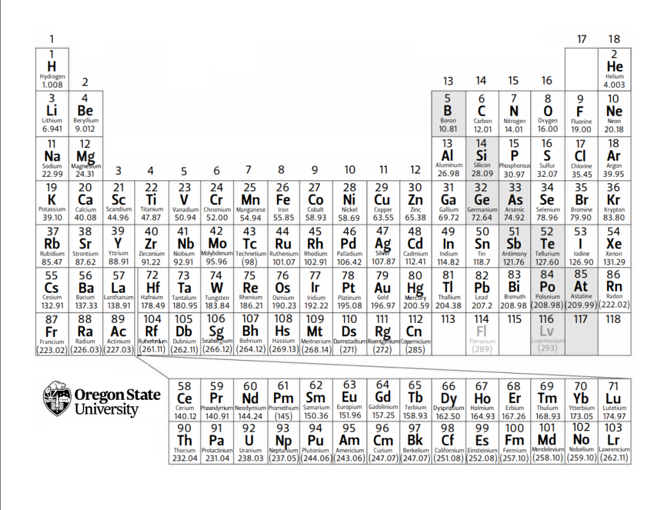
Increasing Electronegativity
 | Ca | 40.078 |  | C4H10 (l) | -147.3 | -15 | 231 | BaCrO4 | 1.17E-10 |  |  | Single Elements
 | Sc | 44.955912 |  | C6H6 (l) | 49.1 | 124.5 | 173.4 | BaSO4 | 1.08E-10 |  |  | Only C and H
 | Ti | 47.867 |  | C6H6 (g) | 82.9 | 129.7 | 269.2 | CaCO3 | 3.36E-09 |  |  | Geometrical Symmetry
Decreasing Electronegativity
 | V | 50.9415 |  | CH3OH (l) | -239.2 | -166.6 | 126.8 | CaF2 | 3.45E-11
 | Cr | 51.9961 |  | CH3OH (g) | -201 | -162.3 | 239.9 | Co(OH)2 | 5.92E-15 |  |  | Polarity:
 | Mn | 54.938045 |  | (CH3)2(CH2)2O (l) | -279.5 | -346.74 | 253.5 | CuBr | 6.27E-09 |  |  | Difference in Electronegativity > 0.5
 | Fe | 55.845 |  | C6H12O6 (s) | -1237.3 | -910.4 | 212.1 | CuCO3 | 1.40E-10 |  |  | Geometrical Asymmetry
 | Co | 58.933195 |  | CO (g) | -110.5 | -137.2 | 197.7 | Fe(OH)2 | 4.87E-17 |  |  | Hydrogen Bonding: FON
 | Ni | 58.6934 |  | CO2 (g) | -393.5 | -394.4 | 213.8 | PbCO3 | 7.40E-14
 | Cu | 63.546 |  | C2H5OH (l) | -277.6 | -174.8 | 160.7 | PbCrO4 | 2.80E-13
 | Zn | 65.38 |  | C2H5OH (g) | -234.8 | -167.9 | 281.6 | PbF2 | 3.30E-08
 | Ga | 69.723 |  | HCH3CO2 (l) | -484.3 | -389.9 | 159.8 | Mg(OH)2 | 5.61E-12
 | Ge | 72.63 |  | HCH3CO2 (s) | -472.8 | --- | --- | Ni(OH)2 | 5.48E-16
 | As | 74.922 |  | HCH3CO2 (g) | -432.2 | --- | 283.5 | AgBrO3 | 5.38E-05
 | Se | 78.963 |  | HCN (l) | 108.9 | 125 | 112.8 | Ag2CO3 | 8.46E-12
 | Br | 79.904 |  | HCN (g) | 135.1 | 124.7 | 201.8 | AgCl | 1.77E-10
 | Kr | 83.798 |  | CS2 (s) | 93.8 | --- | --- | Ag2CrO4 | 1.12E-12
 | Rb | 85.468 |  | CS2 (l) | 89 | 64.6 | 151.3 | SrCO3 | 5.60E-10
 | Sr | 87.62 |  | CS2 (g) | 116.7 | 67.1 | 237.8 | ZnCO3 | 1.46E-10
 | Y | 88.906 |  | Chlorine |  |  |  | Zn(OH)2 | 3.00E-17
 | Zr | 91.2224 |  | Cl2 (g) | 0 | 0 | 223.1 | AgBr | 5.35E-13
 | Nb | 92.906 |  | Cl- (aq) | --- | -131.2 | --- | AuCl | 1.77E-10
 | Mo | 95.96 |  | HCl (aq) | -167 | --- | ---
 | Tc | 97.91 |  | HCl (g) | -92.3 | -95.3 | 186.9 | Standard Reaction Potentials at 25°C in Alphabetical Order
 | Ru | 101.07 |  | Chromium |  |  |  | Half-Reaction |  |  |  |  | E° (V)
 | Rh | 102.91 |  | CrO42- (aq) | --- | -727.8 | --- | sc |  |  |  |  | -2.077
 | Pd | 106.42 |  | Fluorine |  |  |  | H2O2 (aq) + 2H+ (aq) + 2e− → 2H2O (l) |  |  |  |  | 1.77
 | Ag | 107.8682 |  | F2 (g) | 0 | 0 | 202.8 | Ag+ (aq) + e− → Ag (s) |  |  |  |  | 0.7996
 | Cd | 112.411 |  | HF (g) | -273.3 | -275.4 | 173.8 | Al3+ (aq) + 3e− → Al (s) |  |  |  |  | -1.676
 | In | 114.82 |  | Hydrogen |  |  |  | Au+ (aq) + e− → Au (s) |  |  |  |  | 1.692
 | Sn | 118.71 |  | H2 (g) | 0 | 0 | 130.7 | Au3+ (aq) + 3e− → Au (s) |  |  |  |  | 1.498
 | Sb | 121.76 |  | Iron |  |  |  | Ba2+ (aq) + 2e− → Ba (s) |  |  |  |  | -2.912
 | Te | 127.6 |  | Fe (s) | 0 | 0 | 27.3 | Br2 (l) + 2e− → 2Br− (aq) |  |  |  |  | 1.066
 | I | 126.90447 |  | FeCl3 (s) | -399.5 | -334 | 142.3 | Ca2+ (aq) + 2e− → Ca (s) |  |  |  |  | -2.868
 | Xe | 131.29 |  | Fe2O3 (s) | -824.2 | -742.2 | 87.4 | Cl2 (g) + 2e− → 2Cl− (aq) |  |  |  |  | 1.35827
 | Cs | 132.9054519 |  | Lead |  |  |  | Co2+ (aq) + 2e− → Co (s) |  |  |  |  | -0.28 |  |  | Solubility of Ions in Water
 | Ba | 137.33 |  | Pb2+ (aq) | --- | -24.4 | --- | Co3+ (aq) + e− → Co2+ (aq) |  |  |  |  | 1.92 |  |  |  |  | anions
 | La | 138.91 |  | PbBr2 (s) | -278.7 | -261.9 | 161.5 | Cr2+ (aq) + 2e− → Cr (s) |  |  |  |  | -0.913 |  |  |  |  | chloride | bromide | iodide | oxide | sulfide | hydroxide | carbonate | chromate | sulfate | acetate | nitrate
 | Ce | 140.12 |  | PbS (s) | -100.4 | -98.7 | 91.2 | Cr3+ (aq) + 3e− → Cr (s) |  |  |  |  | -0.744 |  |  |  |  | Cl- | Br- | I- | O2- | S2- | OH- | CO32- | CrO42- | SO42- | CH3CO2- | NO3-
 | Pr | 140.91 |  | PbSO4 (s) | -920 | -813 | 148.5 | Cr3+ (aq) + e− → Cr2+ (aq) |  |  |  |  | -0.407 |  |  | cations | NH4+ | yes | yes | yes | -- | yes | yes | yes | yes | yes | yes | yes
 | Nd | 144.24 |  | Magnesium |  |  |  | CrO42− (aq) + 4H2O (l) + 3e− → Cr(OH)3 (s) + 5OH− (aq) |  |  |  |  | -0.13 |  |  |  | Na+ | yes | yes | yes | rxn | yes | yes | yes | yes | yes | yes | yes
 | Pm |  |  | MgCl2 (s) | -641.3 | -591.8 | 89.6 | Cu2+ (aq) + 2e− → Cu (s) |  |  |  |  | 0.3419 |  |  |  | K+ | yes | yes | yes | rxn | yes | yes | yes | yes | yes | yes | yes
 | Sm | 150.36 |  | MgO (s) | -601.6 | -569.3 | 27 | Cu2+ (aq) + e− → Cu+ (aq) |  |  |  |  | 0.153 |  |  |  | Mg2+ | yes | yes | yes | NO | rxn | NO | slight | -- | yes | yes | yes
 | Eu | 151.96 |  | Mercury |  |  |  | Cu+ (aq) + e− → Cu (s) |  |  |  |  | 0.521 |  |  |  | Ca2+ | yes | yes | yes | rxn | rxn | slight | NO | slight | slight | yes | yes
 | Gd | 157.25 |  | Hg (g) | 61.4 | 31.8 | 175 | F2 (g) + 2e− → 2F− (aq) |  |  |  |  | 2.866 |  |  |  | Ba2+ | yes | yes | yes | yes | yes | yes | NO | NO | NO | yes | yes
 | Tb | 158.93 |  | Hg (l) | 0 | 0 | 75.9 | Fe2+ (aq) + 2e− → Fe (s) |  |  |  |  | -0.447 |  |  |  | Mn2+ | yes | yes | yes | NO | NO | NO | NO | -- | yes | yes | yes
 | Dy | 162.5 |  | Hg (s) | -2.29 | --- | --- | Fe3+ (aq) + e− → Fe2+ (aq) |  |  |  |  | 0.771 |  |  |  | Fe2+ | yes | yes | yes | NO | NO | NO | NO | -- | yes | yes | yes
 | Ho | 164.93 |  | Hg22+ (aq) | --- | 153.5 | --- | Fe3+ (aq) + 3e− → Fe (s) |  |  |  |  | -0.037 |  |  |  | Fe3+ | yes | yes | -- | NO | -- | NO | -- | NO | yes | NO | yes
 | Er | 167.26 |  | Hg2Cl2 (s) | --- | -210.7 | --- | 2H+ (aq) + 2e− → H2 (g) |  |  |  |  | 0.000 |  |  |  | Cu2+ | yes | yes | -- | NO | NO | NO | NO | NO | yes | yes | yes
 | Tm | 168.93 |  | Nitrogen |  |  |  | 2H2O (l) + 2e− → H2 (g) + 2OH− (aq) |  |  |  |  | -0.8277 |  |  |  | Ni2+ | yes | yes | yes | NO | NO | NO | NO | NO | yes | yes | yes
 | Yb | 173.08 |  | N2 (g) | 0 | 0 | 191.6 | H2O2 (aq) + 2H+ (aq) + 2e− → 2H2O (l) |  |  |  |  | 1.776 |  |  |  | Cd2+ | yes | yes | yes | NO | NO | NO | NO | NO | yes | yes | yes
 | Lu | 174.94 |  | N2H4 (g) | 95.4 | 159.4 | 238.5 | I2 (s) + 2e− → 2I− (aq) |  |  |  |  | 0.5355 |  |  |  | Zn2+ | yes | yes | yes | NO | NO | NO | NO | yes | yes | yes | yes
 | Hf | 178.49 |  | N2H4 (l) | 50.6 | 149.3 | 121.2 | 2IO3− (aq) + 12H+ (aq) + 10e− → I2 (s) + 6H2O (l) |  |  |  |  | 1.195 |  |  |  | Sn2+ | yes | yes | slight | NO | NO | NO | -- | -- | yes | yes | --
 | Ta | 180.95 |  | NH3 (g) | -45.9 | -16.4 | 192.8 | Mg2+ (aq) + 2e− → Mg (s) |  |  |  |  | -2.372 |  |  |  | Hg2+ | yes | slight | NO | NO | NO | NO | NO | NO | rxn | yes | yes
 | W | 183.84 |  | NH3 (l) | -69.54 | -26.5 | 95.09 | Mn2+ (aq) + 2e− → Mn (s) |  |  |  |  | -1.185 |  |  |  | Pb2+ | slight | slight | NO | NO | NO | NO | NO | NO | NO | yes | yes
 | Re | 186.21 |  | NH4NO3 (s) | -365.6 | -183.9 | 151.1 | MnO2 (s) + 4H+ (aq) + 2e− → Mn2+ (aq) + 2H2O (l) |  |  |  |  | 1.224 |  |  |  | Ag+ | NO | NO | NO | NO | NO | -- | NO | NO | slight | slight | yes
 | Os | 190.23 |  | NO (g) | 91.3 | 87.6 | 210.8 | MnO4− (aq) + 8H+ (aq) + 5e− → Mn2+ (aq) + 4H2O (l) |  |  |  |  | 1.507
 | Ir | 192.22 |  | NO2 (g) | 33.2 | 51.3 | 240.1 | MnO4− (aq) + 2H2O (l) + 3e− → MnO2 (s) + 4OH− (aq) |  |  |  |  | 0.595 |  |  | yes | = | soluble (s > 10 g/L)
 | Pt | 195.084 |  | NOCl (g) | 51.7 | 66.1 | 261.7 | HNO2 (aq) + H+ (aq) + e− → NO (g) + H2O (l) |  |  |  |  | 0.983 |  |  | slight | = | slightly soluble (1 g/L < s < 10 g/L)
 | Au | 196.966569 |  | N2O4 (g) | 11.1 | 99.8 | 304.4 | N2 (g) + 4H2O (l) + 4e− → 4OH− (aq) + N2H4 (aq) |  |  |  |  | -1.16 |  |  | NO | = | insoluble (s < 1 g/L)
 | Hg | 200.59 |  | HNO2 (g) | -79.5 | --- | --- | NO3− (aq) + 4H+ (aq) + 3e− → NO (g) + 2H2O (l) |  |  |  |  | 0.957 |  |  | -- | = | no data
 | Tl | 204.38 |  | HNO3 (l) | -174.1 | -80.7 | 155.6 | Na+ (aq) + e− → Na (s) |  |  |  |  | -2.71 |  |  | rxn | = | compound reacts with water
 | Pb | 207.2 |  | HNO3 (g) | -133.9 | -73.5 | 266.9 | Ni2+ (aq) + 2e− → Ni (s) |  |  |  |  | -0.257
 | Bi | 208.9804 |  | Oxygen |  |  |  | O2 (g) + 4H+ (aq) + 4e− → 2H2O (l) |  |  |  |  | 1.229
 | Po | 208.98 |  | OH- (aq) | --- | -157.2 | --- | O2 (g) + 2H2O (l) + 4e− → 4OH− (aq) |  |  |  |  | 0.401
 | At | 209.99 |  | H2O (l) | -285.8 | -237.1 | 70 | O2 (g) + 2H+ (aq) + 2e− → H2O2 (aq) |  |  |  |  | 0.695
 | Rn | 222.02 |  | H2O (g) | -241.8 | -228.6 | 188.8 | Pb2+ (aq) + 2e− → Pb (s) |  |  |  |  | -0.1262
 | Fr |  |  | O2 (g) | 0 | 0 | 205.2 | PbSO4 (s) + H+ (aq) + 2e− → Pb (s) + HSO4− (aq) |  |  |  |  | -0.3588
 | Ra |  |  | H2O2 (l) | -187.8 | -120.4 | 109.6 | HSO4− (aq) + 3H+ (aq) + 2e− → H2SO3 (aq) + H2O (l) |  |  |  |  | 0.172
 | Ac |  |  | H2O2 (g) | -136.3 | -105.6 | 232.7 | Sc3+ (aq) + 3e− → Sc (s) |  |  |  |  | -2.077
 | Th | 232.04 |  | Phosphorus |  |  |  | Sn2+ (aq) + 2e− → Sn (s) |  |  |  |  | -0.1375
 | Pa | 231.04 |  | P4 (s) | 0 | 0 | 41 | Sn4+ (aq) + 2e− → Sn2+ (aq) |  |  |  |  | 0.151
 | U | 283.03 |  | P4 (g) | 58.9 | 24.4 | 280 | VO2+ (aq) + 2H+ (aq) + e− → VO2+ (aq) + H2O (l) |  |  |  |  | 0.991
 | Np |  |  | PCl3 (g) | -287 | -267.8 | 311.8 | Zn2+ (aq) + 2e− → Zn (s) |  |  |  |  | -0.7618
 | Pu |  |  | PCl3 (l) | -319.7 | -272.3 | 217.1
 |  |  |  | PF5 (g) | -1594.4 | -1520.7 | 300.8 | Standard Reaction Potentials at 25°C
 |  |  |  | PO43- (aq) | --- | -1018.7 | --- | If Searching by Reaction to Find E0, Search by E0 to Confirm Formula
 |  |  |  | H3PO4 (l) | -1271.7 | --- | --- | Half-Reaction |  |  |  |  |  | E° (V)
 |  |  |  | H3PO4 (s) | -1284.4 | -1124.3 | 110.5 | Co3+ (aq) + e- --> Co2+ |  |  |  |  |  | 1.92
 |  |  |  | P4O10 (s) | -2984 | -2675.2 | 228.9 | Fe3+ (aq) + e- --> Fe2+ (aq) |  |  |  |  |  | 0.771
 |  |  |  | Potassium |  |  |  | F2 (g) + 2e- --> 2F- (aq) |  |  |  |  |  | 2.866
 |  |  |  | KBr (s) | -393.4 | -380.7 | 95.9 | Co3+ (aq) + e- --> Co2+ (aq) |  |  |  |  |  | 1.92
 |  |  |  | KNO3 (s) | -492.7 | -393.13 | 132.9 | H2O2 (aq) + 2H+ (aq) + 2e- --> 2H2O (l) |  |  |  |  |  | 1.776
 |  |  |  | Silver |  |  |  | Au+ (aq) + e- --> Au (s) |  |  |  |  |  | 1.692
 |  |  |  | Ag+ (aq) | --- | 77.1 | --- | MnO4- (aq) + 8H+ (aq) + 5e- --> Mn2+ (aq) + 4H2O (l) |  |  |  |  |  | 1.507
 |  |  |  | Ag2CrO4 (s) | --- | -641.8 | --- | Au3+ (aq) + 3e- --> Au (s) |  |  |  |  |  | 1.498
 |  |  |  | Sodium |  |  |  | Cl2 (g) + 2e- --> 2Cl- (aq) |  |  |  |  |  | 1.35827
 |  |  |  | NaCl (s) | -411.2 | --- | --- | O2 (g) + 4H+ (aq) + 4e- --> 2H2O (l) |  |  |  |  |  | 1.229
 |  |  |  | NaOH (s) | -425.8 | --- | --- | MnO2 (s) + 4H+ (aq) + 2e- --> Mn2+ (aq) + 2H2O (l) |  |  |  |  |  | 1.224
 |  |  |  | Sulfur |  |  |  | 2IO3- (aq) + 12H+ (aq) + 10e- --> I2 (s) + 6H2O (l) |  |  |  |  |  | 1.195
 |  |  |  | S8 (s) | 0 | 0 | 32 | Br2 (l) + 2e- --> 2Br- (aq) |  |  |  |  |  | 1.066
 |  |  |  | H2S (g) | -20.6 | --- | --- | VO2+ (aq) + 2H+ (aq) + e- --> VO2+ (aq) + H2O (l) |  |  |  |  |  | 0.991
 |  |  |  | H2SO4 (l) | -814 | --- | --- | HNO2 (aq) + H+ (aq) + e- --> NO (g) + H2O (l) |  |  |  |  |  | 0.983
 |  |  |  | SF6 (g) | -1220.5 | -1116.5 | 291.5 | NO3- (aq) + 4H+ (aq) + 3e- --> NO (g) + 2H2O (l) |  |  |  |  |  | 0.957
 |  |  |  | Tin |  |  |  | Ag+ (aq) + e- --> Ag (s) |  |  |  |  |  | 0.7996
 |  |  |  | Sn (s) | 0 | 0 | 51.2 | Fe3+ (aq) + e- --> Fe2+ (aq) |  |  |  |  |  | 0.771
 |  |  |  | SnO2 (s) | -577.6 | -515.8 | 49 | O2 (g) + 2H+ (aq) + 2e- --> H2O2 (aq) |  |  |  |  |  | 0.695
 |  |  |  | Titanium |  |  |  | MnO4- (aq) + 2H2O (l) + 3e- --> MnO2 (s) + 4OH- (aq) |  |  |  |  |  | 0.595
 |  |  |  | TiCl4 (g) | -763.2 | -726.3 | 353.2 | I2 (s) + 2e- --> 2I- (aq) |  |  |  |  |  | 0.5355
 |  |  |  | TiCl4 (l) | -804.2 | -737.2 | 252.3 | Cu+ (aq) + e- --> Cu (s) |  |  |  |  |  | 0.521
 |  |  |  | TiO2 (s) | -944 | -888.8 | 50.6 | O2 (g) + 2H2O (l) + 4e- --> 4OH- (aq) |  |  |  |  |  | 0.401
 |  |  |  |  |  |  |  | Cu2+ (aq) + 2e- --> Cu (s) |  |  |  |  |  | 0.3419
 |  |  |  |  |  |  |  | HSO4- (aq) + 3H+ (aq) + 2e- --> H2SO3 (aq) + H2O (l) |  |  |  |  |  | 0.172
 |  |  |  |  |  |  |  | Cu2+ (aq) + e- --> Cu+ (aq) |  |  |  |  |  | 0.153
 |  |  |  |  |  |  |  | Sn4+ (aq) + 2e- ? Sn2+ (aq) |  |  |  |  |  | 0.151
 |  |  |  |  |  |  |  | 2H+ (aq) + 2e- --> H2 (g) |  |  |  |  |  | 0
 |  |  |  |  |  |  |  | Fe3+ (aq) + 3e- --> Fe (s) |  |  |  |  |  | -0.037
 |  |  |  |  |  |  |  | Pb2+ (aq) + 2e- --> Pb (s) |  |  |  |  |  | -0.1262
 |  |  |  |  |  |  |  | CrO42- (aq) + 4H2O (l) + 3e- --> Cr(OH)3 (s) + 5OH- (aq) |  |  |  |  |  | -0.13
 |  |  |  |  |  |  |  | Sn2+ (aq) + 2e- --> Sn (s) |  |  |  |  |  | -0.1375
 |  |  |  |  |  |  |  | Ni2+ (aq) + 2e- --> Ni (s) |  |  |  |  |  | -0.257
 |  |  |  |  |  |  |  | Co2+ (aq) + 2e- --> Co (s) |  |  |  |  |  | -0.28
 |  |  |  |  |  |  |  | PbSO4 (s) + H+ (aq) + 2e- --> Pb (s) + HSO4- (aq) |  |  |  |  |  | -0.3588
 |  |  |  |  |  |  |  | Cr3+ (aq) + e- --> Cr2+ (aq) |  |  |  |  |  | -0.407
 |  |  |  |  |  |  |  | Fe2+ (aq) + 2e- --> Fe (s) |  |  |  |  |  | -0.447
 |  |  |  |  |  |  |  | Cr3+ (aq) + 3e- --> Cr (s) |  |  |  |  |  | -0.744
 |  |  |  |  |  |  |  | Zn2+ (aq) + 2e- --> Zn (s) |  |  |  |  |  | -0.7618
 |  |  |  |  |  |  |  | 2H2O (l) + 2e- --> H2 (g) + 2OH- (aq) |  |  |  |  |  | -0.8277
 |  |  |  |  |  |  |  | Cr2+ (aq) + 2e- --> Cr (s) |  |  |  |  |  | -0.913
 |  |  |  |  |  |  |  | N2 (g) + 4H2O (l) + 4e- --> 4OH- (aq) + N2H4 (aq) |  |  |  |  |  | -1.16
 |  |  |  |  |  |  |  | Mn2+ (aq) + 2e- --> Mn (s) |  |  |  |  |  | -1.185
 |  |  |  |  |  |  |  | Al3+ (aq) + 3e- --> Al (s) |  |  |  |  |  | -1.676
 |  |  |  |  |  |  |  | Sc3+ (aq) + 3e- --> Sc (s) |  |  |  |  |  | -2.077
 |  |  |  |  |  |  |  | Mg2+ (aq) + 2e- --> Mg (s) |  |  |  |  |  | -2.372
 |  |  |  |  |  |  |  | Na+ (aq) + e- --> Na (s) |  |  |  |  |  | -2.71
 |  |  |  |  |  |  |  | Ca2+ (aq) + 2e- --> Ca (s) |  |  |  |  |  | -2.868
 |  |  |  |  |  |  |  | Ba2+ (aq) + 2e- --> Ba (s) |  |  |  |  |  | -2.912

Packing Efficiency and Density
Blue denotes starting inputs
Green denotes mid-calculation outputs
Yellow denotes final outputs

Packing Type | # face-center atoms |  | # body-center atoms |  | # of corner atoms |  | # of complete atoms perunit cell |  | Edge Length of Unit Cell |  |  | Volume of Unit Cell | Packing Efficiency
fcc | 6 |  | n/a |  | 8 |  | 4 |  | 412.95036021 |  |  | 70419599.026 | 37.024024485
bcc | n/a |  | 1 |  | 8 |  | 2 |  | 337.17255721 |  |  | 38331574.557 | 68.017476159
sc | n/a |  | n/a |  | 8 |  | 1 |  | 292 |  |  | 24897088 | 104.71975512

Total Volume Occupied by Atoms
number of atoms | 2
radius | 146
x(4/3)πr3 | 26072169.586 |  |  |  |  |  |  | The Unit Cell
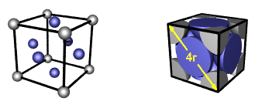
 |  |  |  |  |  |  |  | Corner Atoms |  | Edge Atoms
 |  |  |  |  |  |  |  | Number | 8 | Number | 8
Find Molar Mass Based on Density M = (D*a³*NA)/n |  |  |  |  |  |  |  | Value | 0.125 | Value | 0.25
Given: |  | Input |  | Find: |  |  |  | Total | 1 | Total | 2
Packing Type |  | bcc |  | Atomic Mass (Da) |  |  |  | Face Center Atoms |  | Body Center Atoms
(n) # of Complete Atoms Per Unit Cell |  | 2 |  |  |  | Common Conversions |  | Number | 2 | Number | 0
(NA) Avogadro's Number |  | 6.02214E+23 |  | 180.16768961 |  | 1 pm = 1E-10 cm |  | Value | 0.5 | Value | 1
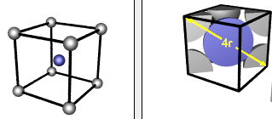
(a) Edge Length (in cm) |  | 0.000000033 |  |  |  | 1 nm = 1E-7 cm |  | Total | 1 | Total | 0
(D) Density (g/cm³) |  | 16.65 |  | 1.80E+02
 |  |  |  |  |  |  |  | Finding Atomic Radius from Lattice Constant
Find Density Based on Atomic Mass D = (n*M)/(a³*NA) |  |  |  |  |  |  |  | Given: |  | Input: | Find:
Given: |  | Input |  | Find: |  |  |  | Packing Type |  | bcc | Radius R
Packing Type |  | fcc |  | Density in (g/cm³) |  |  |  | Radius |  |  | 135.96598839
(n) # of Complete Atoms Per Unit Cell |  | 4 |  |  |  |  |  | Lattice Constant a |  | 314 | 1.36E+02
(NA) Avogadro's Number |  | 6.02214E+23 |  | 1.0552754781
(a) Edge Length (in cm) |  | 5.25E-08
(M) Atomic Mass (Da) |  | 22.98976928 |  | 1.06E+00

Heat Capcity
Blue denotes starting inputs
Green denotes mid-calculation outputs
Yellow denotes fianl outputs |  |  |  |  | 0.6315789

Heat Capacity Combined Calculator q = c*m*ΔT |  |  |  |  |  | 1 cal = 4.184 J; 1 J = .239006 cal
Given: |  | Input (leave cell to find blank): |  |  | Find: | cal | 45000 | 125000 | 0.23900573614 | 224904.39771
(q) Heat Needed (in J) |  | 3000 |  | c |  | Cal (kcal) | 45 | 125 | 0.00023900573614 | 224.90439771
(c) Specific Heat Capacity (in J/g ˚C) |  |  |  | 0.63157894737 | J/g˚C | J | 188280 | 523000 | 1 | 941000
(m) Mass (in g) |  | 250 |  |  |  | kJ | 188.28 | 523 | 0.001 | 941
Change in Temp (ΔT) |  | 19
 |  |  |  |  |  | Example of a Heating Curve:
Calorimetry (Water) |  |  |  |  |  | 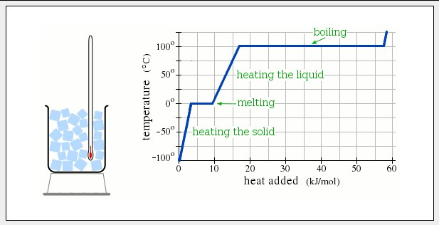 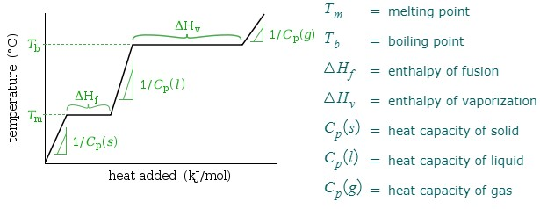
Given: |  | Input: | Find:
(m) Mass (in g) |  | 25.8 | (q) Heat Needed (in J)
Starting Temp (˚C) |  | 5 | 539.736
Final Temp (˚C) |  | 10
Change in Temp (ΔT) |  | 5
(c) Specific Heat Capacity (in J/g ˚C) |  | 4.184
 |  |  |  |  |  |  |  |  |  |  | Solid Phase
Calculate Temp Change (ΔT)= q/(c*m) |  |  |  |  |  |  |  |  |  |  | Start Temp | -50 | Δ T | 45
Given: |  | Input: | Find: |  |  |  |  |  |  |  | Heat Capacity (s) J/K | 47 | New T | -5
(m) Mass (in g) |  | 155 | Change in Temp (ΔT) |  | 8.635235732 |  |  |  |  |  | Melting Point | -5 | Total Heat Added kJ/mol | 2.115
Starting Temp (˚C) |  | 25 |  |  |  |  |  |  |  |  | Melting
Final Temp (˚C) |  |  | Starting Temp (˚C) |  | 25 |  |  |  |  |  | ΔHf kJ/mol | 5 | Heat Added | 5
(q) Heat Needed (in J) |  | 174 | Final Temp (˚C) |  | 33.635235732 |  |  |  |  |  | Boiling Point | 35 | Total Heat Added kJ/mol | 7.115
(c) Specific Heat Capacity (in J/g ˚C) |  | 0.13 |  |  |  |  |  |  |  |  | Liquid Phase
 |  |  |  |  |  |  |  |  |  |  | Heat Capacity (l) J/K | 57 | Δ T | 40
Calorimety (Constant) q = Ccalorimeter*ΔT |  |  |  |  |  |  |  |  |  |  | Melting Point | -5 | New T | 35
Step 1: Calibration |  |  |  |  |  |  |  |  |  |  |  |  | Heat Added | 2.28
Change in Temp (ΔT) |  | 0.85 | Ccalorimeter (in J/g ˚C) |  |  |  |  |  |  |  |  |  | Total Heat Added kJ/mol | 9.395
(q) Heat Supplied (in J) |  | 100 | 117.64705882 |  |  |  |  |  |  |  | Boiling
Step 2: Determination of Heat Evolved by Substance |  |  |  |  |  |  |  |  |  |  | ΔHv kJ/mol | 42 | Heat Added | 42
Ccalorimeter (in J/g ˚C) |  | 117.64705882 | qcalorimeter (in J) |  |  | Within Phases q = c*m*ΔT |  |  |  |  | Boiling Point | 35 | Total Heat Added kJ/mol | 51.395
Change in Temp (ΔT) |  | 5.23 | 615.29411765 |  |  | Between phases ΔH = q = n*ΔHphase change |  |  |  |  | Gas Phase
Step 3: Calculation of Energy Density of Substance |  |  |  |  |  | Given: |  | Input: | Find: |  | Heat Capacity (g) J/K | 70
q of Substance (in J) |  | -615.29411765 | Energy Density (in kJ/g) |  |  | (q) Heat Needed in J |  | ? |  |  | Final Heat Added
Mass of Substance (in g) |  | 0.245 | 2.5114045618 |  |  | mass in g |  | 3.24 | 94284 | J | Final Temp
 |  |  |  |  |  | molar mass |  | 1
Equilibrium Temperature (Mixing Formula Aa+Bb=Cc) |  |  |  |  |  | n mol |  | 3.24 | 94.284 | kJ
Given: | Input: | Find: |  |  |  | ΔHphase Change J/mol |  | 29100
Substance 1 mass (g) | 7 | Product Temp (˚C)
Substance 1 temp (˚C) | 15.2 | 81.21910828
Substance 2 mass (g) | 150 | Product Mass (g)
Substance 2 temp (˚C) | 84.3 | 233.48542714
Equilibrium Temperature (ΔE=m*c*ΔT and ΔE1=-ΔE2)
Given: |  | Input: | Find:
Substance 1 mass (g) |  | 41 | Equilibrium Temp
Substance 1 temp (˚C) |  | 4.7
Substance 1 Specific Heat Capacity (J/g ˚C) |  | 0.897
Substance 2 mass (g) |  | 200 | 62.461410843
Substance 2 temp (˚C) |  | 65
Substance 2 Specific Heat Capacity (J/g ˚C) |  | 4.184

Free Energy
Blue denotes starting inputs
Green denotes mid-calculation outputs
Yellow denotes final outputs

Calculating ΔG from ΔH and ΔS |  |  |  |  |  | Gibbs Free Energy |  |  | Spontaneity and Reaction Rate | Thermodynamic Properties of Pure Substances |  |  |  | Looks for an exact match. Must enter space between compound and phase.
Given: | Input: | Find: |  |  |  | ΔG = ΔHsys-TΔSsys |  |  | UNRELATED | C6H6 (l) | hf | 49.1
ΔH in kJ | 16.6 | Leave the Input of Field to Find Blank |  |  |  | ΔG = -TΔSUNIV |  |  |  | substance | Hf (kJ/mol) | Gf (kJ/mol) | S (J/mol·K)
ΔS in J | 93.1 | -11.1438 |  | ΔG in KJ |  | ΔG = 0 During Phase Change |  |  |  | Aluminum
T in Kelvin | 298 |  |  |  |  |  |  |  |  | Al3+ (aq) | --- | -485 | ---
ΔG in kJ |  | Spontaneous |  |  |  | Free Energy and Spontaneity |  |  |  | Al (s) | 0 | 0 | 28.3
 |  |  |  |  |  | ΔG < 0 | Reaction Sponatneous |  |  | Al2O3 (s) | -1675.7 | -1582.3 | 50.9
Standard Reaction Entropy ΔG⁰ = ΔG⁰PRODUCTS - ΔG⁰REACTANTS |  |  |  |  |  | ΔG > 0 | Reverse Reaction Spontaneous |  |  | Al(OH)3 (s) | --- | -1147.25 | ---
Reactant Names | Moles Reactants |  | ΔG⁰ Reactants (kJ) |  | Totals (kJ/Mol) | ΔG = 0 | System at Equilibrium |  |  | Bromine
NO2 | 2 |  | 87.6 |  | 175.2 |  |  |  |  | Br- (aq) | --- | -104 | ---
O2 | 1 |  | 0 |  | 0 | Spontaneity |  |  |  | Br2 (l) | 0 | 0 | 152.2
 |  |  |  |  |  | ΔH | ΔS | Implications for Sponaneity |  | Br2 (g) | 30.9 | 3.1 | 245.5
 |  |  | Sum |  | 175.2 | - | + | Spontaneous at all temps |  | HBr (g) | -36.3 | -53.4 | 198.7
Product Names | Moles Products |  | ΔG⁰ Products (kJ) |  | Totals (kJ/Mol) | + | - | Never Spontaneous |  | Calcium
NO2 | 2 |  | 51.3 |  | 102.6 | - | - | Spontaneous Only at Low Temps |  | Ca2+ (aq) | --- | -553.6 | ---
 |  |  |  |  | 0 | + | + | Spontaneous Only at High Temps |  | CaCl2 (s) | -795.4 | --- | ---
 |  |  |  |  |  |  |  |  |  | CaO (s) | -634.9 | --- | ---
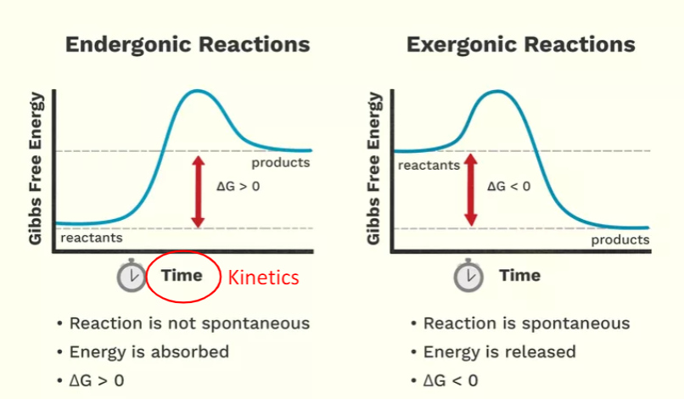
 |  |  | Sum |  | 102.6 |  |  |  |  | Ca(OH)2 (s) | -985.2 | --- | ---
 |  |  | ΔG⁰ (kJ/Mol) |  | -72.6 |  |  |  |  | Ca3(PO4)2 (s) | --- | -3884.7 | ---
 |  |  | Spontaneous? |  | Spontaneous |  |  |  |  | Carbon
 |  |  |  |  |  |  |  |  |  | C (s) | 0 | 0 | 5.7
Calculate Boiling Point T = (ΔH -ΔG)/ΔS |  |  |  |  |  |  |  |  |  | CCl4 (g) | -95.7 | -64 | 309.4
Given: | Input: | Find: |  |  |  |  |  |  |  | CCl4 (l) | -128.2 | -68.6 | 214.4
∆Hf˚(g) kJ/mol | 82.9 | ΔH in J/mol |  | 33800 |  |  |  |  |  | CCl4 (s) | -136.8 | --- | ---
∆Hf˚(l) kJ/mol | 49.1 | ΔG in kJ/mol |  | 0 |  |  |  |  |  | CH4 (g) | -74.6 | -50.5 | 186.3
S˚(g) J/mol | 269.2 | ΔS in J/mol |  | 95.8 |  |  |  |  |  | C2H2 (g) | 227.4 | --- | ---
S˚(l) J/mol | 173.4 | Boiling Point T |  |  |  |  |  |  |  | C2H6 (g) | -84 | --- | ---
 |  | in ˚K | 352.81837161 |  |  |  |  |  |  | C3H8 (g) | -103.85 | -23.4 | 270.3
 |  | in ˚C | 79.668371608 |  | 79.668371608 |  |  |  |  | C4H10 (g) | -125.7 | -15.7 | 310
 |  |  |  |  |  |  |  |  |  | C4H10 (l) | -147.3 | -15 | 231
Calculate Boiling Point T = (ΔH -ΔG)/ΔS |  |  |  |  |  |  |  |  |  | C6H6 (l) | 49.1 | 124.5 | 173.4
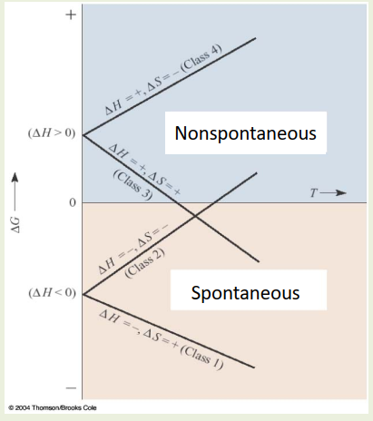
Given: | Input: |  | Find: |  |  |  |  |  |  | C6H6 (g) | 82.9 | 129.7 | 269.2
Compound | CH3OH |  | ΔH in J/mol |  | 38200 |  |  |  |  | CH3OH (l) | -239.2 | -166.6 | 126.8
∆Hf˚(g) kJ/mol | -201 |  | ΔG in kJ/mol |  | 0 |  |  |  |  | CH3OH (g) | -201 | -162.3 | 239.9
∆Hf˚(l) kJ/mol | -239.2 |  | ΔS in J/mol |  | 113.1 |  |  |  |  | (CH3)2(CH2)2O (l) | -279.5 | -346.74 | 253.5
S˚(g) J/mol | 239.9 |  | Boiling Point T |  |  |  |  |  |  | C6H12O6 (s) | -1237.3 | -910.4 | 212.1
S˚(l) J/mol | 126.8 |  | in ˚K | 337.75419982 |  |  |  |  |  | CO (g) | -110.5 | -137.2 | 197.7
 |  |  | in ˚C | 64.604199823 |  |  |  |  |  | CO2 (g) | -393.5 | -394.4 | 213.8
substance | Hf (kJ/mol) | S (J/mol·K) | Hf (kJ/mol) | S (J/mol·K) |  |  |  |  |  | C2H5OH (l) | -277.6 | -174.8 | 160.7
 | Liquid Phase |  | Gas Phase |  |  |  |  |  |  | C2H5OH (g) | -234.8 | -167.9 | 281.6
Bromine |  |  |  |  |  |  |  |  |  | HCH3CO2 (l) | -484.3 | -389.9 | 159.8
Br2 | 0 | 152.2 | 30.9 | 245.5 |  |  |  |  |  | HCH3CO2 (s) | -472.8 | --- | ---
Carbon |  |  |  |  |  |  |  |  |  | HCH3CO2 (g) | -432.2 | --- | 283.5
CCl4 | -128.2 | 214.4 | -95.7 | 309.4 |  |  |  |  |  | HCN (l) | 108.9 | 125 | 112.8
C4H10 | -147.3 | 231 | -125.7 | 310 |  |  |  |  |  | HCN (g) | 135.1 | 124.7 | 201.8
C6H6 | 49.1 | 173.4 | 82.9 | 269.2 |  |  |  |  |  | CS2 (s) | 93.8 | --- | ---
CH3OH | -239.2 | 126.8 | -201 | 239.9 |  |  |  |  |  | CS2 (l) | 89 | 64.6 | 151.3
C2H5OH | -277.6 | 160.7 | -234.8 | 281.6 |  |  |  |  |  | CS2 (g) | 116.7 | 67.1 | 237.8
HCH3CO2 | -484.3 | 159.8 | -432.2 | 283.5 |  |  |  |  |  | Chlorine
HCN | 108.9 | 112.8 | 135.1 | 201.8 |  |  |  |  |  | Cl2 (g) | 0 | 0 | 223.1
CS2 | 89 | 151.3 | 116.7 | 237.8 |  |  |  |  |  | Cl- (aq) | --- | -131.2 | ---
Mercury |  |  |  |  |  |  |  |  |  | HCl (aq) | -167 | --- | ---
Hg | 0 | 75.9 | 61.4 | 175 |  |  |  |  |  | HCl (g) | -92.3 | -95.3 | 186.9
Nitrogen |  |  |  |  |  |  |  |  |  | Chromium
N2H4 | 50.6 | 121.2 | 95.4 | 238.5 |  |  |  |  |  | CrO42- (aq) | --- | -727.8 | ---
NH3 | -69.54 | 95.09 | -45.9 | 192.8 |  |  |  |  |  | Fluorine
HNO3 | -174.1 | 155.6 | -133.9 | 266.9 |  |  |  |  |  | F2 (g) | 0 | 0 | 202.8
Oxygen |  |  |  |  |  |  |  |  |  | HF (g) | -273.3 | -275.4 | 173.8
H2O | -285.8 | 70 | -241.8 | 188.8 |  |  |  |  |  | Hydrogen
H2O2 | -187.8 | 109.6 | -136.3 | 232.7 |  |  |  |  |  | H2 (g) | 0 | 0 | 130.7
Phosphorus |  |  |  |  |  |  |  |  |  | Iron
PCl3 | -319.7 | 217.1 | -287 | 311.8 |  |  |  |  |  | Fe (s) | 0 | 0 | 27.3
Titanium |  |  |  |  |  |  |  |  |  | FeCl3 (s) | -399.5 | -334 | 142.3
TiCl4 | -804.2 | 252.3 | -763.2 | 353.2 |  |  |  |  |  | Fe2O3 (s) | -824.2 | -742.2 | 87.4
 |  |  |  |  |  |  |  |  |  | Lead
 |  |  |  |  |  |  |  |  |  | Pb2+ (aq) | --- | -24.4 | ---
 |  |  |  |  |  |  |  |  |  | PbBr2 (s) | -278.7 | -261.9 | 161.5
 |  |  |  |  |  |  |  |  |  | PbS (s) | -100.4 | -98.7 | 91.2
 |  |  |  |  |  |  |  |  |  | PbSO4 (s) | -920 | -813 | 148.5
 |  |  |  |  |  |  |  |  |  | Magnesium
 |  |  |  |  |  |  |  |  |  | MgCl2 (s) | -641.3 | -591.8 | 89.6
 |  |  |  |  |  |  |  |  |  | MgO (s) | -601.6 | -569.3 | 27
 |  |  |  |  |  |  |  |  |  | Mercury
 |  |  |  |  |  |  |  |  |  | Hg (g) | 61.4 | 31.8 | 175
 |  |  |  |  |  |  |  |  |  | Hg (l) | 0 | 0 | 75.9
 |  |  |  |  |  |  |  |  |  | Hg (s) | -2.29 | --- | ---
 |  |  |  |  |  |  |  |  |  | Hg22+ (aq) | --- | 153.5 | ---
 |  |  |  |  |  |  |  |  |  | Hg2Cl2 (s) | --- | -210.7 | ---
 |  |  |  |  |  |  |  |  |  | Nitrogen
 |  |  |  |  |  |  |  |  |  | N2 (g) | 0 | 0 | 191.6
 |  |  |  |  |  |  |  |  |  | N2H4 (g) | 95.4 | 159.4 | 238.5
 |  |  |  |  |  |  |  |  |  | N2H4 (l) | 50.6 | 149.3 | 121.2
 |  |  |  |  |  |  |  |  |  | NH3 (g) | -45.9 | -16.4 | 192.8
 |  |  |  |  |  |  |  |  |  | NH3 (l) | -69.54 | -26.5 | 95.09
 |  |  |  |  |  |  |  |  |  | NH4NO3 (s) | -365.6 | -183.9 | 151.1
 |  |  |  |  |  |  |  |  |  | NO (g) | 91.3 | 87.6 | 210.8
 |  |  |  |  |  |  |  |  |  | NO2 (g) | 33.2 | 51.3 | 240.1
 |  |  |  |  |  |  |  |  |  | NOCl (g) | 51.7 | 66.1 | 261.7
 |  |  |  |  |  |  |  |  |  | N2O4 (g) | 11.1 | 99.8 | 304.4
 |  |  |  |  |  |  |  |  |  | HNO2 (g) | -79.5 | --- | ---
 |  |  |  |  |  |  |  |  |  | HNO3 (l) | -174.1 | -80.7 | 155.6
 |  |  |  |  |  |  |  |  |  | HNO3 (g) | -133.9 | -73.5 | 266.9
 |  |  |  |  |  |  |  |  |  | Oxygen
 |  |  |  |  |  |  |  |  |  | OH- (aq) | --- | -157.2 | ---
 |  |  |  |  |  |  |  |  |  | H2O (l) | -285.8 | -237.1 | 70
 |  |  |  |  |  |  |  |  |  | H2O (g) | -241.8 | -228.6 | 188.8
 |  |  |  |  |  |  |  |  |  | O2 (g) | 0 | 0 | 205.2
 |  |  |  |  |  |  |  |  |  | H2O2 (l) | -187.8 | -120.4 | 109.6
 |  |  |  |  |  |  |  |  |  | H2O2 (g) | -136.3 | -105.6 | 232.7
 |  |  |  |  |  |  |  |  |  | Phosphorus
 |  |  |  |  |  |  |  |  |  | P4 (s) | 0 | 0 | 41
 |  |  |  |  |  |  |  |  |  | P4 (g) | 58.9 | 24.4 | 280
 |  |  |  |  |  |  |  |  |  | PCl3 (g) | -287 | -267.8 | 311.8
 |  |  |  |  |  |  |  |  |  | PCl3 (l) | -319.7 | -272.3 | 217.1
 |  |  |  |  |  |  |  |  |  | PF5 (g) | -1594.4 | -1520.7 | 300.8
 |  |  |  |  |  |  |  |  |  | PO43- (aq) | --- | -1018.7 | ---
 |  |  |  |  |  |  |  |  |  | H3PO4 (l) | -1271.7 | --- | ---
 |  |  |  |  |  |  |  |  |  | H3PO4 (s) | -1284.4 | -1124.3 | 110.5
 |  |  |  |  |  |  |  |  |  | P4O10 (s) | -2984 | -2675.2 | 228.9
 |  |  |  |  |  |  |  |  |  | Potassium
 |  |  |  |  |  |  |  |  |  | KBr (s) | -393.4 | -380.7 | 95.9
 |  |  |  |  |  |  |  |  |  | KNO3 (s) | -492.7 | -393.13 | 132.9
 |  |  |  |  |  |  |  |  |  | Silver
 |  |  |  |  |  |  |  |  |  | Ag+ (aq) | --- | 77.1 | ---
 |  |  |  |  |  |  |  |  |  | Ag2CrO4 (s) | --- | -641.8 | ---
 |  |  |  |  |  |  |  |  |  | Sodium
 |  |  |  |  |  |  |  |  |  | NaCl (s) | -411.2 | --- | ---
 |  |  |  |  |  |  |  |  |  | NaOH (s) | -425.8 | --- | ---
 |  |  |  |  |  |  |  |  |  | Sulfur
 |  |  |  |  |  |  |  |  |  | S8 (s) | 0 | 0 | 32
 |  |  |  |  |  |  |  |  |  | H2S (g) | -20.6 | --- | ---
 |  |  |  |  |  |  |  |  |  | H2SO4 (l) | -814 | --- | ---
 |  |  |  |  |  |  |  |  |  | SF6 (g) | -1220.5 | -1116.5 | 291.5
 |  |  |  |  |  |  |  |  |  | Tin
 |  |  |  |  |  |  |  |  |  | Sn (s) | 0 | 0 | 51.2
 |  |  |  |  |  |  |  |  |  | SnO2 (s) | -577.6 | -515.8 | 49
 |  |  |  |  |  |  |  |  |  | Titanium
 |  |  |  |  |  |  |  |  |  | TiCl4 (g) | -763.2 | -726.3 | 353.2
 |  |  |  |  |  |  |  |  |  | TiCl4 (l) | -804.2 | -737.2 | 252.3
 |  |  |  |  |  |  |  |  |  | TiO2 (s) | -944 | -888.8 | 50.6

Chemical Kinetics
Blue denotes starting inputs
Green denotes mid-calculation outputs
Yellow denotes final outputs
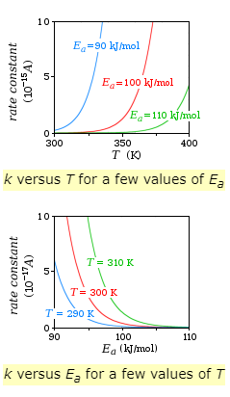
Differential Rate law Rate = k[A]m[B]n |  |  |  |  |  |  |  |  | Rates of Chemical Reactions (mol L-1s-1) |  |  |  |  | Arrhenius Equation
Given: |  |  | Input: | Find: |  |  |  |  | Rate = Δ[Product]/Δt = -Δ[Reactant]/Δt |  |  |  |  | k = Ae-Ea/RT
Initial Rate of Rxn M/s |  |  |  | Rate Constant k |  |  |  | 0.3065293 | Rate = Δ[Product]/vprod*Δt = -Δ[Reactant]/vreact*Δt |  |  |  |  | ln k = (-Ea/R)(1/T) + ln A
Initial [A] M |  |  | 0.77 |  |  |  |  |  | v = Stoichimetric Coefficient |  |  |  |  | Treat ln form of equation as y = mx+b
Rxn Order m in Respect to [A] |  |  | 2 | Check Inputs |  |  |  |  |  |  |  |  |  | Ea = Activation Energy
Initial [B] M |  |  | 0.6 |  |  |  |  |  | Rate Laws |  |  |  |  | R = Universal Gas Constant
Rxn Order n in Respecet to [B] |  |  | 0 |  |  |  |  |  | Differential rate law |  |  |  |  | T = Temp in Kelvin
Rate Constant k |  |  | 0.517 | Check Inputs |  |  |  |  | Rate = k[A]m[B]n |  |  |  |  | A = Frequency Factor
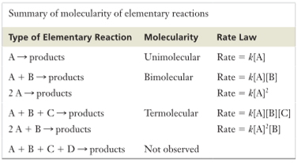
 |  |  |  |  |  |  |  |  | k = rate constant (small = slow, large = rapid)
Integrated Rate Law |  |  |  |  |  |  |  |  | A and B = reactant concentrations
Given: |  |  | Input: | Find: t or [A]0 |  |  |  |  | m and n = order of reaction (usually integer rarely > 2)
Order |  |  | 1 | Initial Concentration [A]0 M/L |  |  |  |  | overal order = m + n
Rate Constant k |  |  |  | 0.77 |  |  |  |  | If n = 0: | doubling concentration X does not change rate
t (seconds) |  |  |  | Initial Concentration [A]t M/L |  |  |  |  | If n = 1: | Rate proportional to concentration (double → double)
Flask Size in ml (use 1 if not given) |  |  | 1 | 0 |  |  |  |  | If n = 2: | Rate proportional to conentration2 (double → quadruple)
Initial Concentration [A]0 mmol |  |  | 0.77 | t |  |  |  |  | Zero-Order Integrated Rate Law
Initial Concentration [A]t mmol |  |  |  | Check Inputs |  | s |  |  | [A]t = [A]0-kt
 |  |  |  | mol |  | N/A |  |  | [A]t = Concentration of A at time t
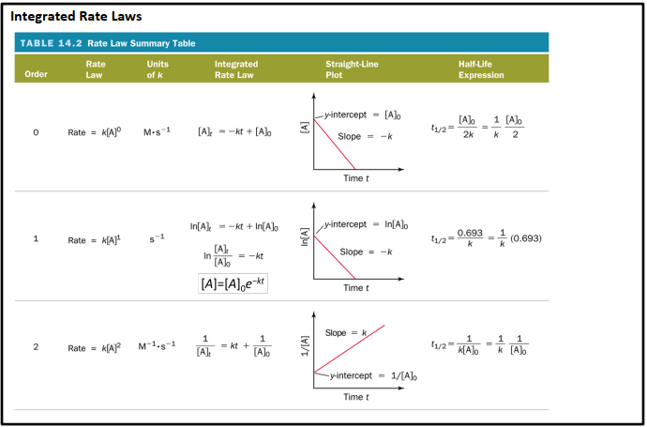
 |  |  |  |  |  |  |  |  | [A]0 = Initial Concentration
Deducing Rate Law from Initial Reaction Rate Data |  |  |  |  |  |  |  |  | First-Order Integrated Rate Law
Given: |  | Input: |  |  | Find: |  |  |  | [A]t = [A]0e-kt
[A] Concentrations |  |  | Initial Rate of Rxn |  | Δ Concentration |  |  |  | Second-Order Integrated Rate Law
1st reaction |  | 0.001 | 0.00492 |  | 2 |  |  |  | (1/[A]t)-(1/[A]0) = kt
2nd reaction |  | 0.001 | 0.01947 |  | Δ Rate |  | Order |  | Half-Life
3rd reaction |  | 0.002 | 0.00501 |  | 1.0182926829 |  | 0 |  | t1/2 = 0.693/k
[B] Concentrations |  |  | Initial Rate of Rxn |  | Δ Concentration
1st reaction |  | 0.002 | 0.00492 |  | 2 |  |  |  | Using A Graph to Determine Arrhenius Behavior
2nd reaction |  | 0.004 | 0.01947 |  | Δ Rate |  | Order |  | k | T (in K) | ln k | 1/T (in K) | If data are plotted in straight line, reaction exhibits Arrhenius behavior.
3rd reaction |  | 0.002 | 0.00501 |  | 3.9573170732 |  | 2 |  | 10000000 | 220 | 16.118095651 | 0.0045454545455
 |  |  | k = | 1230.000000 |  | 1.23E+03 | Mˉ¹ ∙ sˉ¹ |  | 51000000 | 340 | 17.747336191 | 0.0029411764706
 |  |  |  |  |  |  |  |  | 110000000 | 450 | 18.515990924 | 0.0022222222222
Calculating the Reaction Rate of One Reactant from that of Another |  |  |  |  |  |  |  |  | Find:
Given |  |  | Input: | Find: |  |  |  |  | -Ea/R |  | -1032.1375305
v of Main Reactant |  |  | 1 | n Consumed |  | 14.144155064 | mol/s |  | Ea |  | 8581.7074971
v of Target Product |  |  | 3
Molar Mass Product |  | g/mol | 2.01588 | n Produced |  | 42.432465192 | mol/s
Ideal Gas Law pV = nRT
p in atm |  |  | 0.7 | n Produced |  | 85.53875793 | g/s
V in L/s |  |  | 758
T in Kelvin |  |  | 457.15 | n Produced |  | 0.08553875793 | kg/s
R in L∙atm∙molˉ¹∙Kˉ¹ |  |  | 0.08206 |  |  | 8.55E-02

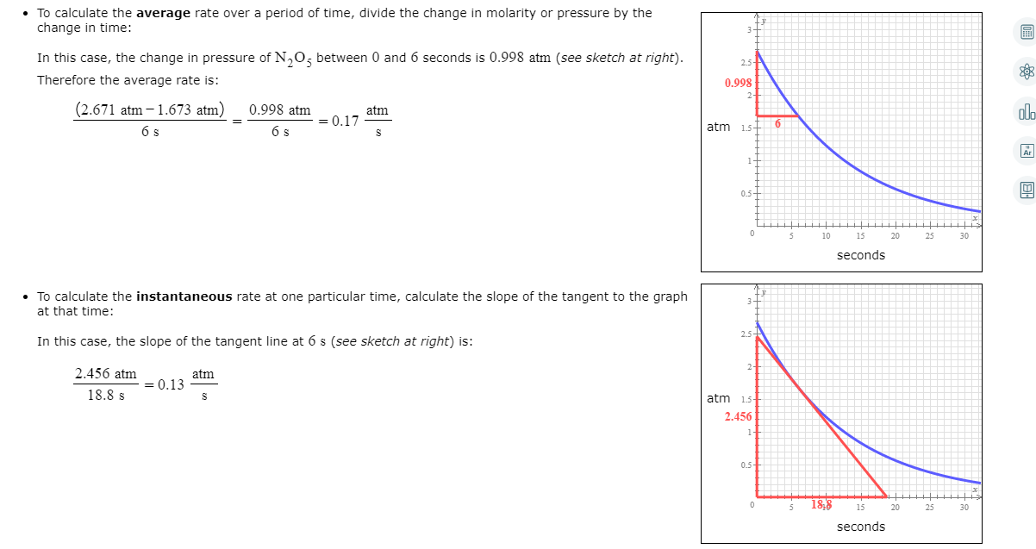
 | Common Reactions
 | Haber Process

 | Steam Reforming of Methane

 | Oxidation of Ammonia

 |  |  |  |  |  |  |  |  |  |  | Insantaneous Rate of Change
 | Claus Process |  |  |  |  |  |  |  |  |  | Slope of the Tangent Line
 |  |  |  |  |  |  |  |  |  |  | Y Value |  | 0.00162
 |  |  |  |  |  |  |  |  |  |  | X Value |  | 1842
 |  |  |  |  |  |  |  |  |  |  | Rate | 8.7947882736E-07 | 8.79E-07

 |  |  |  |  |  |  |  |  |  |  | Average Rate of Change
 |  |  |  |  |  |  |  |  |  |  | Slope of the Secant Line
 |  |  |  |  |  |  |  |  |  |  | Y1 Value |  | 0.00198
 |  |  |  |  |  |  |  |  |  |  | Y2 Value |  | 0.000919
 |  |  |  |  |  |  |  |  |  |  | X1 Value |  | 0
 |  |  |  |  |  |  |  |  |  |  | X2 Value |  | 800
 |  |  |  |  |  |  |  |  |  |  | Rate | 1.32625E-06 | 1.33E-06

Chemical Equilibrium
Blue denotes starting inputs
Green denotes mid-calculation outputs
Yellow denotes final outputs

Equilibrium Constant and Concentrations |  |  |  |  |  |  |  |  |  |  |  | ⇄
Given: (enter "1" if cell is not used) |  |  |  |  | Find: |  |  |  |  |  |  | Law of Mass Action
Compound |  | M | Stoich # v |  | A,B,C,D,or KC |  |  |  |  |  |  | (kfor/krev) = ([P]eq/[R]eq)
[A] or PA | N2 | 1.5 | a | 1 | kc |  |  |  |  |  |  | The Equilibrium Expressoin
[B] or PB | H2 | 1.1 | b | 3 |  |  |  |  |  |  |  | Keq = ([C]ceq[D]deq)/([A]aeq[B]beq)
[C] or PC | NH3 | 0.47 | c | 2 | 0.11064362635 |  |  |  |  |  |  | Gas Phase Equilibria
[D] or PD | 1 | 1 | d | 1 |  |  |  |  |  |  |  | KP = ((PC)ceq(PD)deq))/((PA)aeq(PB)beq))
KC |  | 1 |  |  | 1.11E-01 |  |  |  |  |  |  | KP = KC * (RT) Δn gas
 |  |  |  |  |  |  |  |  |  |  |  | KC = KP * (RT) -Δn gas
Finding Equilibrium Constant with Unit Conversions |  |  |  |  |  |  |  |  |  |  |  | Δn gas = change in number of moles of gasses (products-reactants)
Leave blank if cell is not used or if solid or liquid in heterogenious composition |  |  |  |  |  |  |  |  |  |  |  | Make sure to only use gasses (not liquids or solids)
If given moles in place of grams, leave Molar Mass blank and enter moles values in grams column
Given: |  |  |  |  |  |  | Analysis: |  | Find: |  |  | LeChatelier's Principle
Reaction Vessel Vol (L) |  |  | 8.1 |  |  |  |  |  |  |  |  | Equilibrium will shift in a way that tends to offset the applied stress
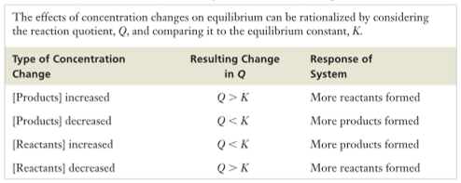
Compound |  | grams | Molar Mass |  | Stoich # v |  | moles | mol/L | KC
[A] or PA | HNO3 | 17.4 | 63.01284 |  | a | 2 | 0.27613419741 | 0.034090641656
[B] or PB | NO | 6.9 | 30.0061 |  | b | 1 | 0.22995324284 | 0.02838928924 | 0.45609392676
[C] or PC | NO2 | 9.2 | 46.0055 |  | c | 3 | 0.19997608982 | 0.02468840615
[D] or PD | H2O | l |  |  | d |  | 1 | 1 | 4.56E-01 |  |  |  | ↑ P Reactants, ↓ P Products | Shift Reaction to Left
 |  |  |  |  |  |  |  |  |  |  |  |  | ↓ P Reactants, ↑ P Products | Shift Reaction to Right
Finding Equilibrium Concentrations from Initial Concentrations |  |  |  |  |  |  |  |  |  |  |  |  | ↓ P Reactants, ↑ P Products | Shift Reaction to Right
Enter "-x" as "x" with "-1" in number row. |  |  |  |  |  |  |  |  |  |  |  |  | ↑ P Reactants, ↓ P Products | Shift Reaction to Left
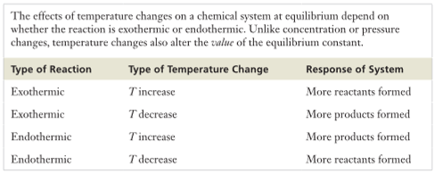
If given x is product, reactants are (-x) and vice versa
Reaction always goes towards side with 0 mol compound, make oposite "-x"
Either the compound we are searching for or the one with 0 mol is typically "x"
Enter "0" or leave cell blank for unused values or for solids/liquids
Setting up a Reaction Table |  |  |  |  |  |  |  |  |  |  |  |  | ↑ P Reactants, ↓ P Products | Shift Reaction to Left
Flask Volume |  |  | 1 | L or ml | ml |  |  |  |  |  |  |  | ↓ P Reactants, ↑ P Products | Shift Reaction to Right
Compound |  |  | [A]Reactant | [B]Reactant | [C]Product | [D]Product |  |  |  |  |  |  | ↓ P Reactants, ↑ P Products | Shift Reaction to Right
 |  |  | HBrO | H2O | H3O | BrO- |  |  |  |  |  |  | ↑ P Reactants, ↓ P Products | Shift Reaction to Left
Stoichiometric Coefficient v |  |  | 1 | 1 | 1 | 1
mol |  |  | 1.13 | 0 | 0 | 0
mol/ml |  |  | 1.13 | 0 | 0 | 0 |  |  | 0.00005876
Initial Molarity (mol/L) |  |  | 1130 | 0 | 0 | 0 |  |  | 0.0076655071587
Change in Molarity (enter sign with number) |  |  | 1 | 1 | -1 | -1 |  |  | 7.67E-03
 |  |  | x | x | x | x
Equilibrium in Molartiy |  |  | 1130 + 1x | 0 + 1x | 0 + -1x | 0 + -1x
K = |  |  | (0 + -1x)^1*(0 + -1x)^1/(1130 + 1x)^1*(0 + 1x)^1

Numeric Value of K = |  |  | 0.000052
FOIL |  |  |  |  |  |  |  | Use to FOIL if situation where main calculator wont work
If v = 1,1,2,- and mol = #,#,#,- or if v = 1,1,1,1 and mol = #,#,#,#
Step 1 |  |  |  |  |  |  |  | Step 1
 |  |  | c | bx | ax2 |  |  |  | c | bx | ax2
Numerator |  |  | 0 | 0 | 1 |  |  | Numerator | 0 | 0 | 1
Denominator |  |  | 0 | 1130 | 1 |  |  | Denominator | 0 | 1130 | 1
Step 2 |  |  |  |  |  |  |  | Step 2
Left Side of Equation |  |  | 0 | 0 | 1 |  |  | Left Side | 0 | 0 | 1
Right Side of Equation |  |  | 0 | 0.05876 | 0.000052 |  |  | Right Side | 0 | 0.05876 | 0.000052
Step 3 |  |  |  |  |  |  |  | Step 3
ax2 |  |  | 0.999948 |  |  |  |  | ax2 | 0.999948
bx |  |  | -0.05876 |  |  |  |  | bx | -0.05876
c |  |  | 0 |  |  |  |  | c | 0
Using Quadratic Formula ax2 + bx + c = 0
a |  | 0.999948 | x = |  | 0.058763055679
b |  | -0.05876 | and/or
c |  | 0 | x = |  | 0
Check the values
Compound |  |  | [A]Reactant | [B]Reactant | [C]Product | [D]Product
 |  |  | HBrO | H2O | H3O | BrO-
Change in x (enter 1 for x) |  |  | 1 | 1 | -1 | -1
1st x value |  |  | 1130.0587631 | 0.058763055679 | -0.058763055679 | -0.058763055679
2nd x value |  |  | 1130 | 0 | 0 | 0
Target Compound A,B,C,or D |  |  | D
Target Compound Equilibrium |  |  | 0 |  | 0.00E+00

Calculating KC from a Partial Equilibrium Composition
Enter "-x" as "(-x)" |  |  |  |  |  |  |  |  |  |  | Common Reactions
If given x is product, reactants are (-x) and vice versa |  |  |  |  |  |  |  |  |  |  | Ammonia Decomposition
Enter "0" or leave cell blank for unused values or for solids/liquids
Setting up a Reaction Table
Flask Volume (if using atm enter 1) |  |  | 1 | L or ml | L |  |  |  |  |  | Ammonia Combustion
Compound |  |  | [A]Reactant | [B]Reactant | [C]Product | [D]Product
 |  |  | HBrO | H2O | H3O | BrO-
Stoichiometric Coefficient v |  |  | 1 | 1 | 1 | 1 |  |  |  |  | Steam Reforming of Methane
v in terms of |  |  | 1 | 1 | 1 | 1 | Compound with Known Rxn Rate, Or Compound with Largest v.
(A,B,C, or D) |  | A
mol |  |  | 0.000052 | 0 | 0 | 0 | Initial mol of products will be 0 because the rxn has not occurred yet. |  |  |  | Sulfur Dioxide to Trioxide
mol/ml |  |  | 0.000052 | 0 | 0 | 0
Initial Molarity (mol/L) |  |  | 0.000052 | 0 | 0 | 0
Change in Molarity (sign only) |  |  | (-x) | (-x) | x | x
Equilibrium in Molartiy (Formula) |  |  | 0.000052 + 1(-x) | 0 + 1(-x) | 0 + 1x | 0 + 1x

x Given Value |  |  | 2.3 | x adjusted to vol. |  | 2.3 | Known Rxn Rate of Compound
Equilibrium in Molartiy (Value) |  |  | -2.299948 | -2.3 | 2.3 | 2.3
Numeric Value KC = |  |  | 1.0000226092 |  | 1.00E+00

Solubility
Blue denotes starting inputs
Green denotes mid-calculation outputs |  |  |  |  |  |  |  |  | BrØnsted-Lowry
Yellow denotes final outputs |  |  |  |  |  |  |  |  | NH3(aq) + H2O(l) ⇄ NH4+(aq) + OH-(aq)
 |  |  |  |  |  |  |  |  | Base1 + Acid2 ⇄ Acid1 + Base2 |  |  |  |  |  |  | Conjugate acid and base examples
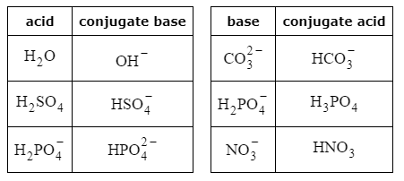
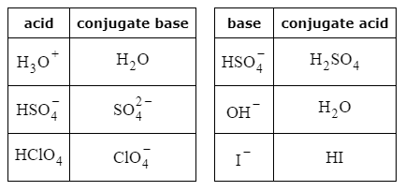
 |  |  |  |  |  |  |  |  | HA(aq) + H2O(l) ⇄ H3O+(aq)+ A-(aq)
 |  |  |  |  |  |  |  |  | Weaker Acid + Weaker Base ⇄ Stronger Acid + Stronger Base
 |  |  |  |  |  |  |  |  | Hint: For Congugate Acid, Remove One H+ from Formula
Using KSP to Calculate Solubility of a Compound |  |  |  |  |  |  |  |  | Hint: For Congugate Base, Add One H+ to Formula
Default Initial Molairty to "0" for Pure Water Sln |  |  |  |  |  |  |  |  | Strong Acids/Bases Ionize Completely
Use Molarity of Given Sln for Initial Molarity of Common Ion |  |  |  |  |  |  |  |  | Weak Acids/Bases Ionize Partially
If Common Ion compound has multiple ions, don't change v, multiply Initial mol/L
Setting up a Reaction Table |  |  |  |  |  |  |  |  | Solubility of Ions in Water |  |  |  |  |  |  |  |  |  |  |  |  | Formula | Ksp
Compound |  | Solid |  | Cation | Anion |  |  |  |  |  | anions |  |  |  |  |  |  |  |  |  |  | BaCrO4 | 1.17E-10
 |  | AgCl |  | Ag+ | Cl- |  |  |  |  |  | chloride | bromide | iodide | oxide | sulfide | hydroxide | carbonate | chromate | sulfate | acetate | nitrate | BaSO4 | 1.08E-10
Stoichiometric Coefficient v |  | 0 |  | 1 | 1 |  |  |  |  |  | Cl- | Br- | I- | O2- | S2- | OH- | CO32- | CrO42- | SO42- | CH3CO2- | NO3- | CaCO3 | 3.36E-09
Initial Molarity (mol/L) |  | 0 |  | 0 | 0.5 |  |  |  | cations | NH4+ | yes | yes | yes | -- | yes | yes | yes | yes | yes | yes | yes | CaF2 | 3.45E-11
Change in Molarity (sign only) |  | 0 |  | x | x |  |  |  |  | Na+ | yes | yes | yes | rxn | yes | yes | yes | yes | yes | yes | yes | Co(OH)2 | 5.92E-15
Equilibrium in Molartiy (Formula) |  | 0 |  | 0 + 1x | 0.5 + 1x |  |  |  |  | K+ | yes | yes | yes | rxn | yes | yes | yes | yes | yes | yes | yes | CuBr | 6.27E-09
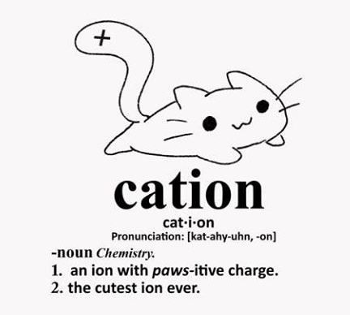
KSP Formula |  | (0 + 1x)^1*(0.5 + 1x)^1 |  |  |  |  |  |  |  | Mg2+ | yes | yes | yes | NO | rxn | NO | slight | -- | yes | yes | yes | CuCO3 | 1.40E-10
KSP |  | 1.77E-10 |  | 1.77E-10 |  |  |  |  |  | Ca2+ | yes | yes | yes | rxn | rxn | slight | NO | slight | slight | yes | yes | Fe(OH)2 | 4.87E-17
Molar Mass of Solid (mol/g) |  | 143.3212 |  |  |  |  |  |  |  | Ba2+ | yes | yes | yes | yes | yes | yes | NO | NO | NO | yes | yes | PbCO3 | 7.40E-14
Calculations for Pure Water Solution |  |  |  |  |  |  |  |  |  | Mn2+ | yes | yes | yes | NO | NO | NO | NO | -- | yes | yes | yes | PbCrO4 | 2.80E-13
Molar Solubility (mol/L) |  | Common Ion Present |  | Common Ion Present |  |  |  |  |  | Fe2+ | yes | yes | yes | NO | NO | NO | NO | -- | yes | yes | yes | PbF2 | 3.30E-08
Solubility of Solid |  | -- | g/L | -- | g/L |  |  |  |  | Fe3+ | yes | yes | -- | NO | -- | NO | -- | NO | yes | NO | yes | Mg(OH)2 | 5.61E-12
Calculations for Common Ion Solution |  |  |  |  |  |  |  |  |  | Cu2+ | yes | yes | -- | NO | NO | NO | NO | NO | yes | yes | yes | Ni(OH)2 | 5.48E-16
Molar Solubility Estimate (mol/L) |  | 3.54E-10 |  | 3.54E-10 |  |  |  |  |  | Ni2+ | yes | yes | yes | NO | NO | NO | NO | NO | yes | yes | yes | AgBrO3 | 5.38E-05
Solubility of Solid |  | 5.07357048E-08 | g/L | 5.07E-08 | g/L |  |  |  |  | Cd2+ | yes | yes | yes | NO | NO | NO | NO | NO | yes | yes | yes | Ag2CO3 | 8.46E-12
 |  |  |  |  |  |  |  |  |  | Zn2+ | yes | yes | yes | NO | NO | NO | NO | yes | yes | yes | yes | AgCl | 1.77E-10
Using Solubility of a Compound to Calculate KSP |  |  |  |  |  |  |  |  |  | Sn2+ | yes | yes | slight | NO | NO | NO | -- | -- | yes | yes | -- | Ag2CrO4 | 1.12E-12
Given: |  |  | Analysis: |  |  |  |  |  |  | Hg2+ | yes | slight | NO | NO | NO | NO | NO | NO | rxn | yes | yes | SrCO3 | 5.60E-10
Compound | ZnCO3 |  | Molar Mass |  | 125.3889 |  |  |  |  | Pb2+ | slight | slight | NO | NO | NO | NO | NO | NO | NO | yes | yes | ZnCO3 | 1.46E-10
Solubility g/L | 0.0013 | v | Molar Solubility |  | 1.0367743875E-05 |  |  |  |  | Ag+ | NO | NO | NO | NO | NO | -- | NO | NO | slight | slight | yes | Zn(OH)2 | 3.00E-17
Cation | Zn+ | 1 | KSP | 1.0749011306E-10 | 1.07E-10 |  |  |  |  |  |  |  |  |  |  |  |  |  |  |  |  | AgBr | 5.35E-13
Anion | CO3- | 1 |  |  |  |  |  |  | yes | = | soluble (s > 10 g/L) |  |  |  |  |  |  |  |  |  |  | AuCl | 1.77E-10
 |  |  |  |  |  |  |  |  | slight | = | slightly soluble (1 g/L < s < 10 g/L)
Limiting Reactant Problems in Solution |  |  |  |  |  |  |  |  | NO | = | insoluble (s < 1 g/L)
Compounds |  |  | Given Amounts |  |  |  | Cation | Anion | -- | = | no data
Initial Compound | NaCl |  | 38.7 | g | 58.44276928 | g/mol | Na+ | Cl- | rxn | = | compound reacts with water
Initial Solution | AgNO3 |  | 200 | ml | 0.6 | M | Ag+ | NO3-
Precipitate Formed | Ag+Cl- |  | Ag+Cl- |  |  |  |  |  | Polyprotic acid = an acid with more than one acidic hydrogen.
Ion from Compound | Cl- |  | 0.6621862803 | mol | At Equilibrium |  | 2.7109314015 | 2.71E+00
Ion from Solution | Ag+ |  | 0.12 | mol | At Equilibrium |  | 0 | 0.00E+00
 |  |  |  |  | Limiting Reactant |  | Ag+
Target Ion Not in Precipitate |  | Na+ | Subscript | 1 | Molarity at Equilibrium |  | 3.3109314015 | 3.31E+00

Redox
Blue denotes starting inputs
Green denotes mid-calculation outputs |  |  |  |  |  |  |  | Half Reaction | Solubility of Ions in Water
Yellow denotes final outputs |  |  |  |  |  |  |  | Oxidation: the loss of electrons |  |  | anions
 |  |  |  |  |  |  |  | Reduction: the gain of electrons |  |  | chloride | bromide | iodide | oxide | sulfide | hydroxide | carbonate | chromate | sulfate | acetate | nitrate
 |  |  |  |  |  |  |  | Specetator Ions remain (aq) |  |  | Cl- | Br- | I- | O2- | S2- | OH- | CO32- | CrO42- | SO42- | CH3CO2- | NO3-
Activity Series for Common Metals |  |  |  |  |  |  |  | Half Reaction Example: | cations | NH4+ | yes | yes | yes | -- | yes | yes | yes | yes | yes | yes | yes
Strongest to Weakest |  |  | Find: |  |  |  |  | Cl- anions are spectator ions |  | Na+ | yes | yes | yes | rxn | yes | yes | yes | yes | yes | yes | yes
Reducing Agents: |  | Position: | Reducing Agents: |  |  |  |  |  |  | K+ | yes | yes | yes | rxn | yes | yes | yes | yes | yes | yes | yes
Li |  | 1 | Zn | Br | Na | Ca |  |  |  | Mg2+ | yes | yes | yes | NO | rxn | NO | slight | -- | yes | yes | yes
K |  | 2 | Position: |  |  |  |  |  |  | Ca2+ | yes | yes | yes | rxn | rxn | slight | NO | slight | slight | yes | yes
Net Ionic Equation
Ba |  | 3 | 9 | #N/A | 5 | 4 |  |  |  | Ba2+ | yes | yes | yes | yes | yes | yes | NO | NO | NO | yes | yes
Ca |  | 4 | Strongest to Weakest: |  |  |  |  |  |  | Mn2+ | yes | yes | yes | NO | NO | NO | NO | -- | yes | yes | yes
Na |  | 5 | 1 | 2 | 3 | 4 |  |  |  | Fe2+ | yes | yes | yes | NO | NO | NO | NO | -- | yes | yes | yes
Mg |  | 6 | Ca | Na | Zn | Br |  |  |  | Fe3+ | yes | yes | -- | NO | -- | NO | -- | NO | yes | NO | yes
Al |  | 7 | Oxidizing Agents: |  |  |  |  |  |  | Cu2+ | yes | yes | -- | NO | NO | NO | NO | NO | yes | yes | yes
Mn |  | 8 | Br | Na | Ag | Ca |  |  |  | Ni2+ | yes | yes | yes | NO | NO | NO | NO | NO | yes | yes | yes
Zn |  | 9 | Position: |  |  |  |  |  |  | Cd2+ | yes | yes | yes | NO | NO | NO | NO | NO | yes | yes | yes
Cr |  | 10 | #N/A | 5 | 18 | 4 |  | Net Ionic Example |  | Zn2+ | yes | yes | yes | NO | NO | NO | NO | yes | yes | yes | yes
Fe |  | 11 | Strongest to Weakest: |  |  |  |  | Molecular Equation |  | Sn2+ | yes | yes | slight | NO | NO | NO | -- | -- | yes | yes | --
Co |  | 12 | 1 | 2 | 3 | 4 |  |  |  | Hg2+ | yes | slight | NO | NO | NO | NO | NO | NO | rxn | yes | yes
Ni |  | 13 | Br | Ag | Na | Ca |  |  |  | Pb2+ | slight | slight | NO | NO | NO | NO | NO | NO | NO | yes | yes
Sn |  | 14 |  |  |  |  |  | Net Ionic Equation |  | Ag+ | NO | NO | NO | NO | NO | -- | NO | NO | slight | slight | yes
Pb |  | 15
H2 |  | 16 |  |  |  |  |  |  | yes | = | soluble (s > 10 g/L)
Cu |  | 17 |  |  |  |  |  |  | slight | = | slightly soluble (1 g/L < s < 10 g/L)
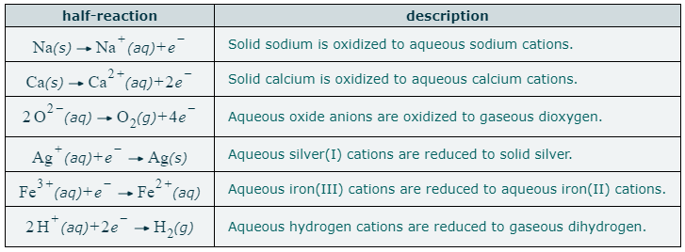
Ag |  | 18 |  |  |  |  |  |  | NO | = | insoluble (s < 1 g/L)
Hg |  | 19 |  |  |  |  |  |  | -- | = | no data
Pt |  | 20 |  |  |  |  |  |  | rxn | = | compound reacts with water
Au |  | 21
 |  |  |  |  |  |  |  |  | Common Oxidation States in Main Group Elements
 | 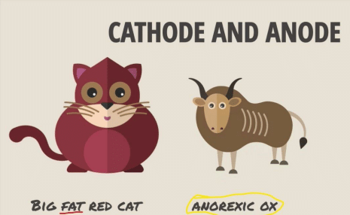

 |  |  |  |  |  |  | Oxidation States |  | 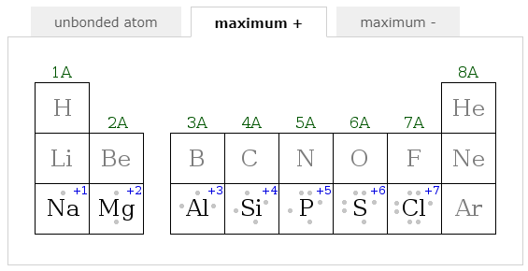
 |  |  |  |  |  |  | Number that tells if an atom has been oxidezed or reduced and by how much.
 |  |  |  |  |  |  | When electrons get transferred or shared
 |  |  |  |  |  |  | 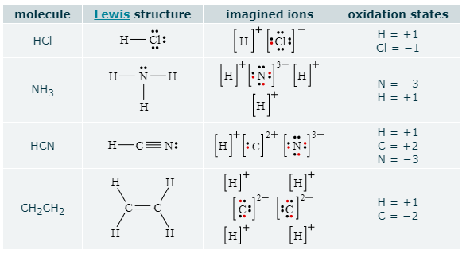
Galvanic Cells
Reduction Always Takes Place at Cathode
Cathodes are Hungry and Want to Reduce the Electrons on Their Plate
Oxidation Always Takes Place at Anode
E = E0(Cathode) - E0(Anode)

Galvanic Cell Potential E = E0(Cathode) - E0(Anode) |  |  |  |  |  |  |  |  | 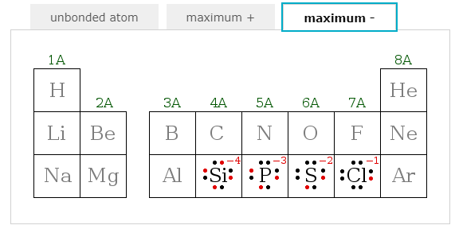
E° (V) Cathode |  | 0.3419 |  | E° (V) Cell Voltage
E° (V) Anode |  | -1.676 |  | 2.0179
E° (V) Cell Voltage

Standard Reaction Potentials at 25°C
If Searching by Reaction to Find E0, Search by E0 to Confirm Formula
If Searching by E° (V) W/O Exact Value, Specify Max or Min |  |  |  |  |  | Max | Elements that give up control of valence electrons easily, like the Group 1A and 2A metals, favor positive oxidation states.
Half-Reaction |  |  |  |  |  | E° (V)
na+ |  |  |  |  |  | -2.71 | Elements that tend to gain control of valence electrons, like the Group 6A and 7A nonmetals, favor negative oxidation states.
Na+ (aq) + e- --> Na (s) |  |  |  |  |  | -2.71 |  |  | 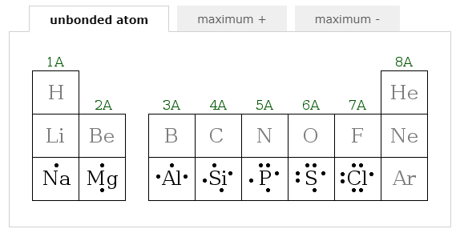
F2 (g) + 2e- --> 2F- (aq) |  |  |  |  |  | 2.866 | Oxidation State of an element in its standard state is 0
Co3+ (aq) + e- --> Co2+ (aq) |  |  |  |  |  | 1.92 | Oxidation State of an atomic ion is the same as its charge
H2O2 (aq) + 2H+ (aq) + 2e- --> 2H2O (l) |  |  |  |  |  | 1.776 | Binary ionic compounds are made from atomic ions.
Au+ (aq) + e- --> Au (s) |  |  |  |  |  | 1.692 | Oxidation states of all atoms in molecule or polyatomic ion must add up to total charge. Positive Oxidation States + Negative Oxidation States = Charge on Ion or Molecule
MnO4- (aq) + 8H+ (aq) + 5e- --> Mn2+ (aq) + 4H2O (l) |  |  |  |  |  | 1.507
Au3+ (aq) + 3e- --> Au (s) |  |  |  |  |  | 1.498
Cl2 (g) + 2e- --> 2Cl- (aq) |  |  |  |  |  | 1.35827 | Balancing a Half-Reaction
O2 (g) + 4H+ (aq) + 4e- --> 2H2O (l) |  |  |  |  |  | 1.229 | Balance Atoms Other than H and O:
MnO2 (s) + 4H+ (aq) + 2e- --> Mn2+ (aq) + 2H2O (l) |  |  |  |  |  | 1.224
2IO3- (aq) + 12H+ (aq) + 10e- --> I2 (s) + 6H2O (l) |  |  |  |  |  | 1.195 |  |  | Exceptions:
Br2 (l) + 2e- --> 2Br- (aq) |  |  |  |  |  | 1.066 | Balance O by Adding Water: |  | H atom is commonly found in oxidation states +1 and −1
VO2+ (aq) + 2H+ (aq) + e- --> VO2+ (aq) + H2O (l) |  |  |  |  |  | 0.991 |  |  | Fluorine (F) is always in oxidation state −1, except in F2
HNO2 (aq) + H+ (aq) + e- --> NO (g) + H2O (l) |  |  |  |  |  | 0.983 |  |  | Oxygen (O) is in oxidation state −2, except when bonded to itself or to fluorine
NO3- (aq) + 4H+ (aq) + 3e- --> NO (g) + 2H2O (l) |  |  |  |  |  | 0.957 | Balance H by Adding H+:
Ag+ (aq) + e- --> Ag (s) |  |  |  |  |  | 0.7996 |  |  | Standard Reaction Potentials at 25°C in Alphabetical Order
Fe3+ (aq) + e- --> Fe2+ (aq) |  |  |  |  |  | 0.771 |  |  | Half-Reaction |  |  |  |  | E° (V)
O2 (g) + 2H+ (aq) + 2e- --> H2O2 (aq) |  |  |  |  |  | 0.695 | (Last Step if Acidic Solustion) Balance Charge by Adding Electrons: |  | sc |  |  |  |  | -2.077
MnO4- (aq) + 2H2O (l) + 3e- --> MnO2 (s) + 4OH- (aq) |  |  |  |  |  | 0.595 |  |  | H2O2 (aq) + 2H+ (aq) + 2e− → 2H2O (l) |  |  |  |  | 1.77
I2 (s) + 2e- --> 2I- (aq) |  |  |  |  |  | 0.5355 |  |  | Ag+ (aq) + e− → Ag (s) |  |  |  |  | 0.7996
Cu+ (aq) + e- --> Cu (s) |  |  |  |  |  | 0.521 | (Continue if Basic Solustion) Replace each H+ with H2O and add OH- to other side: |  | Al3+ (aq) + 3e− → Al (s) |  |  |  |  | -1.676
O2 (g) + 2H2O (l) + 4e- --> 4OH- (aq) |  |  |  |  |  | 0.401 |  |  | Au+ (aq) + e− → Au (s) |  |  |  |  | 1.692
Cu2+ (aq) + 2e- --> Cu (s) |  |  |  |  |  | 0.3419 |  |  | Au3+ (aq) + 3e− → Au (s) |  |  |  |  | 1.498
HSO4- (aq) + 3H+ (aq) + 2e- --> H2SO3 (aq) + H2O (l) |  |  |  |  |  | 0.172 | Cancel Waters until only H2O appears only on one side: |  | Ba2+ (aq) + 2e− → Ba (s) |  |  |  |  | -2.912
Cu2+ (aq) + e- --> Cu+ (aq) |  |  |  |  |  | 0.153 |  |  | Br2 (l) + 2e− → 2Br− (aq) |  |  |  |  | 1.066
Sn4+ (aq) + 2e- --> Sn2+ (aq) |  |  |  |  |  | 0.151 |  |  | Ca2+ (aq) + 2e− → Ca (s) |  |  |  |  | -2.868
2H+ (aq) + 2e- --> H2 (g) |  |  |  |  |  | 0 |  |  | Cl2 (g) + 2e− → 2Cl− (aq) |  |  |  |  | 1.35827
Fe3+ (aq) + 3e- --> Fe (s) |  |  |  |  |  | -0.037 |  |  | Co2+ (aq) + 2e− → Co (s) |  |  |  |  | -0.28
Pb2+ (aq) + 2e- --> Pb (s) |  |  |  |  |  | -0.1262 |  |  | Co3+ (aq) + e− → Co2+ (aq) |  |  |  |  | 1.92
CrO42- (aq) + 4H2O (l) + 3e- --> Cr(OH)3 (s) + 5OH- (aq) |  |  |  |  |  | -0.13 |  |  | Cr2+ (aq) + 2e− → Cr (s) |  |  |  |  | -0.913
Sn2+ (aq) + 2e- --> Sn (s) |  |  |  |  |  | -0.1375 |  |  | Cr3+ (aq) + 3e− → Cr (s) |  |  |  |  | -0.744
Ni2+ (aq) + 2e- --> Ni (s) |  |  |  |  |  | -0.257 |  |  | Cr3+ (aq) + e− → Cr2+ (aq) |  |  |  |  | -0.407
Co2+ (aq) + 2e- --> Co (s) |  |  |  |  |  | -0.28 |  |  | CrO42− (aq) + 4H2O (l) + 3e− → Cr(OH)3 (s) + 5OH− (aq) |  |  |  |  | -0.13
PbSO4 (s) + H+ (aq) + 2e- --> Pb (s) + HSO4- (aq) |  |  |  |  |  | -0.3588 |  |  | Cu2+ (aq) + 2e− → Cu (s) |  |  |  |  | 0.3419
Cr3+ (aq) + e- --> Cr2+ (aq) |  |  |  |  |  | -0.407 |  |  | Cu2+ (aq) + e− → Cu+ (aq) |  |  |  |  | 0.153
Fe2+ (aq) + 2e- --> Fe (s) |  |  |  |  |  | -0.447 |  |  | Cu+ (aq) + e− → Cu (s) |  |  |  |  | 0.521
Cr3+ (aq) + 3e- --> Cr (s) |  |  |  |  |  | -0.744 |  |  | F2 (g) + 2e− → 2F− (aq) |  |  |  |  | 2.866
Zn2+ (aq) + 2e- --> Zn (s) |  |  |  |  |  | -0.7618 |  |  | Fe2+ (aq) + 2e− → Fe (s) |  |  |  |  | -0.447
2H2O (l) + 2e- --> H2 (g) + 2OH- (aq) |  |  |  |  |  | -0.8277 |  |  | Fe3+ (aq) + e− → Fe2+ (aq) |  |  |  |  | 0.771
Cr2+ (aq) + 2e- --> Cr (s) |  |  |  |  |  | -0.913 |  |  | Fe3+ (aq) + 3e− → Fe (s) |  |  |  |  | -0.037
N2 (g) + 4H2O (l) + 4e- --> 4OH- (aq) + N2H4 (aq) |  |  |  |  |  | -1.16 |  |  | 2H+ (aq) + 2e− → H2 (g) |  |  |  |  | 0.000
Mn2+ (aq) + 2e- --> Mn (s) |  |  |  |  |  | -1.185 |  |  | 2H2O (l) + 2e− → H2 (g) + 2OH− (aq) |  |  |  |  | -0.8277
Al3+ (aq) + 3e- --> Al (s) |  |  |  |  |  | -1.676 |  |  | H2O2 (aq) + 2H+ (aq) + 2e− → 2H2O (l) |  |  |  |  | 1.776
Sc3+ (aq) + 3e- --> Sc (s) |  |  |  |  |  | -2.077 |  |  | I2 (s) + 2e− → 2I− (aq) |  |  |  |  | 0.5355
Mg2+ (aq) + 2e- --> Mg (s) |  |  |  |  |  | -2.372 |  |  | 2IO3− (aq) + 12H+ (aq) + 10e− → I2 (s) + 6H2O (l) |  |  |  |  | 1.195
Na+ (aq) + e- --> Na (s) |  |  |  |  |  | -2.71 |  |  | Mg2+ (aq) + 2e− → Mg (s) |  |  |  |  | -2.372
Ca2+ (aq) + 2e- --> Ca (s) |  |  |  |  |  | -2.868 |  |  | Mn2+ (aq) + 2e− → Mn (s) |  |  |  |  | -1.185
Ba2+ (aq) + 2e- --> Ba (s) |  |  |  |  |  | -2.912 |  |  | MnO2 (s) + 4H+ (aq) + 2e− → Mn2+ (aq) + 2H2O (l) |  |  |  |  | 1.224
 |  |  |  |  |  |  |  |  | MnO4− (aq) + 8H+ (aq) + 5e− → Mn2+ (aq) + 4H2O (l) |  |  |  |  | 1.507
 |  |  |  |  |  |  |  |  | MnO4− (aq) + 2H2O (l) + 3e− → MnO2 (s) + 4OH− (aq) |  |  |  |  | 0.595
 |  |  |  |  |  |  |  |  | HNO2 (aq) + H+ (aq) + e− → NO (g) + H2O (l) |  |  |  |  | 0.983
 |  |  |  |  |  |  |  |  | N2 (g) + 4H2O (l) + 4e− → 4OH− (aq) + N2H4 (aq) |  |  |  |  | -1.16
 |  |  |  |  |  |  |  |  | NO3− (aq) + 4H+ (aq) + 3e− → NO (g) + 2H2O (l) |  |  |  |  | 0.957
 |  |  |  |  |  |  |  |  | Na+ (aq) + e− → Na (s) |  |  |  |  | -2.71
 |  |  |  |  |  |  |  |  | Ni2+ (aq) + 2e− → Ni (s) |  |  |  |  | -0.257
 |  |  |  |  |  |  |  |  | O2 (g) + 4H+ (aq) + 4e− → 2H2O (l) |  |  |  |  | 1.229
 |  |  |  |  |  |  |  |  | O2 (g) + 2H2O (l) + 4e− → 4OH− (aq) |  |  |  |  | 0.401
 |  |  |  |  |  |  |  |  | O2 (g) + 2H+ (aq) + 2e− → H2O2 (aq) |  |  |  |  | 0.695
 |  |  |  |  |  |  |  |  | Pb2+ (aq) + 2e− → Pb (s) |  |  |  |  | -0.1262
 |  |  |  |  |  |  |  |  | PbSO4 (s) + H+ (aq) + 2e− → Pb (s) + HSO4− (aq) |  |  |  |  | -0.3588
 |  |  |  |  |  |  |  |  | HSO4− (aq) + 3H+ (aq) + 2e− → H2SO3 (aq) + H2O (l) |  |  |  |  | 0.172
 |  |  |  |  |  |  |  |  | Sc3+ (aq) + 3e− → Sc (s) |  |  |  |  | -2.077
 |  |  |  |  |  |  |  |  | Sn2+ (aq) + 2e− → Sn (s) |  |  |  |  | -0.1375
 |  |  |  |  |  |  |  |  | Sn4+ (aq) + 2e− → Sn2+ (aq) |  |  |  |  | 0.151
 |  |  |  |  |  |  |  |  | VO2+ (aq) + 2H+ (aq) + e− → VO2+ (aq) + H2O (l) |  |  |  |  | 0.991
 |  |  |  |  |  |  |  |  | Zn2+ (aq) + 2e− → Zn (s) |  |  |  |  | -0.7618

Nuclear Chemistry
Blue denotes starting inputs
Green denotes mid-calculation outputs
Yellow denotes final outputs |  |  |  |  |  | Half-Life
 |  |  |  |  |  | Shorter half-life = faster decay = higher initial radioactivity
 |  |  |  |  |  | Longer half-life = slower decay = lower initial radioactivity
Half-Life
Given: |  | Input: | Find: |  |  | Nuclide
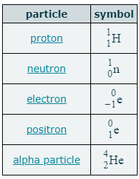
Fraction of Original Amont (denominator only ex: for 1/16 enter 16) |  | 8 | Number of Half-Lives |  | 3 | AZX
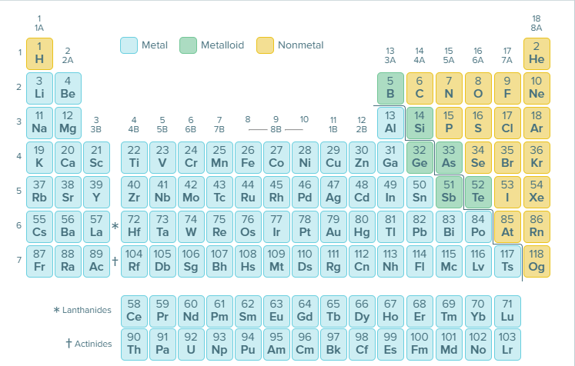
Half-Life (time) |  | 10 | Time Until Fraction |  | 30 | Types of Radiactive Decay
 |  |  |  |  |  | Alpha Decay
Energy Change in Nuclear Reactions ΔE = Δm*c2 |  |  |  |  |  | α2+
Given: | Input: |  | Find:
Compound | Stoich # | mass u | Δm | 0.0126649 | 1.27E-02 | Beta Decay
Reactant 1 | 1 | 239.0522 | ΔE | 1138264446.3 | Energy Absorbed | β−
Reactant 2 | 1 | 4.0026 | MeV | 1.60218E-13 | kJ/mol
Product 1 | 1 | 242.0588 | J/mol | 9.65E+10 | 1.14E+09 | Gamma Decay
Product 2 | 1 | 1.0086649 | kJ/mol | 9.65E+07 | MeV | γ
Charge of electron | 1 |  |  |  | 1.18E+01
 |  |  |  |  |  | Electron Capture

 |  |  |  |  |  | Positron Emission

 |  |  |  |  |  | Neutrino | Antineutrino
 |  |  |  |  |  | ν

