Sheet3
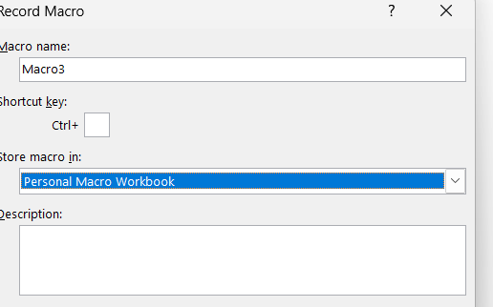
Tile
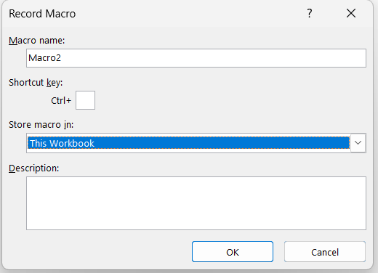
Macro - this workbook
macro - for all - personal workbook

