EG1
Aim - Allocate resources across the different products in a way that maximises total profit
i.e. find values in C10 and D10 (decision variables) that maximise the objective function in F10 s.t. the amounts of hours allocated to make each component part
N.B. Adjust C10 and D10 values manually and see if inequality constraints are met or not and if so what the impact is on profit
Can take ages and impossible to check all alternatives hence use solver !!

 | Razor | Navajo
Profit Contribution ($/unit) | 150 | 160 |  | Total Profit ($)
Units to Make (decision variables) | 840 | 450 |  | 198000

 | Resource requirements
 | Razor | Navajo | Required (hours) | Constraint inequality | Available (hours)
Frame Manufacturing | 4 | 5 | 5610 | <= | 5610
Wheels and Deck Assembly | 1.5 | 2 | 2160 | <= | 2200
QA and Packaging | 1 | 0.8 | 1200 | <= | 1200

EG2A
Network Optimisation problem
Must ensure demand required at each distribution centre is met using our three warehouses + that all supply is removed from our warehouses... but in a way that minimise the total shipping cost
How much cargo to transport from each warehouse to each distribution centre given varying costs and different supply levels
Supply constraints at warehouse + demand constraints at distr centres

 |  |  |  | Total Cost (in $) | 7,485
Shipping Cost ($ per ton)
From/To | Denver | Austin | Washington
Los Angeles | 105.00 | 135.00 | 153.00
Chicago | 110.00 | 140.00 | 137.00
New York City | 130.00 | 132.00 | 115.00

Shipping quantities (tons)
From/To | Denver | Austin | Washington | Total Shipped |  | Supply
Los Angeles | 12 | 3 | 0 | 15 | = | 15
Chicago | 20 | 0 | 0 | 20 | = | 20
New York City | 0 | 10 | 20 | 30 | = | 30
Total | 32 | 13 | 20
 | => | => | =>
Minimum Demand | 10 | 13 | 20

EG2B
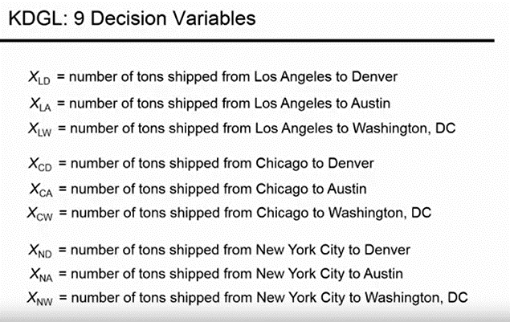
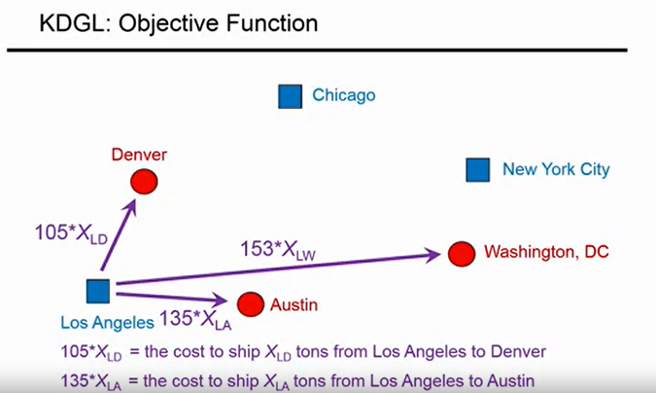
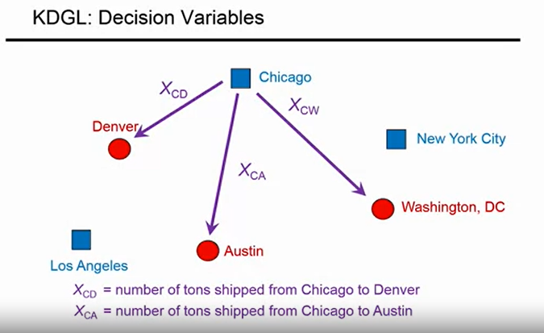
Each square is a warehouse
Each circle is a distribution centre
How can we meet the demands of each distribution centre s.t the supply at each warehouse in a way that minimises total cost ???

EG4
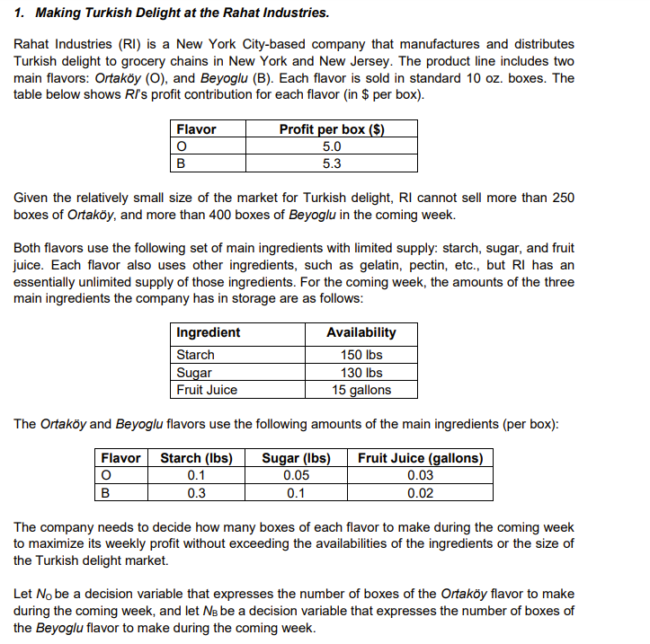
 | O | B
profit | 5 | 5.3
units | 233 | 400 |  | total_profit | 3285
Constraints | <= | <=
demand_constraints | 250 | 400
Constraints
 | O | B | Usage | Constraints | Usage_constraints
starch | 0.1 | 0.3 | 143.3 | <= | 150
sugar | 0.05 | 0.1 | 51.65 | <= | 130
fruit juice | 0.03 | 0.02 | 14.99 | <= | 15

