Fig.1
Fig. 1 Capacity mix for four scenarios in 2020, 2025, and 2030
Unit: MW

Period | Scenario | Coal | Gas | Solar | Storage | Nuclear | Hydro | Wind | Total
2020 | B | 831,594 | 115,206 | 129,806 | 3,823 | 98,200 | 353,172 | 164,989 | 1,696,790
 | R | 828,281 | 116,284 | 133,306 | 5,097 | 98,200 | 353,172 | 164,989 | 1,699,329
 | C50 | 702,767 | 133,683 | 272,788 | 11,156 | 98,200 | 353,172 | 405,879 | 1,977,645
 | C80 | 609,018 | 158,172 | 294,431 | 11,822 | 98,200 | 353,172 | 644,925 | 2,169,740

2025 | B | 773,957 | 248,064 | 211,077 | 7,488 | 110,000 | 353,172 | 375,300 | 2,079,058
 | R | 768,889 | 186,841 | 436,510 | 39,793 | 110,000 | 353,172 | 448,728 | 2,343,933
 | C50 | 619,253 | 184,194 | 1,081,232 | 222,992 | 110,000 | 353,172 | 690,584 | 3,261,427
 | C80 | 395,928 | 276,979 | 837,755 | 100,025 | 110,000 | 353,172 | 1,834,867 | 3,908,726

2030 | B | 745,464 | 297,300 | 355,082 | 29,447 | 120,600 | 353,172 | 813,981 | 2,715,046
 | R | 706,785 | 167,589 | 1,259,092 | 307,434 | 120,600 | 353,172 | 663,064 | 3,577,736
 | C50 | 498,222 | 210,282 | 1,897,809 | 496,383 | 120,600 | 353,172 | 981,879 | 4,558,347
 | C80 | 195,549 | 381,107 | 1,924,639 | 525,531 | 120,600 | 353,172 | 2,001,436 | 5,502,034

2020 | B | 49% | 7% | 8% | 0% | 6% | 21% | 10%
 | R | 49% | 7% | 8% | 0% | 6% | 21% | 10%
 | C50 | 36% | 7% | 14% | 1% | 5% | 18% | 21%
 | C80 | 28% | 7% | 14% | 1% | 5% | 16% | 30%

2025 | B | 37% | 12% | 10% | 0% | 5% | 17% | 18%
 | R | 33% | 8% | 19% | 2% | 5% | 15% | 19%
 | C50 | 19% | 6% | 33% | 7% | 3% | 11% | 21%
 | C80 | 10% | 7% | 21% | 3% | 3% | 9% | 47%

2030 | B | 27% | 11% | 13% | 1% | 4% | 13% | 30%
 | R | 20% | 5% | 35% | 9% | 3% | 10% | 19%
 | C50 | 11% | 5% | 42% | 11% | 3% | 8% | 22%
 | C80 | 4% | 7% | 35% | 10% | 2% | 6% | 36%

 | Coal | Gas | Nuclear | Hydro | Wind | Solar | Storage
B | 831,594 | 115,206 | 98,200 | 353,172 | 164,989 | 129,806 | 3,823
R | 828,281 | 116,284 | 98,200 | 353,172 | 164,989 | 133,306 | 5,097
C50 | 702,767 | 133,683 | 98,200 | 353,172 | 405,879 | 272,788 | 11,156
C80 | 609,018 | 158,172 | 98,200 | 353,172 | 644,925 | 294,431 | 11,822
 | -
B | 773,957 | 248,064 | 110,000 | 353,172 | 375,300 | 211,077 | 7,488
R | 768,889 | 186,841 | 110,000 | 353,172 | 448,728 | 436,510 | 39,793
C50 | 619,253 | 184,194 | 110,000 | 353,172 | 690,584 | 1,081,232 | 222,992
C80 | 395,928 | 276,979 | 110,000 | 353,172 | 1,834,867 | 837,755 | 100,025
 | -
B | 745,464 | 297,300 | 120,600 | 353,172 | 813,981 | 355,082 | 29,447
R | 706,785 | 167,589 | 120,600 | 353,172 | 663,064 | 1,259,092 | 307,434
C50 | 498,222 | 210,282 | 120,600 | 353,172 | 981,879 | 1,897,809 | 496,383
C80 | 195,549 | 381,107 | 120,600 | 353,172 | 2,001,436 | 1,924,639 | 525,531

Fig.2
Fig. 2 Mix of power-generating resources for four scenarios in 2020, 2025, and 2030
Unit:TWh

Period | Scenario | Coal | Gas | Solar | Storage | Nuclear | Hydro | Wind | Total
2020 | B | 4,608 | 29 | 200 | (13) | 744 | 1,345 | 221 | 7,146
 | R | 4,594 | 28 | 210 | (13) | 744 | 1,339 | 221 | 7,136
 | C50 | 3,865 | 49 | 512 | (14) | 744 | 1,358 | 623 | 7,151
 | C80 | 3,414 | 107 | 557 | (12) | 744 | 1,367 | 954 | 7,143

2025 | B | 4,921 | 169 | 381 | (13) | 833 | 1,345 | 582 | 8,231
 | R | 4,489 | 73 | 860 | (32) | 833 | 1,358 | 697 | 8,310
 | C50 | 3,090 | 72 | 2,189 | (177) | 833 | 1,369 | 1,046 | 8,599
 | C80 | 2,084 | 316 | 1,678 | (80) | 833 | 1,359 | 2,428 | 8,698

2030 | B | 4,915 | 175 | 777 | (25) | 913 | 1,255 | 1,255 | 9,290
 | R | 3,676 | 25 | 2,739 | (249) | 913 | 1,364 | 1,051 | 9,769
 | C50 | 2,371 | 56 | 3,956 | (388) | 913 | 1,375 | 1,497 | 10,168
 | C80 | 957 | 227 | 4,032 | (388) | 913 | 1,364 | 2,954 | 10,448

2020 | B | 64% | 0% | 3% | 0% | 10% | 19% | 3%
 | R | 64% | 0% | 3% | 0% | 10% | 19% | 3%
 | C50 | 54% | 1% | 7% | 0% | 10% | 19% | 9%
 | C80 | 48% | 2% | 8% | 0% | 10% | 19% | 13%

2025 | B | 60% | 2% | 5% | 0% | 10% | 16% | 7%
 | R | 54% | 1% | 10% | 0% | 10% | 16% | 8%
 | C50 | 36% | 1% | 25% | 2% | 10% | 16% | 12%
 | C80 | 24% | 4% | 19% | 1% | 10% | 16% | 28%

2030 | B | 53% | 2% | 8% | 0% | 10% | 14% | 14%
 | R | 38% | 0% | 28% | 3% | 9% | 14% | 11%
 | C50 | 23% | 1% | 39% | 4% | 9% | 14% | 15%
 | C80 | 9% | 2% | 39% | 4% | 9% | 13% | 28%

 | Storage | Coal | Gas | Nuclear | Hydro | Wind | Solar
B | (13) | 4,608 | 29 | 744 | 1,345 | 221 | 200
R | (13) | 4,594 | 28 | 744 | 1,339 | 221 | 210
C50 | (14) | 3,865 | 49 | 744 | 1,358 | 623 | 512
C80 | (12) | 3,414 | 107 | 744 | 1,367 | 954 | 557
 |  | -
B | (13) | 4,921 | 169 | 833 | 1,345 | 582 | 381
R | (32) | 4,489 | 73 | 833 | 1,358 | 697 | 860
C50 | (177) | 3,090 | 72 | 833 | 1,369 | 1,046 | 2,189
C80 | (80) | 2,084 | 316 | 833 | 1,359 | 2,428 | 1,678
 |  | -
B | (25) | 4,915 | 175 | 913 | 1,255 | 1,255 | 777
R | (249) | 3,676 | 25 | 913 | 1,364 | 1,051 | 2,739
C50 | (388) | 2,371 | 56 | 913 | 1,375 | 1,497 | 3,956
C80 | (388) | 957 | 227 | 913 | 1,364 | 2,954 | 4,032

Fig.3a
Unit: MW
study_hour | study_date | hours_in_sample | study_month | hour_of_day | Coal | Gas | Solar | Storage | Nuclear | Hydro | Wind | System Load
2030010100 | 20300101 | 20 | 1 | 0 | 349588 | 0 | 0 | 73243 | 104274 | 58057 | 388337 | 908139.74
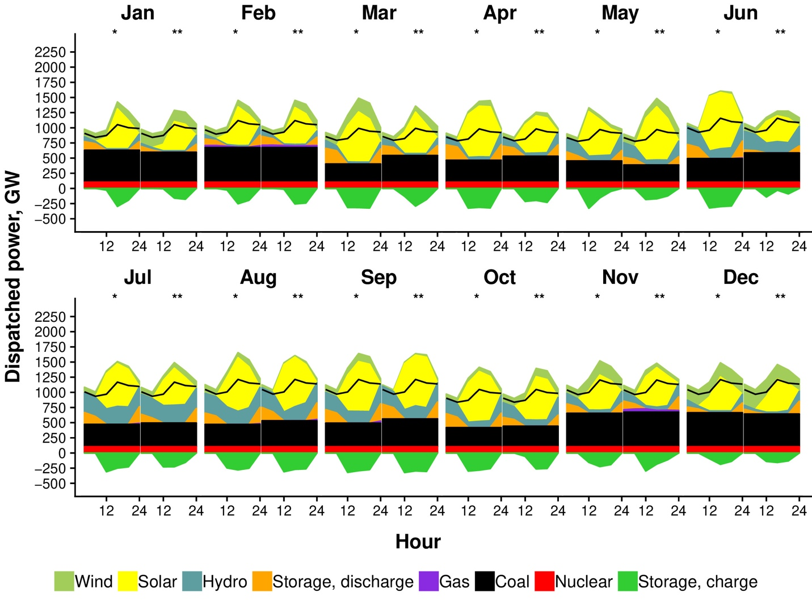
2030010104 | 20300101 | 20 | 1 | 4 | 349588 | 0 | 0 | 47511 | 104274 | 30062 | 376165 | 841880.62
2030010108 | 20300101 | 20 | 1 | 8 | 349588 | 0 | 195151 | -76969 | 104274 | 24270 | 336878 | 873061.37
2030010112 | 20300101 | 20 | 1 | 12 | 349588 | 0 | 547881 | -174352 | 104274 | 24270 | 276751 | 1052350.77
2030010116 | 20300101 | 20 | 1 | 16 | 349588 | 0 | 549573 | -213377 | 104274 | 26027 | 262288 | 1001682.05
2030010120 | 20300101 | 20 | 1 | 20 | 349588 | 0 | 0 | 223253 | 104274 | 150840 | 231854 | 988040.43
2030012800 | 20300128 | 600 | 1 | 0 | 486558 | 0 | 0 | 176782 | 104274 | 77606 | 125468 | 908139.74
2030012804 | 20300128 | 600 | 1 | 4 | 486558 | 0 | 0 | 120310 | 104274 | 59142 | 129799 | 841880.62
2030012808 | 20300128 | 600 | 1 | 8 | 486558 | 0 | 255001 | -59772 | 104274 | 24270 | 123315 | 873061.37
2030012812 | 20300128 | 600 | 1 | 12 | 486558 | 0 | 716315 | -307930 | 104274 | 24271 | 119589 | 1052350.77
2030012816 | 20300128 | 600 | 1 | 16 | 486558 | 0 | 621840 | -284501 | 104274 | 24270 | 151445 | 1001682.05
2030012820 | 20300128 | 600 | 1 | 20 | 486558 | 0 | 0 | 199166 | 104274 | 104259 | 163191 | 988040.43
2030020300 | 20300203 | 545 | 2 | 0 | 523034 | 33403 | 0 | 123104 | 104274 | 54271 | 189793 | 966011.39
2030020304 | 20300203 | 545 | 2 | 4 | 523034 | 33610 | 0 | 55924 | 104274 | 60818 | 173628 | 895529.88
2030020308 | 20300203 | 545 | 2 | 8 | 523034 | 1910 | 251351 | -45629 | 104274 | 25290 | 130665 | 928697.64
2030020312 | 20300203 | 545 | 2 | 12 | 523034 | 1167 | 702299 | -254880 | 104274 | 25287 | 106834 | 1119412.34
2030020316 | 20300203 | 545 | 2 | 16 | 523034 | 0 | 658642 | -241796 | 104274 | 25287 | 128335 | 1065514.69
2030020320 | 20300203 | 545 | 2 | 20 | 523034 | 31965 | 0 | 233985 | 104274 | 135830 | 94151 | 1051003.82
2030020400 | 20300204 | 20 | 2 | 0 | 522734 | 58090 | 0 | 191530 | 104274 | 77891 | 73381 | 966011.39
2030020404 | 20300204 | 20 | 2 | 4 | 522734 | 66756 | 0 | 112547 | 104274 | 64398 | 81486 | 895529.88
2030020408 | 20300204 | 20 | 2 | 8 | 522734 | 33512 | 209424 | -20255 | 104274 | 25287 | 114326 | 928697.64
2030020412 | 20300204 | 20 | 2 | 12 | 522734 | 28684 | 683295 | -267846 | 104274 | 25287 | 126340 | 1119412.34
2030020416 | 20300204 | 20 | 2 | 16 | 522734 | 30507 | 615663 | -296144 | 104274 | 25287 | 164897 | 1065514.69
2030020420 | 20300204 | 20 | 2 | 20 | 522734 | 45507 | 0 | 140659 | 104274 | 108664 | 196206 | 1051003.82
2030031400 | 20300314 | 20 | 3 | 0 | 371227 | 0 | 0 | 221139 | 104274 | 103081 | 116052 | 855767.22
2030031404 | 20300314 | 20 | 3 | 4 | 371227 | 0 | 0 | 199708 | 104274 | 74933 | 98197 | 793329.3
2030031408 | 20300314 | 20 | 3 | 8 | 371227 | 0 | 480191 | -186726 | 104274 | 33476 | 80750 | 822711.81
2030031412 | 20300314 | 20 | 3 | 12 | 371227 | 0 | 750903 | -283608 | 104274 | 32140 | 102638 | 991661.61
2030031416 | 20300314 | 20 | 3 | 16 | 371227 | 0 | 718286 | -306818 | 104274 | 32140 | 161559 | 943914.92
2030031420 | 20300314 | 20 | 3 | 20 | 371227 | 0 | 27146 | 170547 | 104274 | 142651 | 184179 | 931060.04
2030031700 | 20300317 | 600 | 3 | 0 | 259599 | 0 | 0 | 250339 | 104274 | 149669 | 151207 | 855767.22
2030031704 | 20300317 | 600 | 3 | 4 | 259599 | 0 | 0 | 189746 | 104274 | 97022 | 197330 | 793329.3
2030031708 | 20300317 | 600 | 3 | 8 | 259599 | 0 | 541501 | -271540 | 104274 | 35179 | 214458 | 822711.81
2030031712 | 20300317 | 600 | 3 | 12 | 259599 | 0 | 800487 | -306699 | 104274 | 32140 | 264966 | 991661.61
2030031716 | 20300317 | 600 | 3 | 16 | 259599 | 0 | 799028 | -307001 | 104274 | 32140 | 320464 | 943914.92
2030031720 | 20300317 | 600 | 3 | 20 | 259599 | 0 | 27133 | 233512 | 104274 | 72135 | 301109 | 931060.04
2030040100 | 20300401 | 20 | 4 | 0 | 479911 | 0 | 0 | 76206 | 104274 | 165085 | 77936 | 847492.36
2030040104 | 20300401 | 20 | 4 | 4 | 479911 | 0 | 0 | 85878 | 104274 | 104306 | 63722 | 785658.15
2030040108 | 20300401 | 20 | 4 | 8 | 479911 | 0 | 324456 | -133105 | 104274 | 48839 | 52166 | 814756.62
2030040112 | 20300401 | 20 | 4 | 12 | 479911 | 0 | 446759 | -96658 | 104274 | 58232 | 62675 | 982072.67
2030040116 | 20300401 | 20 | 4 | 16 | 479911 | 0 | 398980 | -123927 | 104274 | 52028 | 93487 | 934787.65
2030040120 | 20300401 | 20 | 4 | 20 | 479911 | 0 | 27219 | 106283 | 104274 | 200379 | 68574 | 922057.15
2030040200 | 20300402 | 580 | 4 | 0 | 368936 | 0 | 0 | 268273 | 104274 | 114921 | 53577 | 847492.36
2030040204 | 20300402 | 580 | 4 | 4 | 368936 | 0 | 0 | 205323 | 104274 | 114205 | 49454 | 785658.15
2030040208 | 20300402 | 580 | 4 | 8 | 368936 | 0 | 575859 | -285690 | 104274 | 65060 | 50282 | 814756.62
2030040212 | 20300402 | 580 | 4 | 12 | 368936 | 0 | 802494 | -307170 | 104274 | 48800 | 91747 | 982072.67
2030040216 | 20300402 | 580 | 4 | 16 | 368936 | 0 | 885282 | -306974 | 104274 | 48800 | 122943 | 934787.65
2030040220 | 20300402 | 580 | 4 | 20 | 368936 | 0 | 10715 | 211366 | 104274 | 235379 | 61376 | 922057.15
2030051400 | 20300514 | 20 | 5 | 0 | 259088 | 0 | 0 | 87531 | 104274 | 264961 | 175916 | 837960.54
2030051404 | 20300514 | 20 | 5 | 4 | 259088 | 0 | 85 | 95612 | 104274 | 189398 | 177474 | 776821.79
2030051408 | 20300514 | 20 | 5 | 8 | 259088 | 0 | 606527 | -112863 | 104274 | 76376 | 129250 | 805592.95
2030051412 | 20300514 | 20 | 5 | 12 | 259088 | 0 | 857315 | -124660 | 104274 | 85822 | 166950 | 971027.26
2030051416 | 20300514 | 20 | 5 | 16 | 259088 | 0 | 805959 | -123400 | 104274 | 78525 | 228313 | 924274.06
2030051420 | 20300514 | 20 | 5 | 20 | 259088 | 0 | 27709 | 85988 | 104274 | 254196 | 244586 | 911686.72
2030051900 | 20300519 | 600 | 5 | 0 | 329891 | 0 | 0 | 122500 | 104274 | 231058 | 109845 | 837960.54
2030051904 | 20300519 | 600 | 5 | 4 | 329891 | 0 | 484 | 66620 | 104274 | 224058 | 106037 | 776821.79
2030051908 | 20300519 | 600 | 5 | 8 | 329891 | 0 | 750337 | -307250 | 104274 | 76376 | 83434 | 805592.95
2030051912 | 20300519 | 600 | 5 | 12 | 329891 | 0 | 577336 | -131807 | 104274 | 92741 | 79302 | 971027.26
2030051916 | 20300519 | 600 | 5 | 16 | 329891 | 0 | 446564 | -49021 | 104274 | 92484 | 78201 | 924274.06
2030051920 | 20300519 | 600 | 5 | 20 | 329891 | 0 | 27900 | 181035 | 104274 | 254814 | 82803 | 911686.72
2030060800 | 20300608 | 20 | 6 | 0 | 427442 | 0 | 0 | 105249 | 104274 | 302880 | 133089 | 999023.55
2030060804 | 20300608 | 20 | 6 | 4 | 427442 | 0 | 2521 | 96791 | 104274 | 268962 | 95494 | 926133.4
2030060808 | 20300608 | 20 | 6 | 8 | 427442 | 0 | 392134 | -121497 | 104274 | 168177 | 65095 | 960434.65
2030060812 | 20300608 | 20 | 6 | 12 | 427442 | 0 | 621379 | -160424 | 104274 | 181886 | 79221 | 1157666.79
2030060816 | 20300608 | 20 | 6 | 16 | 427442 | 0 | 560523 | -188546 | 104274 | 167421 | 121600 | 1101927.26
2030060820 | 20300608 | 20 | 6 | 20 | 427442 | 0 | 28296 | 156327 | 104274 | 316936 | 136959 | 1086920.51
2030061100 | 20300611 | 580 | 6 | 0 | 396948 | 0 | 0 | 223864 | 104274 | 298221 | 51531 | 999023.55
2030061104 | 20300611 | 580 | 6 | 4 | 396948 | 0 | 1435 | 173396 | 104274 | 279152 | 40786 | 926133.4
2030061108 | 20300611 | 580 | 6 | 8 | 396948 | 0 | 760959 | -293334 | 104274 | 117660 | 26390 | 960434.65
2030061112 | 20300611 | 580 | 6 | 12 | 396948 | 0 | 876306 | -261708 | 104274 | 167776 | 39101 | 1157666.79
2030061116 | 20300611 | 580 | 6 | 16 | 396948 | 0 | 909701 | -278719 | 104274 | 140115 | 64102 | 1101927.26
2030061120 | 20300611 | 580 | 6 | 20 | 396948 | 7992 | 37103 | 237781 | 104274 | 323093 | 66838 | 1086920.51
2030070700 | 20300707 | 600 | 7 | 0 | 367226 | 0 | 0 | 208886 | 104274 | 318677 | 92098 | 1008695
2030070704 | 20300707 | 600 | 7 | 4 | 367226 | 0 | 90 | 139350 | 104274 | 306511 | 91879 | 935099.24
2030070708 | 20300707 | 600 | 7 | 8 | 367226 | 0 | 542492 | -283485 | 104274 | 262456 | 52382 | 969732.55
2030070712 | 20300707 | 600 | 7 | 12 | 367226 | 0 | 687494 | -217070 | 104274 | 266350 | 61620 | 1168874.07
2030070716 | 20300707 | 600 | 7 | 16 | 367226 | 0 | 704732 | -241931 | 104274 | 248454 | 88660 | 1112594.91
2030070720 | 20300707 | 600 | 7 | 20 | 367226 | 0 | 30644 | 217995 | 104274 | 334252 | 133689 | 1097442.88
2030070800 | 20300708 | 20 | 7 | 0 | 363959 | 0 | 0 | 129934 | 104274 | 329778 | 154778 | 1008695
2030070804 | 20300708 | 20 | 7 | 4 | 363959 | 0 | 71 | 57419 | 104274 | 318839 | 156463 | 935099.24
2030070808 | 20300708 | 20 | 7 | 8 | 363959 | 0 | 400683 | -250837 | 104274 | 298724 | 125869 | 969732.55
2030070812 | 20300708 | 20 | 7 | 12 | 363959 | 0 | 530445 | -185907 | 104274 | 296597 | 150785 | 1168874.07
2030070816 | 20300708 | 20 | 7 | 16 | 363959 | 0 | 280702 | -25902 | 104274 | 305148 | 170610 | 1112594.91
2030070820 | 20300708 | 20 | 7 | 20 | 363959 | 0 | 21986 | 164519 | 104274 | 333052 | 193324 | 1097442.88
2030080400 | 20300804 | 20 | 8 | 0 | 426471 | 0 | 0 | 214058 | 104274 | 322161 | 59263 | 1047450.67
2030080404 | 20300804 | 20 | 8 | 4 | 426471 | 0 | 12 | 139130 | 104274 | 318147 | 53765 | 971027.26
2030080408 | 20300804 | 20 | 8 | 8 | 426471 | 0 | 709047 | -292044 | 104274 | 157839 | 39378 | 1006991.21
2030080412 | 20300804 | 20 | 8 | 12 | 426471 | 0 | 825095 | -250230 | 104274 | 222496 | 66448 | 1213784.09
2030080416 | 20300804 | 20 | 8 | 16 | 426471 | 0 | 474264 | -185290 | 104274 | 297581 | 122359 | 1155342.57
2030080420 | 20300804 | 20 | 8 | 20 | 426471 | 118 | 9615 | 201720 | 104274 | 327414 | 153209 | 1139608.38
2030081300 | 20300813 | 600 | 8 | 0 | 271259 | 0 | 0 | 190323 | 104274 | 323264 | 235529 | 1047450.67
2030081304 | 20300813 | 600 | 8 | 4 | 271259 | 0 | 7 | 145351 | 104274 | 317285 | 202621 | 971027.26
2030081308 | 20300813 | 600 | 8 | 8 | 271259 | 0 | 452854 | -213910 | 104274 | 297621 | 171096 | 1006991.21
2030081312 | 20300813 | 600 | 8 | 12 | 271259 | 0 | 709372 | -260497 | 104274 | 297982 | 193149 | 1213784.09
2030081316 | 20300813 | 600 | 8 | 16 | 271259 | 0 | 690897 | -269908 | 104274 | 225095 | 245374 | 1155342.57
2030081320 | 20300813 | 600 | 8 | 20 | 271259 | 0 | 15099 | 232376 | 104274 | 327918 | 282708 | 1139608.38
2030090200 | 20300902 | 580 | 9 | 0 | 371988 | 0 | 0 | 85726 | 104274 | 280995 | 277135 | 1046647.64
2030090204 | 20300902 | 580 | 9 | 4 | 371988 | 0 | 0 | 44893 | 104274 | 259155 | 256433 | 970282.8
2030090208 | 20300902 | 580 | 9 | 8 | 371988 | 0 | 376693 | -184461 | 104274 | 192672 | 221059 | 1006219.23
2030090212 | 20300902 | 580 | 9 | 12 | 371988 | 0 | 561358 | -152807 | 104274 | 206950 | 218448 | 1212853.52
2030090216 | 20300902 | 580 | 9 | 16 | 371988 | 0 | 548832 | -171807 | 104274 | 206798 | 191761 | 1154456.81
2030090220 | 20300902 | 580 | 9 | 20 | 371988 | 21421 | 9601 | 250777 | 104274 | 330002 | 140234 | 1138734.67
2030090800 | 20300908 | 20 | 9 | 0 | 482886 | 0 | 0 | 235061 | 104274 | 283656 | 15424 | 1046647.64
2030090804 | 20300908 | 20 | 9 | 4 | 482886 | 0 | 0 | 160566 | 104274 | 272747 | 18131 | 970282.8
2030090808 | 20300908 | 20 | 9 | 8 | 482886 | 0 | 674571 | -302608 | 104274 | 143014 | 15262 | 1006219.23
2030090812 | 20300908 | 20 | 9 | 12 | 482886 | 0 | 789341 | -265362 | 104274 | 199938 | 16707 | 1212853.52
2030090816 | 20300908 | 20 | 9 | 16 | 482886 | 0 | 837414 | -285229 | 104274 | 149740 | 27806 | 1154456.81
2030090820 | 20300908 | 20 | 9 | 20 | 482886 | 268 | 7204 | 255083 | 104274 | 323288 | 51625 | 1138734.67
2030100300 | 20301003 | 20 | 10 | 0 | 259271 | 0 | 0 | 135194 | 104274 | 219567 | 248427 | 903949.95
2030100304 | 20301003 | 20 | 10 | 4 | 259271 | 0 | 0 | 82214 | 104274 | 219274 | 230799 | 837996.53
2030100308 | 20301003 | 20 | 10 | 8 | 259271 | 0 | 395658 | -102246 | 104274 | 102379 | 175410 | 869033.42
2030100312 | 20301003 | 20 | 10 | 12 | 259271 | 0 | 676098 | -185800 | 104274 | 114447 | 164829 | 1047495.66
2030100316 | 20301003 | 20 | 10 | 16 | 259271 | 0 | 746737 | -277616 | 104274 | 92897 | 178813 | 997060.63
2030100320 | 20301003 | 20 | 10 | 20 | 259271 | 0 | 2775 | 212691 | 104274 | 312208 | 165719 | 983482.03
2030100900 | 20301009 | 600 | 10 | 0 | 259088 | 0 | 0 | 156956 | 104274 | 264986 | 189571 | 903949.95
2030100904 | 20301009 | 600 | 10 | 4 | 259088 | 0 | 0 | 162127 | 104274 | 195465 | 184987 | 837996.53
2030100908 | 20301009 | 600 | 10 | 8 | 259088 | 0 | 499700 | -201186 | 104274 | 104682 | 164388 | 869033.42
2030100912 | 20301009 | 600 | 10 | 12 | 259088 | 0 | 779219 | -280296 | 104274 | 116440 | 153718 | 1047495.66
2030100916 | 20301009 | 600 | 10 | 16 | 259088 | 0 | 781158 | -274968 | 104274 | 97415 | 151108 | 997060.63
2030100920 | 20301009 | 600 | 10 | 20 | 259088 | 0 | 0 | 255126 | 104274 | 281582 | 165397 | 983482.03
2030111000 | 20301110 | 20 | 11 | 0 | 523034 | 54122 | 0 | 176783 | 104274 | 139050 | 112081 | 1039071.09
2030111004 | 20301110 | 20 | 11 | 4 | 523034 | 65925 | 0 | 90888 | 104274 | 137875 | 103693 | 963259.02
2030111008 | 20301110 | 20 | 11 | 8 | 523034 | 44605 | 554635 | -307930 | 104274 | 51613 | 97734 | 998935.26
2030111012 | 20301110 | 20 | 11 | 12 | 523034 | 43043 | 688183 | -176963 | 104274 | 54141 | 66987 | 1204073.78
2030111016 | 20301110 | 20 | 11 | 16 | 523034 | 47492 | 617284 | -182797 | 104274 | 56042 | 73404 | 1146099.83
2030111020 | 20301110 | 20 | 11 | 20 | 523034 | 39878 | 0 | 240975 | 104274 | 225167 | 76150 | 1130491.52
2030112800 | 20301128 | 580 | 11 | 0 | 456579 | 33 | 0 | 213876 | 104274 | 161922 | 176596 | 1039071.09
2030112804 | 20301128 | 580 | 11 | 4 | 456579 | 57 | 0 | 91980 | 104274 | 182226 | 195259 | 963259.02
2030112808 | 20301128 | 580 | 11 | 8 | 456579 | 0 | 319862 | -120316 | 104274 | 53547 | 256451 | 998935.26
2030112812 | 20301128 | 580 | 11 | 12 | 456579 | 0 | 625801 | -236788 | 104274 | 52918 | 294408 | 1204073.78
2030112816 | 20301128 | 580 | 11 | 16 | 456579 | 0 | 589337 | -285098 | 104274 | 51613 | 319339 | 1146099.83
2030112820 | 20301128 | 580 | 11 | 20 | 456579 | 0 | 0 | 183182 | 104274 | 161529 | 301730 | 1130491.52
2030120500 | 20301205 | 20 | 12 | 0 | 375592 | 37 | 0 | 102947 | 104274 | 48902 | 491942 | 1044308.32
2030120504 | 20301205 | 20 | 12 | 4 | 375592 | 83 | 0 | 44150 | 104274 | 43234 | 487738 | 968114.19
2030120508 | 20301205 | 20 | 12 | 8 | 375592 | 70 | 269597 | -140468 | 104274 | 31020 | 434712 | 1003970.2
2030120512 | 20301205 | 20 | 12 | 12 | 375592 | 0 | 564132 | -163333 | 104274 | 33576 | 383508 | 1210142.71
2030120516 | 20301205 | 20 | 12 | 16 | 375592 | 1 | 529479 | -154067 | 104274 | 32190 | 354708 | 1151876.56
2030120520 | 20301205 | 20 | 12 | 20 | 375592 | 0 | 0 | 195283 | 104274 | 211319 | 329002 | 1136189.56
2030121100 | 20301211 | 600 | 12 | 0 | 394459 | 0 | 0 | 174067 | 104274 | 92359 | 349452 | 1044308.32
2030121104 | 20301211 | 600 | 12 | 4 | 394459 | 0 | 0 | 42293 | 104274 | 85887 | 406701 | 968114.19
2030121108 | 20301211 | 600 | 12 | 8 | 394459 | 0 | 261217 | -111030 | 104274 | 31020 | 392265 | 1003970.2
2030121112 | 20301211 | 600 | 12 | 12 | 394459 | 0 | 590225 | -195124 | 104274 | 31298 | 371187 | 1210142.71
2030121116 | 20301211 | 600 | 12 | 16 | 394459 | 0 | 556035 | -235270 | 104274 | 31020 | 386796 | 1151876.56
2030121120 | 20301211 | 600 | 12 | 20 | 394459 | 0 | 0 | 192421 | 104274 | 128678 | 393382 | 1136189.56

Fig.3b
Unit: MW
study_hour | study_date | hours_in_sample | study_month | hour_of_day | Coal | Gas | Solar | Storage | Nuclear | Hydro | Wind | System Load
2030010100 | 20300101 | 20 | 1 | 0 | 203486 | 0 | 0 | 101026 | 104274 | 48075 | 525352 | 908139.74
2030010104 | 20300101 | 20 | 1 | 4 | 203486 | 0 | 0 | 61042 | 104274 | 29952 | 513210 | 841880.62
2030010108 | 20300101 | 20 | 1 | 8 | 203486 | 0 | 207117 | -47723 | 104274 | 24283 | 463287 | 873061.37
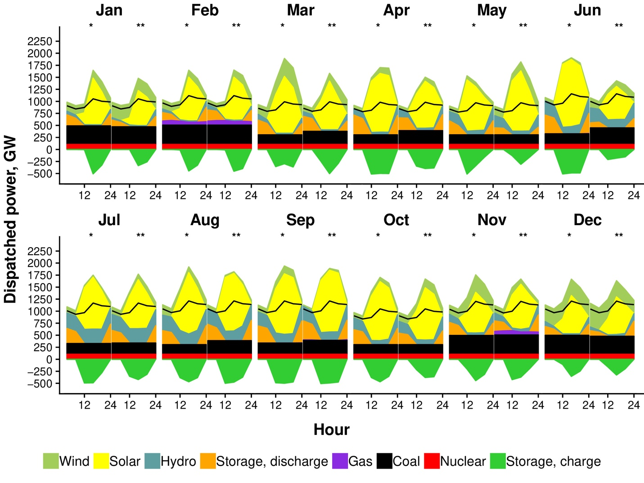
2030010112 | 20300101 | 20 | 1 | 12 | 203486 | 0 | 675715 | -226545 | 104274 | 24271 | 384032 | 1052350.77
2030010116 | 20300101 | 20 | 1 | 16 | 203486 | 0 | 705348 | -302853 | 104274 | 24270 | 364220 | 1001682.05
2030010120 | 20300101 | 20 | 1 | 20 | 203486 | 0 | 0 | 274106 | 104274 | 162916 | 324390 | 988040.43
2030012800 | 20300128 | 600 | 1 | 0 | 405364 | 0 | 0 | 257900 | 104274 | 53650 | 164285 | 908139.74
2030012804 | 20300128 | 600 | 1 | 4 | 405364 | 0 | 0 | 181943 | 104274 | 62729 | 161510 | 841880.62
2030012808 | 20300128 | 600 | 1 | 8 | 405364 | 0 | 314797 | -52818 | 104274 | 24601 | 152656 | 873061.37
2030012812 | 20300128 | 600 | 1 | 12 | 405364 | 0 | 918180 | -422352 | 104274 | 24271 | 144075 | 1052350.77
2030012816 | 20300128 | 600 | 1 | 16 | 405364 | 0 | 814660 | -418645 | 104274 | 24271 | 181734 | 1001682.05
2030012820 | 20300128 | 600 | 1 | 20 | 405364 | 0 | 0 | 241233 | 104274 | 124172 | 198302 | 988040.43
2030020300 | 20300203 | 545 | 2 | 0 | 410788 | 34139 | 0 | 204190 | 104274 | 53721 | 232778 | 966011.39
2030020304 | 20300203 | 545 | 2 | 4 | 410788 | 34175 | 0 | 160117 | 104274 | 41880 | 213072 | 895529.88
2030020308 | 20300203 | 545 | 2 | 8 | 410788 | 33183 | 299382 | -48935 | 104274 | 25290 | 178422 | 928697.64
2030020312 | 20300203 | 545 | 2 | 12 | 410788 | 27924 | 910042 | -407851 | 104274 | 25287 | 151668 | 1119412.34
2030020316 | 20300203 | 545 | 2 | 16 | 410788 | 28296 | 867138 | -395662 | 104274 | 25287 | 166778 | 1065514.69
2030020320 | 20300203 | 545 | 2 | 20 | 410788 | 47958 | 0 | 285020 | 104274 | 155433 | 130544 | 1051003.82
2030020400 | 20300204 | 20 | 2 | 0 | 410788 | 90746 | 0 | 234520 | 104274 | 100438 | 98741 | 966011.39
2030020404 | 20300204 | 20 | 2 | 4 | 410788 | 101384 | 0 | 172779 | 104274 | 69128 | 104909 | 895529.88
2030020408 | 20300204 | 20 | 2 | 8 | 410788 | 44732 | 286136 | -9385 | 104274 | 25290 | 141957 | 928697.64
2030020412 | 20300204 | 20 | 2 | 12 | 410788 | 30580 | 905465 | -394664 | 104274 | 25287 | 155389 | 1119412.34
2030020416 | 20300204 | 20 | 2 | 16 | 410788 | 32439 | 835248 | -420318 | 104274 | 25287 | 198855 | 1065514.69
2030020420 | 20300204 | 20 | 2 | 20 | 410788 | 80805 | 0 | 220835 | 104274 | 81496 | 230471 | 1051003.82
2030031400 | 20300314 | 20 | 3 | 0 | 250627 | 512 | 0 | 287504 | 104274 | 113244 | 168476 | 855767.22
2030031404 | 20300314 | 20 | 3 | 4 | 250627 | 628 | 0 | 294335 | 104274 | 66604 | 142104 | 793329.3
2030031408 | 20300314 | 20 | 3 | 8 | 250627 | 398 | 679747 | -299743 | 104274 | 33187 | 120569 | 822711.81
2030031412 | 20300314 | 20 | 3 | 12 | 250627 | 0 | 1003177 | -421997 | 104274 | 32140 | 137131 | 991661.61
2030031416 | 20300314 | 20 | 3 | 16 | 250627 | 70 | 887895 | -395191 | 104274 | 32824 | 190345 | 943914.92
2030031420 | 20300314 | 20 | 3 | 20 | 250627 | 642 | 28548 | 268827 | 104274 | 140497 | 230349 | 931060.04
2030031700 | 20300317 | 600 | 3 | 0 | 203486 | 685 | 0 | 259046 | 104274 | 177701 | 178777 | 855767.22
2030031704 | 20300317 | 600 | 3 | 4 | 203486 | 0 | 0 | 272351 | 104274 | 60143 | 216000 | 793329.3
2030031708 | 20300317 | 600 | 3 | 8 | 203486 | 0 | 653840 | -263174 | 104274 | 32165 | 235588 | 822711.81
2030031712 | 20300317 | 600 | 3 | 12 | 203486 | 0 | 989709 | -411914 | 104274 | 32140 | 292529 | 991661.61
2030031716 | 20300317 | 600 | 3 | 16 | 203486 | 0 | 983753 | -370994 | 104274 | 32140 | 351122 | 943914.92
2030031720 | 20300317 | 600 | 3 | 20 | 203486 | 29 | 28534 | 263951 | 104274 | 78737 | 329433 | 931060.04
2030040100 | 20300401 | 20 | 4 | 0 | 403222 | 19229 | 0 | 138993 | 104274 | 141490 | 106064 | 847492.36
2030040104 | 20300401 | 20 | 4 | 4 | 403222 | 17672 | 0 | 76076 | 104274 | 156593 | 89493 | 785658.15
2030040108 | 20300401 | 20 | 4 | 8 | 403222 | 0 | 438409 | -157436 | 104274 | 48839 | 75723 | 814756.62
2030040112 | 20300401 | 20 | 4 | 12 | 403222 | 0 | 600138 | -179063 | 104274 | 55195 | 84787 | 982072.67
2030040116 | 20300401 | 20 | 4 | 16 | 403222 | 0 | 545509 | -198533 | 104274 | 56683 | 106691 | 934787.65
2030040120 | 20300401 | 20 | 4 | 20 | 403222 | 22114 | 28612 | 190696 | 104274 | 169872 | 77316 | 922057.15
2030040200 | 20300402 | 580 | 4 | 0 | 302033 | 0 | 0 | 289612 | 104274 | 159816 | 62492 | 847492.36
2030040204 | 20300402 | 580 | 4 | 4 | 302033 | 0 | 0 | 284665 | 104274 | 101120 | 58933 | 785658.15
2030040208 | 20300402 | 580 | 4 | 8 | 302033 | 0 | 662925 | -311044 | 104274 | 63956 | 63897 | 814756.62
2030040212 | 20300402 | 580 | 4 | 12 | 302033 | 0 | 982059 | -421819 | 104274 | 48800 | 110584 | 982072.67
2030040216 | 20300402 | 580 | 4 | 16 | 302033 | 0 | 1102222 | -420311 | 104274 | 48819 | 139728 | 934787.65
2030040220 | 20300402 | 580 | 4 | 20 | 302033 | 0 | 11254 | 304464 | 104274 | 204682 | 72102 | 922057.15
2030051400 | 20300514 | 20 | 5 | 0 | 203486 | 0 | 0 | 100866 | 104274 | 269532 | 218735 | 837960.54
2030051404 | 20300514 | 20 | 5 | 4 | 203486 | 0 | 496 | 115476 | 104274 | 176209 | 230793 | 776821.79
2030051408 | 20300514 | 20 | 5 | 8 | 203486 | 0 | 848429 | -154319 | 104274 | 76376 | 166918 | 805592.95
2030051412 | 20300514 | 20 | 5 | 12 | 203486 | 0 | 1147795 | -115962 | 104274 | 76376 | 220095 | 971027.26
2030051416 | 20300514 | 20 | 5 | 16 | 203486 | 0 | 1051894 | -163487 | 104274 | 83072 | 277940 | 924274.06
2030051420 | 20300514 | 20 | 5 | 20 | 203486 | 0 | 29156 | 103020 | 104274 | 261321 | 285012 | 911686.72
2030051900 | 20300519 | 600 | 5 | 0 | 229157 | 0 | 0 | 209443 | 104274 | 236575 | 125076 | 837960.54
2030051904 | 20300519 | 600 | 5 | 4 | 229157 | 0 | 641 | 175970 | 104274 | 208639 | 119300 | 776821.79
2030051908 | 20300519 | 600 | 5 | 8 | 229157 | 0 | 985069 | -421097 | 104274 | 76376 | 96861 | 805592.95
2030051912 | 20300519 | 600 | 5 | 12 | 229157 | 0 | 838807 | -305977 | 104274 | 91921 | 99943 | 971027.26
2030051916 | 20300519 | 600 | 5 | 16 | 229157 | 0 | 593154 | -112311 | 104274 | 88620 | 104280 | 924274.06
2030051920 | 20300519 | 600 | 5 | 20 | 229157 | 0 | 29306 | 252231 | 104274 | 268968 | 104474 | 911686.72
2030060800 | 20300608 | 20 | 6 | 0 | 331932 | 0 | 0 | 198801 | 104274 | 285199 | 164929 | 999023.55
2030060804 | 20300608 | 20 | 6 | 4 | 331932 | 0 | 141 | 150890 | 104274 | 295229 | 123697 | 926133.4
2030060808 | 20300608 | 20 | 6 | 8 | 331932 | 0 | 513113 | -179615 | 104274 | 181602 | 91787 | 960434.65
2030060812 | 20300608 | 20 | 6 | 12 | 331932 | 0 | 850147 | -261570 | 104274 | 149308 | 117001 | 1157666.79
2030060816 | 20300608 | 20 | 6 | 16 | 331932 | 0 | 759749 | -303270 | 104274 | 144858 | 164189 | 1101927.26
2030060820 | 20300608 | 20 | 6 | 20 | 331932 | 0 | 29527 | 216330 | 104274 | 324612 | 174848 | 1086920.51
2030061100 | 20300611 | 580 | 6 | 0 | 301436 | 0 | 0 | 314006 | 104274 | 300372 | 65284 | 999023.55
2030061104 | 20300611 | 580 | 6 | 4 | 301436 | 0 | 269 | 272899 | 104274 | 273410 | 55256 | 926133.4
2030061108 | 20300611 | 580 | 6 | 8 | 301436 | 0 | 918660 | -406784 | 104274 | 132098 | 33075 | 960434.65
2030061112 | 20300611 | 580 | 6 | 12 | 301436 | 0 | 1105815 | -393795 | 104274 | 170503 | 49135 | 1157666.79
2030061116 | 20300611 | 580 | 6 | 16 | 301436 | 0 | 1124310 | -401766 | 104274 | 136890 | 80619 | 1101927.26
2030061120 | 20300611 | 580 | 6 | 20 | 301436 | 2228 | 39631 | 330435 | 104274 | 326772 | 84677 | 1086920.51
2030070700 | 20300707 | 600 | 7 | 0 | 264343 | 0 | 0 | 298177 | 104274 | 323271 | 109116 | 1008695
2030070704 | 20300707 | 600 | 7 | 4 | 264343 | 0 | 382 | 221849 | 104274 | 319449 | 108254 | 935099.24
2030070708 | 20300707 | 600 | 7 | 8 | 264343 | 0 | 722902 | -396985 | 104274 | 297279 | 59357 | 969732.55
2030070712 | 20300707 | 600 | 7 | 12 | 264343 | 0 | 966892 | -358741 | 104274 | 244754 | 64847 | 1168874.07
2030070716 | 20300707 | 600 | 7 | 16 | 264343 | 0 | 899262 | -337382 | 104274 | 260305 | 95939 | 1112594.91
2030070720 | 20300707 | 600 | 7 | 20 | 264343 | 0 | 33130 | 313874 | 104274 | 334420 | 148372 | 1097442.88
2030070800 | 20300708 | 20 | 7 | 0 | 280029 | 0 | 0 | 191894 | 104274 | 332536 | 179750 | 1008695
2030070804 | 20300708 | 20 | 7 | 4 | 280029 | 0 | 83 | 117640 | 104274 | 315824 | 188128 | 935099.24
2030070808 | 20300708 | 20 | 7 | 8 | 280029 | 0 | 510541 | -293860 | 104274 | 297279 | 144737 | 969732.55
2030070812 | 20300708 | 20 | 7 | 12 | 280029 | 0 | 649642 | -248471 | 104274 | 304383 | 176977 | 1168874.07
2030070816 | 20300708 | 20 | 7 | 16 | 280029 | 0 | 453584 | -140789 | 104274 | 297845 | 207398 | 1112594.91
2030070820 | 20300708 | 20 | 7 | 20 | 280029 | 0 | 25096 | 211314 | 104274 | 332962 | 232844 | 1097442.88
2030080400 | 20300804 | 20 | 8 | 0 | 324865 | 0 | 0 | 306444 | 104274 | 328452 | 74161 | 1047450.67
2030080404 | 20300804 | 20 | 8 | 4 | 324865 | 0 | 67 | 232597 | 104274 | 313003 | 77407 | 971027.26
2030080408 | 20300804 | 20 | 8 | 8 | 324865 | 0 | 897031 | -404999 | 104274 | 186718 | 54209 | 1006991.21
2030080412 | 20300804 | 20 | 8 | 12 | 324865 | 0 | 1091199 | -387177 | 104274 | 183794 | 79671 | 1213784.09
2030080416 | 20300804 | 20 | 8 | 16 | 324865 | 0 | 679743 | -310065 | 104274 | 311015 | 137365 | 1155342.57
2030080420 | 20300804 | 20 | 8 | 20 | 324865 | 0 | 10072 | 300960 | 104274 | 325183 | 169424 | 1139608.38
2030081300 | 20300813 | 600 | 8 | 0 | 203486 | 0 | 0 | 233239 | 104274 | 318028 | 273043 | 1047450.67
2030081304 | 20300813 | 600 | 8 | 4 | 203486 | 0 | 7 | 189881 | 104274 | 320245 | 228834 | 971027.26
2030081308 | 20300813 | 600 | 8 | 8 | 203486 | 0 | 567999 | -214075 | 104274 | 248280 | 190809 | 1006991.21
2030081312 | 20300813 | 600 | 8 | 12 | 203486 | 0 | 898168 | -315432 | 104274 | 237792 | 217236 | 1213784.09
2030081316 | 20300813 | 600 | 8 | 16 | 203486 | 0 | 913596 | -369113 | 104274 | 173039 | 292550 | 1155342.57
2030081320 | 20300813 | 600 | 8 | 20 | 203486 | 0 | 15834 | 259511 | 104274 | 328748 | 326284 | 1139608.38
2030090200 | 20300902 | 580 | 9 | 0 | 285899 | 0 | 0 | 138373 | 104274 | 285478 | 309100 | 1046647.64
2030090204 | 20300902 | 580 | 9 | 4 | 285899 | 0 | 0 | 83682 | 104274 | 273915 | 293092 | 970282.8
2030090208 | 20300902 | 580 | 9 | 8 | 285899 | 0 | 493428 | -237526 | 104274 | 189383 | 247709 | 1006219.23
2030090212 | 20300902 | 580 | 9 | 12 | 285899 | 0 | 741000 | -250168 | 104274 | 196200 | 236991 | 1212853.52
2030090216 | 20300902 | 580 | 9 | 16 | 285899 | 0 | 720429 | -263520 | 104274 | 205728 | 202749 | 1154456.81
2030090220 | 20300902 | 580 | 9 | 20 | 285899 | 20405 | 10081 | 351517 | 104274 | 331247 | 135967 | 1138734.67
2030090800 | 20300908 | 20 | 9 | 0 | 405823 | 2526 | 0 | 305177 | 104274 | 300566 | 21132 | 1046647.64
2030090804 | 20300908 | 20 | 9 | 4 | 405823 | 3146 | 0 | 249635 | 104274 | 266965 | 26841 | 970282.8
2030090808 | 20300908 | 20 | 9 | 8 | 405823 | 0 | 815652 | -410429 | 104274 | 179366 | 24780 | 1006219.23
2030090812 | 20300908 | 20 | 9 | 12 | 405823 | 2526 | 1000824 | -380816 | 104274 | 183853 | 32527 | 1212853.52
2030090816 | 20300908 | 20 | 9 | 16 | 405823 | 2541 | 1064529 | -382009 | 104274 | 136219 | 49251 | 1154456.81
2030090820 | 20300908 | 20 | 9 | 20 | 405823 | 2526 | 7570 | 339256 | 104274 | 304103 | 78305 | 1138734.67
2030100300 | 20301003 | 20 | 10 | 0 | 203486 | 0 | 0 | 180378 | 104274 | 212309 | 268695 | 903949.95
2030100304 | 20301003 | 20 | 10 | 4 | 203486 | 0 | 0 | 118096 | 104274 | 216357 | 255094 | 837996.53
2030100308 | 20301003 | 20 | 10 | 8 | 203486 | 0 | 535075 | -132050 | 104274 | 98418 | 193994 | 869033.42
2030100312 | 20301003 | 20 | 10 | 12 | 203486 | 0 | 843437 | -189879 | 104274 | 91160 | 200177 | 1047495.66
2030100316 | 20301003 | 20 | 10 | 16 | 203486 | 0 | 928800 | -393771 | 104274 | 84485 | 211907 | 997060.63
2030100320 | 20301003 | 20 | 10 | 20 | 203486 | 0 | 2918 | 243784 | 104274 | 313666 | 194110 | 983482.03
2030100900 | 20301009 | 600 | 10 | 0 | 203486 | 0 | 0 | 157926 | 104274 | 217912 | 289227 | 903949.95
2030100904 | 20301009 | 600 | 10 | 4 | 203486 | 0 | 0 | 99111 | 104274 | 204532 | 294230 | 837996.53
2030100908 | 20301009 | 600 | 10 | 8 | 203486 | 0 | 646810 | -195165 | 104274 | 82820 | 270446 | 869033.42
2030100912 | 20301009 | 600 | 10 | 12 | 203486 | 0 | 996543 | -222585 | 104274 | 83973 | 248935 | 1047495.66
2030100916 | 20301009 | 600 | 10 | 16 | 203486 | 0 | 1026753 | -188939 | 104274 | 102878 | 225143 | 997060.63
2030100920 | 20301009 | 600 | 10 | 20 | 203486 | 0 | 0 | 201131 | 104274 | 316073 | 233633 | 983482.03
2030111000 | 20301110 | 20 | 11 | 0 | 410788 | 80590 | 0 | 265814 | 104274 | 131624 | 129283 | 1039071.09
2030111004 | 20301110 | 20 | 11 | 4 | 410788 | 92061 | 0 | 225098 | 104274 | 84839 | 124290 | 963259.02
2030111008 | 20301110 | 20 | 11 | 8 | 410788 | 93135 | 720170 | -422299 | 104274 | 51613 | 123125 | 998935.26
2030111012 | 20301110 | 20 | 11 | 12 | 410788 | 69717 | 883119 | -294667 | 104274 | 55192 | 84751 | 1204073.78
2030111016 | 20301110 | 20 | 11 | 16 | 410788 | 74507 | 789443 | -272435 | 104274 | 53850 | 87952 | 1146099.83
2030111020 | 20301110 | 20 | 11 | 20 | 410788 | 67201 | 0 | 263374 | 104274 | 286841 | 89026 | 1130491.52
2030112800 | 20301128 | 580 | 11 | 0 | 378301 | 585 | 0 | 283748 | 104274 | 164635 | 193436 | 1039071.09
2030112804 | 20301128 | 580 | 11 | 4 | 378301 | 624 | 0 | 209949 | 104274 | 139123 | 210856 | 963259.02
2030112808 | 20301128 | 580 | 11 | 8 | 378301 | 0 | 445887 | -169491 | 104274 | 53746 | 269974 | 998935.26
2030112812 | 20301128 | 580 | 11 | 12 | 378301 | 0 | 839071 | -383463 | 104274 | 63064 | 307787 | 1204073.78
2030112816 | 20301128 | 580 | 11 | 16 | 378301 | 155 | 783358 | -397864 | 104274 | 52516 | 329047 | 1146099.83
2030112820 | 20301128 | 580 | 11 | 20 | 378301 | 538 | 0 | 229967 | 104274 | 190775 | 317157 | 1130491.52
2030120500 | 20301205 | 20 | 12 | 0 | 223870 | 591 | 0 | 138779 | 104274 | 49261 | 617980 | 1044308.32
2030120504 | 20301205 | 20 | 12 | 4 | 223870 | 510 | 0 | 63840 | 104274 | 39766 | 618464 | 968114.19
2030120508 | 20301205 | 20 | 12 | 8 | 223870 | 109 | 358472 | -174796 | 104274 | 31086 | 562551 | 1003970.2
2030120512 | 20301205 | 20 | 12 | 12 | 223870 | 419 | 677221 | -233331 | 104274 | 31020 | 504466 | 1210142.71
2030120516 | 20301205 | 20 | 12 | 16 | 223870 | 0 | 647766 | -181545 | 104274 | 31020 | 474698 | 1151876.56
2030120520 | 20301205 | 20 | 12 | 20 | 223870 | 521 | 0 | 240578 | 104274 | 216964 | 442149 | 1136189.56
2030121100 | 20301211 | 600 | 12 | 0 | 229655 | 0 | 0 | 266959 | 104274 | 109819 | 414370 | 1044308.32
2030121104 | 20301211 | 600 | 12 | 4 | 229655 | 0 | 0 | 110811 | 104274 | 92855 | 505968 | 968114.19
2030121108 | 20301211 | 600 | 12 | 8 | 229655 | 0 | 355236 | -153003 | 104274 | 31020 | 513423 | 1003970.2
2030121112 | 20301211 | 600 | 12 | 12 | 229655 | 0 | 770596 | -333041 | 104274 | 31020 | 506444 | 1210142.71
2030121116 | 20301211 | 600 | 12 | 16 | 229655 | 0 | 744296 | -352422 | 104274 | 31020 | 522805 | 1151876.56
2030121120 | 20301211 | 600 | 12 | 20 | 229655 | 0 | 0 | 260613 | 104274 | 104407 | 524038 | 1136189.56

Fig.4
Unit: MtCO2 |  |  |  |  | Unit: $/MWh
CO2 | B | R | C50 | C80 | Power Cost | B | R | C50 | C80
2015 | 3800 | 3800 | 3800 | 3800 | 2015 | 60.50 | 60.50 | 60.50 | 60.50
2020 | 3850.00 | 3735.81 | 3121.66 | 2747.06 | 2020 | 66.00 | 65.89 | 66.39 | 69.65
2025 | 3993.47 | 3625.54 | 2497.32 | 1748.13 | 2025 | 69.37 | 65.97 | 69.57 | 82.98
2030 | 3977.41 | 2966.96 | 1914.20 | 760.00 | 2030 | 73.52 | 65.08 | 69.47 | 89.08

Total Power Costs | 3.2109849203E+11 | 2.842314763E+11 | 3.0341234425E+11 | 3.8903731189E+11
 |  | R | C50 | C80
Cost of Conserved Carbon |  | (36) | (9) | 21

Fig.5
Scenerio | Existing Local Transmission and Distribution Costs | New Local Transmission and Distribution Costs | Existing Inter-provincial Transmission Costs | New Inter-provincial Transmission Costs | Existing Plants Capital Costs | Existing Plants O&M Costs | Coal Fuel Costs | New Gas Plant Capital Costs | Gas Fuel Costs | New Nuclear Plant Capital Costs | Nuclear Fuel Costs | New Wind Plant Costs | New Solar Plant Costs | New Storage Costs | total_cost
B | 20,998,500,000 | 15,756,572,751 | 6,299,550,000 | 3,290,111,175 | 60,270,528,986 | 16,529,925,597 | 98,680,622,135 | 8,616,376,468 | 9,047,097,186 | 13,181,843,855 | 4,538,904,230 | 35,632,436,621 | 15,856,162,986 | 2,988,089,887 | 311,686,721,879
R | 20,998,500,000 | 15,756,572,751 | 6,299,550,000 | 5,148,733,752 | 60,270,528,986 | 13,684,722,644 | 64,885,117,793 | 4,731,465,144 | 997,274,657 | 13,181,843,811 | 4,538,904,274 | 24,394,173,672 | 28,464,985,937 | 12,602,824,418 | 275,955,197,839
C50 | 20,998,500,000 | 15,756,572,751 | 6,299,550,000 | 8,315,086,315 | 60,270,528,986 | 7,616,957,915 | 46,353,264,512 | 5,911,792,638 | 1,781,480,947 | 13,181,843,811 | 4,538,904,187 | 34,561,053,673 | 41,299,545,756 | 18,214,858,101 | 285,099,939,592
C80 | 20,998,500,000 | 15,756,572,751 | 6,299,550,000 | 12,577,391,897 | 60,270,528,986 | 7,587,236,837 | 17,797,955,401 | 11,043,636,676 | 16,342,718,268 | 14,637,088,868 | 4,538,904,143 | 71,197,693,289 | 87,839,165,496 | 42,150,369,281 | 389,037,311,894

 | 7% | 5% | 2% | 1% | 19% | 5% | 32% | 3% | 3% | 4% | 1% | 11% | 5% | 1%
 | 8% | 6% | 2% | 2% | 22% | 5% | 24% | 2% | 0% | 5% | 2% | 9% | 10% | 5%
 | 7% | 6% | 2% | 3% | 21% | 3% | 16% | 2% | 1% | 5% | 2% | 12% | 14% | 6%
 | 5% | 4% | 2% | 3% | 15% | 2% | 5% | 3% | 4% | 4% | 1% | 18% | 23% | 11%

 | B | R | C50 | C80
2015 | 60.50 | 60.50 | 60.50 | 60.50
2020 | 66.00 | 65.89 | 66.39 | 69.65
2025 | 69.37 | 65.97 | 69.57 | 82.98
2030 | 73.52 | 65.08 | 69.47 | 89.08

2020 |  | -0.11 | 0.38 | 3.64
2025 |  | -3.40 | 0.19 | 13.61
2030 |  | -8.44 | -4.05 | 15.56

 |  | -11% | 6.7% | 37%
 |  |  | -5.5% | 21%

Fig.6
Capacity mix in the R scenario in 2030
Unit: MW
Province | Coal | Gas | Solar | Storage | Nuclear | Hydro | Wind
Anhui | 40,750 | 3,568 | 8,878 | 1,112 | 2,350 | 3,630 | 11,204
Beijing | 620 | 9,100 | 249 | 1,000 | - | 1,561 | 188
Chongqing | 10,810 | 3,517 | 126 | - | - | 7,088 | 6,033
East_Inner_Mongolia | 10,710 | 1,563 | 103,470 | 20,606 | - | 721 | 10,000
Fujian | 21,912 | 7,566 | 928 | 451 | 15,397 | 11,586 | 14,719
Gansu | 16,900 | 2,555 | 7,857 | 154 | - | 7,800 | 12,821
Guangdong | 41,920 | 16,045 | 83,695 | 1,083 | 32,064 | 21,090 | 22,503
Guangxi | 7,770 | 3,437 | 690 | - | 2,030 | 15,481 | 38,094
Guizhou | 7,275 | 4,526 | 57,885 | 5,051 | - | 20,493 | 29,969
Hainan | 2,019 | 469 | 4,020 | 873 | 1,222 | 1,395 | 1,148
Hebei | 34,300 | 6,910 | 73,300 | 2,664 | - | 6,755 | 29,737
Heilongjiang | 12,780 | 1,836 | 941 | 2,525 | - | 795 | 68,192
Henan | 53,110 | 8,173 | 7,035 | 6,653 | - | 3,916 | 2,331
Hubei | 19,370 | 5,931 | 4,134 | - | 4,700 | 36,056 | 18,238
Hunan | 16,720 | 6,311 | 1,757 | - | 7,050 | 14,111 | 2,635
Jiangsu | 58,787 | 15,179 | 10,216 | 1,037 | 18,010 | 4,841 | 10,000
Jiangxi | 15,400 | 3,939 | 4,494 | - | 3,525 | 5,617 | 24,168
Jilin | 12,920 | 2,564 | 1,592 | - | - | 3,702 | 35,137
Liaoning | 23,755 | 6,460 | 2,226 | 1,042 | 8,478 | 3,921 | 21,176
Ningxia | 15,910 | 2,118 | 43,526 | 10,328 | - | 333 | 23,176
Qinghai | 2,465 | 1,597 | 231,790 | 88,515 | - | 11,423 | 24,544
Shaanxi | 25,700 | 2,070 | 163,341 | 40,839 | - | 3,253 | 38,694
Shandong | 49,390 | 9,668 | 47,550 | 745 | 12,567 | 2,090 | 19,421
Shanghai | 12,300 | 6,367 | 578 | 4,499 | - | - | 712
Shanxi | 48,955 | 3,850 | 5,904 | - | - | 4,992 | 31,066
Sichuan | 10,440 | 6,282 | 17,919 | 743 | - | 74,738 | 15,085
Tianjin | 8,660 | 5,209 | 678 | 1,932 | - | 17 | 286
Tibet | - | 160 | 3,500 | 241 | - | 1,673 | -
West_Inner_Mongolia | 52,490 | 2,146 | 291,203 | 97,935 | - | 3,016 | 18,849
Xinjiang | 32,510 | 2,023 | 9,340 | 4,568 | - | 6,424 | 80,392
Yunnan | - | 4,139 | 62,131 | 12,836 | - | 60,527 | 41,776
Zhejiang | 40,137 | 12,314 | 8,137 | - | 13,207 | 14,127 | 10,770

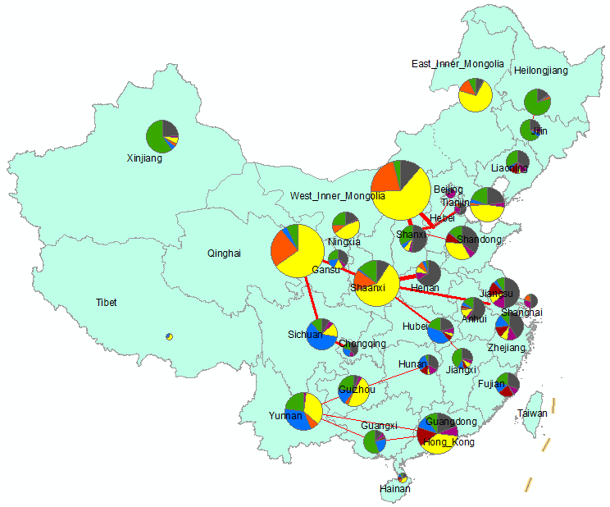
Coal
Gas
Solar
Storage
Nuclear
Hydro
Wind
New transmission in the R scenario in 2030
Unit: MW
province_start | province_end | capacity_mw
Qinghai | Gansu | 40,000
West_Inner_Mongolia | Hebei | 40,000
West_Inner_Mongolia | Shanxi | 26,772
Shaanxi | Henan | 26,652
Qinghai | Sichuan | 20,000
Shaanxi | Jiangsu | 20,000
Sichuan | Chongqing | 18,147
Shanxi | Hebei | 17,392
Gansu | Shaanxi | 16,838
Hebei | Tianjin | 15,738
Shaanxi | Hubei | 14,230
Yunnan | Guizhou | 9,211
Yunnan | Guangxi | 9,138
Hubei | Jiangxi | 7,441
Zhejiang | Shanghai | 6,827
Hebei | Beijing | 4,983
Heilongjiang | Jilin | 4,947
Guangxi | Guangdong | 3,832
Shanxi | Shandong | 3,419
Yunnan | Guangdong | 1,747
Guizhou | Hunan | 659

Fig. 7
Unit: TWh
region_from | to_region | total_energy_sent_twh | region_from_long | region_to_lat | to_region_long | to_region_lat
Central | Central | 0 | 105 | 31 | 105 | 31
Central | East | 111.224 | 105 | 31 | 122 | 31
Central | North | -132.256 | 105 | 31 | 115 | 39
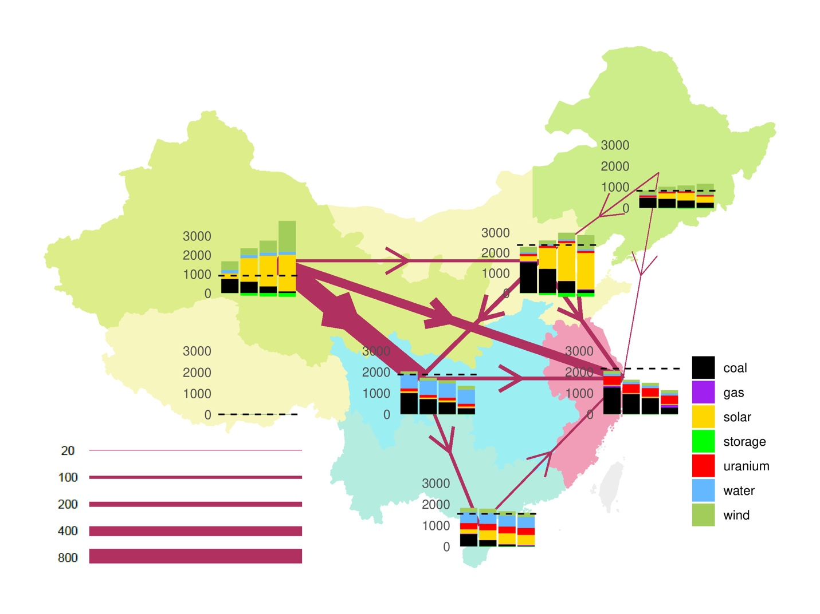
Central | Northeast | 0 | 105 | 31 | 125 | 45
Central | Northwest | -672.022 | 105 | 31 | 93 | 39
Central | South | 97.048 | 105 | 31 | 110 | 21
Central | Tibet | 0 | 105 | 31 | 90 | 31
East | Central | -111.224 | 122 | 31 | 105 | 31
East | East | 0 | 122 | 31 | 122 | 31
East | North | -125.882 | 122 | 31 | 115 | 39
East | Northeast | -21.944 | 122 | 31 | 125 | 45
East | Northwest | -287.878 | 122 | 31 | 93 | 39
East | South | -57.906 | 122 | 31 | 110 | 21
East | Tibet | 0 | 122 | 31 | 90 | 31
North | Central | 132.256 | 115 | 39 | 105 | 31
North | East | 125.882 | 115 | 39 | 122 | 31
North | North | 0 | 115 | 39 | 115 | 39
North | Northeast | -34.098 | 115 | 39 | 125 | 45
North | Northwest | -89.232 | 115 | 39 | 93 | 39
North | South | 0 | 115 | 39 | 110 | 21
North | Tibet | 0 | 115 | 39 | 90 | 31
Northeast | Central | 0 | 125 | 45 | 105 | 31
Northeast | East | 21.944 | 125 | 45 | 122 | 31
Northeast | North | 34.098 | 125 | 45 | 115 | 39
Northeast | Northeast | 0 | 125 | 45 | 125 | 45
Northeast | Northwest | 0 | 125 | 45 | 93 | 39
Northeast | South | 0 | 125 | 45 | 110 | 21
Northeast | Tibet | 0 | 125 | 45 | 90 | 31
Northwest | Central | 672.022 | 93 | 39 | 105 | 31
Northwest | East | 287.878 | 93 | 39 | 122 | 31
Northwest | North | 89.232 | 93 | 39 | 115 | 39
Northwest | Northeast | 0 | 93 | 39 | 125 | 45
Northwest | Northwest | 0 | 93 | 39 | 93 | 39
Northwest | South | 0 | 93 | 39 | 110 | 21
Northwest | Tibet | 0 | 93 | 39 | 90 | 31
South | Central | -97.048 | 110 | 21 | 105 | 31
South | East | 57.906 | 110 | 21 | 122 | 31
South | North | 0 | 110 | 21 | 115 | 39
South | Northeast | 0 | 110 | 21 | 125 | 45
South | Northwest | 0 | 110 | 21 | 93 | 39
South | South | 0 | 110 | 21 | 110 | 21
South | Tibet | 0 | 110 | 21 | 90 | 31
Tibet | Central | 0 | 90 | 31 | 105 | 31
Tibet | East | 0 | 90 | 31 | 122 | 31
Tibet | North | 0 | 90 | 31 | 115 | 39
Tibet | Northeast | 0 | 90 | 31 | 125 | 45
Tibet | Northwest | 0 | 90 | 31 | 93 | 39
Tibet | South | 0 | 90 | 31 | 110 | 21
Tibet | Tibet | 0 | 90 | 31 | 90 | 31

Fig.8a
Unit: MW
Period | Scenario | Coal | Gas | Solar | Storage | Nuclear | Hydro | Wind | Total
2020 | R | 828,281 | 116,284 | 133,306 | 5,097 | 98,200 | 353,172 | 164,989 | 1,699,329
 | D+20% | 850,467 | 159,900 | 138,048 | 9,770 | 98,200 | 353,172 | 245,732 | 1,855,289
 | C+20% | 828,975 | 115,934 | 133,306 | 4,678 | 98,200 | 353,172 | 164,989 | 1,699,254

2025 | R | 768,889 | 186,841 | 436,510 | 39,793 | 110,000 | 353,172 | 448,728 | 2,343,933
 | D+20% | 774,372 | 275,310 | 780,406 | 122,747 | 110,000 | 353,172 | 606,661 | 3,022,668
 | C+20% | 771,981 | 200,703 | 386,310 | 26,011 | 110,000 | 353,172 | 410,085 | 2,258,262

2030 | R | 706,785 | 167,589 | 1,259,092 | 307,434 | 120,600 | 353,172 | 663,064 | 3,577,736
 | D+20% | 744,842 | 256,909 | 1,891,728 | 486,007 | 120,600 | 353,172 | 1,035,390 | 4,888,648
 | C+20% | 736,338 | 180,024 | 976,117 | 222,952 | 120,600 | 353,172 | 653,749 | 3,242,952

2020 | R | 49% | 7% | 8% | 0% | 6% | 21% | 10%
 | D+20% | 46% | 9% | 7% | 1% | 5% | 19% | 13%
 | C+20% | 49% | 7% | 8% | 0% | 6% | 21% | 10%

2025 | R | 33% | 8% | 19% | 2% | 5% | 15% | 19%
 | D+20% | 26% | 9% | 26% | 4% | 4% | 12% | 20%
 | C+20% | 34% | 9% | 17% | 1% | 5% | 16% | 18%

2030 | R | 20% | 5% | 35% | 9% | 3% | 10% | 19%
 | D+20% | 15% | 5% | 39% | 10% | 2% | 7% | 21%
 | C+20% | 23% | 6% | 30% | 7% | 4% | 11% | 20%

 | Coal | Gas | Nuclear | Hydro | Solar | Wind | Storage
R | 828,281 | 116,284 | 98,200 | 353,172 | 133,306 | 164,989 | 5,097
D+20% | 850,467 | 159,900 | 98,200 | 353,172 | 138,048 | 245,732 | 9,770
C+20% | 828,975 | 115,934 | 98,200 | 353,172 | 133,306 | 164,989 | 4,678
 | -
R | 768,889 | 186,841 | 110,000 | 353,172 | 436,510 | 448,728 | 39,793
D+20% | 774,372 | 275,310 | 110,000 | 353,172 | 780,406 | 606,661 | 122,747
C+20% | 771,981 | 200,703 | 110,000 | 353,172 | 386,310 | 410,085 | 26,011
 | -
R | 706,785 | 167,589 | 120,600 | 353,172 | 1,259,092 | 663,064 | 307,434
D+20% | 744,842 | 256,909 | 120,600 | 353,172 | 1,891,728 | 1,035,390 | 486,007
C+20% | 736,338 | 180,024 | 120,600 | 353,172 | 976,117 | 653,749 | 222,952

Fig. 8b
Unit: TWh
Period | Scenario | Coal | Gas | Solar | Storage | Nuclear | Hydro | Wind | Total
2020 | R | 4,594 | 28 | 210 | (13) | 744 | 1,339 | 221 | 7136
 | D+20% | 5,005 | 59 | 222 | (16) | 744 | 1,343 | 372 | 7745
 | C+20% | 4,595 | 28 | 210 | (13) | 744 | 1,337 | 221 | 7135

2025 | R | 4,489 | 73 | 860 | (32) | 833 | 1,358 | 697 | 8310
 | D+20% | 4,823 | 173 | 1,593 | (99) | 833 | 1,364 | 927 | 9714
 | C+20% | 4,611 | 95 | 754 | (23) | 833 | 1,352 | 634 | 8280

2030 | R | 3,676 | 25 | 2,739 | (249) | 913 | 1,364 | 1,051 | 9769
 | D+20% | 4,032 | 66 | 4,066 | (397) | 913 | 1,365 | 1,546 | 11989
 | C+20% | 4,107 | 41 | 2,161 | (178) | 913 | 1,367 | 1,038 | 9629

2020 | R | 64% | 0% | 3% | 0% | 10% | 19% | 3%
 | D+20% | 65% | 1% | 3% | 0% | 10% | 17% | 5%
 | C+20% | 64% | 0% | 3% | 0% | 10% | 19% | 3%

2025 | R | 54% | 1% | 10% | 0% | 10% | 16% | 8%
 | D+20% | 50% | 2% | 16% | 1% | 9% | 14% | 10%
 | C+20% | 56% | 1% | 9% | 0% | 10% | 16% | 8%

2030 | R | 38% | 0% | 28% | 3% | 9% | 14% | 11%
 | D+20% | 34% | 1% | 34% | 3% | 8% | 11% | 13%
 | C+20% | 43% | 0% | 22% | 2% | 9% | 14% | 11%

 | Coal | Gas | Nuclear | Hydro | Solar | Wind | Storage
R | 4,594 | 28 | 744 | 1,339 | 210 | 221 | (13)
D+20% | 5,005 | 59 | 744 | 1,343 | 222 | 372 | (16)
C+20% | 4,595 | 28 | 744 | 1,337 | 210 | 221 | (13)
 | -
R | 4,489 | 73 | 833 | 1,358 | 860 | 697 | (32)
D+20% | 4,823 | 173 | 833 | 1,364 | 1,593 | 927 | (99)
C+20% | 4,611 | 95 | 833 | 1,352 | 754 | 634 | (23)
 | -
R | 3,676 | 25 | 913 | 1,364 | 2,739 | 1,051 | (249)
D+20% | 4,032 | 66 | 913 | 1,365 | 4,066 | 1,546 | (397)
C+20% | 4,107 | 41 | 913 | 1,367 | 2,161 | 1,038 | (178)

