lookups
2020_4 | 0
2020_5 | 1 | Boston Weather
2020_6 | 2 | month | year | rank | high | low | Ave | 2023-01-02 |  | high | low | Ave
2020_7 | 3 | 1 | 2019 | 46 | 34.8 | 17.1 | 26.0 |  | 2022 | 46.2 | 25.9 | 36.0
2020_8 | 4 | 2 | 2019 | 28 | 37.2 | 19.7 | 28.5 |  | 2021 | 45.7 | 27.4 | 36.5
2020_9 | 5 | 3 | 2019 | 71 | 43.5 | 23.8 | 33.7 |  | 2020 | 46.7 | 28.5 | 37.6
2020_10 | 6 | 4 | 2019 | 20 | 57.8 | 37.6 | 47.7
2020_11 | 7 | 11 | 2019 | 97 | 46.5 | 28.3 | 37.4
2020_12 | 8 | 12 | 2019 | 48 | 38.8 | 22.2 | 30.5
2021_1 | 9 | 1 | 2020 | 9 | 40.4 | 23.7 | 32.1
2021_2 | 10 | 2 | 2020 | 7 | 40.7 | 24.2 | 32.5
2021_3 | 11 | 3 | 2020 | 9 | 50.1 | 30.2 | 40.2
2021_4 | 12 | 4 | 2020 | 97 | 52.3 | 33.9 | 43.1
2021_5 | 13 | 11 | 2020 | 6 | 55.4 | 34 | 44.7
2021_6 | 14 | 12 | 2020 | 19 | 41.4 | 24.8 | 33.1
2021_7 | 15 | 1 | 2021 | 20 | 35.9 | 21.7 | 28.8
2021_8 | 16 | 2 | 2021 | 46 | 35.2 | 20 | 27.6
2021_9 | 17 | 3 | 2021 | 16 | 49.9 | 26.7 | 38.3
2021_10 | 18 | 4 | 2021 | 18 | 58.6 | 36.9 | 47.8
2021_11 | 19 | 11 | 2021 | 41 | 51.1 | 30.5 | 40.8
2021_12 | 20 | 12 | 2021 | 3 | 43.4 | 28.5 | 36.0
2022_1 | 21 | 1 | 2022 | 79 | 33.5 | 13.6 | 23.6
2022_2 | 22 | 2 | 2022 | 22 | 40.8 | 19 | 29.9
2022_3 | 23 | 3 | 2022 | 19 | 48.2 | 27.8 | 38.0
2022_4 | 24 | 4 | 2022 | 31 | 57.9 | 36.2 | 47.1
2022_5 | 25 | 11 | 2022 | 9 | 54.9 | 34.1 | 44.5
2022_6 | 26 | 12 | 2022 | 17 | 42.1 | 24.4 | 33.3
2022_7 | 27
2022_8 | 28
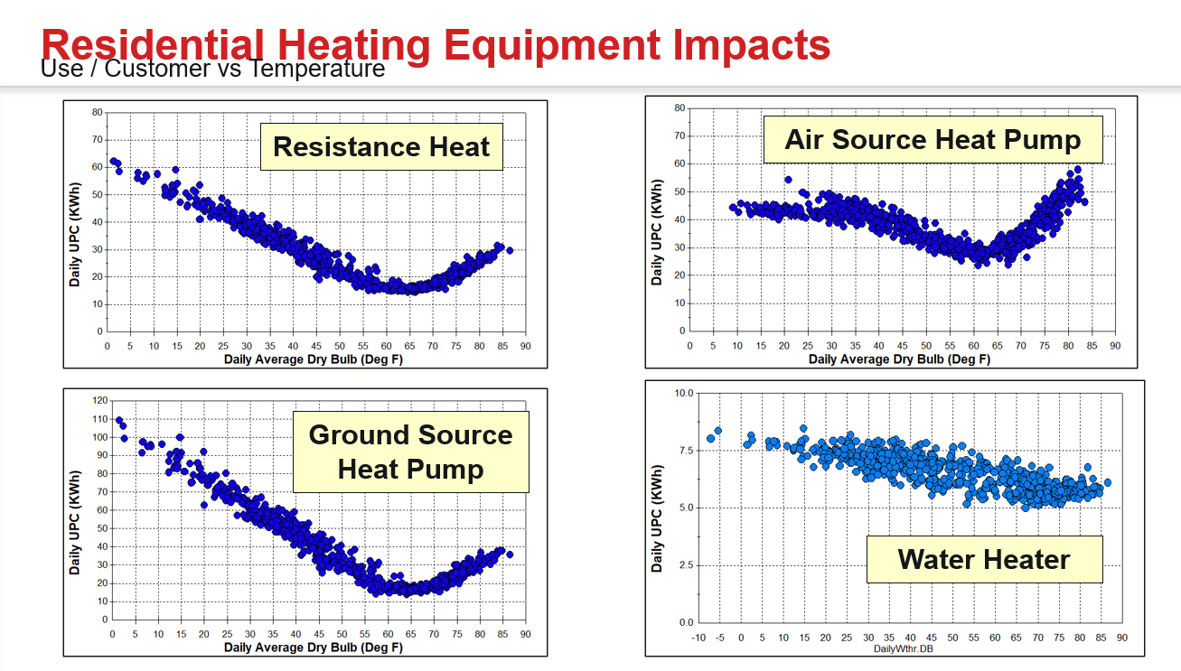
2022_9 | 29
2022_10 | 30
2022_11 | 31
2022_12 | 32
2023_1 | 33
2023_2 | 34
2023_3 | 35
2023_4 | 36
2023_5 | 37
2023_6 | 38
2023_7 | 39
2023_8 | 40
2023_9 | 41
2023_10 | 42
2023_11 | 43
2023_12 | 44

