Heat Pump Rate Design
Fitchburg Gas and Electric Light Company
Exhibit Unitil-JDT-6
Residential Heat Pump Rate Design

Line
1 | Assumptions:

2 | RD-1: Residential | Proposed Rate
3 | Customer Charge | $8.50
4 | Distribution Charge | $0.10585
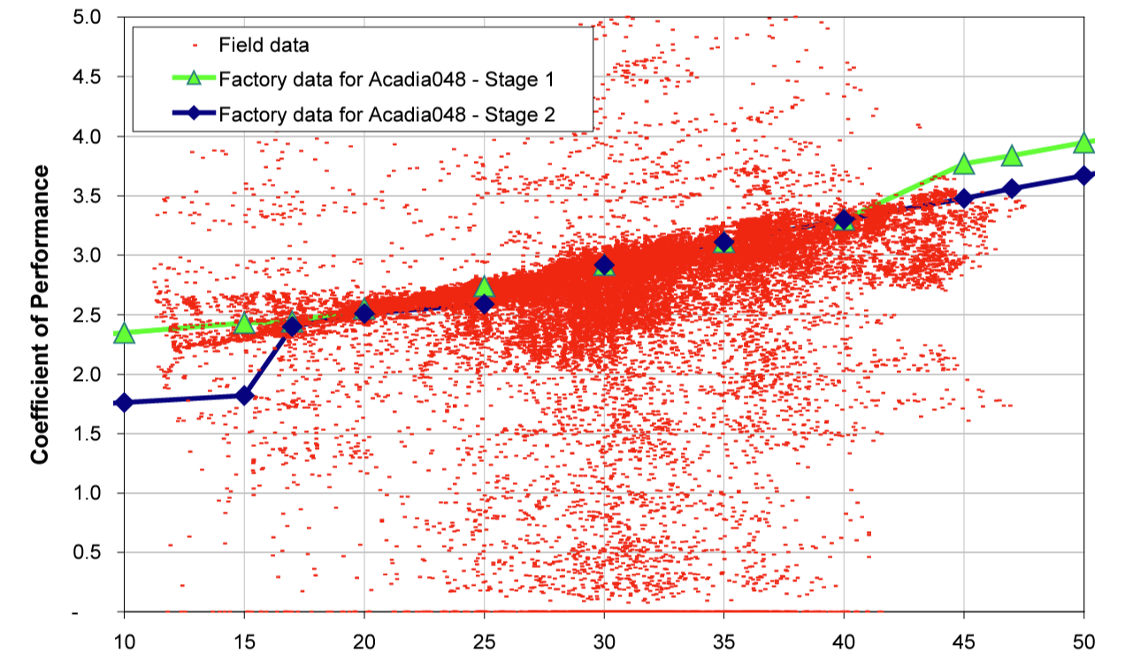
5 | Average Monthly UPC | RD-1 Average Monthly Use | Cost Recovery per Month | Fixed Cost Recovery in Volumetric Rate | Fixed Cost Recovery in Fixed Charge | Avg. Monthly Use with Heat Pump (kWh) | Normal Therm UPC | Therms (Heating Load) | Avg. Temp. | Avg. Temp COP | kWh Conversion | kWh Usage
6 | January | 684.49 | $80.95 | $72.45 | $8.50 | 2,137.04 | 139.20 | 123.94 | 26.8 | 2.50 | 3,631.37 | 1,452.55
7 | February | 634.50 | $75.66 | $67.16 | $8.50 | 2,019.85 | 145.28 | 130.02 | 28.7 | 2.75 | 3,809.73 | 1,385.35
8 | March | 552.57 | $66.99 | $58.49 | $8.50 | 1,632.76 | 125.86 | 110.60 | 35.6 | 3.00 | 3,240.57 | 1,080.19
9 | April | 441.97 | $55.28 | $46.78 | $8.50 | 1,130.16 | 97.46 | 82.21 | 46.4 | 3.50 | 2,408.67 | 688.19
10 | May | 434.82 | $54.53 | $46.03 | $8.50 | 434.82 | 51.10
11 | June | 472.29 | $58.49 | $49.99 | $8.50 | 472.29 | 15.11
12 | July | 596.23 | $71.61 | $63.11 | $8.50 | 596.23 | 16.02
13 | August | 717.36 | $84.43 | $75.93 | $8.50 | 717.36 | 11.96
14 | September | 537.72 | $65.42 | $56.92 | $8.50 | 537.72 | 17.95
15 | October | 405.51 | $51.42 | $42.92 | $8.50 | 405.51 | 22.80
16 | November | 427.78 | $53.78 | $45.28 | $8.50 | 864.76 | 63.73 | 48.47 | 40.2 | 3.25 | 1,420.18 | 436.98
17 | December | 550.50 | $66.77 | $58.27 | $8.50 | 1,434.63 | 105.78 | 90.53 | 32.7 | 3.00 | 2,652.40 | 884.13
 |  | 6,455.74 | $785.34 | $683.34 | $102.00 | 12,383.13 |  |  |  |  |  | 5,927.39
 |  |  |  |  |  |  | Summer Base Load | 15.26
18 | Derrivation of Heat Pump Rate |  |  |  |  |  | Therm to kWH Factor | 29.30
19 | Customer Charge | $8.50
20 | Customer Charge Revenue | $102.00

21 | Winter Volumetric Charge Revenue | $348.44 | per customer, November through April
22 | Volumetric Fixed Cost Recovery Charge | $0.03779 | Line 21 divided by Heat Pump kWh for Nov. through Apr.

23 | Results
24 | HP-RES: Residential Heat Pump Service | Proposed Rate
25 | Customer Charge | $8.50
26 | Distribution Charge - Winter | $0.03779
27 | Distribution Charge - Summer | $0.10585

 | Unit Cost of Service |  |  | RD-1 | Heat Pump | Difference
 | Customer (per cust month) | $45.47 |  | $80.95 | $89.26 | $8.31
 | Onsite and Customer Services | $26.68 |  | $75.66 | $84.83 | $9.17
 | Demand & Customer (per cust month) | $73.33 |  | $66.99 | $70.20 | $3.21
 |  |  |  | $55.28 | $51.21 | ($4.07)
 | Fixed costs per customer | $879.93 |  | $54.53 | $54.53 | $0.00
 |  |  |  | $58.49 | $58.49 | $0.00
 |  |  |  | $71.61 | $71.61 | $0.00
 |  |  |  | $84.43 | $84.43 | $0.00
 |  |  |  | $65.42 | $65.42 | $0.00
 |  |  |  | $51.42 | $51.42 | $0.00
 |  |  |  | $53.78 | $41.18 | ($12.60)
 |  |  |  | $66.77 | $62.71 | ($4.06)
 |  |  |  | $785.34 | $785.30 | ($0.04)

