GRC Dashboard
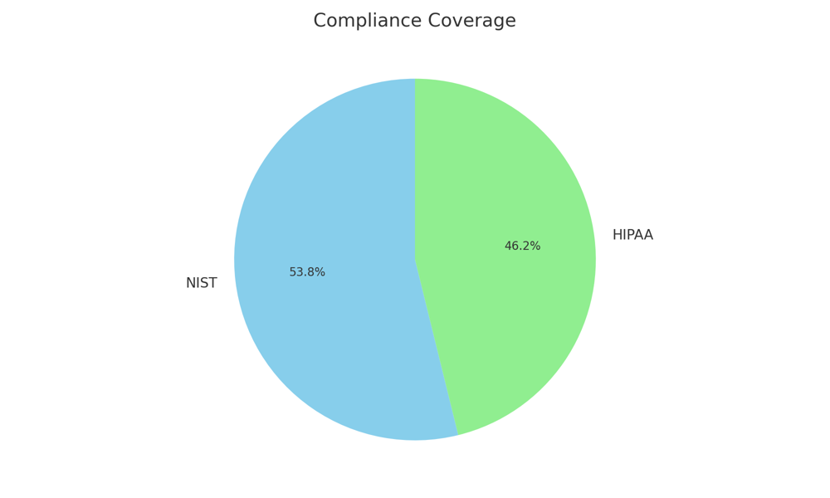
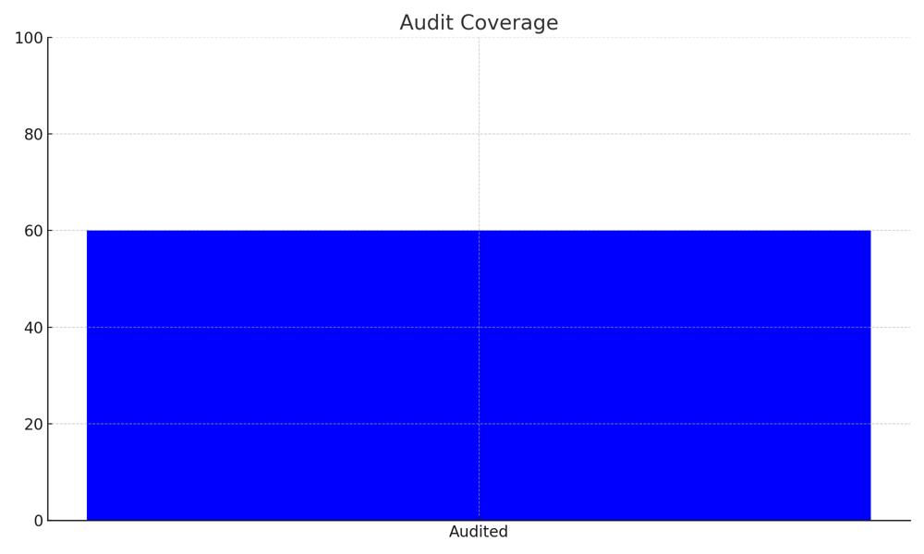
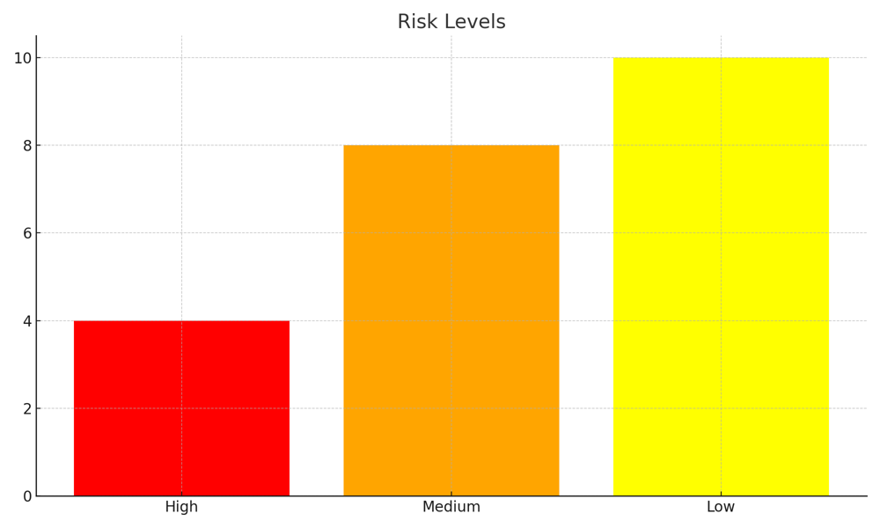
Metric | Value
High Risks | 4
Medium Risks | 8
Low Risks | 10
NIST Coverage | 70
HIPAA Coverage | 60
Policies Approved | 5
Policies Pending | 2
Controls Audited | 60
Incidents This Quarter | 3

