Src+Proc
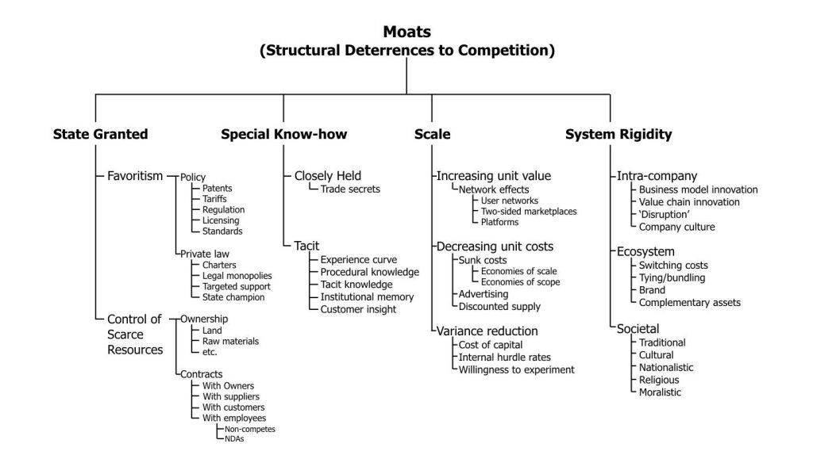
Morningstar (data from FactSet) insiders, screener
Google Finance (+ portfolio & login)
SEC- EDGAR
Barchart
FINVIZ screener
Duke Library - Morningstar!
Duke Library - OneSource
Duke Library - S&P Net Advantage
Duke Library - Reuters MarketLine
Duke Library - CRSP via WRDS - Wharton Database
Investopedia simulator
http://www.10kwizard.com/ (Morningstar Document Research, formerly 10-K Wizard)
Yahoo Finance
GA Ocee Library - Morningstar
GA Ocee Library - Net Advantage
bookmarks->screeners
Valueline via library

In depth fundamental?
Hedge Fund Analyst Checklist
January 20th, 2011 by Mebane Faber

One of the turning points in my early career was taking a security analysis class taught by Tiger Cub John Griffin at UVa. There are some old posts in the archives on the topic, but needless to say it was a great experience for a bio-engineer and is part of the reason I moved away from the lab bench and towards quant investing (whether that was a net plus or minus to society TBD).

Anyways, I was cleaning out some old files and came across these notes from the class and thought I would repost them as they are a wonderful guide for a young analyst on how to think about investing in stocks. While the list is a bit dated (from university in 2000) the message is still valid. Other investors that promote using checklists include Buffett, Munger, and Pabrai (here is Pabrai’s PPT to Columbia on the topic).

INVESTMENT FRAMEWORK

Industry Study

* Is this a good business? What are the key success factors to superior performance in this industry? (Value Added Research “VAR”)
* Define the market opportunity. How do competitive products address this opportunity?
* What are the barriers to entry (“moats”)? (VAR!)
* What is the relative power of: (VAR)
o Customers
o Suppliers
o Competitors
o Regulators
* Who controls industry pricing? Does the company/sector have any pricing power?
* How (and how much) can a good company differentiate itself from a bad one in this industry?
* Do you understand this business? Test yourself and describe it to a ten year old. DO THIS!

Business Model (VAR)

* What is the selling model: razor/blades? services? one-off contracts?
* What are the economics of the base business unit? How does it stack up against competitors?
* Why is the company good (or bad) at what they do? Can they sustain it?
* Is this company growing by acquisition? How sustainable is that?
* Be able to easily describe the entire sales process – from order to fulfillment.

Management (VAR)

* What is their background, and what do their former colleagues, investors, classmates, say about them? Have they been successful in the past? (Very important)
* How are they compensated? Are their interests aligned with shareholders?
* Have they been good at allocating capital?
* Are they buying or selling stock? How much as a percentage of their holdings, and why?

Company/Cultural Issues (VAR)

* Is this a great company? Is it built to last? What could change this assessment?
* Can you imagine holding stock in this company for twenty years?
* If you had access to unlimited capital, how would you feel about your chances of successfully competing against this company?
* Compare to a weak competitor in the same industry. What is the difference and why?

Financial Measures First Step: Check against all the accounting shenanigans in Howard Schilit’s book (Financial Shenanigans: How to Detect Accounting Gimmicks & Fraud in Financial Reports, Third Edition) Balance Sheet

* What is the company’s capital structure, and how does it compare to its peers?
* What are the trends in inventory turns, days payable/receivable, and working capital?
* What are its coverage ratios on interest payments?

Cash Flow

* What are the company’s capital requirements and cash flow characteristics?
* How is the company choosing to invest its capital? CapEx? Buybacks? Acquisitions?
* Does the company need to access the capital markets? How soon/often?

Earnings/Profitability

* Regarding the company’s sales model, how visible are earnings quarter-to-quarter, and year-to-year?
* Is this a fixed or variable cost business? How much cost leverage?
* Do earnings grow as a function of unit sales growth, price increases, or margin improvement? How sustainable is this growth?

Valuation

* Looking forward, what is the company’s valuation in terms of:
o Market Value/Earnings
o Enterprise Value/EBITDA
o Free Cash Flow Yield (After-Tax Free Cash Flow/Market Value)
o Market Value/Sales
* What is the company’s growth rates in terms of earnings, EBITDA, and FCF?
* What are consensus earnings estimates, versus your own expectations?
* What are the key leverage points in our own and the street’s earnings models? What has to go right, and where is the most chance for surprise?
* Are their accounting policies conservative and in line with their peers?

Risks

* What are the big unknowns? How much can the company control/influence these risks?
* What could cause this investment to be a total disaster? How bad could it be?

Other (Timeline/timing issues) DO A TIMELINE!

* What are the catalysts (triggers) for the company’s proper valuation to be realized?
* What good news, and what bad news, will affect the company in the coming year?
* Who owns the stock? Momentum funds? Big mutuals? Hedge funds?
* How difficult is it to build a significant position (float, volume)?
* Draw a time line of expected events and dates. What might go wrong and when?

Investment Framework: Short Questions

1. Is this a bad business?

* Who has the power – customers, suppliers, competitors?
* What are the barriers to entry?
* What kind of reinvestment of capital is needed to grow?
* How is the business changing?
* What is the historic and current rate of success in this business?
* What are the major risks to the business plan?

2. What is the major misperception?

* Why does it exist?
* Who is responsible for it?
* What stakes do the various parties have in keeping the stock price high?
* How popular is the industry? rising tides lift all boats – for awhile.

3. Assess management

* Industry reputation?
* Past history of success or failure.
* Straightforward or cunning?
* Check out insider ownership and selling.

4. Ratios:

* EBIT/EV as a percentage.
* (EBITDA-CAPEX)/EV as a percentage.
* Growth of inventories to cost of goods sold – are inventories rising faster?
* Growth of AR to sales and AP to sales.
* Any accounting changes – smaller reserve for bad debt, revenue recognition, etc.
* Cash flow/Int. expense.
* Review Howard Schilit’s red flags

5. Sentiment: Are more people bullish or bearish on the stock?

* Do full media search for articles. Make list of analyst recommendations.
* Short Interest? SIR (remember, the stock that is already short is potential buying power) Be careful if there is universal bearishness.

6. Timing

* What is the expected trigger on the misperception? Do a time line.
* Who owns the stock – long term or short term, momentum investors?
* Has the souffle already risen once?
* Can the rising stock price be self-fulfilling for awhile (financing opportunities, etc)?
* Where does the company stand in terms of the fantasy, transition, reality paradigm?

7. Add when the story starts to unfold — regardless of stock price.

* Watch for earnings warnings, excuses, etc. Where there’s smock, there is often fire.
* Is the company or wall street analyst group in denial of the problem?
* Watch the ratios, insider selling etc.
* Even if the stock down significantly from its high, if answering all these questions convinces you that it is still a short, do not cover and consider adding. See below
* Does waiting for the new financials feel like waiting for Christmas? IF “YES” —–> ADD.

