Check
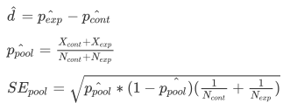
Control_Pageview | Experiment_Pageview | p=0.5 | z-critical=1.96 (α=0.05) | Lower bound | Upper bound | Observed | Passes
345543 | 344660 | 0.00060184074029 | 0.001179607851 | 0.49882039215 | 0.50117960785 | 0.50063966688 | yes
Control_Clicks | Experiment_Clicks
28378 | 28325 | 0.0020997470797 | 0.0041155042762 | 0.49588449572 | 0.50411550428 | 0.50046734741 | yes
Click-through-probability on "Start free trial":
^d | P ^pool | SE pool
-0.000057 | 0.082154090898 | 0.00066106081564 | 0.0012956791987 | -0.0012956791987 | 0.0012956791987 | -0.000057 | yes

