Sheet1
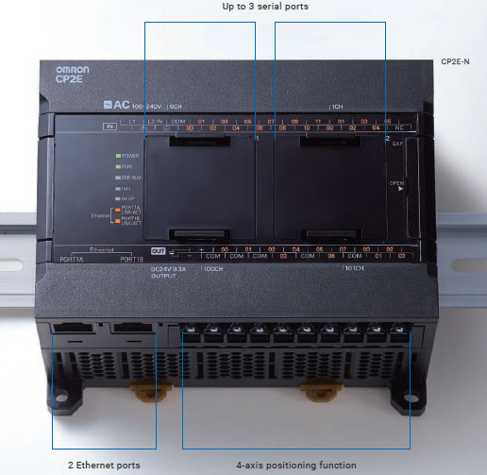
 |  |  | INPUT
SIGNAL | IN/OUT | PLC ADDRESS
Power Supply | IN | 0.00
Start Auto | IN | 0.01
Barrel (Dry Cycle) | IN | 0.02
Shot | IN | 0.03
Barrel Heater | IN | 0.04
Hyd. Motor | IN | 0.05 | OUTPUT
Dehumidifier | IN | 0.06
Chiller | IN | 0.07
Material | IN | 0.08
Alarm | OUT | 100.00

