Sheet1
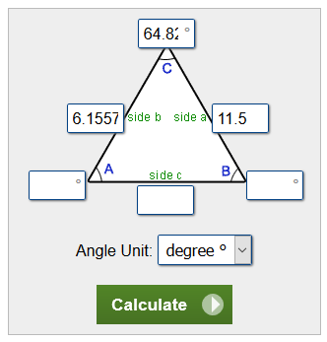
a | b | <C (rad) | <A (rad) | <B (rad) | c | <C (deg) | <A (deg) | <B (deg)
11.5 | 6.1557 | 1.1313224211 | 1.450041082 | 0.56022915041 | 10.483561574 | 64.82 | 83.081234121 | 32.098765879 | REF:
 |  |  |  |  |  |  |  |  | https://www.calculator.net/triangle-calculator.html?vc=64.82&vx=6.1557&vy=11.5&va=&vz=&vb=&angleunits=d&x=77&y=13

