缺陷分析 Defect Analysis
缺陷分析 Defect Analysis
检验总数 Total Inspected |  | 合格数 Total OK |  | 不良数 Total NG |  | 合格率 Pass Rate | 记录数 Records
122,234 |  | 116,633 |  | 5,601 |  | 95.42% | 293

A. 缺陷类别汇总 Defect Category Summary
No | 缺陷类别 Defect Category | 不良数 Defect Qty | 占比 Share % | PPM (每百万) | 趋势判定 Trend
1 | 备料问题 Preparation | 1,774 | 31.67% | 14,513 | TOP 3 关注 Focus
2 | 针车问题 Stitching | 1,304 | 23.28% | 10,668 | TOP 3 关注 Focus
3 | 其它问题 Other | 613 | 10.94% | 5,015 | TOP 3 关注 Focus
4 | 外观问题 Appearance | 366 | 6.53% | 2,994 | 稳定 Stable
5 | LOGO问题 Logo | 362 | 6.46% | 2,962 | 稳定 Stable
6 | 面料问题 Material | 353 | 6.30% | 2,888 | 稳定 Stable
7 | 拉链问题 Zipper | 324 | 5.78% | 2,651 | 稳定 Stable
8 | 织带问题 Webbing | 201 | 3.59% | 1,644 | 稳定 Stable
9 | 五金问题 Hardware | 200 | 3.57% | 1,636 | 稳定 Stable
10 | 针车不良 Stitching Defect | 104 | 1.86% | 851 | 稳定 Stable
 | 合计 TOTAL | 5,601 | 100.00% | 45,822

B. 不良细项TOP20 Top 20 Sub-Defects
No | 缺陷细项 Sub-Defect | 类别 Category | 不良数 Qty | 占比 Share % | PPM
1 | 织唛标车反 / Woven Label Reversed | 其它问题 Other | 172 | 3.07% | 1,407
2 | 浮线 / Float Stitch | 备料问题 Preparation | 133 | 2.37% | 1,088
3 | 车线边距不一致 / Stitch Margin Inconsistent | 备料问题 Preparation | 127 | 2.27% | 1,039
4 | LOGO倒置 / Logo Inverted | LOGO问题 Logo | 126 | 2.25% | 1,031
5 | 漏打枣 / Missing Bartack | 针车问题 Stitching | 124 | 2.21% | 1,014
6 | 浮线/打折/跳针 / Float/Fold/Skip Stitch | 针车问题 Stitching | 122 | 2.18% | 998
7 | 车线不居中 / Stitch Off-center | 织带问题 Webbing | 120 | 2.14% | 982
8 | 配件掉漆 / Accessory Paint Off | 备料问题 Preparation | 116 | 2.07% | 949
9 | 歪斜 / Crooked | LOGO问题 Logo | 111 | 1.98% | 908
10 | 织带定位高低 / Webbing Height Off | 备料问题 Preparation | 111 | 1.98% | 908
11 | 水洗标错误 / Wash Label Wrong | 其它问题 Other | 108 | 1.93% | 884
12 | 刺手/卡涩 / Sharp/Stuck | 拉链问题 Zipper | 106 | 1.89% | 867
13 | 花样机车线边距不一致 / Pattern Stitch Inconsistent | 备料问题 Preparation | 105 | 1.87% | 859
14 | 漏假线/脱线 / Missing/Loose Stitch | 针车问题 Stitching | 104 | 1.86% | 851
15 | 配件歪斜 / Accessory Crooked | 备料问题 Preparation | 104 | 1.86% | 851
16 | 三角片车反 / Triangle Reversed | 针车不良 Stitching Defect | 104 | 1.86% | 851
17 | 线头 / Thread Ends | 针车问题 Stitching | 103 | 1.84% | 843
18 | 针孔 / Needle Hole | 针车问题 Stitching | 102 | 1.82% | 834
19 | 回针不到位 / Back-tack Off Position | 针车问题 Stitching | 99 | 1.77% | 810
20 | 水洗标车倒 / Wash Label Reversed | 其它问题 Other | 94 | 1.68% | 769

TOP 15 款号不良数 Defects by Style
C. 按款号不良分布 TOP 15 Defects by Style
No | 款号 Style | 订单号 Order | 检验数 Inspected | 不良数 NG | 不良率 Defect Rate
1 | BM0108075AN448 | PTB2C250320-448, PTB2C250334-448 | 20,765 | 951 | 4.58%
2 | BM0108122AN012 | PTB2C250318-012, PTB2C250325-012 | 15,090 | 686 | 4.55%
3 | BM0108120AN012 | PTB2C250321-012, PTB2C250324-012 | 11,855 | 559 | 4.72%
4 | BM0101044AB001 | PTB2C250327, PTB2C250333 | 7,584 | 350 | 4.61%
5 | BM0108120AN001 | PTB2C250324-001, PTB2C250328-001 | 7,400 | 342 | 4.62%
6 | BM0108122AN001 | PTB2C250325-001, PTB2C250329-001 | 6,890 | 325 | 4.72%
7 | BM0305107AN001 | PTB2C250326, PTB2C250330 | 5,842 | 266 | 4.55%
8 | BM0108075AN470 | PTB2C250334-470 | 4,876 | 235 | 4.82%
9 | BM0108075AN534 | PTB2C250334-534 | 5,000 | 229 | 4.58%
10 | BM0106006AN012 | PTB2C250337-012 | 5,000 | 217 | 4.34%
11 | BM0108075AN278 | PTB2C250334-278 | 5,000 | 208 | 4.16%
12 | BM0108127AN001 | PTB2C250331, PTB2C260009 | 4,000 | 200 | 5.00%
13 | BM0108063AN268 | PTB2C250315 | 3,000 | 128 | 4.27%
14 | BM0303003AP269 | PTB2C260004-269, PTB2C260017 | 3,580 | 125 | 3.49%
15 | BM0108120EN012 | PTB2C260013-012 | 2,000 | 104 | 5.20%

根因分析 RCA
根因分析 Root Cause Analysis

TOP 1 | 备料问题 Preparation — 1,774 pcs (31.7%)
No | 缺陷细项 Sub-Defect | 不良数 Qty | 占类别比 Cat Share % | 总占比 Total Share %
1 | 浮线 / Float Stitch | 133 | 7.50% | 2.37%
2 | 车线边距不一致 / Stitch Margin Inconsistent | 127 | 7.16% | 2.27%
3 | 配件掉漆 / Accessory Paint Off | 116 | 6.54% | 2.07%
4 | 织带定位高低 / Webbing Height Off | 111 | 6.26% | 1.98%
5 | 花样机车线边距不一致 / Pattern Stitch Inconsistent | 105 | 5.92% | 1.87%

TOP 2 | 针车问题 Stitching — 1,304 pcs (23.3%)
No | 缺陷细项 Sub-Defect | 不良数 Qty | 占类别比 Cat Share % | 总占比 Total Share %
1 | 漏打枣 / Missing Bartack | 124 | 9.51% | 2.21%
2 | 浮线/打折/跳针 / Float/Fold/Skip Stitch | 122 | 9.36% | 2.18%
3 | 漏假线/脱线 / Missing/Loose Stitch | 104 | 7.98% | 1.86%
4 | 线头 / Thread Ends | 103 | 7.90% | 1.84%
5 | 针孔 / Needle Hole | 102 | 7.82% | 1.82%

TOP 3 | 其它问题 Other — 613 pcs (10.9%)
No | 缺陷细项 Sub-Defect | 不良数 Qty | 占类别比 Cat Share % | 总占比 Total Share %
1 | 织唛标车反 / Woven Label Reversed | 172 | 28.06% | 3.07%
2 | 水洗标错误 / Wash Label Wrong | 108 | 17.62% | 1.93%
3 | 水洗标车倒 / Wash Label Reversed | 94 | 15.33% | 1.68%
4 | 内里车反 / Lining Reversed | 89 | 14.52% | 1.59%
5 | 织唛标遗漏 / Woven Label Missing | 77 | 12.56% | 1.37%

No | 款号 Style | 根因 Root Cause | 影响范围 Impact | 责任工序 Process | 改善措施 Corrective Action | 改善图片 Pict | 预防措施 Preventive Action | 完成期限 Deadline
1 | BM0108122EN001 | 车缝员工手法不稳定，针距控制不均匀 Unstable sewing technique, uneven stitch distance | 占不良总数31.7%，涉及多个款号 31.7% of total defects, multiple styles | 车缝工序 Sewing | 1. 加强针距标准培训 2. 首件确认时增加针距检测点 1. Strengthen stitch distance training 2. Add stitch check points in first-piece approval | 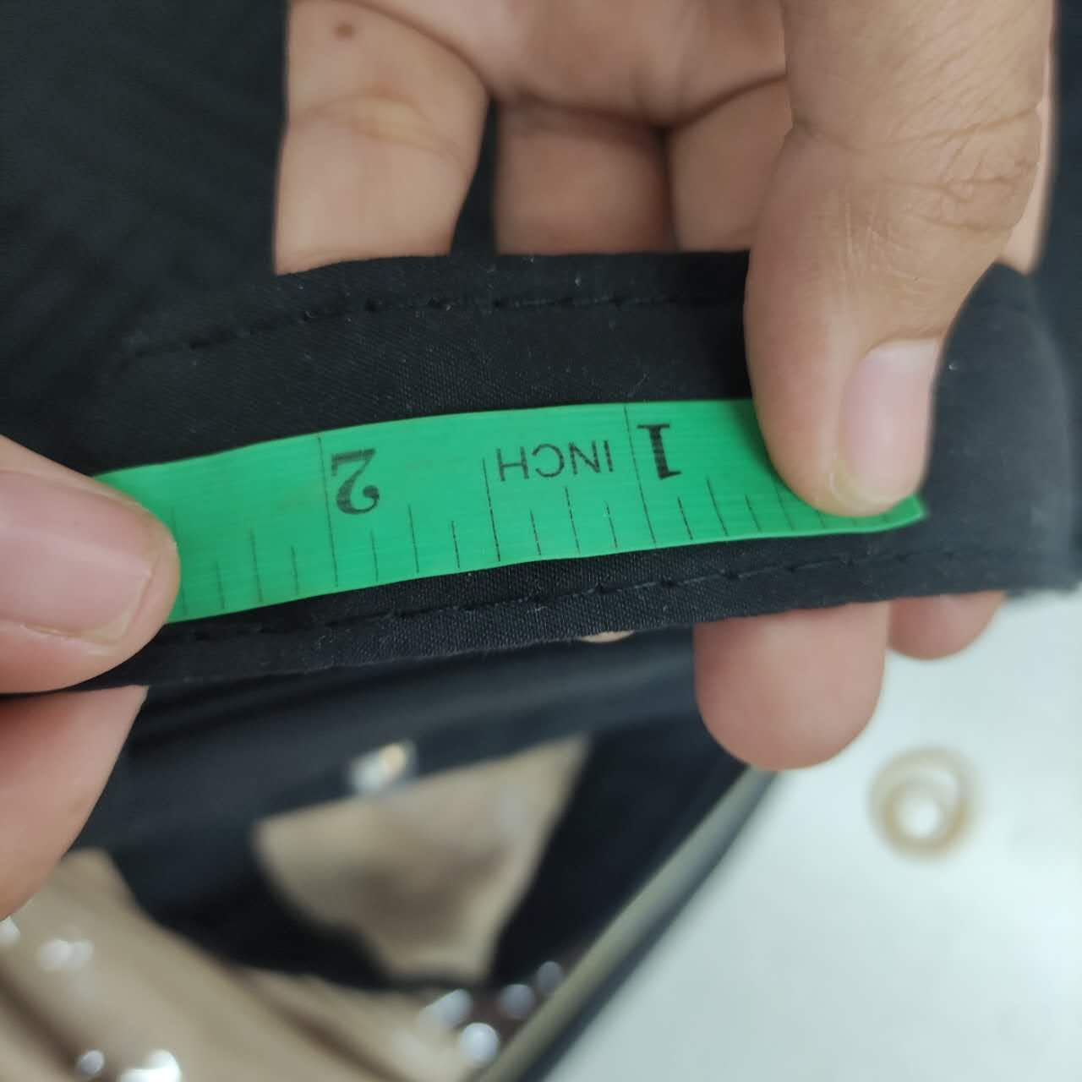 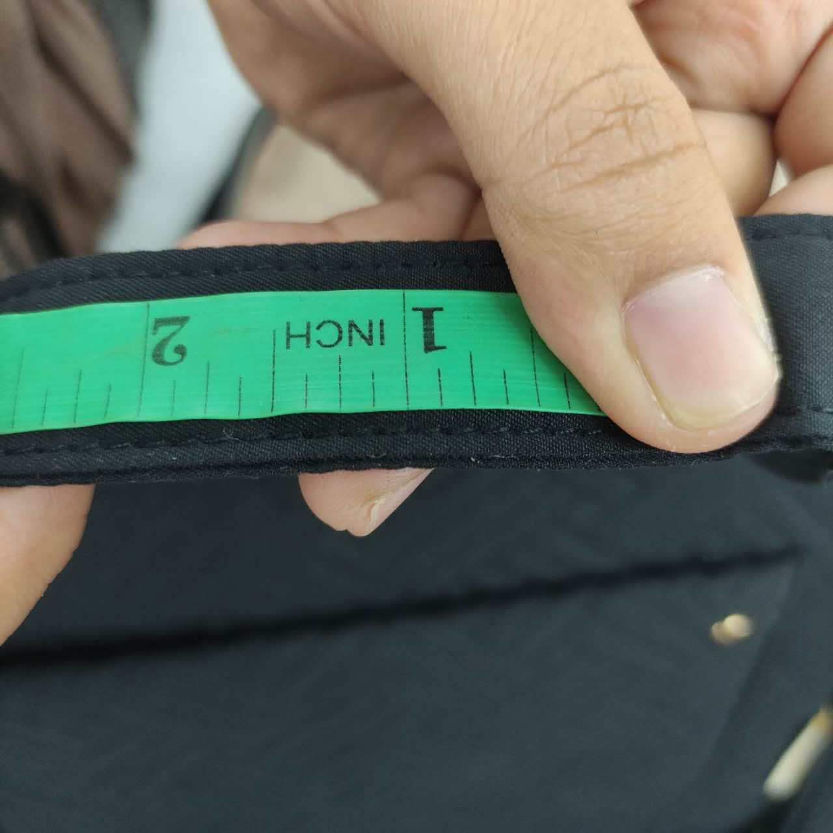 | 1. 建立针距标准样板 2. 每日首件必检针距 1. Create stitch distance standard sample 2. Daily first-piece stitch check | 2026-05-15
2 | BM0108122AN012 | 线头修剪不到位，工序间交接遗漏修剪 Thread trimming incomplete during handover | 占不良总数31.7% 31.7% of total defects | 车缝/修剪 Sewing/Trimming | 1. 明确线头修剪SOP 2. 增加修剪工序专检 1. Clarify thread trimming SOP 2. Add dedicated trimming QC | 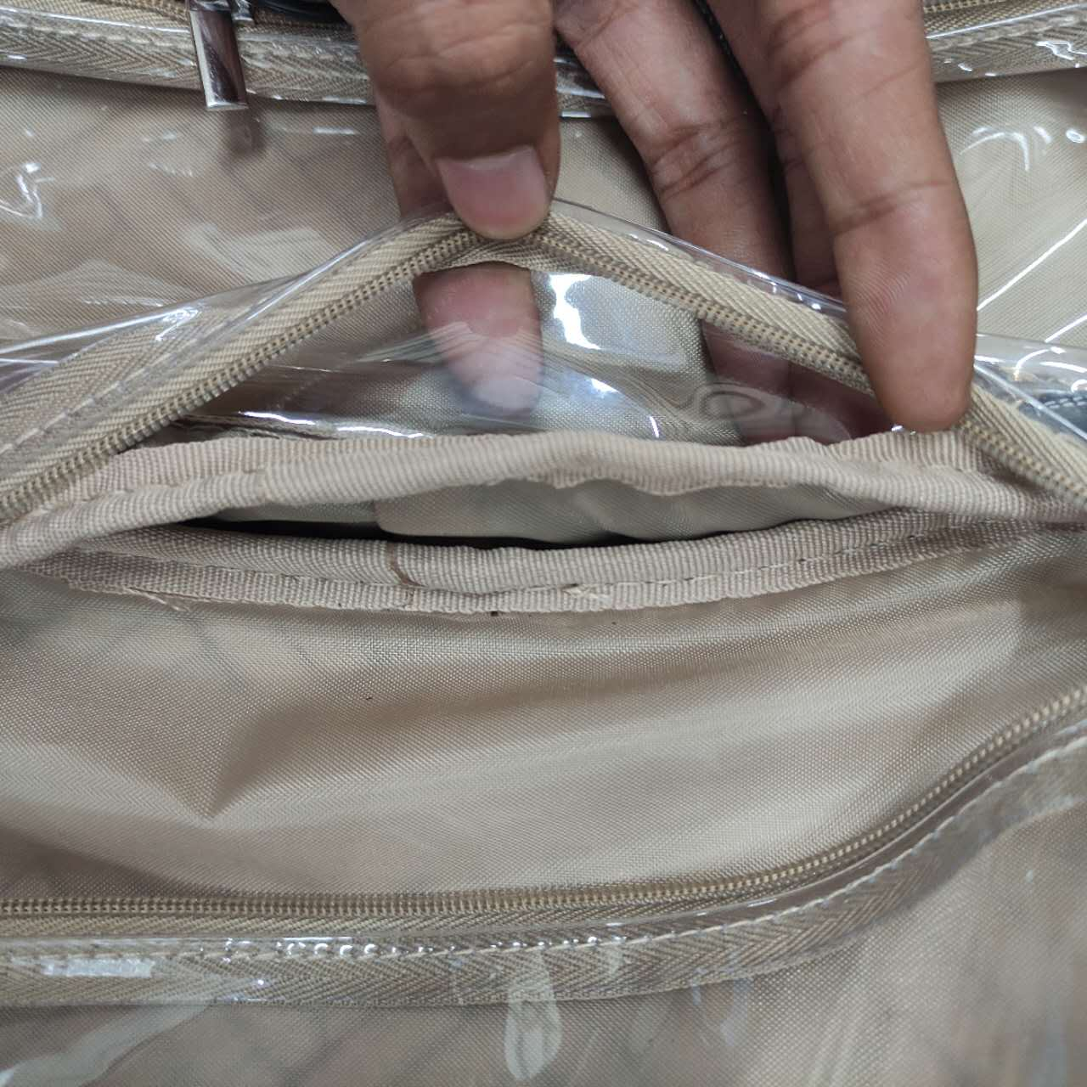 | 1. 配备自动剪线器 2. 出货前全检线头 1. Equip auto thread trimmer 2. 100% thread check before shipment | 2026-05-15
3 | BM0108122EN001 | 面料起皱/折痕在车缝过程中未及时抚平 Wrinkles not smoothed during sewing | 占不良总数31.7% 31.7% of total defects | 车缝/准备 Sewing/Preparation | 1. 车缝前增加面料预整 2. 调整压脚压力 1. Add fabric pre-treatment before sewing 2. Adjust presser foot pressure | 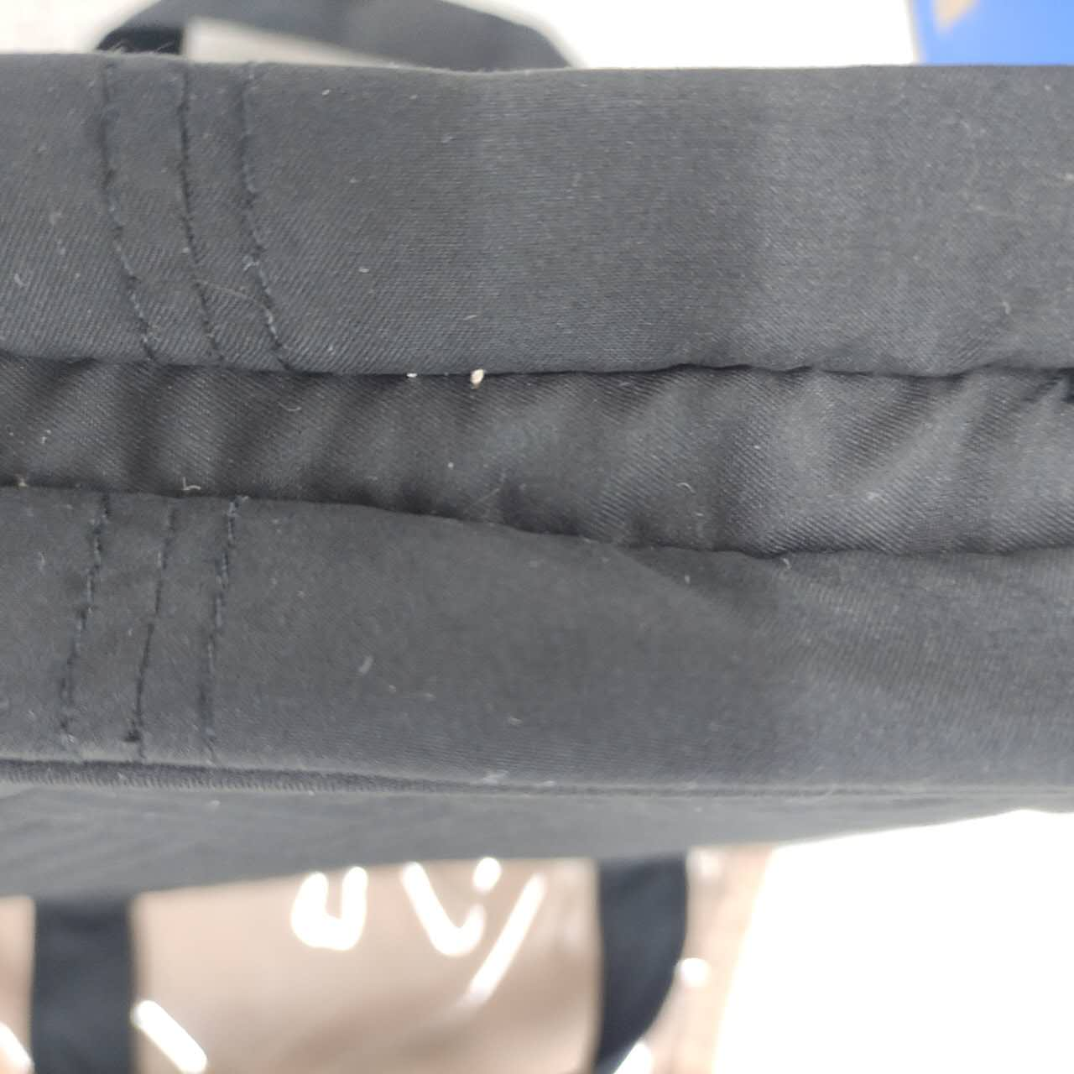 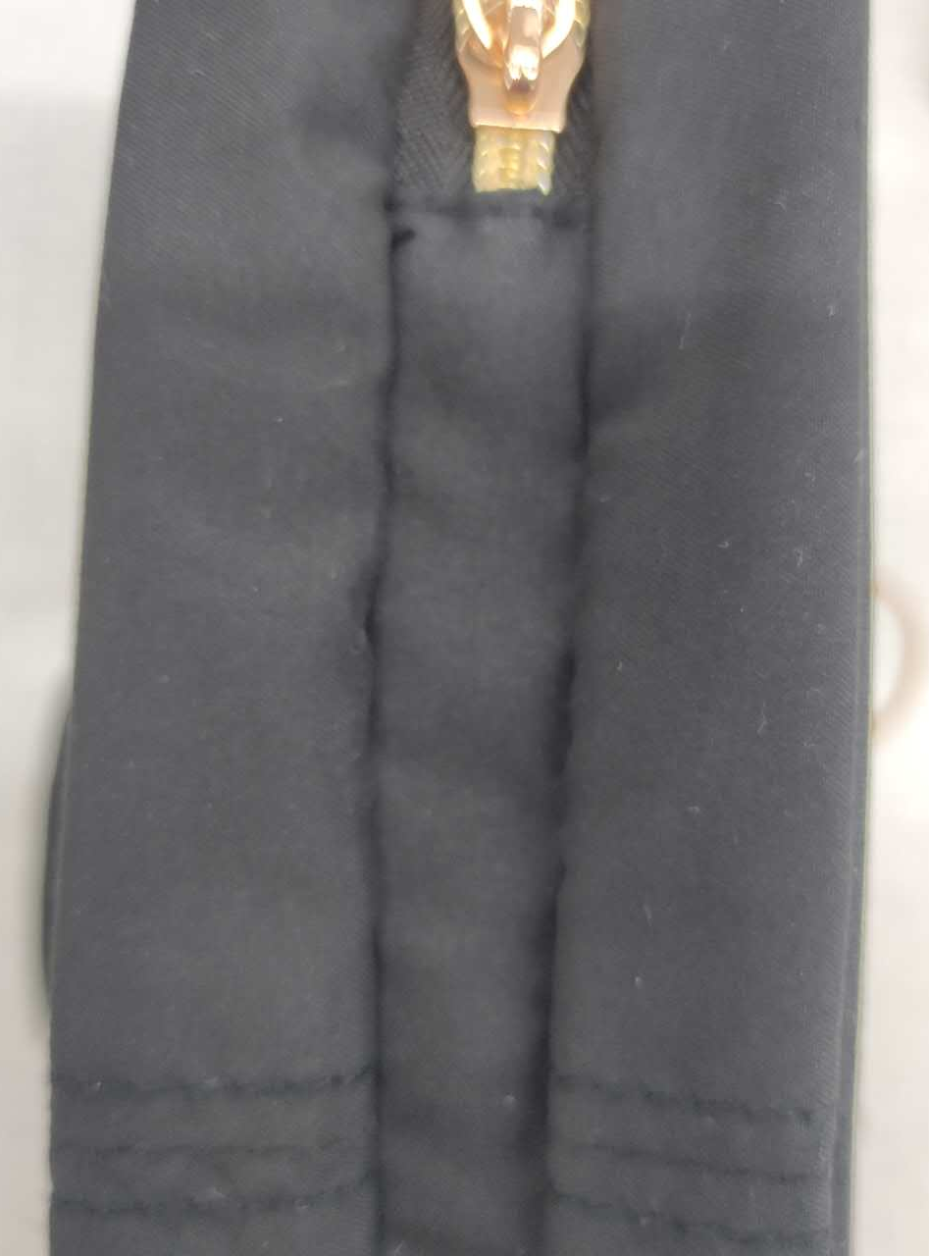 | 1. 建立面料特性档案 2. 定期保养车缝设备 1. Create fabric characteristic records 2. Regular sewing machine maintenance | 2026-05-20
4 | BM0108075AN448 | LOGO来料品质不稳定，供应商批次差异 Incoming logo quality unstable, supplier batch variation | 占不良总数23.3% 23.3% of total defects | IQC/仓库 IQC/Warehouse | 1. 加强LOGO来料IQC检验 2. 对供应商发出品质异常通知 1. Strengthen logo incoming IQC 2. Issue quality alert to supplier | 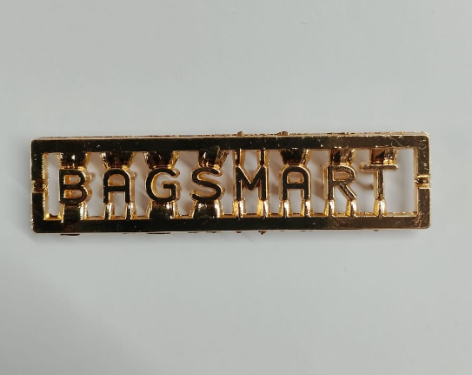 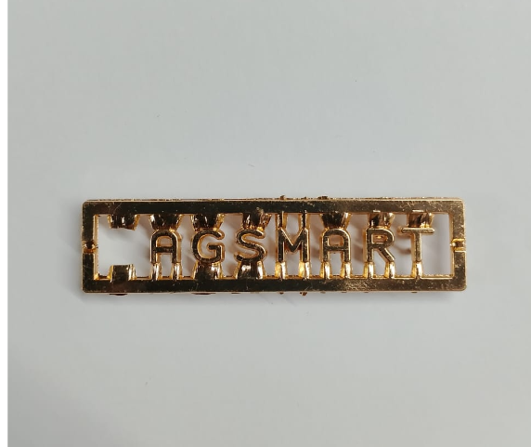 | 1. 建立供应商月度评分 2. 备选供应商开发 1. Monthly supplier scoring 2. Alternative supplier development | 2026-05-30
5 |  | 操作员对品质标准理解不充分 Operators insufficient understanding of quality standards | 占不良总数10.9% 10.9% of total defects | 生产全工序 All Processes | 1. 开展品质标准专项培训 2. 制作不良品展示看板 1. Conduct quality standard training 2. Create defect display board | 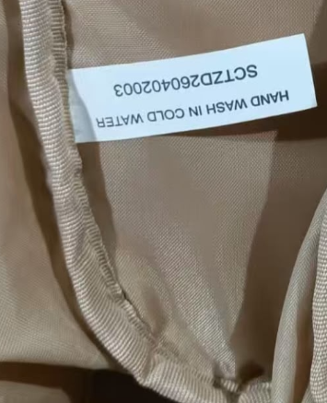 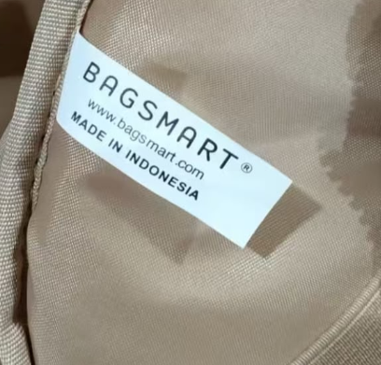 | 1. 每周品质早会 2. 新员工上岗前考核 1. Weekly quality morning meeting 2. Pre-employment assessment for new staff | 2026-05-20

