1. Title Page
Instacart Grocery Basket Analysis

Project Name: Instacart Grocery Basket Analysis
Date: 08/06/2024
Analyst Name: Sydney Johnson

Contents:
Population Flow
Consistency checks
Wrangling steps
Column derivations
Visualizations
Recommendations

Data Sets

“The Instacart Online Grocery Shopping Dataset 2017”, Accessed from www.instacart.com/datasets/grocery-shopping-2017 via Kaggle on 08/06/24.

Career Foundry Customer Data Set (artifically created for this project)

2. Population Flow
Title page

Population flow

Exclusion flag
Condition: max_order < 5
Obervations to be removed: 1440295
Final total count of order_products_all: 30964564

Orders_products_combined
Orders_products_merged
Orders_products_all

Total: 32404859
Total: 32434489
Total: 32404859

1.) The grey boxes in the first row of the population flow represent the original data sets as they were when you downloaded them. In the Total fields you need to add the count of the rows when you imported the data set into Jupyter.
2.) The second row of boxes (coloured) represents the data sets after you manipulated them, e.g., removed missing values and duplicates. In the Total fields you need to add the count of the rows after conducting these operations. This offers a visual oveview of how the data flows throughout the data consistency checks.
3.) The third row, where also the arrows are coloured, represents the merges you performed between the datasets. In the Total fields you need to add the count of the rows in the merged datasets, so that you end up with the final dataset (in the red box). Keep in mind the final dataset should be without exclusions (based on the exclusion flag).

3. Consistency checks
 |  |  |  | Title page
Consistency checks

Dataset | Missing values | Missing values treatment | Duplicates
orders | 206,209 missing values under 'days_since_prior_order' | None, missing values represent first-time customers | None
products | 16 missing values under 'product_name | 16 observations removed | 5 Duplicates found and removed
orders_products_prior | 2% Reduced Fat Milk Price was 99999 Lowfat 2% Milkfat Cottage Cheese price was 14900 | Imputed Values with $3 for milk and $4 for cottage cheese (from internet research) | None
customers | 11259 missing values under 'first_name' | Removed Column to protect the privacy of the customers | None

4. Wrangling steps
 |  |  |  | Title page
Wrangling steps

Columns dropped | Columns renamed | Columns' type changed | Comment/Reason
 | 'order_dow' changed to 'order_day_of_week' |  | clarity
 |  | 'order_id' changed to string | unique id's shouldn't be treated as integers
'eval_set' removed from df_ords |  |  | not necessary for analysis
 |  | 'user_id' in orders changed to string | unique id's shouldn't be treated as integers
 | 'order_hour_of_day' changed to 'order_hour_placed' |  | clarity
 | 'STATE' changed to 'state' |  | continuity
 |  | 'user_id' in customers changed to string | unique id's shouldn't be treated as integers
 | 'First Name' changed to 'first_name' |  | continuity
'_merge' from the products/orders merge dropped during the combo/customers merge |  |  | not necessary for analysis, replaced with combo/customers '_merge' flag
'first_name' dropped from ords_prods_merge total |  |  | 'first_name' column dropped from final data set to keep the individuals anonymous.

5. Column derivations
 |  |  |  | Title page

Column derivations and aggregations

In this tab you should add tables below that the frequences of flags/label variables that you produced after deriving them. NB: don't do this for continuous variables, only for flags.
Dataset | New column | Column/s it was derived from | Conditions
order_prods_merged | price_range | prices | Low-range Product <= 5 Mid-range product >5 and <=15 High range >15
order_prods_merged | price_range_loc | prices | Low-range Product <= 5 Mid-range product >5 and <=15 High-range product >15
order_prods_merged | busiest day | orders_day_of_week | Busiest day = 0 Least busy = 4 Regularly busy = else
order_prods_merged | busiest_days | orders_day_of_week | Busiest days = 0 or 1 Slowest days = 3 or 4 Regularly busy = Else
order_prods_merged | busiest_period_of_day | order_hour_placed | Most orders = 9-16 Average orders = 7-8, 17-22 Fewest orders = 23, 0-6
order_prods_merged | max_order | order_number | Max order number grouped by user
order_prods_merged | loyalty_flag | max_order | Loyal Customer > 40 Regular Customer <= 40 and >10 New Customer <= 10
order_prods_merged | avg_price | prices | Mean of prices grouped by user
order_prods_merged | spending_flag | avg_price | Low Spender <10 High Spender >= 10
order_prods_merged | med_days_prior | days_since_prior order | Median days_since_prior_order grouped by user
order_prods_merged | frequency_flag | med_days_prior | Non-frequent customer > 20 Regular Customer >10 and <=20 Frequent Customer <= 10
total_data | region | state | Sorted by state into Northeast, Midwest, South, and West
total_data | Activity | max_order | max_order < 5 = Low max_order >= 5 = High
total_data | income_group | income | income < 50000 = 'low-income' income >= 50000 & income < 150000 = 'middle-income' income >= 150000 = 'high-income'
total_data | family_role | fam_status and n_dependants | dependants > 0 & fam_status == 'married' = 'married parent' dependants > 0 & fam_status != 'married' = 'single parent' dependants == 0 & fam_status == 'married' = 'married childless' dependants == 0 & fam_status != 'married' = 'single childless'
total_data | age_group | age | age < 35 = 'young adult' age >= 35 & age < 50 = 'adult' age >=50 & age <=65 = 'older adult' age >= 65 = 'senior'
total_data | profile | gender, age_group, income_group, family_role | Concatenate given columns

6. Visualizations
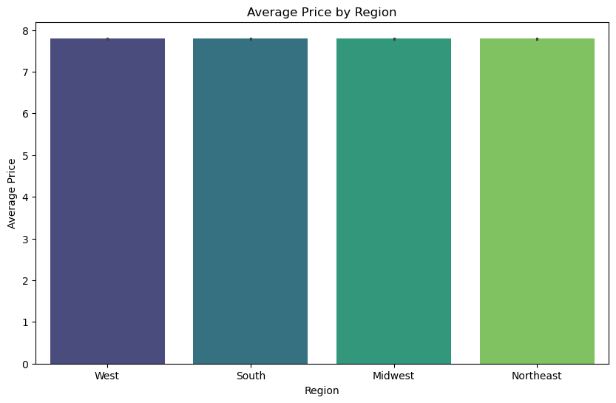
 |  |  |  |  |  |  |  |  | Title page

Visualisations

In this tab you should include all the visualtions from Exercises 4.9 and 4.10, alongside the questions from the project brief that they answer. Include any commentary on the relationship between different variables.

 |  | The sales team needs to know what the busiest days of the week and hours of the day are (i.e., the days and times with the most orders) in order to schedule ads at times when there are fewer orders.

 |  | Orders Placed by Day of the Week
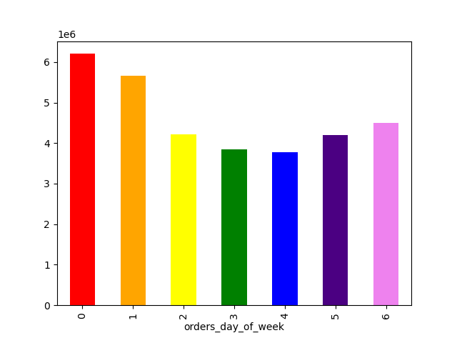

 |  |  |  |  | Key
 |  |  |  |  | 0 | Saturday
 |  |  |  |  | 1 | Sunday
 |  |  |  |  | 2 | Monday
 |  |  |  |  | 3 | Tuesday
 |  |  |  |  | 4 | Wednesday
 |  |  |  |  | 5 | Thursday
 |  |  |  |  | 6 | Friday

 | The busiest day of the week for orders is Saturday (=0) with Sunday (=1) as a close second.
 | Tuesday and Wednesday are the slowest days of the week.

 |  | Orders Placed by Hour of Day
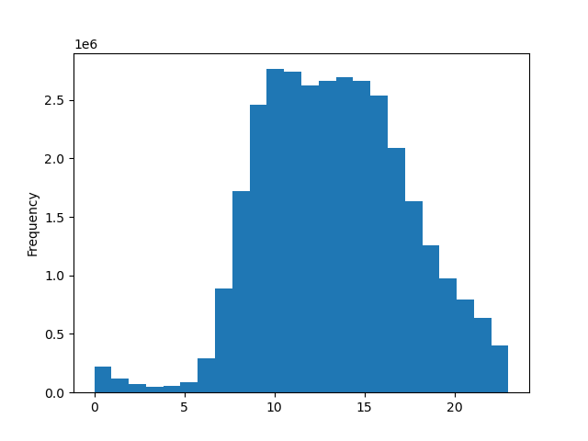

 | Frequency of orders peak between 9AM and 3PM.
 | The fewest orders are placed between midnight and 5AM
 | Order Frequency gradually declines daily from 3PM to midnight

They also want to know whether there are particular times of the day when people spend the most money, as this might inform the type of products they advertise at these times.

 |  | Prices of Products Ordered by Hour of Day

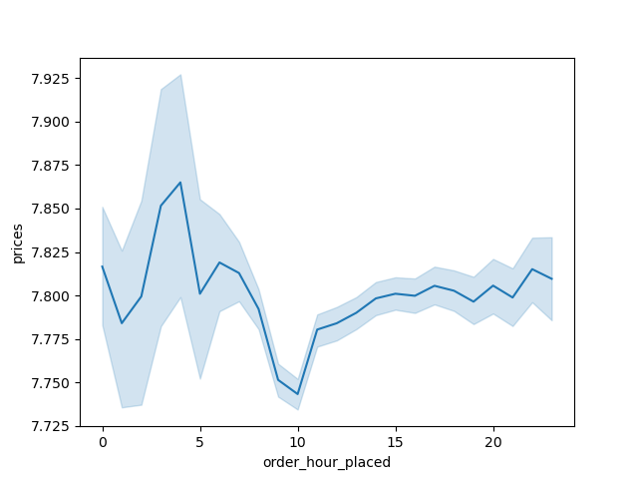

 | The most expensive products are ordered in the middle of the night (around 3AM).
 | The least expensive products are ordered at 10AM.
 | From around noon to midnight, there is much less variety in product price. Prices remain around the mean, which is $7.79.

 |  |  | Instacart has a lot of products with different price tags. Marketing and sales want to use simpler price range groupings to help direct their efforts.

 |  |  |  | Total product counts when
 |  |  |  | Low-range product = Less than 5 dollars
 |  |  |  | Mid-range product = Between 5 and 15 dollars
 |  |  |  | High-range = More than 15 dollars

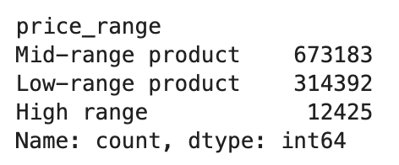

Are there certain types of products that are more popular than others? The marketing and sales teams want to know which departments have the highest frequency of product orders.

 |  | Order Frequency by Department
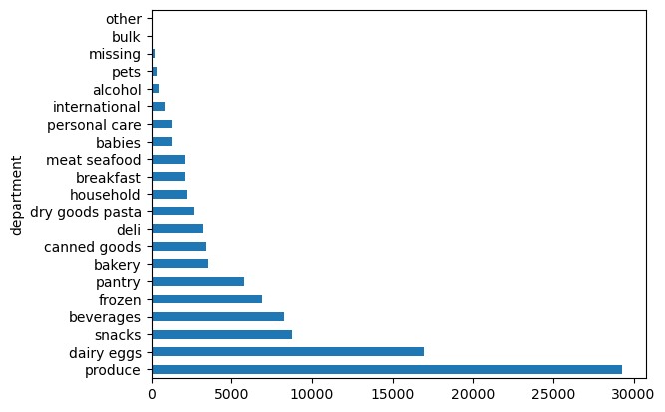

 |  | Perishable grocery items (produce ad dairy/eggs) are the most popular departments.
 |  | Other grocery items like snacks, beverages, frozen, and pantry are also popular.

What’s the distribution among users in regards to their brand loyalty (i.e., how often do they return to Instacart)?

 |  |  | Distribution of customer loyalty
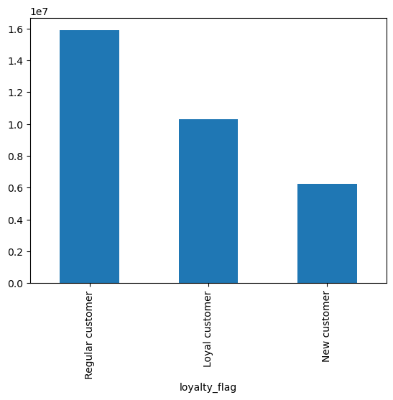

 | Most customers use Instacart on a regular basis, but not consistently enough to be a loyal customer.
 | New customers make up the smallest portion of Instacart users.

Are there differences in ordering habits based on a customer’s loyalty status?

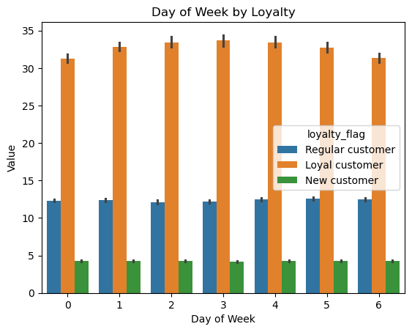

 | Loyal customers placed significantly more orders than new or regular customers.
 | Loyal customers are more likely to place orders midweek than regular or returning customers

Are there differences in ordering habits based on a customer’s region?

 |  | Instacart Customers by Region |  |  |  | Aside from the number of users, there were no significant differences in the behavior of users from different regions
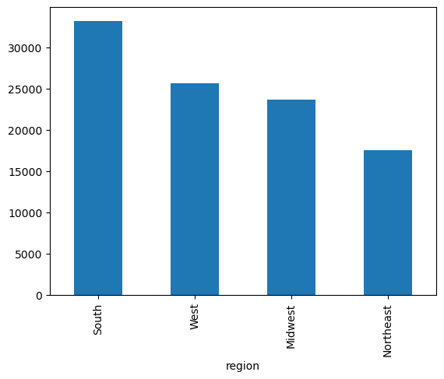

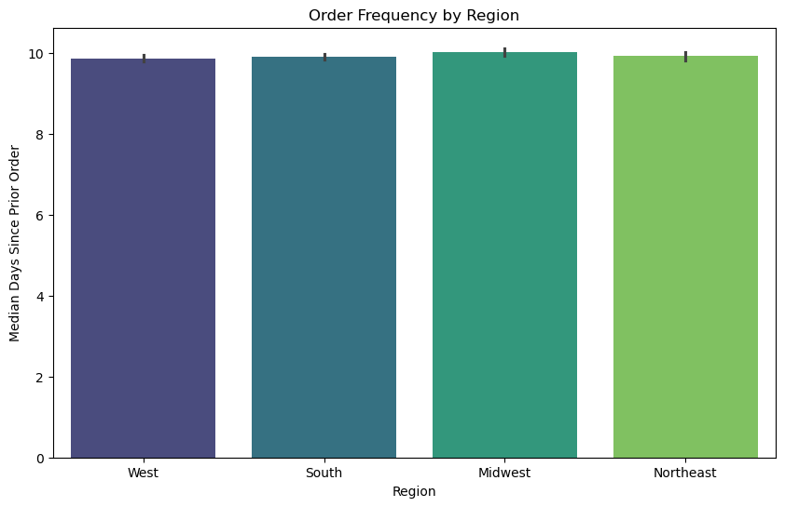

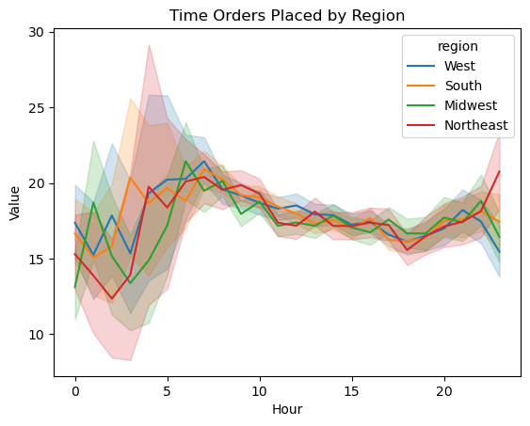

 | There are more Instacart users in the South than any other region.
 | There are fewer Instacart users in the Northeast than any other region.

Is there a connection between age and family status in terms of ordering habits?

 |  | Instacart Customers by Age Group |  |  |  |  | High-Spenders by Age Group

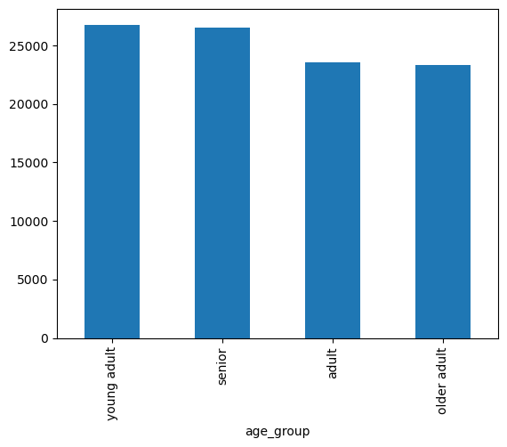
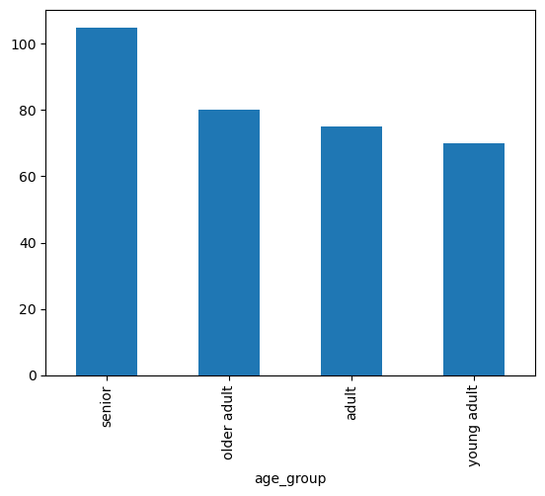

 | There are more young adults and seniors using Instacart than adults and older-adults |  |  |  |  | Amongst the high spenders (a subset of users buy products that average out to more than $10), there are significantly more senior customers

 |  | Instacart Users By Family Status
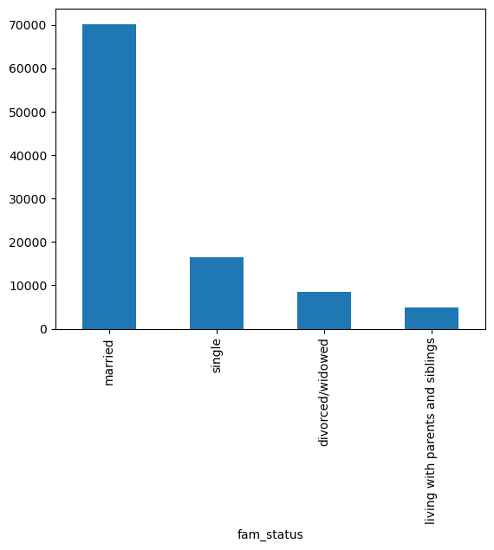
 |  |  |  |  |  |  | Aside from the number of users, there were no significant differences in the behavior of users with different family statuses

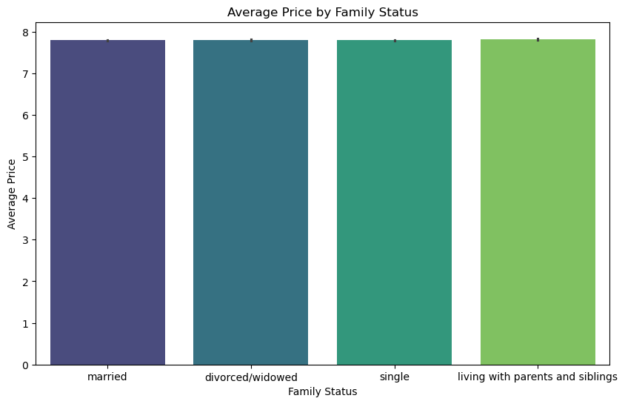
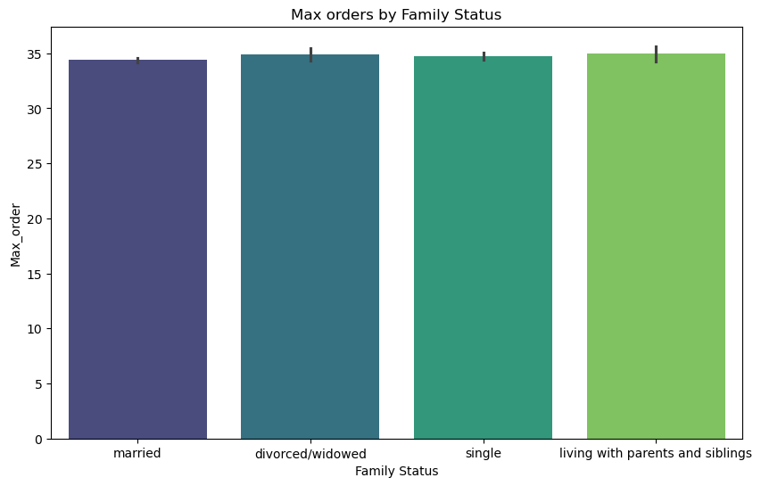

 |  |  |  |  |  |  |  |  |  | High-Spenders by Family Status
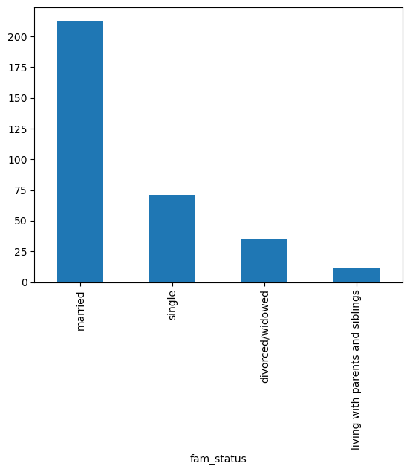

 |  | The majority of Instacart users are married
 |  | People living with parents and siblings make up the smallest proportion of users

What different classifications does the demographic information suggest? Age? Income? Certain types of goods? Family status?

 |  |  | Instacart Users by Family Role |  |  |  |  |  | Instacart Users by Income Group

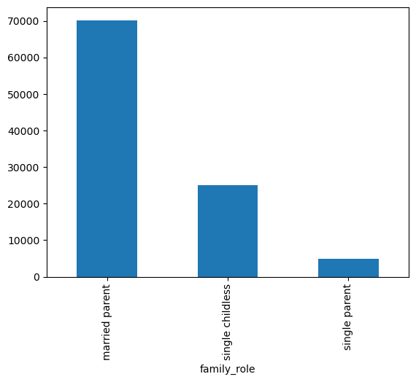
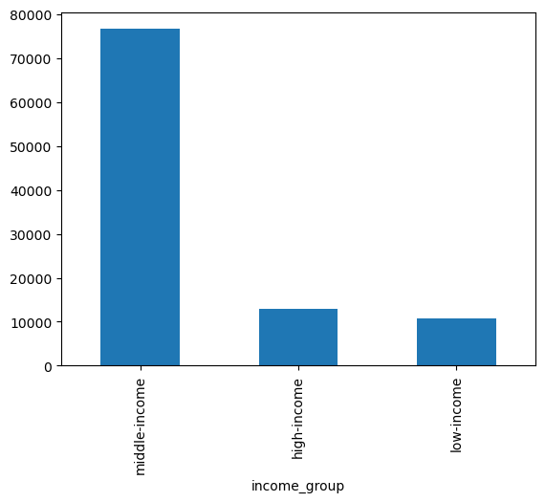

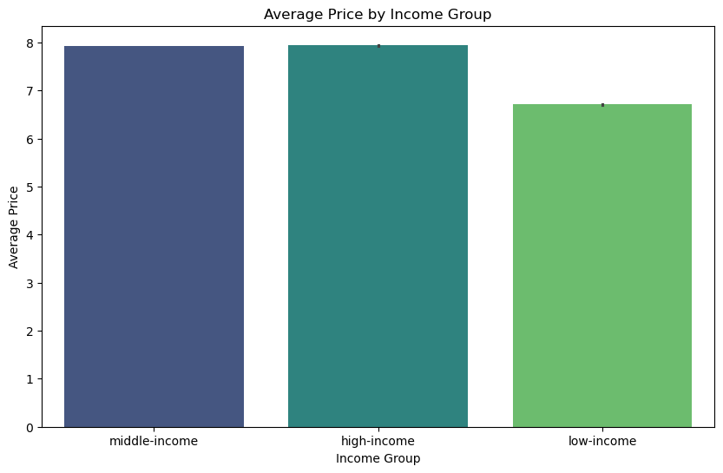

 |  |  |  |  |  |  |  | The vast majority of instacart users fall into the middle-income group, meaning they make between a salary between $50K and $150K |  |  | Low-income users buy less expensive products on average

 | Note that I also made a category for married childless, but no customers fit that description.
 | The majority of users are married parents.

What differences can you find in ordering habits of different customer profiles? Consider the price of orders, the frequency of orders, the products customers are ordering, and anything else you can think of.

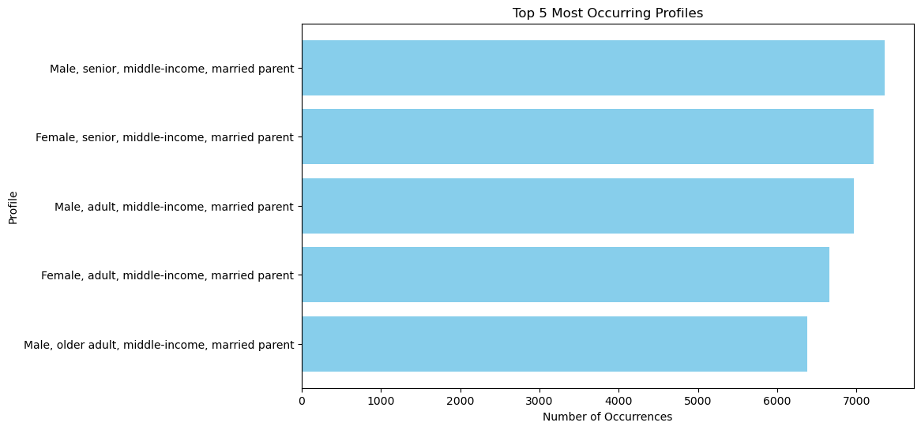
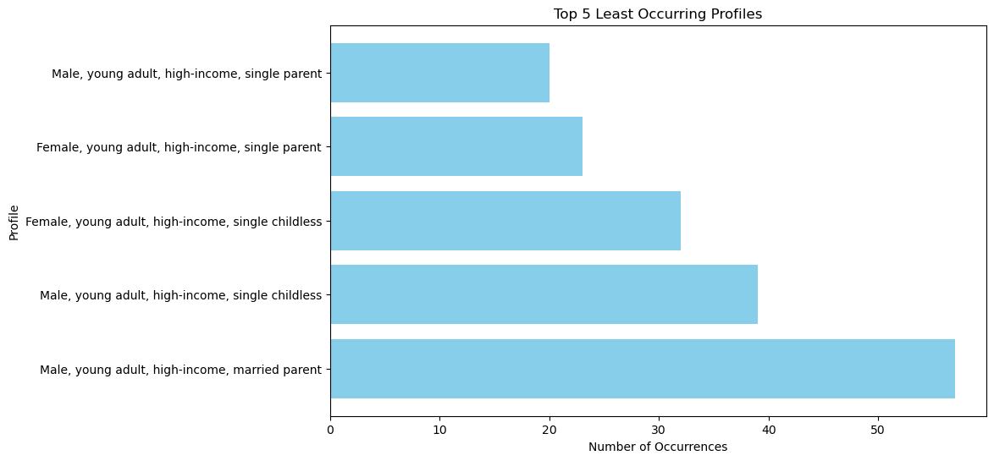

 | Middle-income married parents describe the bulk of Instacart users. |  |  |  |  |  |  |  | High-income, single, young adults are the least likely to use Instacart.
 | The top two profiles are both seniors. |  |  |  |  |  |  |  | The two least occuring profiles are young single parents.

7. Recommendations
 |  | Title page

Recommendations

In this tab you should include any recommendations you would made to Instcart in terms of their marketing strategy based on the questions posed in the brief. Every key question has been covered in the Tasks of the Exercises - here you need to add an item - a visualisation or table/crosstable that is showing the answer in the data, acompanied by a comment from you. Please, list the questions below and add the answer underneath.

Key Question | Answer
The sales team needs to know what the busiest days of the week and hours of the day are (i.e., the days and times with the most orders) in order to schedule ads at times when there are fewer orders. | Weekends are the busiest time for orders, Saturday in particular. This is likely when people are meal planning for the coming week. A marketing campaign to get next weeks shopping done early (mid-week), sold as a way to enjoy your weekend without think about logistics.
They also want to know whether there are particular times of the day when people spend the most money, as this might inform the type of products they advertise at these times. | The most expensive products are sold in the early hours of the morning (1AM to 5AM), but the bulk of orders are placed between 9AM and 3PM. The expensive products being bought in the middle of the night are likely due to emergencies (or impulsive purchases). Marketing could push the more expensive products during peak hours.
Are there certain types of products that are more popular than others? The marketing and sales teams want to know which departments have the highest frequency of product orders. | Perishable grocery items like produce, dairy, and eggs sell the most. Marketing could push bakery items as something else that you need to repurchase often. Depending on state laws, alcohol sales could defintely be increased. A marketing campaign to have Instacart do the beer run could be run and could hit the young-adult audience.
What’s the distribution among users in regards to their brand loyalty (i.e., how often do they return to Instacart)? | Most of the customers order between 10 and 40 times, making them regular Instacart users. Fewer customers use Instacart more than 40 times, and they are the most loyal customers. New customers make up the smallest portion of users. Marketing campaigns and promotional deals should be targeted toward them to keep their business and make them into regular/loyal customers.
Are there differences in ordering habits based on a customer’s loyalty status? | Loyal customers are much more likely to place an order mid-week than other customers. Instacart could offer incentives for other mid-week orders like discounts.
Are there differences in ordering habits based on a customer’s region? | No differences were found in customers of different regions. The highest proportion of customers are from the South, which is more spread out. The smallest proportion of customers are from the Northeast, where cities are more densly populated. People in the South may be using Instacart because they do not live close enough to a grocery store, whereas people in dense cities tend to be walking distance. A marketing campaign could be run to rural areas encouraging people to make the market come to them for once.
Is there a connection between age and family status in terms of ordering habits? | Seniors are most likely to buy expensive products. It could be effective to market the highest quality and most expensive goods to seniors. Young-adults are the least likely to buy expensive products. Most Instacart users are married. Marketing could run a campaign offering Instacart as a solution for a chaotic family life, like the third spouse you always need.
What different classifications does the demographic information suggest? Age? Income? Certain types of goods? Family status? | Parents make up a majority of Instacart users. Products for kids, like lunchbox meals, baby supplies, and healthy treats could be marketed to parents. Most Instacart users make between 50K and 150K per year. Both high- and low-income people are much less likely to use this service.
What differences can you find in ordering habits of different customer profiles? Consider the price of orders, the frequency of orders, the products customers are ordering, and anything else you can think of. | Middle-income, married, parents make up most of Instacart's customers. Marketing should push products designed for this profile. High-income, single, young adults are not using Instacart much. Selling more alcohol could be a great way to get this demographic to use Instacart.

