Summary
Category | Count
Passed | 0
Failed | 1
Skipped | 0
Total | 1
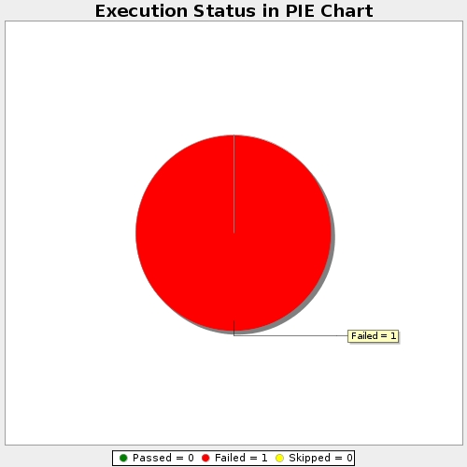
Start Time | 2019-02-28T13:23:45Z
End Time | 2019-02-28T13:24:41Z
Duration | 56455 ms

