Sheet1
 | Issue Date | 23/08/2025

 | Customer |  | SHIP TO |  | FROM
 | Name | ElvaLuxe LLC | Country | Pakistan | Name | AZ Traders
 | Email | contact@elvaluxe.com | CIty | Karachi | Country | China

Item | Picture | Product Name | CBM | WEIGHT | QUANTITY | Unit Price (USD) | Total (USD)
1 | 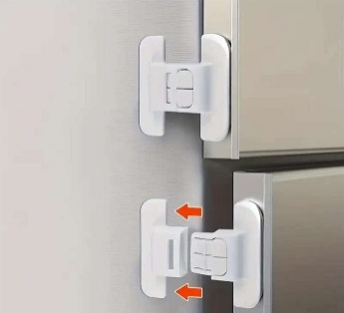 | Safety Fridge Door Lock | 58*46*35 | 21KG | 1000OCS | 0.1 | 100
2 | 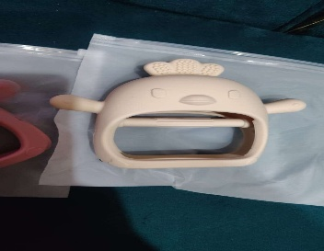 | Baby Teether | 0.09CUBIC METER | 15.5KG | 300 | 1.9 | 570
3 | 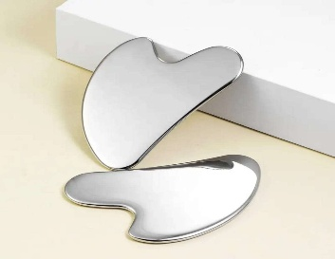 | Metal Guasha | 28*20*20 | 14KG | 300 | 2.25 | 675
4 | 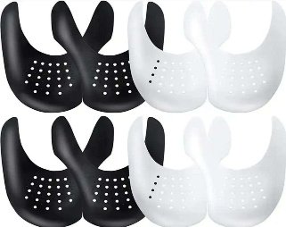 | Crease Protector | 29*26.5*17 | 2.8kg | 100 | 1 | 100
5 | 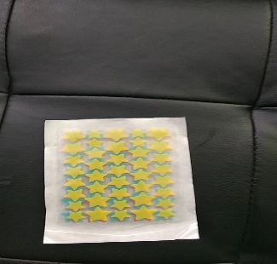 | Acne Pimple Patch | 330*230*280mm | 11kg | 5,000 | 0.3 | 1500
6 | 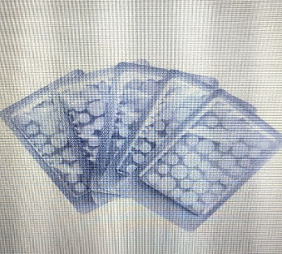 | Invisible Pimple Patch | 330*230*280mm | 10kg | 5,000 | 0.15 | 750
7 |  | Body Scrubber Pad |  | 20kg | 1000 | 0.22 | 220
8 | 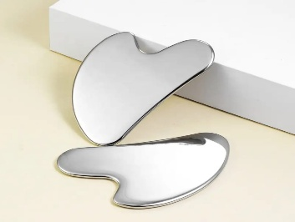 | Metal Guasha | 28*20*20 | 14kg | 300 | 2.25 | 675
9 | 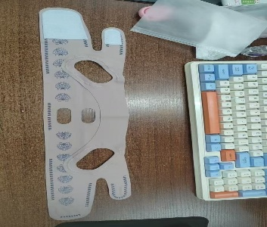 | V-Line face shaper | 52.5*35.2*40.3 | 19kg | 1000 | 2.78 | 2780

 |  |  |  |  |  |  | Total Amount (USD) | 7370

