6.Star Schema
Star Schema

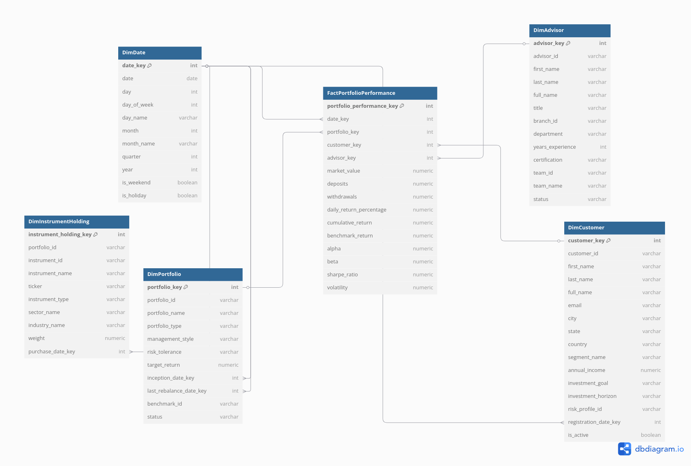
Star Schema Image | Possible Star Schema Queries
 | Sno | Business Question Addressed | SQL query
 | 1 | Daily performance of a given portfolio | SELECT d.date, f.market_value, f.daily_return_percentage FROM FactPortfolioPerformance f JOIN DimDate d ON f.date_key = d.date_key JOIN DimPortfolio p ON f.portfolio_key = p.portfolio_key WHERE p.portfolio_id = 'PORT123' ORDER BY d.date;
 | 2 | YTD cumulative return for all portfolios | SELECT p.portfolio_id, p.portfolio_name, MAX(f.cumulative_return) FILTER (WHERE d.year = EXTRACT(YEAR FROM CURRENT_DATE)) AS ytd_return FROM FactPortfolioPerformance f JOIN DimPortfolio p ON f.portfolio_key = p.portfolio_key JOIN DimDate d ON f.date_key = d.date_key GROUP BY p.portfolio_id, p.portfolio_name;
 | 3 | Average daily return by advisor | SELECT a.advisor_id, a.full_name, AVG(f.daily_return_percentage) AS avg_daily_return FROM FactPortfolioPerformance f JOIN DimAdvisor a ON f.advisor_key = a.advisor_key GROUP BY a.advisor_id, a.full_name;
 | 4 | Total deposits and withdrawals by customer segment | SELECT c.segment_name, SUM(f.deposits) AS total_deposits, SUM(f.withdrawals) AS total_withdrawals FROM FactPortfolioPerformance f JOIN DimCustomer c ON f.customer_key = c.customer_key GROUP BY c.segment_name;
 | 5 | Month-over-month change in benchmark return | WITH monthly AS ( SELECT d.year, d.month, AVG(f.benchmark_return) AS avg_benchmark_return FROM FactPortfolioPerformance f JOIN DimDate d ON f.date_key = d.date_key GROUP BY d.year, d.month ) SELECT m1.year, m1.month, m1.avg_benchmark_return, m1.avg_benchmark_return - LAG(m1.avg_benchmark_return) OVER (ORDER BY m1.year, m1.month) AS mom_change FROM monthly m1;
 | 6 | Top 5 instruments by weight in a portfolio at last rebalance | SELECT ih.instrument_id, ih.instrument_name, ih.ticker, ih.weight FROM DimInstrumentHolding ih JOIN FactPortfolioPerformance f ON ih.portfolio_key = f.portfolio_key AND ih.purchase_date_key = f.date_key WHERE f.portfolio_key = ( SELECT portfolio_key FROM DimPortfolio WHERE portfolio_id = 'PORT123' ) ORDER BY ih.weight DESC LIMIT 5;
 | 7 | Branch‑level total market value as of a specific date | SELECT b.branch_name, SUM(f.market_value) AS branch_market_value FROM FactPortfolioPerformance f JOIN DimPortfolio p ON f.portfolio_key = p.portfolio_key JOIN DimAdvisor a ON p.advisor_key = a.advisor_key JOIN Branches b ON a.branch_id = b.branch_id JOIN DimDate d ON f.date_key = d.date_key WHERE d.date = '2025-05-01' GROUP BY b.branch_name;
 | 8 | Compare average volatility by investment horizon | SELECT c.investment_horizon, AVG(f.volatility) AS avg_volatility FROM FactPortfolioPerformance f JOIN DimCustomer c ON f.customer_key = c.customer_key GROUP BY c.investment_horizon;

