Dashboard
 |  | RETAIL SALES ANALYSIS

Total Sales | Total Profit | Total Orders | Customers | Profit Margin
2297200.86 | 286397.02 | 5009 | 793 | 12.47%
Monthly Sales Trend
 | Total
Jan | 94924.8356
Feb | 59751.2514
Mar | 205005.4888
Apr | 137762.1286
May | 155028.8117
Jun | 152718.6793
Jul | 147238.097
Aug | 159044.063
Sep | 307649.9457
Oct | 200322.9847
Nov | 352461.071
Dec | 325293.5035
Profit by Category
 | Total
Furniture | 18451.2728
Office Supplies | 122490.8008
Technology | 145454.9481

Top 10 Customers by Sales
 | Total
Christine Phan | -1850.3029
Cindy Stewart | -6626.3895
Grant Thornton | -4108.6589
Henry Goldwyn | -2797.9635
Luke Foster | -3583.977
Natalie Fritzler | -1695.9714
Nathan Cano | -2204.8072
Sean Braxton | -2082.7451
Sean Miller | -1980.7393
Sharelle Roach | -3333.9144
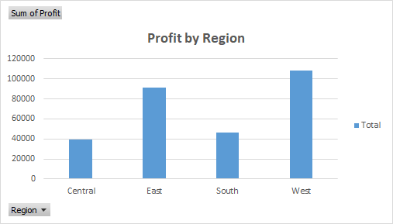

Bottom 10 Customers by Profit
 | Total
Christine Phan | -1850.3029
Cindy Stewart | -6626.3895
Grant Thornton | -4108.6589
Henry Goldwyn | -2797.9635
Luke Foster | -3583.977
Natalie Fritzler | -1695.9714
Nathan Cano | -2204.8072
Sean Braxton | -2082.7451
Sean Miller | -1980.7393
Sharelle Roach | -3333.9144
 |  |  |  | KEY INSIGHTS

 |  |  | 1. Sales increased strongly from 2014 to 2017, with 2017 recording the highest annual sales.

 |  |  | 2. Technology generated the highest profit at approximately $145K, making it the most profitable category.

 |  |  | 3. West region generated the highest profit at approximately $108K, while Central generated the lowest at approximately $40K.

 |  |  | 4. November recorded the highest monthly sales at approximately $352K, while February recorded the lowest at approximately $60K.

 |  |  | 5. Several customers generated significant losses, with the bottom 10 customers contributing approximately $30K in combined negative profit.

