Multi-reg
 | Multiple Linear Regression |  |  |  |  |  | Need to develop multi-linear regression model that relates inputs
 | Age | Severity | Surge | Anxiety | Satisfaction |  | (i.e., AGE, SEVERITY, SURGE-MED and ANXIETY) with outputs (i.e, Satisfaction)
1 | 55 | 49 | 0 | 2.1 | 22
1 | 46 | 42 | 1 | 8 | 30
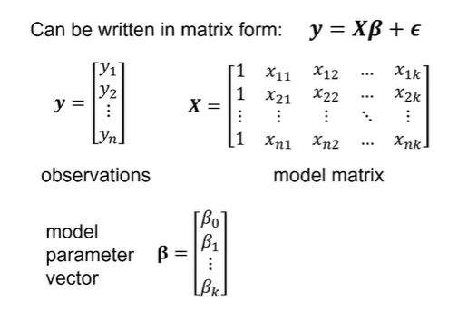
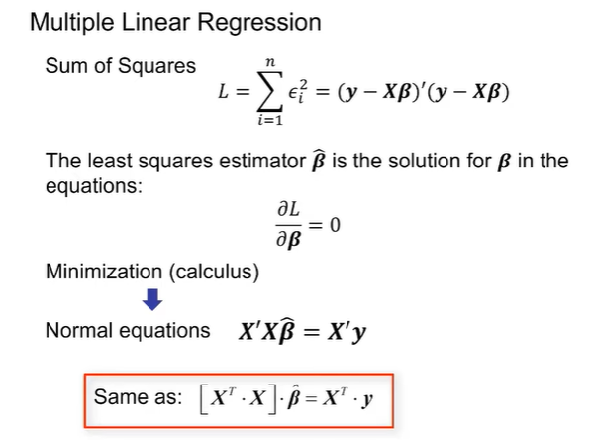
1 | 35 | 8 | 0 | 3.3 | 10
1 | 34 | 41 | 1 | 4 | 50
1 | 32 | 21 | 0 | 5 | 8
1 | 28 | 8 | 0 | 3.2 | 4
1 | 43 | 21 | 0 | 2.8 | 24
1 | 41 | 36 | 1 | 4.6 | 22
1 | 39 | 28 | 1 | 3.5 | 29
1 | 54 | 57 | 1 | 2.4 | 27
1 | 63 | 50 | 1 | 4.5 | 52
1 | 65 | 18 | 1 | 1.2 | 7
1 | 70 | 68 | 0 | 1.7 | 83
1 | 35 | 29 | 1 | 2.3 | 37
1 | 40 | 35 | 0 | 7.3 | 25
1 | 35 | 12 | 1 | 2.5 | 8
1 | 34 | 14 | 1 | 3.5 | 12
1 | 53 | 18 | 1 | 4.5 | 10
1 | 49 | 26 | 0 | 5.2 | 27
 |  |  |  |  |  |  | Where X' = XT

 | XT =
 | 1 | 1 | 1 | 1 | 1 | 1 | 1 | 1 | 1 | 1 | 1 | 1 | 1 | 1 | 1 | 1 | 1 | 1 | 1
 | 55 | 46 | 35 | 34 | 32 | 28 | 43 | 41 | 39 | 54 | 63 | 65 | 70 | 35 | 40 | 35 | 34 | 53 | 49
 | 49 | 42 | 8 | 41 | 21 | 8 | 21 | 36 | 28 | 57 | 50 | 18 | 68 | 29 | 35 | 12 | 14 | 18 | 26
 | 0 | 1 | 0 | 1 | 0 | 0 | 0 | 1 | 1 | 1 | 1 | 1 | 0 | 1 | 0 | 1 | 1 | 1 | 0
 | 2.1 | 8 | 3.3 | 4 | 5 | 3.2 | 2.8 | 4.6 | 3.5 | 2.4 | 4.5 | 1.2 | 1.7 | 2.3 | 7.3 | 2.5 | 3.5 | 4.5 | 5.2

 | XT X= |  |  |  |  |  |  | XTy =
 | 19.0 | 851.0 | 581.0 | 11.0 | 71.6 |  |  | 487
 | 851.0 | 40,807.0 | 28,365.0 | 499.0 | 3,112.5 |  |  | 23908
 | 581.0 | 28,365.0 | 23,039.0 | 345.0 | 2,198.7 |  |  | 19779
 | 11.0 | 499.0 | 345.0 | 11.0 | 41.0 |  |  | 284
 | 71.6 | 3,112.5 | 2,198.7 | 41.0 | 326.5 |  |  | 1805.2

 | (XT X)-1= |  |  |  |  |  |  | β = (XT X)-1 XTy =
 | 1.4905 | -0.0253 | 0.0058 | -0.1121 | -0.1105 |  |  | 4.134
 | -0.0253 | 0.0007 | -0.0003 | -0.0002 | 0.0012 |  |  | -0.095
 | 0.0058 | -0.0003 | 0.0003 | -0.0002 | -0.0006 |  |  | 0.973
 | -0.1121 | -0.0002 | -0.0002 | 0.2168 | 0.0014 |  |  | -1.324
 | -0.1105 | 0.0012 | -0.0006 | 0.0014 | 0.0197 |  |  | -0.857

