Multi-reg
Multiple Linear Regression |  |  |  |  | Need to develop multi-linear regression model that relates inputs
Age | Severity | Surge | Anxiety | Satisfaction | (i.e., AGE, SEVERITY, SURGE-MED and ANXIETY) with outputs (i.e, Satisfaction)
55 | 49 | 0 | 2.1 | 22
46 | 42 | 1 | 8 | 30
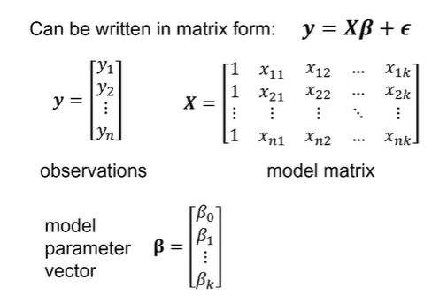
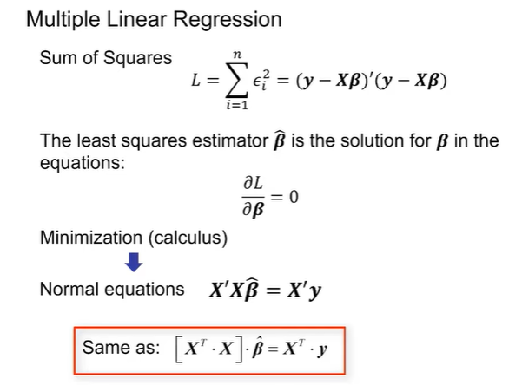
35 | 8 | 0 | 3.3 | 10
34 | 41 | 1 | 4 | 50
32 | 21 | 0 | 5 | 8
28 | 8 | 0 | 3.2 | 4
43 | 21 | 0 | 2.8 | 24
41 | 36 | 1 | 4.6 | 22
39 | 28 | 1 | 3.5 | 29
54 | 57 | 1 | 2.4 | 27
63 | 50 | 1 | 4.5 | 52
65 | 18 | 1 | 1.2 | 7
70 | 68 | 0 | 1.7 | 83
35 | 29 | 1 | 2.3 | 37
40 | 35 | 0 | 7.3 | 25
35 | 12 | 1 | 2.5 | 8
34 | 14 | 1 | 3.5 | 12
53 | 18 | 1 | 4.5 | 10
49 | 26 | 0 | 5.2 | 27

