Sheet1
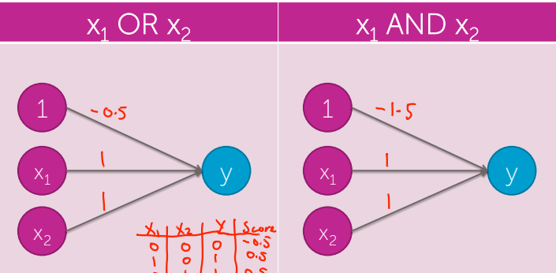
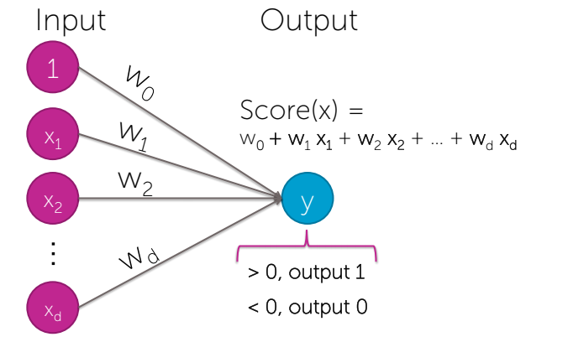
Base Equation
Score (x) | = w0 + w1x1 + w2x2 + …. wDxD
 |  | w0 | w1 | w2 | w3
 | Weights | -0.5 | 1 | 1 | 0
 | X-Inputs | 0 | 1 | 0 | 0
 |  | x0 | x1 | x2 | x3

 | OUTPUT | 0.50

