Eqn
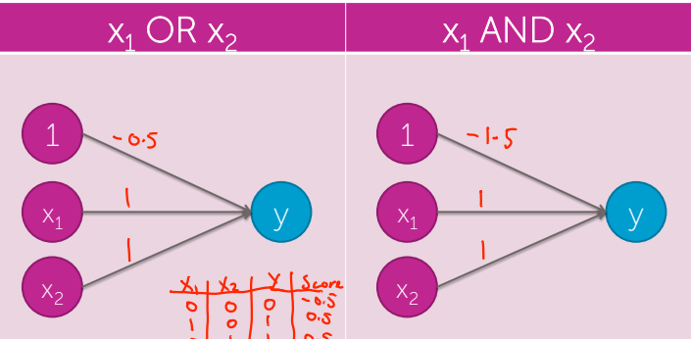
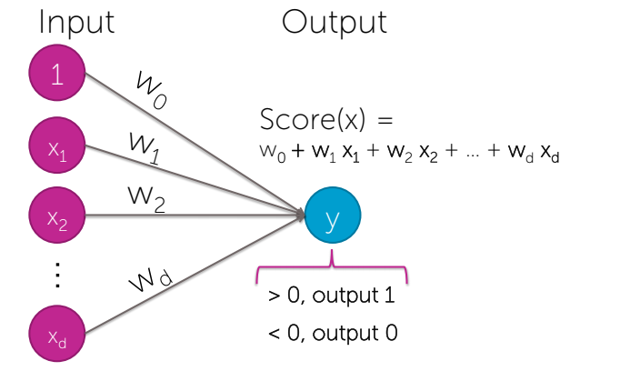
Base Equation
Score (x) | = w0 + w1x1 + w2x2 + …. wDxD
 |  | w0 | w1 | w2 | w3
 | Weights | -0.5 | 1 | 1 | 0
 | X-Inputs | 0 | 1 | 0 | 0
 |  | x0 | x1 | x2 | x3

 | OUTPUT | 0.50

Truth_Table
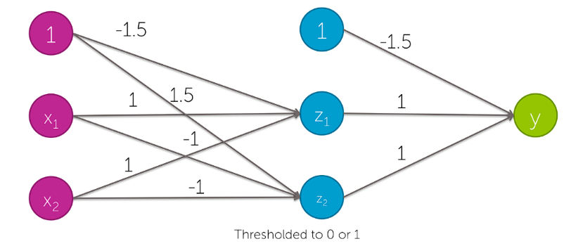
w1 = | 1 | w2 = | 1 | z1_b = | -1.5
x1 | x2 | z1 | z1_t | x1 AND x2 |  | x1 | x2 | x3 | x1 AND x2 AND (NOT x3)
0 | 0 | -1.5 | 0 | 0 | Y | 0 | 0 | 0 | 0
0 | 1 | -0.5 | 0 | 0 | Y | 0 | 0 | 1 | 0
1 | 0 | -0.5 | 0 | 0 | Y | 0 | 1 | 0 | 0
1 | 1 | 0.5 | 1 | 1 | Y | 0 | 1 | 1 | 0
 |  |  |  |  |  | 1 | 0 | 0 | 0
w1 = | -1 | w2 = | -1 | z1_b = | 1.5 | 1 | 0 | 1 | 0
x1 | x2 | z2 | z2_t | (NOT x1) AND (NOT x2) |  | 1 | 1 | 0 | 1
0 | 0 | 1.5 | 1 | 1 | Y | 1 | 1 | 1 | 0
0 | 1 | 0.5 | 1 | 0 | N
1 | 0 | 0.5 | 1 | 0 | N
1 | 1 | -0.5 | 0 | 0 | Y

w1 = | 1 | w2 = | 1 | y_b = | -1.5
z1 | z2 | y | y_t | z1 OR z2
0 | 0 | -1.5 | 0 | 0 | Y
0 | 1 | -0.5 | 0 | 1 | N
1 | 0 | -0.5 | 0 | 1 | N
1 | 1 | 0.5 | 1 | 1 | Y

