Sheet1
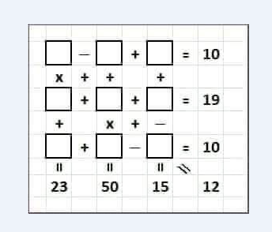

4 | - | 2 | + | 8 | 10
x | + | + |  | +
4 | + | 8 | + | 7 | 19
+ |  | x | + | -
4 | + | 6 | - | 0 | 10
20 |  | 50 |  | 15 | 12

