Sheet1
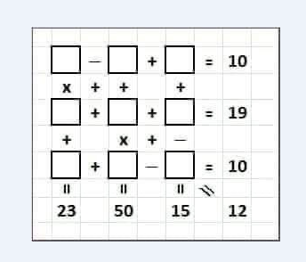

18 | - | 10 | + | 30 | 38
x | + | + |  | +
-4 | + | 25 | + | -25 | -4
+ |  | x | + | -
-17 | + | 4 | - | -18 | 5
-89 |  | 110 |  | 23 | 25

