Sheet1
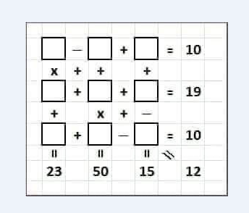

4 | - | -6 | + | 10 | 20
x | + | + |  | +
5 | + | 7 | + | 7 | 19
+ |  | x | + | -
3 | + | 8 | - | 1 | 10
23 |  | 50 |  | 16 | 12

