Sheet1
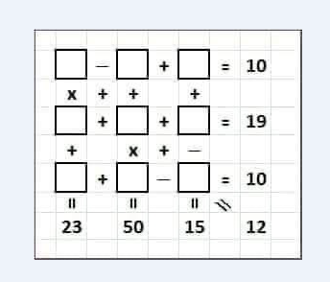

5 | - | 2 | + | 7 | 10
x | + | + |  | +
4 | + | 6 | + | 9 | 19
+ |  | x | + | -
3 | + | 8 | - | 1 | 10
23 |  | 50 |  | 15 | 12

