Quiz
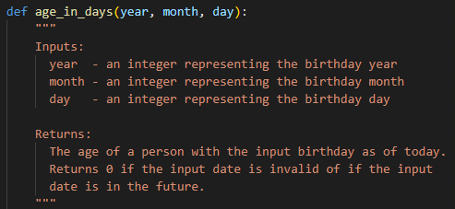
Python Programming - Coaching
Date: | 2022-10-18
Q-1: | Write a program that will prompt for the price of a six-pack and the volume of each can, then print out the price per pack ?
Sample Run:

Conditions: | 1. Inputs should be float
 | 2. Use suitable variable names
 | 3. Output only 2 significant places
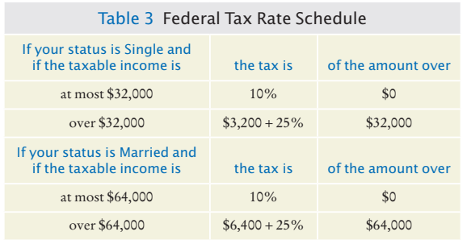
Date: | 2022-10-19
Q-2: | Computes income taxes, using a simplified tax schedule ?
Sample Run:

Date: | 2022-10-20
Q-3: | Compare the numbers in Python using boolean expressions?
Sample Run:

Date: | 2022-10-22
Q-4: | Use various string functions to carry out string operations ?

Date: | 2022-10-24
Q-5: | Take three separate lists of names, ages and birth-dates and combine them and print them as single list as per below format?
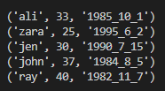

Date: | 2022-10-31
Q-6: | Write a program having two functions i.e. main() and cuberoot(). Main should run program and return cube of user input integer. Return 0 if input less than zero.

Date: | 2022-11-23
Q-7: | Write a program having two functions i.e. days_in_month(year, month) will return days for any year and any month. Use helper function leap_year(year) to check leap years.

Date: | 2022-12-06
Q-8: | Now use days_in_month(year, month) to calculate difference of two dates as def days_between(year1, month1, day1, year2, month2, day2) with below details;

