WBS
Simple WBS in Excel
Level - 1
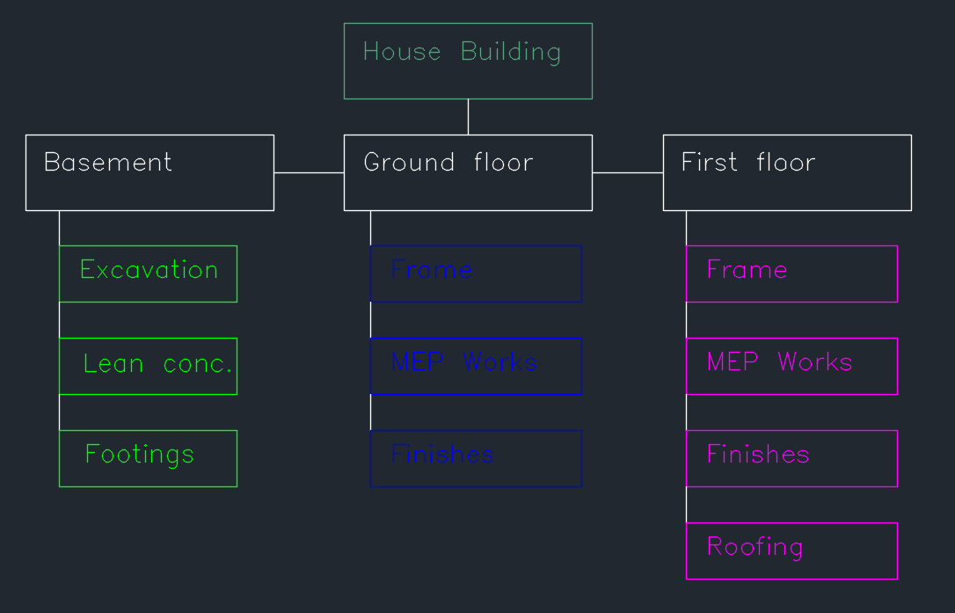

Level - 2

Level - 3

