Sheet3
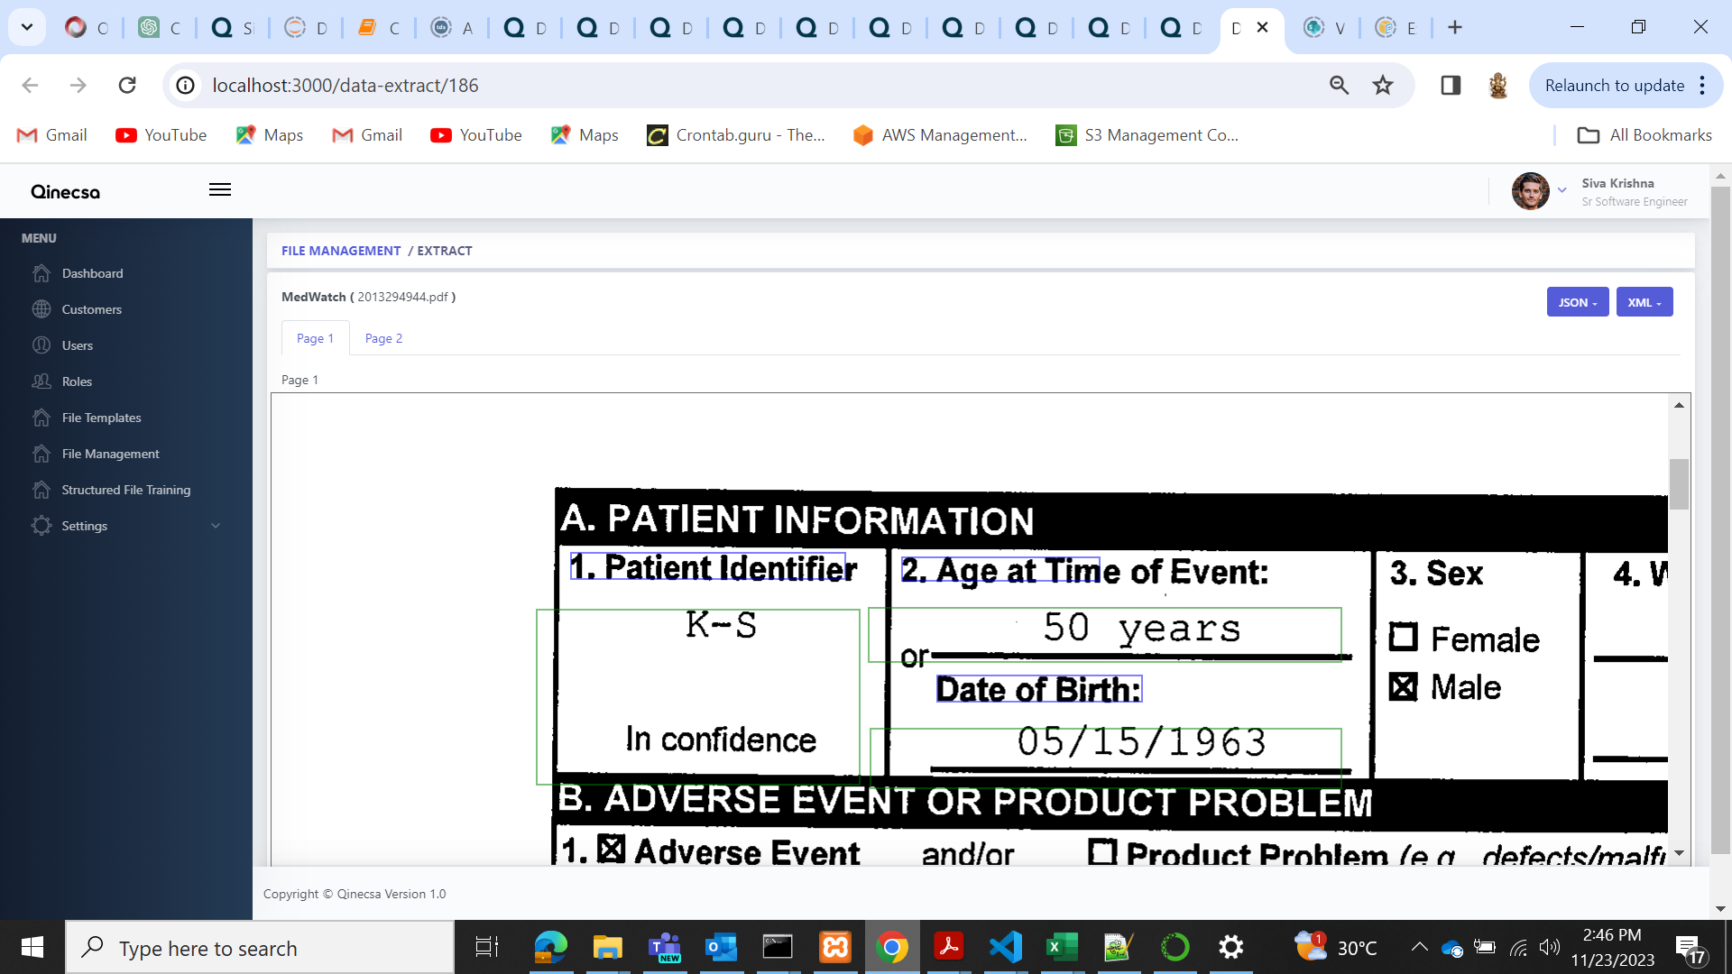
2013294860 | Adverse_event | 1129:1591:1588:1617_1128:118:1586:1732 | Value co-ordinates issue
2013294944.pdf
( 2013264121.pdf ) | Occupation |  | Complete block taking as a value

