Marketplace Offerings
AWS Marketplace Offerings — Palo Alto + MongoDB (HYD + Mumbai Validated)
S.No | Product | Region | Configuration | Availability | Monthly $ | Notes
1 | Palo Alto VM-Series (EC2) | Hyderabad | 2x c6i.xlarge HA pair | ✅ Available | $128.86 | VM-Series EC2 compute. 2x c6i.xlarge HA pair. CSP 3yr pricing.
2 | Palo Alto VM-Series (EBS) | Hyderabad | 2x 100 GB gp3 | ✅ Available | $18.24 | OS + logs storage.
3 | Gateway Load Balancer | Hyderabad | GWLB for Palo Alto HA | ✅ Available | $24.68 | Traffic routing.
4 | Palo Alto PAYG 365-day License | Hyderabad | 2x c6i.xlarge — PAYG 365-day (71% savings) | ✅ Marketplace | $724.00 | PAYG $1.71/hr → 365-day: $0.4959/hr × 730hr = $362/mo × 2 instances. Includes Adv Threat Prevention, URL Filtering, WildFire, DNS Security, GlobalProtect + 24x7 Premium Support. Source: aws.amazon.com/marketplace/pp/prodview-3xtziatyes54i
5 | Palo Alto DR (EC2) | Mumbai | 2x c6i.xlarge passive standby | ✅ Available | $80.30 | DR pair. Instances stopped until failover. EC2 compute only.
6 | Palo Alto DR (EBS) | Mumbai | 2x 100 GB gp3 | ✅ Available | $18.24 | DR EBS (provisioned).
7 | Gateway Load Balancer (DR) | Mumbai | GWLB DR | ✅ Available | $24.68 | Standby GWLB.
8 | Palo Alto PAYG 365-day (DR) | Mumbai | 2x c6i.xlarge — PAYG 365-day (DR pair) | ✅ Marketplace | $724.00 | DR pair: Same 365-day rate. License commits to annual contract regardless of instance state. Same security subs included.
9 | MongoDB Atlas HMIS Cluster 1 | Hyderabad (Atlas) | M40 - 16 GB / 750 GB | ✅ Since Mar 2025 | $800.02 | Primary HMS MongoDB cluster. Marketplace.
10 | MongoDB Atlas HMIS Cluster 2 | Hyderabad (Atlas) | M50 - 32 GB / 1,596 GB | ✅ Since Mar 2025 | $1,200.02 | Secondary HMS. Marketplace.
11 | MongoDB Atlas App/SAP Cluster | Hyderabad (Atlas) | M30 - 8 GB / 200 GB | ✅ Since Mar 2025 | $450.02 | SAP-Atlas dependency.
12 | MongoDB Atlas Multi-Region DR | Mumbai (Atlas) | Cross-region replica premium | ✅ Available | $980.02 | 30-40% premium. Auto failover.
13 | Latespot CRM (placeholder) | Hyderabad | Marketplace Private Offer TBC | Pending | $0.00 | Vendor details pending Chari.
14 | HMS Vendor BOQ (placeholder) | Hyderabad | IQVIA/Care Expert/MyHealthcare | Pending | $0.00 | Pending Srini/Chari decision.
TOTAL Marketplace Offerings |  |  |  |  | $5,173.08

 | 🛒 Marketplace Availability Verification (24-Apr-2026)
 | • Palo Alto VM-Series: ✅ Available globally via AWS Marketplace (HYD + Mumbai)
 | • MongoDB Atlas: ✅ Hyderabad since March 2025, Mumbai long-standing
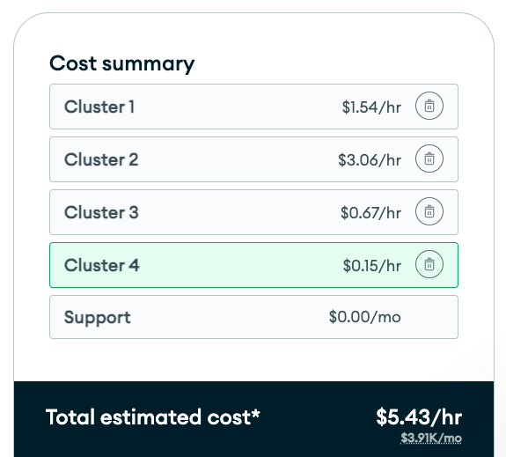
 | https://www.mongodb.com/products/platform/atlas-cloud-providers/aws/pricing
 | https://www.mongodb.com/docs/atlas/reference/amazon-aws/#std-label-amazon-aws
 | https://aws.amazon.com/marketplace/pp/prodview-3xtziatyes54i?sr=0-2&ref_=beagle&applicationId=AWSMPContessa

 | Requirements from Customer - 24th april 2026 (Minfy send email)
 | PACS Infra details with Active Directory details |  | SAP Rise - Internal Check (Infra - Gopal, Functional - AWS)
 | CRM - SaaS details
 | HMS Vendor BOQ post discussion with vendor
 | Palo Alto License
 | HMS ARM Based architecture
 | Static page hosting with S3 + Cloudfront
 | CPU / RAM Utilization
 | Application Depedency (Server Depedent)

 |  |  |  | https://www.mongodb.com/pricing/calculator/estimate/69eca2abcf761e821c9acfed/cluster-configuration/69eca36bcf761e821c9acff7?name=Cluster+4&isAdvancedConfigExpanded=false&isBackupNetworkExpanded=false&isPrimaryConfigExpanded=true&region=AP_SOUTH_1&diskSizeGb=100

