Sheet1
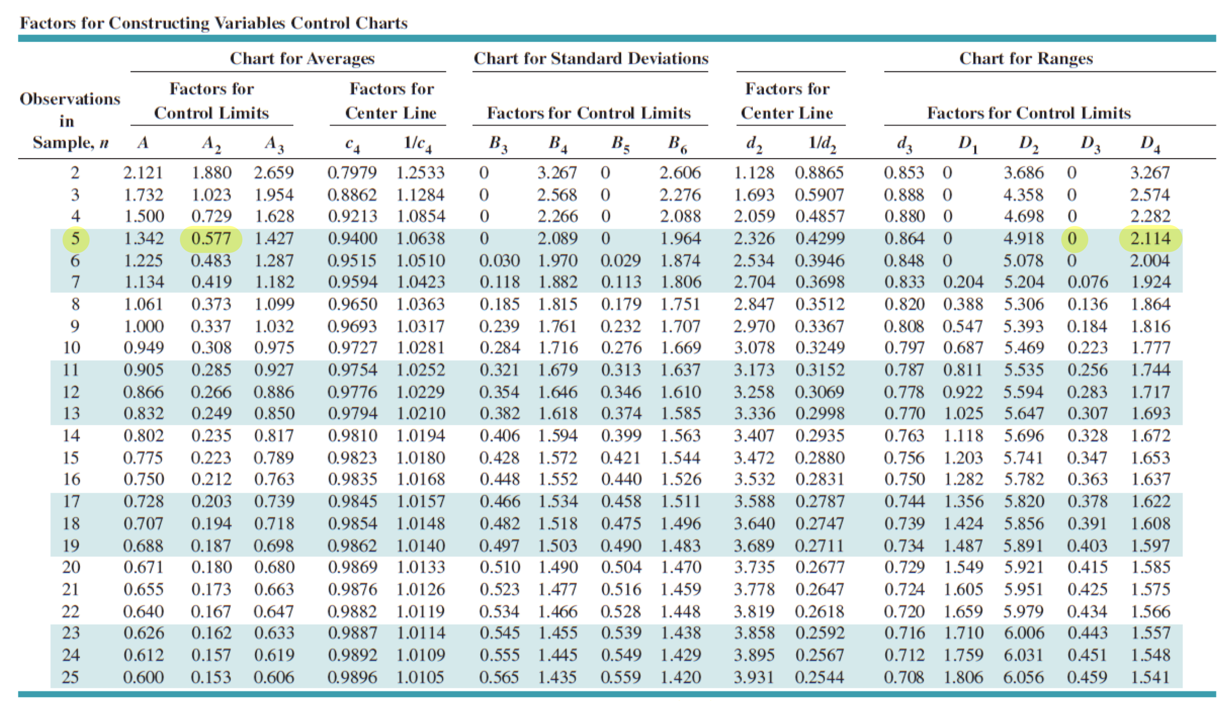
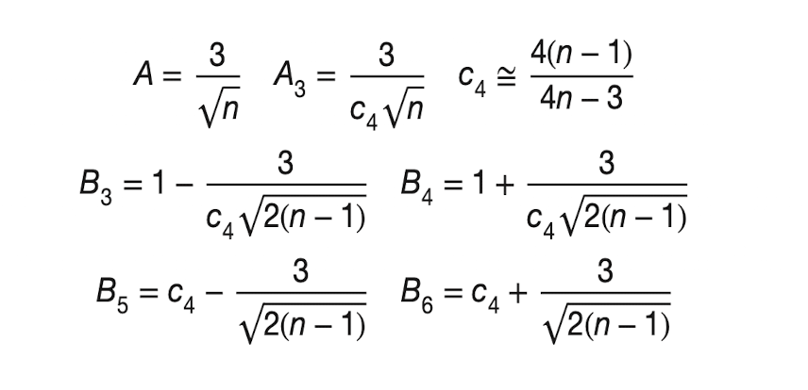
 |  |  |  |  |  |  |  |  |  |  |  |  |  |  |  |  |  |  | x1 | x2 | x3 | x4 | x5 | x_bar | Range
 |  |  |  |  |  |  |  |  |  |  |  |  |  |  |  |  |  | 1 | -30 | 50 | -20 | 10 | 30 | 8 | 80
 |  |  |  |  |  |  |  |  |  |  |  |  |  |  |  |  |  | 2 | 0 | 50 | -60 | -20 | 30 | 0 | 110
 |  |  |  |  |  |  |  |  |  |  |  |  |  |  |  |  |  | 3 | -50 | 10 | 20 | 30 | 20 | 6 | 80
 |  |  |  |  |  |  |  |  |  |  |  |  |  |  |  |  |  | 4 | -10 | -10 | 30 | -20 | 50 | 8 | 70
 |  |  |  |  |  |  |  |  |  |  |  |  |  |  |  |  |  | 5 | 20 | -40 | 50 | 20 | 10 | 12 | 90
 |  |  |  |  |  |  |  |  |  |  |  |  |  |  |  |  |  | 6 | 0 | 0 | 40 | -40 | 20 | 4 | 80
 |  |  |  |  |  |  |  |  |  |  |  |  |  |  |  |  |  | 7 | 0 | 0 | 20 | -20 | -10 | -2 | 40
 |  |  |  |  |  |  |  |  |  |  |  |  |  |  |  |  |  | 8 | 70 | -30 | 30 | -10 | 0 | 12 | 100
 |  |  |  |  |  |  |  |  |  |  |  |  |  |  |  |  |  | 9 | 0 | 0 | 20 | -20 | 10 | 2 | 40
 |  |  |  |  |  |  |  |  |  |  |  |  |  |  |  |  |  | 10 | 10 | 20 | 30 | 10 | 50 | 24 | 40
 |  |  |  |  |  |  |  |  |  |  |  |  |  |  |  |  |  | 11 | 40 | 0 | 20 | 0 | 20 | 16 | 40
 |  |  |  |  |  |  |  |  |  |  |  |  |  |  |  |  |  | 12 | 30 | 20 | 30 | 10 | 40 | 26 | 30
 |  |  |  |  |  |  |  |  |  |  |  |  | 0.57847746482 |  |  |  |  | 13 | 30 | -30 | 0 | 10 | 10 | 4 | 60
 |  |  |  |  |  |  |  |  |  | 1.25 |  |  |  |  |  |  |  | 14 | 30 | -10 | 50 | -10 | -30 | 6 | 80
 |  |  |  |  |  |  |  |  |  | 0.66666666667 |  |  |  |  |  |  |  | 15 | 10 | -10 | 50 | 40 | 0 | 18 | 60
 |  |  |  |  |  |  |  |  |  |  |  |  |  |  |  |  |  | 16 | 0 | 0 | 30 | -10 | 0 | 4 | 40
 |  |  |  |  |  |  |  |  |  |  |  |  |  |  |  |  |  | 17 | 20 | 20 | 30 | 30 | -20 | 16 | 50
 |  |  |  |  |  |  |  |  |  | 0.022750150938 |  |  |  |  |  |  |  | 18 | 10 | -20 | 50 | 30 | 10 | 16 | 70
 |  |  |  |  |  |  |  |  |  | 1.25 |  |  |  |  |  |  |  | 19 | 50 | -10 | 40 | 20 | 0 | 20 | 60
 |  |  |  |  |  |  |  |  |  |  |  |  |  |  |  |  |  | 20 | 50 | 0 | 0 | 30 | 10 | 18 | 50
 |  |  |  |  |  |  |  |  |  |  |  |  |  |  |  |  |  |  |  |  |  |  | avg | 10.9 | 63.5 | 27.300085985

 |  |  |  |  |  |  |  |  |  |  |  |  |  |  |  |  |  |  |  |  |  |  | UCL | 47.5395
 | x | p |  |  | x | p |  | x | n | p | ucl | lcl |  | x | n | p | z |  |  |  |  |  | CL | 10.9
1 | 0 | 0 |  | 1 | 0 | 0 | 1 | 3 | 200 | 0.015 | 0.047220019087 | 0 | 1 | 3 | 200 | 0.015 | -0.37463134754 |  |  |  |  |  | LCL | -25.7395
2 | 3 | 0.06 |  | 2 | 3 | 0.06 | 2 | 4 | 250 | 0.016 | 0.04419608174 | 0 | 2 | 4 | 250 | 0.016 | -0.30175094259
3 | 4 | 0.08 |  | 3 | 4 | 0.08 | 3 | 2 | 240 | 0.0083333333333 | 0.044724368419 | 0 | 3 | 2 | 240 | 0.0083333333333 | -1.1752797069
4 | 6 | 0.12 |  | 4 | 6 | 0.12 | 4 | 5 | 300 | 0.016666666667 | 0.041963903924 | 0 | 4 | 5 | 300 | 0.016666666667 | -0.24503411231
5 | 5 | 0.1 |  | 5 | 5 | 0.1 | 5 | 2 | 200 | 0.01 | 0.047220019087 | 0 | 5 | 2 | 200 | 0.01 | -0.89831684544
6 | 2 | 0.04 |  | 6 | 2 | 0.04 | 6 | 4 | 250 | 0.016 | 0.04419608174 | 0 | 6 | 4 | 250 | 0.016 | -0.30175094259
7 | 8 | 0.16 |  | 7 | 8 | 0.16 | 7 | 3 | 246 | 0.012195121951 | 0.044403528109 | 0 | 7 | 3 | 246 | 0.012195121951 | -0.74129826862
8 | 9 | 0.18 |  | 8 | 9 | 0.18 | 8 | 5 | 258 | 0.019379844961 | 0.043795756982 | 0 | 8 | 5 | 258 | 0.019379844961 | 0.095520272283
9 | 4 | 0.08 |  | 9 | 4 | 0.08 | 9 | 2 | 275 | 0.0072727272727 | 0.043003830119 | 0 | 9 | 2 | 275 | 0.0072727272727 | -1.3883202422
10 | 2 | 0.04 |  | 10 | 2 | 0.04 | 10 | 1 | 274 | 0.0036496350365 | 0.043048364262 | 0 | 10 | 1 | 274 | 0.0036496350365 | -1.8299545148
11 | 6 | 0.12 |  | 11 | 6 | 0.12 | 11 | 0 | 219 | 0 | 0.045949322217 | 0 | 11 | 0 | 219 | 0 | -2.0360114899
12 | 4 | 0.08 |  | 12 | 4 | 0.08 | 12 | 10 | 238 | 0.042016806723 | 0.044834002003 | 0 | 12 | 10 | 238 | 0.042016806723 | 2.6781222359
13 | 8 | 0.16 |  | 13 | 8 | 0.16 | 13 | 4 | 250 | 0.016 | 0.04419608174 | 0 | 13 | 4 | 250 | 0.016 | -0.30175094259
14 | 0 | 0 |  | 14 | 0 | 0 | 14 | 6 | 302 | 0.019867549669 | 0.041886334787 | 0 | 14 | 6 | 302 | 0.019867549669 | 0.16611403784
15 | 7 | 0.14 |  | 15 | 7 | 0.14 | 15 | 20 | 219 | 0.091324200913 | 0.045949322217 | 0 | 15 | 20 | 219 | 0.091324200913 | 7.9730529079
16 | 20 | 0.4 |  | 16 |  |  | 16 | 3 | 246 | 0.012195121951 | 0.044403528109 | 0 | 16 | 3 | 246 | 0.012195121951 | -0.74129826862
17 | 6 | 0.12 |  | 17 | 6 | 0.12 | 17 | 6 | 251 | 0.02390438247 | 0.044144996528 | 0 | 17 | 6 | 251 | 0.02390438247 | 0.62509583059
18 | 1 | 0.02 |  | 18 | 1 | 0.02 | 18 | 7 | 273 | 0.025641025641 | 0.043093142873 | 0 | 18 | 7 | 273 | 0.025641025641 | 0.86442420222
19 | 5 | 0.1 |  | 19 | 5 | 0.1 | 19 | 3 | 245 | 0.012244897959 | 0.044456181894 | 0 | 19 | 3 | 245 | 0.012244897959 | -0.73401985993
20 | 7 | 0.14 |  | 20 | 7 | 0.14 | 20 | 1 | 260 | 0.0038461538462 | 0.043698574025 | 0 | 20 | 1 | 260 | 0.0038461538462 | -1.759122896
 | 5.35 | 0.107 |  |  | 4.5789473684 | 0.091578947368 |  | 4.55 | 249.8 | 0.01857687342 |  |  |  | 4.55 | 249.8 | 0.01857687342

 | UCL | 0.23814564423 |  |  | UCL | 0.21394971135 |  |  | ucl | 0.044206335576 |  |  |  |  |  | ucl | 3
 | CL | 0.107 |  |  | CL | 0.091578947368 |  |  | cl | 0.01857687342 |  |  |  |  |  | cl | 0
 | LCL | -0.024145644228 |  |  | LCL | -0.030791816616 |  |  | lcl | -0.0070525887369 |  |  |  |  |  | lcl | -3

 | n | x | u | UCL | LCL | z |  | x | u | u'
1 | 18 | 12 | 0.66666666667 | 1.3765123875 | 0.14358862259 | -0.45445066941 | 1 | 1 | 0.25 | 0.125
2 | 18 | 14 | 0.77777777778 | 1.3765123875 | 0.14358862259 | 0.08626943481 | 2 | 3 | 0.75 | 0.375
3 | 24 | 20 | 0.83333333333 | 1.2939221557 | 0.22617885438 | 0.41180026055 | 3 | 2 | 0.5 | 0.25
4 | 22 | 18 | 0.81818181818 | 1.3176612582 | 0.20243975187 | 0.3127521096 | 4 | 1 | 0.25 | 0.125
5 | 22 | 15 | 0.68181818182 | 1.3176612582 | 0.20243975187 | -0.42089749589 | 5 | 0 | 0 | 0
6 | 22 | 12 | 0.54545454545 | 1.3176612582 | 0.20243975187 | -1.1545471014 | 6 | 2 | 0.5 | 0.25
7 | 20 | 11 | 0.55 | 1.3448775968 | 0.17522341328 | -1.0775005536 | 7 | 1 | 0.25 | 0.125
8 | 20 | 15 | 0.75 | 1.3448775968 | 0.17522341328 | -0.051556290014 | 8 | 5 | 1.25 | 0.625
9 | 20 | 12 | 0.6 | 1.3448775968 | 0.17522341328 | -0.82101448771 | 9 | 2 | 0.5 | 0.25
10 | 20 | 10 | 0.5 | 1.3448775968 | 0.17522341328 | -1.3339866195 | 10 | 1 | 0.25 | 0.125
11 | 18 | 18 | 1 | 1.3765123875 | 0.14358862259 | 1.1677096433 | 11 | 0 | 0 | 0
12 | 18 | 14 | 0.77777777778 | 1.3765123875 | 0.14358862259 | 0.08626943481 | 12 | 2 | 0.5 | 0.25
13 | 18 | 9 | 0.5 | 1.3765123875 | 0.14358862259 | -1.2655308257 | 13 | 1 | 0.25 | 0.125
14 | 20 | 10 | 0.5 | 1.3448775968 | 0.17522341328 | -1.3339866195 | 14 | 1 | 0.25 | 0.125
15 | 20 | 14 | 0.7 | 1.3448775968 | 0.17522341328 | -0.30804235591 | 15 | 2 | 0.5 | 0.25
16 | 13 | 13 | 1 | 1.4854392361 | 0.034661773963 | 0.9923623762 | 16 | 3 | 0.75 | 0.375
17 | 16 | 16 | 1 | 1.4139070712 | 0.10619393891 | 1.1009272096 |  | 1.6875 | 0.421875 | 0.2109375
18 | 18 | 18 | 1 | 1.3765123875 | 0.14358862259 | 1.1677096433
19 | 20 | 20 | 1 | 1.3448775968 | 0.17522341328 | 1.2308740395 |  | UCL | 1.3961535793 | 0.69807678963
20 | 17 | 17 | 1 | 1.3943845489 | 0.12571646123 | 1.1348097928 |  | CL | 0.421875 | 0.2109375
 | 19.2 | 14.4 | 0.76005050505 |  |  |  |  | LCL | 0 | 0
 |  |  |  |  |  |  |  |  | n=4 | n=8
 | UCL | 1.3569371561 |  |  | UCL | 3
 | CL | 0.76005050505 |  |  | CL | 0
 | LCL | 0.16316385397 |  |  | LCL | -3

