Copyright
Copyright Notice

return to index
This workbook contains a modified version of data provided by Obvience.
www.obvience.com

- The Dashboard in this file and data was created by Mynda Treacy from My Online Training Hub.
- Individual users are permitted to recreate the dashboard for personal practice only.
- Recreating the dashboard for training of others is not permitted, unless written consent is granted by Mynda Treacy.
- Sharing images of dashboards you build based on this data and or dashboard on social media must be accompanied by the following:
Check out the original Dashboard by Mynda Treacy here: https://youtu.be/rsx43g7TBBs

- Sharing Excel files containing dashboards you build based on this data and or dashboard on social media is not permitted*.
*Please direct people to download the original file from the link in the video description on YouTube.

- The workbook and any visualization pages must be accompanied by the following copyright notice: My Online Training Hub ©.
- This sheet must remain in any file that uses this data and or these Dashboard techniques.
- Any uses of this workbook and/or data must include the above attribution.

Notes
Excel Dashboard using Power Query and Power Pivot
Note: This file will not work in Excel 2010.
Note: this dashboard uses data from the folders on my PC as you saw in the webinar. As a result you cannot 'Refresh All' as you will not have the same drive mapping as me.
However, you can interact with the dashboard by changing the Slicer selections. If you get an error trying to interact with the Slicers then you may have a different version of Excel to the one I used to create this dashboard.
Check out my other webinars here:
If you'd like to learn how to build dashboards like this please check out my Excel Dashboard course.
Related Training:
If you have any questions please email me at mynda.treacy@myonlinetraininghub.com
Go to Excel Dashboard Course
Go to File Index
Go to Power Query Course
Go to Power Pivot Course
FREE Webinars

Click here to see which versions of Excel have Power Query
Click here to see which versions of Excel have Power Pivot

File Index
Power Query and Power Pivot Excel Dashboards with Mynda Treacy

go to sheet
go to sheet
go to sheet
 | Actives Dashboard
 | Excel Version Differences
 | Dashboard Protection
go to sheet
 | More Resources
go to sheet
 | Source Information

Actives Dashboard
 | F | M
<30 | 172 | 165
30-49 | 81 | 105
50+ | 44 | 83
return to index
Actives Dashboard
Separations Dashboard
HR Management Dashboard | Total Emp | 54% | 46% |  |  |  |  |  |  | Turnover
Source: Obvience ©
 |  |  |  | Hourly | 92% | 82% | Full Time | 28% | 50%
 | 650 | 353 | 297 | Salary | 8% | 18% | Part Time | 72% | 50% | 255% | 256% | 254%
Actives by Ethnic Group
 | FT | PT
F | 20 | 25
M | 14 | 35
F | 25 | 17
M | 15 | 35
F | 14 | 16
M | 11 | 50
F | 19 | 24
M | 13 | 35
F | 27 | 22
M | 13 | 30
F | 23 | 25
M | 14 | 40
F | 21 | 19
M | 18 | 30
Total Active Employees
 | Active Employees | New Hires
Qtr1 | 229 | 3
Qtr2 | 251 | 21
Qtr3 | 275 | 24
Qtr4 | 300 | 30
Qtr1 | 338 | 37
Qtr2 | 361 | 22
Qtr3 | 403 | 47
Qtr4 | 467 | 74
Qtr1 | 449 | 66
Qtr2 | 458 | 114
Qtr3 | 494 | 176
Qtr4 | 505 | 130
Qtr1 | 525 | 127
Qtr2 | 633 | 298
Qtr3 | 648 | 278
Qtr4 | 650 | 149

Separations
 | Separations | Bad Hires
2015 | 11 | 11
2016 | 96 | 92
2017 | 599 | 400
2018 | 950 | 676
Actives by Region
 | FT | PT
Central | 25 | 50
East | 86 | 27
Midwest | 21 | 41
North | 34 | 90
Northwest | 21 | 73
South | 33 | 81
West | 27 | 41

Average Tenure - Months
 | FT | PT
F | 77 | 29
M | 113 | 20
F | 87 | 16
M | 64 | 17
F | 55 | 11
M | 131 | 19
F | 88 | 18
M | 84 | 18
F | 86 | 12
M | 66 | 34
F | 68 | 13
M | 74 | 20
F | 74 | 8
M | 94 | 18

Termination Reason
 | Involuntary | Voluntary
2015 | 11
2016 | 73 | 23
2017 | 127 | 472
2018 | 228 | 722

Separations Dashboard
return to index

Actives Dashboard
Separations Dashboard

More Resources
return to index
More Resources

 | Courses
 | Excel Dashboard Course | https://www.myonlinetraininghub.com/excel-dashboard-course
 | Power Query Course | https://www.myonlinetraininghub.com/excel-power-query-course
 | Power Pivot Course | https://www.myonlinetraininghub.com/power-pivot-course
 | Power BI Course | https://www.myonlinetraininghub.com/power-bi-course

 | Excel Forum | https://www.myonlinetraininghub.com/excel-forum

 | Contact | website@myonlinetraininghub.com

Dashboard Protection
return to index
Protecting your dashboard
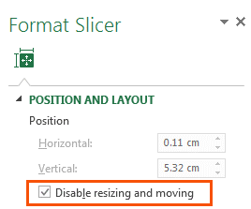
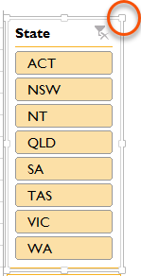
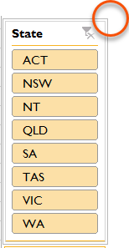
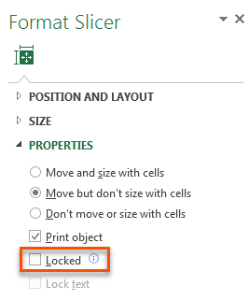
1. Slicers - prevent users activating the pull handles when using the Slicer by selecting 'Disable resizing and moving' in the Slicer Position and Layout setting (right-click Slicer).
Or Slicers - Simply protect the worksheet containing the Dashboard, but make sure you 'unprotect' Slicers so that they can still be clicked:
Before Disabling Resizing
After Disabling Resizing

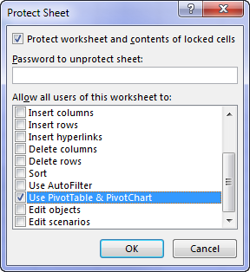
2. Worksheet Protection - You'll find the Worksheet Protection on the Review tab:

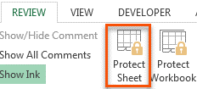

If your Dashboard sheet contains a PivotTable, make sure 'Use PivotTable & PivotChart' is checked so that Slicers work.
Note, this will prevent the PivotTables in the entire file from being refreshed, so if you're planning on updating your dashboard with new data, then option 3 is preferred.

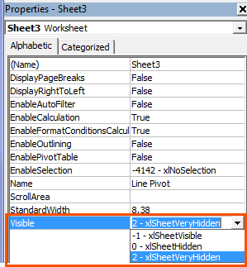
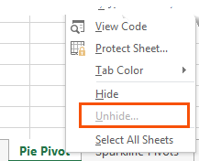
3. Hide Worksheets
A better solution is to set the property for the
sheets containing your data and workings to
VeryHidden in the VB Editor Alt+F11.
When you right-click the sheet tab there is no
indication that worksheets are hidden when
their properties are set to 'xlSheetVeryHidden'

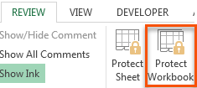
4. Protect Workbook
Once you've 'VeryHidden' the sheets containing your workings and data you need to protect your workbook so your users can't unhide them.
WARNING: this protection is not bullet proof. If a user wants to get to your underlying data they can find a way. A Google search will reveal various ways to crack your password, or simply remove the protection.
Therefore Worksheet Protection should be used to prevent users breaking your report, but don't count on it protecting super sensitive information.

Excel Version Differences
return to index
Excel Version Differences

Click here to see what versions of Excel have Power Query

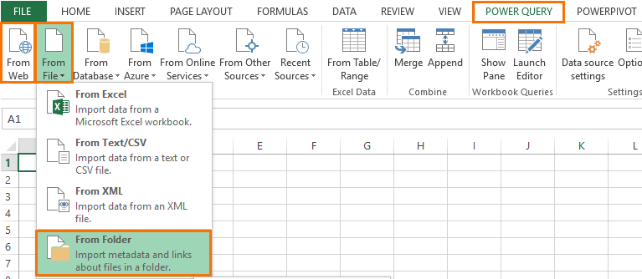
Power Query: In Excel 2010 and 2013 Power Query is on its own tab in the Ribbon (see first image below), whereas in Excel 2016 onward it's included in the Data tab in the Get and Transform group of buttons (see second image below).
Power Query Load To dialog box
In Excel 2013 the Power Query Load To dialog box has less options than Excel 2016 onward, but you can still load direct to the Data Model, which is Power Pivot (see image on right).
In Excel 2010 you can't load your data direct to Power Pivot as the data model is an add-in that's integrated differently. Instead, in Excel 2010 we need to load it to Power Pivot via the Existing Connections. I cover this in detail in my Power Query course.

Excel 2010 & 2013
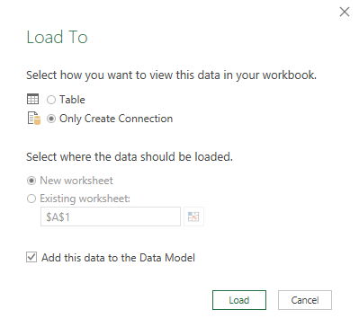
Excel 2013
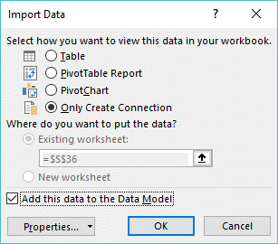
Excel 2016

Excel 2016

Click here to see what versions of Excel have Power Pivot

Power Pivot: The icon for adding an Excel Table to Power Pivot/Data Model is slighly different in each version of Excel:
Excel 2010
Excel 2016
Excel 2013
Excel 2013

Info
return to index
This workbook contains a modified version of data provided by Obvience.

www.obvience.com
Obvience is an ISV and an Intellectual Property (IP) Incubator focused on Microsoft Business Intelligence. Obvience works closely with Microsoft to develop best practices and thought leadership for jump-starting and deploying Microsoft Business Intelligence solutions.

This file and associated data is property of obviEnce llc and has been shared solely for the purpose of demonstrating Power BI functionality with industry sample data.

Any uses of this workbook and/or data must include the above attribution. The workbook and any visualization pages must be accompanied by the following copyright notice: obviEnce ©.

