IN
COMMERCIAL INVOICE
KYUNG CHANG PRECISION. CO.,LTD |  |  |  |  | KCR26-06 |  |  | 2026-02-23
1. For Account & Risk of Messers |  |  |  | 7. Remarks
BORGWARNER TURBO AND EMISSIONS SYSTEMS DE
MEXICO SA DE CV
BLVD. KAPPA No. Ext. 1125
COL. PARQUE INDUSTRIAL SANTA MARIA,
RAMOS ARIZPE C.P.
25903 COAHUILA DE ZARAGOZA MEXICO

Attention : Jose Luis Zamora.
2. Notify party

Same as Above

3. Port of Loading |  | 4. Final Destination |  |  |  | SA# : 2550000334

BUSAN, KOREA |  |  |  |  |  | Tax ID : 503-81-32693
 |  | FOB

5. Carrier |  | 6. Sailing Date |  |  | Terms of delivery and payment

8.Marks and Numbers of PKGS |  |  | 9.Description of |  | 10.Quantity |  | 11.Unit | 12.Extended Price | 13.P.O.# | 14.RAN#
 |  |  | Goods |  |  |  | Price
 |  |  |  |  | (pcs) |  | (USD) | (USD)

 |  |  | NEW AUTOMOTIVE PARTS-AIR PUMP BRACKET

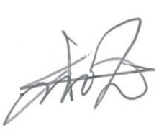
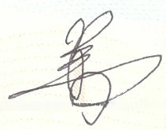

 | 15.Address :
 | KYUNG CHANG PRECISION IND. CO., LTD.
 | 149 Gukgasandan-daero 33-gil, Guji-myeon,
 | Dalseong-gun, Daegu
 | (tel) : 82-53-589-0133
 | (fax) : 82-53-582-1786

출고증 (2)
수출 출고 확인증

인 계 자 |  |  |  | Invoice N0. |  |  |  | 출고 일자 |  | 출고 시간
 |  |  |  | KCR26-06 |  |  |  | 2026-05-26
경 창 정 공
 |  |  |  | 차량번호
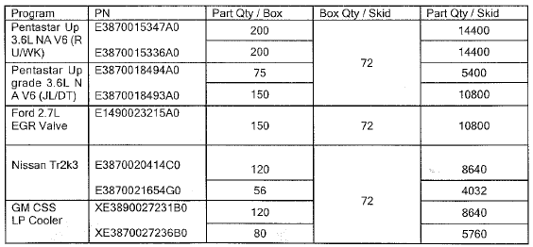

No | Part # | 총 수량 | PLT # | 출고일
 |  |  |  | 출고일#1 | 확인 | 출고일#2 | 확인 | 출고일#3 | 확인 | 최종확인

2 | E1490001135 | 14,400 | 1
2 | E1490001134 | 0 | 0
3 | E1490001121 | 0 | 0
8 | E1490001125 | 0 | 0
5 | E1590001025 | 0 | 0
8 | C1490001268 | #REF! | #REF!
11 | E1490001275 | #REF! | #REF!
12 | C1490001283 | #REF! | #REF!
 |  |  | #REF!

 |  |  |  |  |  |  |  | 확 인

