rawdata
X1 | X2 |  |  |  | X1new | X2new | NewDim
34.4279558 | 170.51674802 | 560.97618102 | 546.9517765 | 2765.3180788 | 33.141797103 | 170.76636174 | 173.9526631
31.07683595 | 160.2961748 |  | 2765.3180788 | 14258.840455 | 31.108580561 | 160.29001399 | 163.28083891
76.53860921 | 384.73026805 |  |  |  | 74.73516569 | 385.08027488 | 392.26542419
51.69924258 | 229.59841469 |  |  | 14805.792232 | 44.818890598 | 230.93373183 | 235.24268622
81.46407078 | 422.21731001 |  |  |  | 81.925234321 | 422.12780906 | 430.0042222
66.22552791 | 345.42777808 |  | [1.05308379e+01 1.51748971e+04] [[-0.98168294 -0.19052193] [ 0.19052193 -0.98168294]] |  | 67.009986868 | 345.27553294 | 351.71797214
84.41549039 | 410.51004588 |  |  |  | 79.842732211 | 411.39751258 | 419.07371089
60.96794605 | 294.41417597 |  | 0.19052193 |  | 57.277961397 | 295.13031671 | 300.6371046
42.96288423 | 234.6304694 |  | 0.98168294 |  | 45.442928874 | 234.14915028 | 238.51810064
76.54575265 | 377.64347301 |  |  |  | 73.409966626 | 378.25205667 | 385.30979938
88.54899741 | 456.16736497 |  | 10.53 |  | 88.532158318 | 456.17063328 | 464.68224586
41.82973832 | 202.20774765 |  | 15174.8 | 0.99930656759 | 39.337706601 | 202.69139342 | 206.47337868
15.89208027 | 98.342025221 |  |  | 15185.33 | 18.969978643 | 97.744676459 | 99.568478249
83.92851952 | 400.70347092 |  |  |  | 77.990911261 | 401.85582342 | 409.35398493
91.29764824 | 486.95835893 |  | 14795 | 0.99927108042 | 94.390835647 | 486.35804312 | 495.4329176
92.8392548 | 476.43035362 |  | 10.2 |  | 92.477718574 | 476.50051967 | 485.39146425
79.57245392 | 401.58672363 |  |  |  | 77.997988786 | 401.89229106 | 409.39113301
57.17404002 | 268.298524 |  |  |  | 52.255781925 | 269.25304416 | 274.27699229
56.02217775 | 310.78824613 |  |  |  | 60.160914095 | 309.98501339 | 315.7689726
53.10189845 | 240.54891736 |  |  |  | 46.917900871 | 241.74908823 | 246.25984458
94.49957615 | 464.72461689 |  |  |  | 90.348637069 | 465.5302183 | 474.21646983
38.2027381 | 198.5377241 |  |  |  | 38.519639233 | 198.47622103 | 202.17955609
38.09517893 | 178.43151945 |  |  |  | 34.755228735 | 179.07972654 | 182.42114561
75.97760997 | 394.33587209 |  |  |  | 76.511358767 | 394.23228401 | 401.58819915
79.92927876 | 410.06433341 |  |  |  | 79.596526431 | 410.12891314 | 417.78144086
15.31343279 | 86.900608659 |  |  |  | 16.809062055 | 86.610341691 | 88.226389766
41.04200263 | 233.84894665 |  |  |  | 45.227033685 | 233.03672913 | 237.38492301
29.93480729 | 175.51663599 |  |  |  | 33.913841765 | 174.74439762 | 178.0049245
45.93161422 | 220.47356435 |  |  |  | 42.90289355 | 221.06136902 | 225.18611663
24.18927944 | 93.917494952 |  |  |  | 18.443626092 | 95.032593289 | 96.805790767
31.25452493 | 161.03936976 |  |  |  | 31.254031758 | 161.03946555 | 164.04427437
17.21882915 | 78.234902008 |  |  |  | 15.257459728 | 78.615558442 | 80.082433176
36.34524126 | 183.72928105 |  |  |  | 35.682560066 | 183.85789223 | 187.2884663
77.39605705 | 418.1244678 |  |  |  | 81.012078106 | 417.42268205 | 425.211303
80.38753246 | 413.92360174 |  |  |  | 80.334967572 | 413.93380358 | 421.65732613
28.9523419 | 167.35901326 |  |  |  | 32.352442099 | 166.69913262 | 169.80954423
40.67260232 | 181.9252317 |  |  |  | 35.50222205 | 182.9286829 | 186.34191901
54.09937439 | 264.35612862 |  |  |  | 51.406821251 | 264.87869098 | 269.82101877
63.32372214 | 304.21303709 |  |  |  | 59.196174636 | 305.01409866 | 310.7053064
59.82927041 | 285.92792958 |  |  |  | 55.649428335 | 286.7391403 | 292.08935861

Sheet2
X1 | X2
79 | 249.327095 | 672.95 | 2026.5793006
13 | 53.778474063 | 2026.5793006 | 6111.8617883
42 | 137.5132541
32 | 106.02556301
80 | 246.74800813
46 | 145.18673276
48 | 156.16208432
96 | 299.61848561
94 | 294.08965274
44 | 138.08203191
46 | 150.45677037
68 | 209.06754256
58 | 182.96292477
56 | 181.35984959
27 | 86.752510346
72 | 222.20944522
99 | 311.43779257
61 | 191.60060848
80 | 248.44568997
66 | 207.35036242
32 | 105.42206899
68 | 210.60282069
53 | 173.22989816
100 | 314.78504971
19 | 70.518991603
48 | 155.25637585
19 | 71.786180676
55 | 177.30575594
95 | 298.26166313
31 | 105.05020455
71 | 227.59119812
76 | 241.61037939
22 | 74.254055545
84 | 264.17363223
87 | 270.50119094
33 | 112.52010947
37 | 122.84964647
86 | 272.11944321
95 | 297.14370105
43 | 140.11155482
30 | 102.97905531
58 | 184.32884531
36 | 120.30570342
23 | 74.907292704
85 | 265.19702035
51 | 164.39845424
52 | 164.74101388
85 | 269.42147164
91 | 282.39561706
47 | 152.6653893
23 | 83.794008479
43 | 137.27334754
100 | 308.89690103
90 | 283.57831939
28 | 97.519092276
58 | 185.17411222
29 | 101.71906722
83 | 259.0278019
69 | 214.09576981
13 | 51.284399255
24 | 78.169688636
40 | 128.72310811
51 | 167.83948566
10 | 35.224702557
22 | 73.491523021
42 | 140.35947968
50 | 155.67611684
46 | 143.01842285
13 | 45.149230125
41 | 130.42172134
25 | 89.011196487
49 | 152.93922567
48 | 157.48267137
98 | 305.96849368
100 | 311.50246838
22 | 74.559151673
55 | 178.31585167
59 | 190.28144825
42 | 134.73388523
96 | 301.54393278
54 | 169.29992823
89 | 272.03065747
17 | 63.326257194
84 | 258.06060992
15 | 51.444129966
39 | 131.27267446
52 | 163.19939906
39 | 125.36115131
81 | 250.03915531
93 | 290.50953539
38 | 125.88992307
68 | 210.53569041
69 | 216.98215997
56 | 182.49421152
13 | 47.093447286
67 | 211.09107229
57 | 178.87788721
88 | 276.74831148
31 | 101.96589918
92 | 286.08774482

PCA
Scatter Plot
X1 | X2 | New Dimension |  | Covariance Matrix |  |  |  |  |  |  | X1new | X2new
34.4279558 | 170.51674802 | 173.64772466 | Step1 | 546.9517765 | 2765.3180788 |  |  |  |  |  | 32.993067686 | 170.17477017
31.07683595 | 160.2961748 | 162.99485013 | Raw data (40*2) scatterplot | 2765.3180788 | 14258.840455 |  |  |  |  |  | 30.969021525 | 159.73495313
76.53860921 | 384.73026805 | 391.57799844 |  |  |  |  |  |  |  |  | 74.399819704 | 383.74643847
51.69924258 | 229.59841469 | 234.82930248 | Step2 |  |  |  |  |  |  |  | 44.617567472 | 230.13271643
81.46407078 | 422.21731001 | 429.25113726 | Make variance-covariance matrix |  |  |  |  |  |  |  | 81.557716079 | 420.66611451
66.22552791 | 345.42777808 | 351.10207283 |  |  |  |  |  |  |  |  | 66.709393837 | 344.08003137
84.41549039 | 410.51004588 | 418.33878813 | Step3 |  |  |  |  |  |  |  | 79.484369745 | 409.97201237
60.96794605 | 294.41417597 | 300.1098022 | Find Eigen values & Eigen vectors for covariance matrix |  |  |  |  |  |  |  | 57.020862418 | 294.10760616
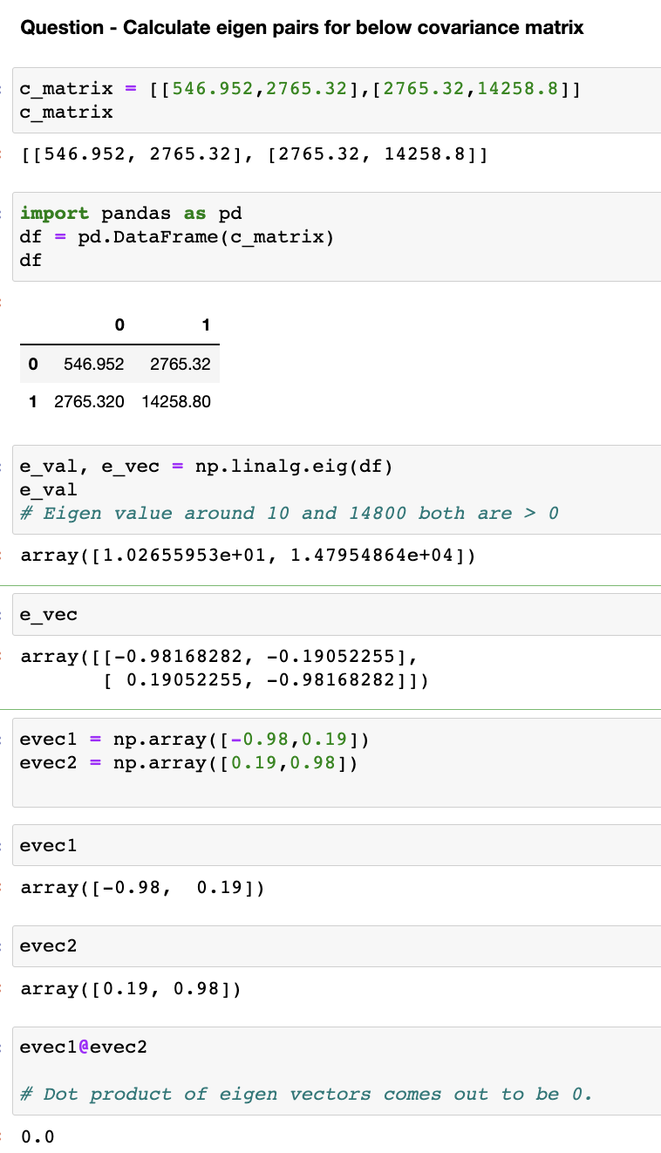
42.96288423 | 234.6304694 | 238.10080802 |  |  |  |  |  |  |  |  | 45.239153524 | 233.33879186
76.54575265 | 377.64347301 | 384.63429655 |  |  |  |  |  |  |  |  | 73.080516344 | 376.94161062
88.54899741 | 456.16736497 | 463.86832717 |  |  |  |  |  |  |  |  | 88.134982163 | 454.59096063
41.82973832 | 202.20774765 | 206.11124298 |  |  |  |  |  |  |  |  | 39.161136167 | 201.98901812
15.89208027 | 98.342025221 | 99.394679968 |  |  |  |  |  |  |  |  | 18.884989194 | 97.406786369
83.92851952 | 400.70347092 | 408.63582021 |  |  |  |  |  |  |  |  | 77.640805841 | 400.46310381
91.29764824 | 486.95835893 | 494.56574492 |  |  |  |  |  |  |  |  | 93.967491534 | 484.67443002
92.8392548 | 476.43035362 | 484.54120496 |  |  |  |  |  |  |  |  | 92.062828942 | 474.85038086
79.57245392 | 401.58672363 | 408.6737554 |  |  |  | Step 4 |  |  |  |  | 77.648013526 | 400.50028029
57.17404002 | 268.298524 | 273.79562112 |  |  |  | Convert to 1-D data, choose higher eigen value |  |  |  |  | 52.021168013 | 268.3197087
56.02217775 | 310.78824613 | 315.21669498 |  |  |  | Eigenvalues | 10 | 14800 |  |  | 59.891172046 | 308.91236108
53.10189845 | 240.54891736 | 245.82729971 |  |  |  | Higher eigen value is 14800 |  |  |  |  | 46.707186946 | 240.91075372
94.49957615 | 464.72461689 | 473.38504402 |  |  |  | Corresponding vector is 0.19, 0.98 |  |  |  |  | 89.943158363 | 463.91734314
38.2027381 | 198.5377241 | 201.82548986 |  |  |  |  |  |  |  |  | 38.346843073 | 197.78898006
38.09517893 | 178.43151945 | 182.10097305 |  |  |  | Step 5 |  |  |  |  | 34.59918488 | 178.45895359
75.97760997 | 394.33587209 | 400.88490054 |  |  |  | Use this eigen vector to get new data |  |  |  |  | 76.168131103 | 392.86720253
79.92927876 | 410.06433341 | 417.0496097 |  |  |  | Dot product of raw data with eigen vector |  |  |  |  | 79.239425844 | 408.70861751
15.31343279 | 86.900608659 | 88.072148716 |  |  |  | 0.19 |  |  |  |  | 16.733708256 | 86.310705742
41.04200263 | 233.84894665 | 236.96994821 |  |  |  | 0.98 |  |  |  |  | 45.02429016 | 232.23054925
29.93480729 | 175.51663599 | 177.69391666 |  |  |  | This eigen vector denotes x,y component |  |  | 0.19 | 0.98 | 33.761844165 | 174.14003832
45.93161422 | 220.47356435 | 224.79109976 |  |  |  | Note- |  |  |  |  | 42.710308955 | 220.29527777
24.18927944 | 93.917494952 | 96.635108147 |  |  |  |  |  |  |  |  | 18.360670548 | 94.702405984
31.25452493 | 161.03936976 | 163.7569421 |  |  |  | The MMULT function returns the matrix product of two arrays. |  |  |  |  | 31.113818999 | 160.48180326
17.21882915 | 78.234902008 | 79.941781506 | Step 6 |  |  | The result is an array with the same number of rows as array1 and the same number of columns as array2. |  |  |  |  | 15.188938486 | 78.342945876
36.34524126 | 183.72928105 | 186.96029127 | Qualitative verification |  |  |  |  |  |  |  | 35.522455342 | 183.22108545
77.39605705 | 418.1244678 | 424.46722929 | Orange color points r projection of blue points in direction of maximum variance |  |  |  |  |  |  |  | 80.648773564 | 415.9778847
80.38753246 | 413.92360174 | 420.91876088 | This direction of orange is basically the vector (0.19,0.98) which corresponds to capturing highest variance in data (as for max eigen value) |  |  |  |  |  |  |  | 79.974564566 | 412.50038566
28.9523419 | 167.35901326 | 169.51277796 | So 0.19,0.98 is unit vector but u can check on graph with 19,98 or 190,980 all will lie on this line. Unit vector gives the direction of max variation. |  |  |  |  |  |  |  | 32.207427812 | 166.1225224
40.67260232 | 181.9252317 | 186.01452151 |  |  |  |  |  |  |  |  | 35.342759087 | 182.29423108
54.09937439 | 264.35612862 | 269.34788718 |  |  |  |  |  |  |  |  | 51.176098565 | 263.96092944
63.32372214 | 304.21303709 | 310.16028356 | Quantitative verification |  |  |  |  |  |  |  | 58.930453876 | 303.95707789
59.82927041 | 285.92792958 | 291.57693237 | Orange color projection indeed explains 99% variation in data. |  |  |  |  |  |  |  | 55.39961715 | 285.74539372
 |  |  | 0.99932478055

** Changing of 1 dimensional data to 2 dimensional (like a reconstruction) - here orange data
(Lets say u lost the original data but u still want to view the data in 2 dimensions, so u can reconstruct using the PCA new dimension you have)
You will not get original data blue exactly, but with little some sort of error.

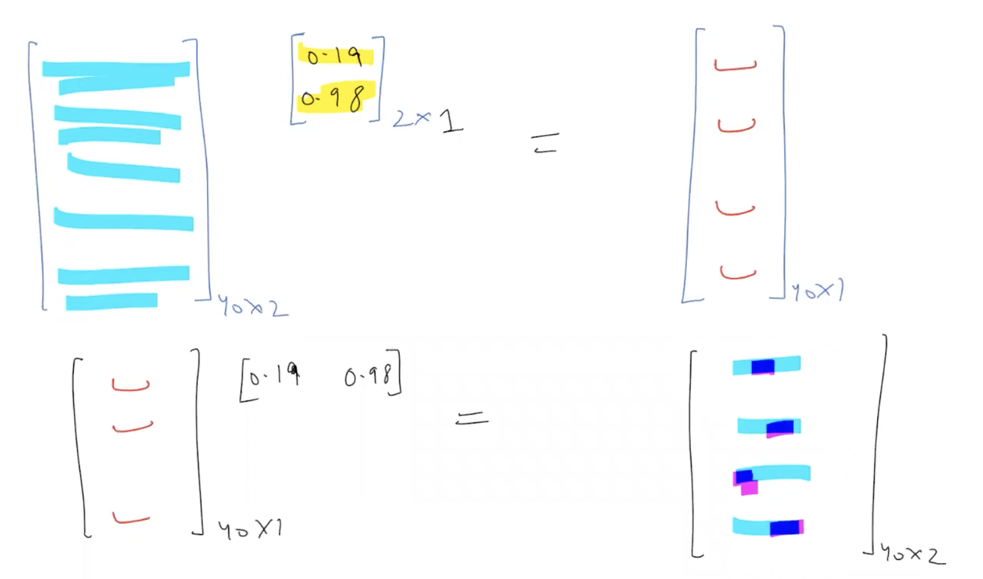

Note-
In case of images this reconstruction is important.

