PSH Graphs
https://info.ornl.gov/sites/publications/Files/Pub169067.pdf

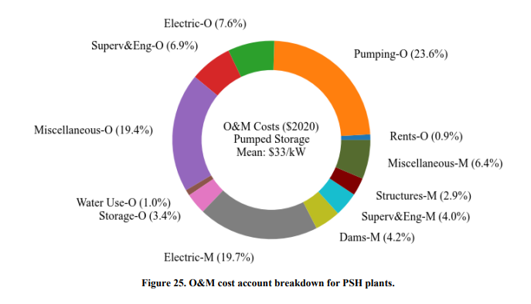
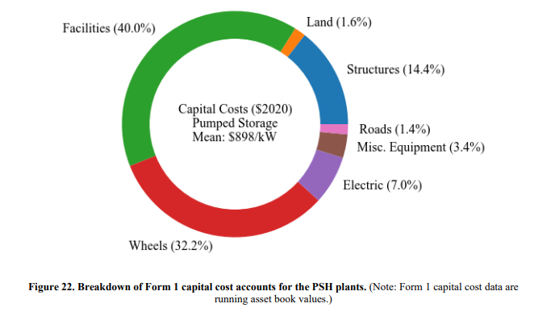

 | possible savings due to less curtaled power

RO Graphs
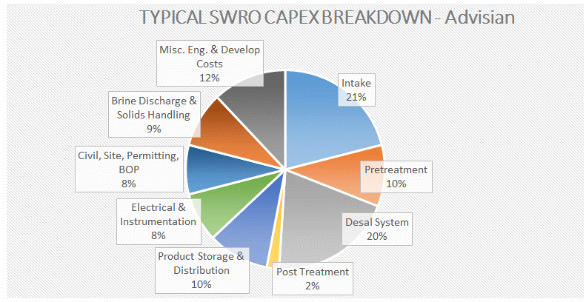
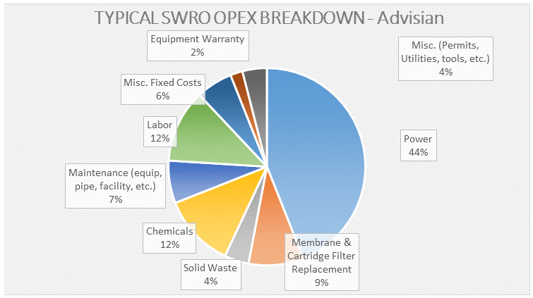
https://www.advisian.com/en/global-perspectives/the-cost-of-desalination

