Sheet1
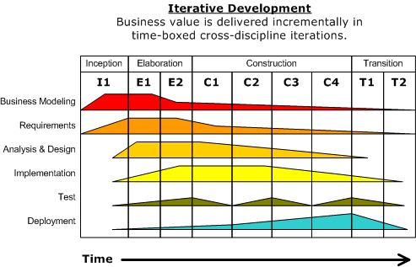
 |  | Inception | Elaboration |  | Construction |  |  |  | Transition
 |  | I1 | E1 | E2 | C1 | C2 | C3 | C4 | T1 | T2

Project design

Requirements

Analysis & Design

Implementation

Testing

Deployment

Assembly workflow

Transcriptome analysis

Variation analysis

Gene network analysis

Milestones |  |  | Alpha• |  | Beta• |  |  | Gamma•
 | -3 | 0 | 3 | 6 | 9 | 12 | 15 | 18 | 21 | 24

Business modelling | 0 | 50 | 50 | 30 | 20 | 10 | 5 | 5 | 3 | 3 | 0 | 0 | 0 | 0
Requirements | 0 | 10 | 30 | 40 | 50 | 50 | 50 | 40 | 30 | 20 | 10 | 5 | 3 | 0
Analysis & Design | 0 | 0 | 30 | 50 | 50 | 50 | 50 | 30 | 20 | 10 | 4 | 2 | 2 | 0
Implementation | 0 | 0 | 20 | 30 | 40 | 50 | 50 | 50 | 40 | 30 | 20 | 10 | 5 | 0
Testing | 0 | 0 | 50 | 0 | 50 | 0 | 50 | 0 | 50 | 0 | 50 | 0 | 50 | 0
Deployment | 0 | 0 | 20 | 30 | 40 | 50 | 50 | 50 | 40 | 30 | 20 | 10 | 5 | 0
Assembly workflow | 0 | 50 | 50 | 40 | 30 | 20 | 10 | 5 | 0 | 0 | 0 | 0 | 0 | 0
Transcriptome analysis | 0 | 50 | 50 | 40 | 30 | 20 | 0 | 0 | 0 | 0 | 0 | 0 | 0 | 0
Variation analysis | 0 | 50 | 40 | 30 | 40 | 50 | 40 | 30 | 40 | 50 | 30 | 10 | 0 | 0
Gene network analysis | 0 | 0 | 30 | 40 | 50 | 50 | 40 | 30 | 20 | 10 | 0 | 0 | 0 | 0

