1_2c_AHC
 |  | After Household Costs
Back to Contents |  | AHC | from 2020-21 | https://www.gov.uk/government/statistics/households-below-average-income-for-financial-years-ending-1995-to-2021
 |  | 1,3,5,7,9 | 2,4,6,8,10 |  | Stats |  | AHC Chart
UK, 2021, After Housing Costs Weekly Earnings, distribution
-100 | 0.022896
-90 | 0.04065
-80 | 0.064561
-70 | 0.073838
-60 | 0.078715
-50 | 0.063912
-40 | 0.111142
-30 | 0.094159
-20 | 0.215563
-10 | 0.146303
0 | 0.077428
10 | 0.05358
20 | 0.1675
30 | 0.10294
40 | 0.185143
50 | 0.149424
60 | 0.18914
70 | 0.120034
80 | 0.241395
90 | 0.138364
100 | 0.190554
110 | 0.346024
120 | 0.187385
130 | 0.384384
140 | 0.208014
150 | 0.428864
160 | 0.342421
170 | 0.396101
180 | 0.717389
190 | 0.737216
200 |  | 0.779763
210 |  | 0.771772
220 |  | 0.906411
230 |  | 0.695735
240 |  | 0.818522
250 |  | 0.704465
260 |  | 0.951936
270 |  | 0.942272
280 | 0.91802
290 | 1.392834
300 | 1.120161
310 | 0.940879
320 | 1.21033
330 | 1.030142
340 |  | 1.252263
350 |  | 0.879087
360 |  | 1.300005
370 |  | 1.021875
380 |  | 0.907504
390 |  | 0.845445
...
Median income
1
2
3
4
5
6
7
8
9
10
Mean income
60 per cent of median
1
2
3
4
5
6
7
8
0.3 million individuals with income
below -£100 per week
-£110 - -£100 | -110 | 0.288972 |  |  | Median | 472
-£100 - -£90 | -100 | 0.022896 |  |  | 60% of Median | 283
-£90 - -£80 | -90 | 0.04065 |  |  | Mean | 582
-£80 - -£70 | -80 | 0.064561
-£70 - -£60 | -70 | 0.073838
-£60 - -£50 | -60 | 0.078715
-£50 - -£40 | -50 | 0.063912
-£40 - -£30 | -40 | 0.111142
-£30 - -£20 | -30 | 0.094159
-£20 - -£10 | -20 | 0.215563
-£10 -< £0 | -10 | 0.146303
£0 -< £10 | 0 | 0.077428
£10 -< £20 | 10 | 0.05358
£20 -< £30 | 20 | 0.1675
£30 -< £40 | 30 | 0.10294
£40 -< £50 | 40 | 0.185143
£50 -< £60 | 50 | 0.149424
£60 -< £70 | 60 | 0.18914
£70 -< £80 | 70 | 0.120034
£80 -< £90 | 80 | 0.241395
£90 -< £100 | 90 | 0.138364
£100 -< £110 | 100 | 0.190554
£110 -< £120 | 110 | 0.346024
£120 -< £130 | 120 | 0.187385
£130 -< £140 | 130 | 0.384384
£140 -< £150 | 140 | 0.208014
£150 -< £160 | 150 | 0.428864
£160 -< £170 | 160 | 0.342421
£170 -< £180 | 170 | 0.396101
£180 -< £190 | 180 | 0.717389
£190 -< £200 | 190 | 0.737216
£200 -< £210 | 200 |  | 0.779763
£210 -< £220 | 210 |  | 0.771772
£220 -< £230 | 220 |  | 0.906411
£230 -< £240 | 230 |  | 0.695735
£240 -< £250 | 240 |  | 0.818522
£250 -< £260 | 250 |  | 0.704465
£260 -< £270 | 260 |  | 0.951936
£270 -< £280 | 270 |  | 0.942272
£280 -< £290 | 280 | 0.91802 |  | 14.052907 | 60% median
£290 -< £300 | 290 | 1.392834
£300 -< £310 | 300 | 1.120161
£310 -< £320 | 310 | 0.940879
£320 -< £330 | 320 | 1.21033
£330 -< £340 | 330 | 1.030142
£340 -< £350 | 340 |  | 1.252263
£350 -< £360 | 350 |  | 0.879087
£360 -< £370 | 360 |  | 1.300005 | 23.178608 | 76% median
£370 -< £380 | 370 |  | 1.021875
£380 -< £390 | 380 |  | 0.907504
£390 -< £400 | 390 |  | 0.845445
£400 -< £410 | 400 | 0.987608
£410 -< £420 | 410 | 0.921086
£420 -< £430 | 420 | 1.064771
£430 -< £440 | 430 | 0.950532
£440 -< £450 | 440 | 1.018321
£450 -< £460 | 450 | 1.072657
£460 -< £470 | 460 | 0.919419
£470 -< £480 | 470 |  | 0.97889 | 33.866716 | median
£480 -< £490 | 480 |  | 0.742876
£490 -< £500 | 490 |  | 0.893734
£500 -< £510 | 500 |  | 0.756832
£510 -< £520 | 510 |  | 0.976498
£520 -< £530 | 520 |  | 1.020044
£530 -< £540 | 530 |  | 0.843
£540 -< £550 | 540 |  | 0.791608
£550 -< £560 | 550 | 0.750728
£560 -< £570 | 560 | 0.730199
£570 -< £580 | 570 | 0.841385
£580 -< £590 | 580 | 0.81167
£590 -< £600 | 590 | 0.554549
£600 -< £610 | 600 | 0.49091
£610 -< £620 | 610 | 0.691096
£620 -< £630 | 620 | 0.789186
£630 -< £640 | 630 | 0.522727
£640 -< £650 | 640 |  | 0.42475
£650 -< £660 | 650 |  | 0.811396
£660 -< £670 | 660 |  | 0.557318
£670 -< £680 | 670 |  | 0.523457
£680 -< £690 | 680 |  | 0.57366
£690 -< £700 | 690 |  | 0.646828
£700 -< £710 | 700 |  | 0.40777
£710 -< £720 | 710 |  | 0.550345
£720 -< £730 | 720 |  | 0.539979
£730 -< £740 | 730 |  | 0.4175
£740 -< £750 | 740 |  | 0.383163
£750 -< £760 | 750 |  | 0.469445
£760 -< £770 | 760 |  | 0.425457
£770 -< £780 | 770 | 0.482063
£780 -< £790 | 780 | 0.363017
£790 -< £800 | 790 | 0.431183
£800 -< £810 | 800 | 0.25594
£810 -< £820 | 810 | 0.254052
£820 -< £830 | 820 | 0.273114
£830 -< £840 | 830 | 0.491689
£840 -< £850 | 840 | 0.335764
£850 -< £860 | 850 | 0.288065
£860 -< £870 | 860 | 0.374443
£870 -< £880 | 870 | 0.277685
£880 -< £890 | 880 | 0.361414
£890 -< £900 | 890 | 0.26321
£900 -< £910 | 900 | 0.310137
£910 -< £920 | 910 | 0.258121
£920 -< £930 | 920 | 0.239215
£930 -< £940 | 930 | 0.366302
£940 -< £950 | 940 | 0.208702
£950 -< £960 | 950 | 0.185415
£960 -< £970 | 960 | 0.298679
£970 -< £980 | 970 | 0.249404
£980 -< £990 | 980 |  | 0.217043
£990 -< £1000 | 990 |  | 0.134815
1000+ | 1000
 |  | 66.004838 | 6.3

UK Net ave
Fuel Poverty threshold: UK weekly energy bill and average weekly income minus housing costs
 | average net weekly income after housing costs (£)[=average weekly earnings - housing costs] | total weekly energy (£) | weekly energy as % average net weekly earnings(£average income - £housing) | fuel poverty threshold
2010 | 394.02 | 17.97 | 4.5600437482 | 10.0
2011 | 402.68 | 19.62 | 4.8731871742 | 10.0
2012 | 404.40 | 21.29 | 5.2635013688 | 10.0
2013 | 406.08 | 22.59 | 5.5626494325 | 10.0
2014 | 411.45 | 23.14 | 5.6233082877 | 10.0
2015 | 422.78 | 22.22 | 5.2555761885 | 10.0
2016 | 430.98 | 21.09 | 4.8937427794 | 10.0
2017 | 437.63 | 21.86 | 4.9955362917 | 10.0
2018 | 449.85 | 23.23 | 5.1632565923 | 10.0
2019 | 463.20 | 24.48 | 5.2850897083 | 10.0
2020 | 471.96 | 23.65 | 5.0103761245 | 10.0
2021 | 503.21 | 25.08 | 4.9833641928 | 10.0
2022_apr | 521.21 | 39.80 | 7.6359433576 | 10.0
2022_oct | 520.45 | 51.89 | 9.9710571245 | 10.0

UK Net low inc halve energy use
Fuel Poverty threshold: UK weekly energy bill and low weekly income minus housing costs
 | low net weekly income after housing costs (£) [=60% average weekly pay - housing costs] | total weekly energy (£) | weekly energy as % low net weekly earnings(£low income - £housing) | halved energy % of (£low income - £housing) | fuel poverty threshold
2010 | 216.25 | 17.97 | 8.3 | 4.7 | 10.0
2011 | 220.85 | 19.62 | 8.9 | 5.0 | 10.0
2012 | 220.20 | 21.29 | 9.7 | 5.4 | 10.0
2013 | 219.85 | 22.59 | 10.3 | 5.8 | 10.0
2014 | 223.15 | 23.14 | 10.4 | 5.8 | 10.0
2015 | 229.95 | 22.22 | 9.7 | 5.4 | 10.0
2016 | 233.55 | 21.09 | 9.0 | 5.1 | 10.0
2017 | 235.70 | 21.86 | 9.3 | 5.2 | 10.0
2018 | 241.95 | 23.23 | 9.6 | 5.4 | 10.0
2019 | 248.20 | 24.48 | 9.9 | 5.5 | 10.0
2020 | 253.16 | 23.65 | 9.3 | 5.2 | 10.0
2021 | 271.61 | 25.08 | 9.2 | 5.2 | 10.0
2022_apr | 282.41 | 39.80 | 14.1 | 7.9 | 10.0
2022_oct | 281.65 | 51.89 | 18.4 | 10.3 | 10.0

compare_AHC_calc
Comparing calculation of energy costs as % weekly earnings using separate income and expenditure figures compared with AHC figures
 | weekly energy as % low net weekly earnings(£low income - £housing) | fuel poverty threshold | weekly energy as % average net weekly earnings(£average income - £housing) | AHC calc, energy as % median earnings | AHC calc, energy as % of 60% median earnings
444.42 | 8.3 | 10.0 | 4.5600437482 | 4.1304212357 | 6.8840353928
454.58 | 8.9 | 10.0 | 4.8731871742 | 4.5636075704 | 7.6060126173
460.50 | 9.7 | 10.0 | 5.2635013688 | 5.0679998894 | 8.4466664824
465.58 | 10.3 | 10.0 | 5.5626494325 | 5.4040651285 | 9.0067752142
470.75 | 10.4 | 10.0 | 5.6233082877 | 5.4568636674 | 9.094772779
482.08 | 9.7 | 10.0 | 5.2555761885 | 5.0962615127 | 8.4937691879
493.58 | 9.0 | 10.0 | 4.8937427794 | 4.7078606597 | 7.8464344328
504.83 | 9.3 | 10.0 | 4.9955362917 | 4.7943271911 | 7.9905453185
519.75 | 9.6 | 10.0 | 5.1632565923 | 5.1048153364 | 8.5080255606
537.50 | 9.9 | 10.0 | 5.2850897083 | 5.3685384931 | 8.9475641552
547.00 | 9.3 | 10.0 | 5.0103761245 | 5.1971034826 | 8.6618391377
579.00 | 9.2 | 10.0 | 4.9833641928 | 5.268196644 | 8.78032774
597.00 | 14.1 | 10.0 | 7.6359433576 | 8.4319996741 | 14.05333279
597.00 | 18.4 | 10.0 | 9.9710571245 | 10.994540417 | 18.324234029

earnings_energy_comparison
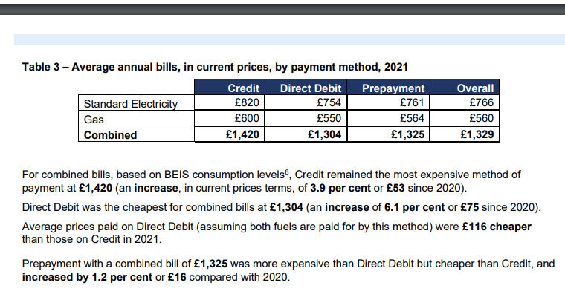
 | See Notes and references tab for details
 |  |  |  |  |  |  |  |  |  |  |  |  |  |  |  |  |  |  |  |  | from
year | average weekly earnings | average weekly earnings - housing costs | 60% AHC - this would then reduce housing costs by 60% too…. | Low income : 60% of average weekly earnings | housing costs (£) | yearly change in housing costs (%) | low net weekly income after housing costs (£) [=60% average weekly pay - housing costs] | yearly change in net low income (%) | average electricity (DD) annual incl VAT (£) | average gas (DD) annual incl VAT(£) | total annual energy bill (£) | average electricity (DD) weekly (£) | average gas(DD) weekly (£) | total weekly energy (£) | weekly energy as % low net weekly earnings(£low income - £housing) | reduce energy by half (£)(56% bill to reflect standing charges) | halved energy % of (£low income - £housing) | fuel poverty threshold | average net weekly income after housing costs (£)[=average weekly earnings - housing costs] | weekly energy as % average net weekly earnings(£average income - £housing) |  | using direct AHC data | AHC calc, energy as % median earnings | using direct AHC data (60%) | AHC calc, energy as % of 60% median earnings
2010 | 444.42 | 394.02 | 236.41 | 266.65 | 50.4 |  | 216.25 |  | 431 | 503 | 934 | 8.29 | 9.67 | 17.97 | 8.3 | 10.06170613 | 4.7 | 10.0 | 394.02 | 4.5600437482 |  | 435 | 4.1304212357 | 261.00 | 6.8840353928 |  |  |  |  | £
2011 | 454.58 | 402.68 | 241.61 | 272.75 | 51.9 | 2.98 | 220.85 | 2.13 | 469 | 551 | 1020 | 9.03 | 10.60 | 19.62 | 8.9 | 10.98916703 | 5.0 | 10.0 | 402.68 | 4.8731871742 |  | 430 | 4.5636075704 | 258.00 | 7.6060126173 | x million people | 14.052907 | 60% median |  | 283
2012 | 460.50 | 404.40 | 242.64 | 276.30 | 56.1 | 8.09 | 220.20 | -0.29 | 497 | 610 | 1107 | 9.55 | 11.73 | 21.29 | 9.7 | 11.91993574 | 5.4 | 10.0 | 404.40 | 5.2635013688 |  | 420 | 5.0679998894 | 252.00 | 8.4466664824 | x million people | 33.866716 | median |  | 472
2013 | 465.58 | 406.08 | 243.65 | 279.35 | 59.5 | 6.06 | 219.85 | -0.16 | 531 | 644 | 1175 | 10.20 | 12.38 | 22.59 | 10.3 | 12.649835653 | 5.8 | 10.0 | 406.08 | 5.5626494325 |  | 418 | 5.4040651285 | 250.80 | 9.0067752142
2014 | 470.75 | 411.45 | 246.87 | 282.45 | 59.3 | -0.34 | 223.15 | 1.50 | 542 | 661 | 1203 | 10.43 | 12.71 | 23.14 | 10.4 | 12.956777092 | 5.8 | 10.0 | 411.45 | 5.6233082877 |  | 424 | 5.4568636674 | 254.40 | 9.094772779 |  | 66.004838 | total pop
2015 | 482.08 | 422.78 | 253.67 | 289.25 | 59.3 | 0.00 | 229.95 | 3.05 | 531 | 624 | 1155 | 10.22 | 12.00 | 22.22 | 9.7 | 12.443032109 | 5.4 | 10.0 | 422.78 | 5.2555761885 |  | 436 | 5.0962615127 | 261.60 | 8.4937691879
2016 | 493.58 | 430.98 | 258.59 | 296.15 | 62.60 | 5.56 | 233.55 | 1.57 | 533 | 564 | 1097 | 10.25 | 10.85 | 21.09 | 9.0 | 11.811080823 | 5.1 | 10.0 | 430.98 | 4.8937427794 |  | 448 | 4.7078606597 | 268.80 | 7.8464344328 |  |  | energy cap Apr 222 | 1971
2017 | 504.83 | 437.63 | 262.58 | 302.90 | 67.20 | 7.35 | 235.70 | 0.92 | 576 | 561 | 1137 | 11.07 | 10.79 | 21.86 | 9.3 | 12.242793915 | 5.2 | 10.0 | 437.63 | 4.9955362917 |  | 456 | 4.7943271911 | 273.60 | 7.9905453185 |  |  | incl VAT | 2069.55
2018 | 519.75 | 449.85 | 269.91 | 311.85 | 69.90 | 4.02 | 241.95 | 2.65 | 628 | 580 | 1208 | 12.07 | 11.15 | 23.23 | 9.6 | 13.007069477 | 5.4 | 10.0 | 449.85 | 5.1632565923 |  | 455 | 5.1048153364 | 273.00 | 8.5080255606 |  |  | weekly | 39.799038462
2019 | 537.50 | 463.20 | 277.92 | 322.50 | 74.30 | 6.29 | 248.20 | 2.58 | 682 | 591 | 1273 | 13.12 | 11.37 | 24.48 | 9.9 | 13.709099896 | 5.5 | 10.0 | 463.20 | 5.2850897083 |  | 456 | 5.3685384931 | 273.60 | 8.9475641552
2020 | 547.00 | 471.96 | 283.17 | 328.20 | 75.04 | 1.00 | 253.16 | 2.00 | 690 | 540 | 1230 | 13.26 | 10.38 | 23.65 | 9.3 | 13.242219674 | 5.2 | 10.0 | 471.96 | 5.0103761245 |  | 455 | 5.1971034826 | 273.00 | 8.6618391377 |  |  | so fuel poverty weekly max is | 397.99038462
2021 | 579.00 | 503.21 | 301.92 | 347.40 | 75.79 | 1.00 | 271.61 | 7.29 | 754 | 550 | 1304 | 14.50 | 10.58 | 25.08 | 9.2 | 14.042904974 | 5.2 | 10.0 | 503.21 | 4.9833641928 |  | 476 | 5.268196644 | 285.60 | 8.78032774 |  |  | assume 2022 median is | 520
2022_apr | 597.00 | 521.21 | 312.72 | 358.20 | 75.79 | 1.00 | 282.41 | 11.55 |  |  | 2069.55 |  |  | 39.80 | 14.1 | 22.287461538 | 7.9 | 10.0 | 521.21 | 7.6359433576 |  | 472 | 8.4319996741 | 283.20 | 14.05333279
2022_oct | 597.00 | 520.45 | 312.27 | 358.20 | 76.55 | 1.00 | 281.65 | 3.70 |  |  | 2698.5 |  |  | 51.89 | 18.4 | 29.060769231 | 10.3 | 10.0 | 520.45 | 9.9710571245 |  | 472 | 10.994540417 | 283.20 | 18.324234029 |  |  | fuel poverty/median % | 76.5 |  | lookup on AHC chart
 |  |  |  |  |  |  |  |  |  |  | 2069.55 = 1971+ VAT |  |  |  | =FUEL POVERTY |  |  |  |  |  |  |  |  |  |  |  |  |  |  |  | 361.25281065 | (76.5% median)
 |  |  |  |  | * need to find recent values for this - assumed 2019 levels but they will have risen |  |  |  |  |  |  |  |  |  |  |  |  |  |  |  |  |  |  |  |  |  |  |  |  | x million people | 23.2
 |  |  |  |  | assume 1% increase per year |  |  |  |  |  |  |  |  | 0.16618428541
 |  |  |  |  | * used the energy cap of April 2022
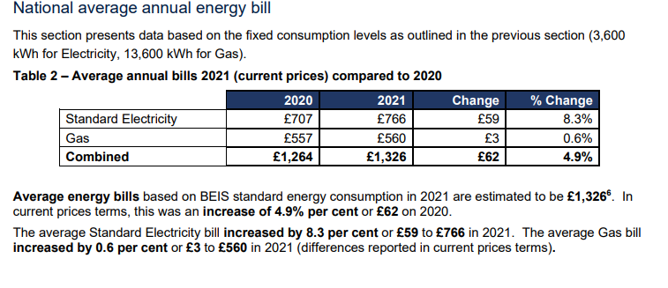
Notes:
 | All bills are calculated using an annual consumption of 13,600 kWh. Figures are inclusive of VAT. |  |  |  |  |  |  |  |  |  |  |  |  |  |  |  |  |  |  |  |  |  |  |  |  |  | 33.866716 | median

annual: | 31044 |  |  | 18626.4

these screenshots are from https://assets.publishing.service.gov.uk/government/uploads/system/uploads/attachment_data/file/1064828/quarterly-energy-prices-march-2022.pdf

energy calculations
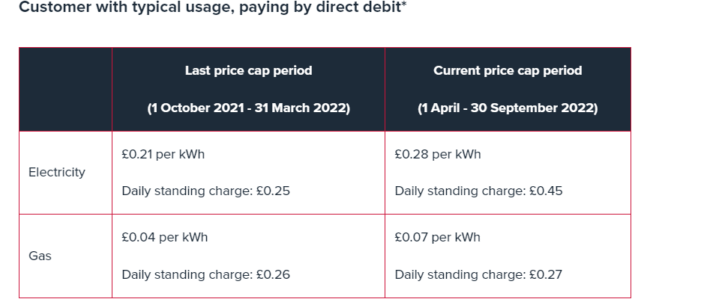
average usage elect kWh | 2900 | Southern Scotland
direct debit |  | 0.2784 | 807.36
 |  | 0.4965 | 181.2225
 |  |  | 988.5825

prepay |  | 0.276 | 800.4
 |  | 0.5456 | 199.144
 |  |  | 999.544

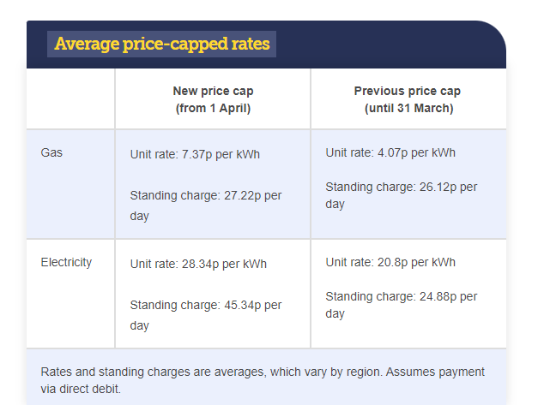
prepayment before 1 Apr |  | 0.2046 | 593.34
 |  | 0.2925 | 106.7625
 |  |  | 700.1025

prepayment post 1 Apr |  | 0.2811 | 815.19
 |  | 0.5027 | 183.4855
 |  |  | 998.6755
 | Electricity |  |  | Gas |  |  | vat: | 0.05
 |  | avg annual consumption kWh | 2900 |  | avg annual consumption kWh | 12000 | total energy | tot + Vat
direct debit beofre 1 Apr | Unit charge | 0.208 | 603.2 | Unit charge | 0.0407 | 488.4
 | Standing charge | 0.2488 | 90.812 | Standing charge | 0.2612 | 95.338
 |  |  | 694.012 |  |  | 583.738 | 1277.75 | 1341.6375

direct debit post 1 Apr | Unit charge | 0.2834 | 821.86 | Unit charge | 0.0737 | 884.4
 | Standing charge | 0.4534 | 165.491 | Standing charge | 0.2722 | 99.353
 |  |  | 987.351 |  |  | 983.753 | 1971.104 | 2069.6592

halve energy consumption
direct debit post 1 Apr | Unit charge | 0.2834 | 410.93 | Unit charge | 0.0737 | 442.2
 | Standing charge | 0.4534 | 165.491 | Standing charge | 0.2722 | 99.353
 |  |  | 576.421 |  |  | 541.553 | 1117.974 | 1173.8727
 |  |  |  |  |  |  | % of full consumption | 56.7

https://www.ofgem.gov.uk/information-consumers/energy-advice-households/check-if-energy-price-cap-affects-you

UK Net low income weekly energy
UK net low income and weekly energy
 | low net weekly income after housing costs (£) [=60% average weekly pay - housing costs] | total weekly energy (£) | weekly energy as % low net weekly earnings(£low income - £housing)
2010 | 216.25 | 17.97 | 8.3
2011 | 220.85 | 19.62 | 8.9
2012 | 220.20 | 21.29 | 9.7
2013 | 219.85 | 22.59 | 10.3
2014 | 223.15 | 23.14 | 10.4
2015 | 229.95 | 22.22 | 9.7
2016 | 233.55 | 21.09 | 9.0
2017 | 235.70 | 21.86 | 9.3
2018 | 241.95 | 23.23 | 9.6
2019 | 248.20 | 24.48 | 9.9
2020 | 253.16 | 23.65 | 9.3
2021 | 271.61 | 25.08 | 9.2
2022_apr | 282.41 | 39.80 | 14.1
2022_oct | 281.65 | 51.89 | 18.4

median weekly pay agg by year
Average Weekly Pay, UK 2000-2022
Average of weekly pay
year | Total
2000 | 313.25
2001 | 329.58
2002 | 340.00
2003 | 351.00
2004 | 366.08
2005 | 383.00
2006 | 400.83
2007 | 420.58
2008 | 435.50
2009 | 435.00
2010 | 444.42
2011 | 454.58
2012 | 460.50
2013 | 465.58
2014 | 470.75
2015 | 482.08
2016 | 493.58
2017 | 504.83
2018 | 519.75
2019 | 537.50
2020 | 547.00
2021 | 579.00
2022 | 597.00
Grand Total | 443.63533835

weeklypay_data
Figure 1: Average weekly earnings for total pay was £598 and regular pay was £556 in February 2022, showing a steady increase over time (except for early on in the coronavirus pandemic)
Average weekly earnings in Great Britain, seasonally adjusted, January 2000 to February 2022

Notes
Unit |  | £

month | year | weekly pay | Regular pay
Jan | 2000 | 307 | 293
Feb | 2000 | 300 | 293
Mar | 2000 | 310 | 293
Apr | 2000 | 310 | 293
May | 2000 | 312 | 294
Jun | 2000 | 311 | 295
Jul | 2000 | 314 | 296
Aug | 2000 | 315 | 297
Sep | 2000 | 317 | 299
Oct | 2000 | 318 | 300
Nov | 2000 | 320 | 302
Dec | 2000 | 325 | 303
Jan | 2001 | 324 | 304
Feb | 2001 | 326 | 304
Mar | 2001 | 325 | 306
Apr | 2001 | 328 | 309
May | 2001 | 328 | 309
Jun | 2001 | 329 | 310
Jul | 2001 | 329 | 311
Aug | 2001 | 331 | 313
Sep | 2001 | 332 | 314
Oct | 2001 | 333 | 315
Nov | 2001 | 334 | 316
Dec | 2001 | 336 | 316
Jan | 2002 | 336 | 317
Feb | 2002 | 335 | 320
Mar | 2002 | 335 | 321
Apr | 2002 | 338 | 321
May | 2002 | 340 | 322
Jun | 2002 | 341 | 324
Jul | 2002 | 342 | 324
Aug | 2002 | 342 | 323
Sep | 2002 | 342 | 324
Oct | 2002 | 342 | 325
Nov | 2002 | 343 | 326
Dec | 2002 | 344 | 325
Jan | 2003 | 345 | 328
Feb | 2003 | 343 | 329
Mar | 2003 | 348 | 330
Apr | 2003 | 349 | 331
May | 2003 | 349 | 332
Jun | 2003 | 350 | 333
Jul | 2003 | 351 | 334
Aug | 2003 | 353 | 335
Sep | 2003 | 354 | 336
Oct | 2003 | 356 | 337
Nov | 2003 | 356 | 338
Dec | 2003 | 358 | 339
Jan | 2004 | 359 | 340
Feb | 2004 | 354 | 340
Mar | 2004 | 361 | 341
Apr | 2004 | 364 | 343
May | 2004 | 364 | 344
Jun | 2004 | 365 | 345
Jul | 2004 | 367 | 346
Aug | 2004 | 368 | 348
Sep | 2004 | 371 | 348
Oct | 2004 | 373 | 350
Nov | 2004 | 373 | 351
Dec | 2004 | 374 | 353
Jan | 2005 | 377 | 354
Feb | 2005 | 374 | 354
Mar | 2005 | 377 | 357
Apr | 2005 | 378 | 357
May | 2005 | 381 | 358
Jun | 2005 | 381 | 359
Jul | 2005 | 384 | 361
Aug | 2005 | 387 | 363
Sep | 2005 | 388 | 364
Oct | 2005 | 388 | 365
Nov | 2005 | 390 | 366
Dec | 2005 | 391 | 366
Jan | 2006 | 393 | 368
Feb | 2006 | 397 | 369
Mar | 2006 | 398 | 370
Apr | 2006 | 396 | 371
May | 2006 | 398 | 373
Jun | 2006 | 402 | 375
Jul | 2006 | 401 | 374
Aug | 2006 | 401 | 375
Sep | 2006 | 401 | 377
Oct | 2006 | 404 | 379
Nov | 2006 | 406 | 380
Dec | 2006 | 413 | 381
Jan | 2007 | 421 | 382
Feb | 2007 | 426 | 384
Mar | 2007 | 417 | 385
Apr | 2007 | 413 | 386
May | 2007 | 416 | 388
Jun | 2007 | 419 | 390
Jul | 2007 | 420 | 392
Aug | 2007 | 421 | 393
Sep | 2007 | 423 | 394
Oct | 2007 | 421 | 394
Nov | 2007 | 425 | 396
Dec | 2007 | 425 | 397
Jan | 2008 | 439 | 398
Feb | 2008 | 445 | 400
Mar | 2008 | 440 | 402
Apr | 2008 | 430 | 404
May | 2008 | 433 | 403
Jun | 2008 | 432 | 404
Jul | 2008 | 434 | 405
Aug | 2008 | 434 | 406
Sep | 2008 | 434 | 407
Oct | 2008 | 435 | 408
Nov | 2008 | 434 | 409
Dec | 2008 | 436 | 409
Jan | 2009 | 434 | 409
Feb | 2009 | 419 | 410
Mar | 2009 | 435 | 410
Apr | 2009 | 437 | 411
May | 2009 | 436 | 412
Jun | 2009 | 436 | 412
Jul | 2009 | 435 | 411
Aug | 2009 | 436 | 411
Sep | 2009 | 437 | 413
Oct | 2009 | 437 | 413
Nov | 2009 | 439 | 413
Dec | 2009 | 439 | 415
Jan | 2010 | 440 | 417
Feb | 2010 | 442 | 416
Mar | 2010 | 442 | 418
Apr | 2010 | 442 | 417
May | 2010 | 444 | 417
Jun | 2010 | 444 | 418
Jul | 2010 | 443 | 420
Aug | 2010 | 445 | 421
Sep | 2010 | 447 | 422
Oct | 2010 | 447 | 422
Nov | 2010 | 448 | 423
Dec | 2010 | 449 | 423
Jan | 2011 | 453 | 426
Feb | 2011 | 453 | 425
Mar | 2011 | 453 | 425
Apr | 2011 | 452 | 426
May | 2011 | 453 | 427
Jun | 2011 | 457 | 426
Jul | 2011 | 456 | 427
Aug | 2011 | 454 | 427
Sep | 2011 | 454 | 429
Oct | 2011 | 456 | 430
Nov | 2011 | 457 | 430
Dec | 2011 | 457 | 431
Jan | 2012 | 455 | 430
Feb | 2012 | 457 | 432
Mar | 2012 | 457 | 433
Apr | 2012 | 460 | 433
May | 2012 | 460 | 434
Jun | 2012 | 462 | 435
Jul | 2012 | 463 | 435
Aug | 2012 | 464 | 436
Sep | 2012 | 462 | 435
Oct | 2012 | 462 | 435
Nov | 2012 | 463 | 436
Dec | 2012 | 461 | 436
Jan | 2013 | 461 | 434
Feb | 2013 | 462 | 435
Mar | 2013 | 456 | 436
Apr | 2013 | 475 | 438
May | 2013 | 468 | 438
Jun | 2013 | 467 | 438
Jul | 2013 | 466 | 439
Aug | 2013 | 466 | 438
Sep | 2013 | 466 | 438
Oct | 2013 | 466 | 439
Nov | 2013 | 466 | 438
Dec | 2013 | 468 | 441
Jan | 2014 | 469 | 441
Feb | 2014 | 472 | 440
Mar | 2014 | 461 | 439
Apr | 2014 | 469 | 440
May | 2014 | 469 | 441
Jun | 2014 | 470 | 441
Jul | 2014 | 468 | 441
Aug | 2014 | 470 | 443
Sep | 2014 | 473 | 446
Oct | 2014 | 475 | 447
Nov | 2014 | 475 | 445
Dec | 2014 | 478 | 447
Jan | 2015 | 476 | 448
Feb | 2015 | 479 | 450
Mar | 2015 | 480 | 451
Apr | 2015 | 481 | 452
May | 2015 | 482 | 452
Jun | 2015 | 481 | 453
Jul | 2015 | 484 | 454
Aug | 2015 | 484 | 454
Sep | 2015 | 483 | 454
Oct | 2015 | 484 | 454
Nov | 2015 | 484 | 455
Dec | 2015 | 487 | 457
Jan | 2016 | 489 | 459
Feb | 2016 | 486 | 460
Mar | 2016 | 492 | 461
Apr | 2016 | 493 | 463
May | 2016 | 493 | 462
Jun | 2016 | 493 | 464
Jul | 2016 | 496 | 464
Aug | 2016 | 495 | 465
Sep | 2016 | 495 | 466
Oct | 2016 | 497 | 466
Nov | 2016 | 498 | 467
Dec | 2016 | 496 | 467
Jan | 2017 | 497 | 468
Feb | 2017 | 499 | 468
Mar | 2017 | 502 | 469
Apr | 2017 | 502 | 471
May | 2017 | 503 | 473
Jun | 2017 | 507 | 473
Jul | 2017 | 504 | 474
Aug | 2017 | 507 | 475
Sep | 2017 | 509 | 476
Oct | 2017 | 508 | 477
Nov | 2017 | 509 | 478
Dec | 2017 | 511 | 479
Jan | 2018 | 510 | 480
Feb | 2018 | 513 | 482
Mar | 2018 | 519 | 484
Apr | 2018 | 513 | 484
May | 2018 | 515 | 485
Jun | 2018 | 518 | 486
Jul | 2018 | 520 | 489
Aug | 2018 | 523 | 491
Sep | 2018 | 524 | 491
Oct | 2018 | 530 | 494
Nov | 2018 | 525 | 494
Dec | 2018 | 527 | 495
Jan | 2019 | 529 | 498
Feb | 2019 | 531 | 498
Mar | 2019 | 533 | 499
Apr | 2019 | 533 | 503
May | 2019 | 535 | 504
Jun | 2019 | 538 | 506
Jul | 2019 | 541 | 507
Aug | 2019 | 540 | 508
Sep | 2019 | 546 | 509
Oct | 2019 | 542 | 509
Nov | 2019 | 542 | 510
Dec | 2019 | 540 | 511
Jan | 2020 | 545 | 511
Feb | 2020 | 546 | 512
Mar | 2020 | 542 | 510
Apr | 2020 | 527 | 502
May | 2020 | 528 | 503
Jun | 2020 | 530 | 505
Jul | 2020 | 540 | 512
Aug | 2020 | 550 | 518
Sep | 2020 | 557 | 524
Oct | 2020 | 562 | 528
Nov | 2020 | 570 | 531
Dec | 2020 | 567 | 533
Jan | 2021 | 568 | 533
Feb | 2021 | 567 | 535
Mar | 2021 | 568 | 536
Apr | 2021 | 572 | 540
May | 2021 | 575 | 540
Jun | 2021 | 577 | 541
Jul | 2021 | 579 | 542
Aug | 2021 | 582 | 544
Sep | 2021 | 584 | 546
Oct | 2021 | 586 | 548
Nov | 2021 | 590 | 550
Dec | 2021 | 600 | 553
Jan | 2022 | 596 | 556
Feb | 2022 | 598 | 556

