Invoice
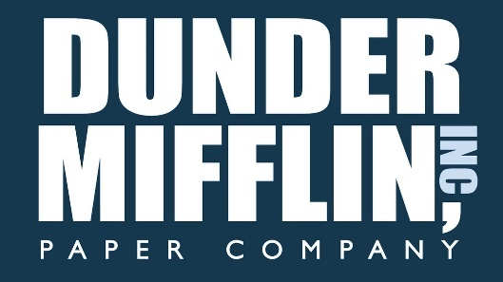

1725 Slough Avenue |  | P: | (555) 344-4815 |  |  | E-mail: | customersupport@dundermifflin.com
Scranton, PA 18501 |  | F: | (555) 344-1623 |  |  | Website: | http://www.dundermifflin.com

Bill To: | Scranton White Pages |  |  | Phone: | (570) 555-1516 |  |  | Invoice #: | 3-456-2
Address: | 600 Larch Street |  |  | Fax: | (570) 555-1080 |  |  | Invoice Date: | 2016-07-20
 | Scranton PA, 18501 |  |  | Email: | jlevinson@scrantonwp.com

Invoice For: Scranton White Pages
Item # | Description |  |  |  |  | Qty | Unit Price | Discount | Price
11 | Invoice 3-456-2 Data 23 |  |  |  |  | 11 | $23.00 | 5% | $240.35
24 | Invoice 3-456-2 Data 24 |  |  |  |  | 24 | $24.00 | 10% | $518.40
25 | Invoice 3-456-2 Data 25 |  |  |  |  | 25 | $25.00 | 2% | $612.50
Z4567 | Invoice 3-456-2 Data 1 |  |  |  |  | 39 | $50.00 | 5% | $1,852.50
Z4568 | Invoice 3-456-2 Data 2 |  |  |  |  | 40 | $37.00 | 10% | $1,332.00
Z4569 | Invoice 3-456-2 Data 3 |  |  |  |  | 30 | $22.16 | 10% | $598.32
Z4570 | Invoice 3-456-2 Data 4 |  |  |  |  | 40 | $23.52 | 15% | $799.68
Z4571 | Invoice 3-456-2 Data 5 |  |  |  |  | 10 | $21.23 | 5% | $201.69
Z4572 | Invoice 3-456-2 Data 6 |  |  |  |  | 5 | $48.15 | 2% | $235.94
Z4573 | Invoice 3-456-2 Data 7 |  |  |  |  | 70 | $15.16 | 1% | $1,050.59
Z4575 | Invoice 3-456-2 Data 9 |  |  |  |  | 5 | $23.42 | 3% | $113.59
Z4576 | Invoice 3-456-2 Data 10 |  |  |  |  | 80 | $42.48 | 5% | $3,228.48
Z4577 | Invoice 3-456-2 Data 11 |  |  |  |  | 65 | $108.00 | 10% | $6,318.00
Z4578 | Invoice 3-456-2 Data 12 |  |  |  |  | 44 | $27.14 | 1% | $1,182.22

 |  |  |  |  |  |  |  | Invoice Subtotal | $18,284.24
 |  |  |  |  |  |  |  | Tax Rate | 8.75%
 |  |  |  |  |  |  |  | Sales Tax | $1,599.87
Accounting information is FALSE |  |  |  |  |  |  |  | Other | -
Bank Number: |  | 11256983 |  |  |  |  |  | Deposit Received | -
Routing Number: |  | 78451296 |  |  |  |  |  | TOTAL | $19,884.11

