Sheet1
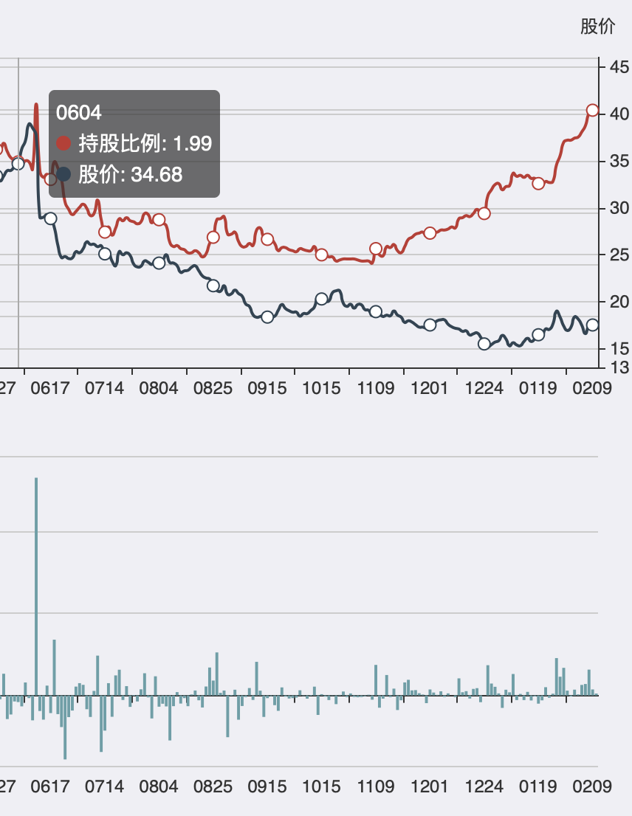
 | shares | date | 1 | 3 | 5 | 7 | 9
17 | 000810 | 0210 | 100% | 100% | 100% | 100% | 100% | http://www.gzyuwan.com/echarts.php?code=000810
29 | 002120 | 0210 | 100% | 100% | 100% | 100% | 100% | http://www.gzyuwan.com/echarts.php?code=002120 | 韵达股份
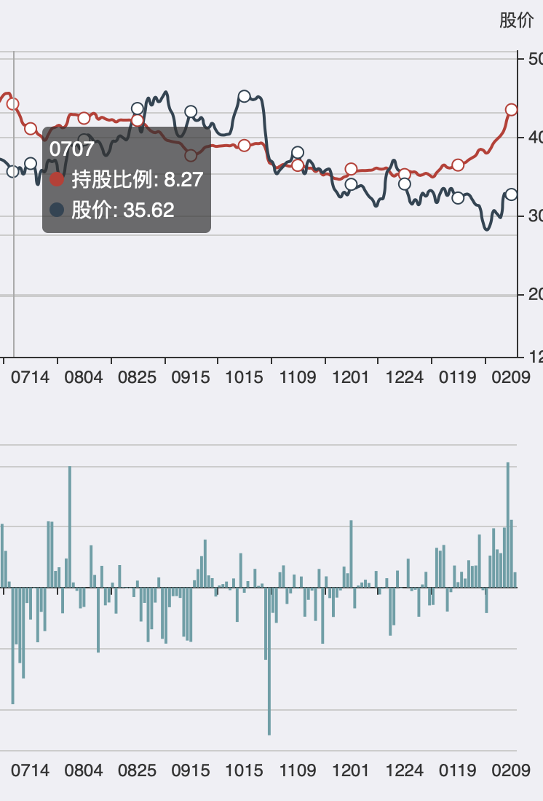
36 | 002242 | 0210 | 100% | 100% | 100% | 100% | 100% | http://www.gzyuwan.com/echarts.php?code=002242 | 九阳股份
54 | 002709 | 0210 | 100% | 100% | 100% | 100% | 100% | http://www.gzyuwan.com/echarts.php?code=002709
57 | 002773 | 0210 | 100% | 100% | 100% | 100% | 100% | http://www.gzyuwan.com/echarts.php?code=002773
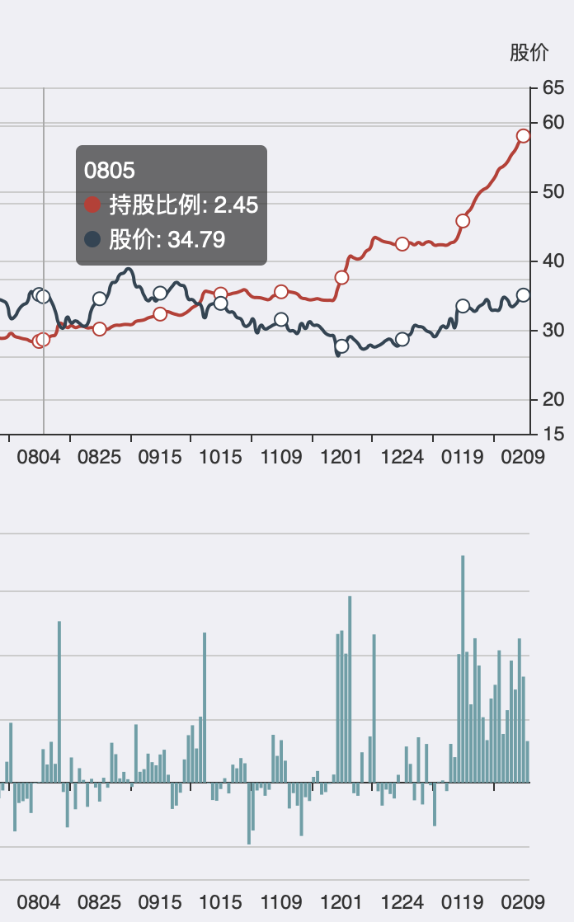
61 | 002831 | 0210 | 100% | 100% | 100% | 100% | 100% | http://www.gzyuwan.com/echarts.php?code=002831 | 裕同科技
71 | 600201 | 0210 | 100% | 100% | 100% | 100% | 100% | http://www.gzyuwan.com/echarts.php?code=600201
53 | 002677 | 0210 | 100% | 100% | 100% | 100% | 89% | http://www.gzyuwan.com/echarts.php?code=002677
78 | 600387 | 0210 | 100% | 100% | 100% | 100% | 89% | http://www.gzyuwan.com/echarts.php?code=600387
79 | 600392 | 0210 | 100% | 100% | 100% | 100% | 89% | http://www.gzyuwan.com/echarts.php?code=600392
86 | 600588 | 0210 | 100% | 100% | 100% | 100% | 89% | http://www.gzyuwan.com/echarts.php?code=600588
97 | 600848 | 0210 | 100% | 100% | 100% | 100% | 89% | http://www.gzyuwan.com/echarts.php?code=600848
99 | 600875 | 0210 | 100% | 100% | 100% | 100% | 89% | http://www.gzyuwan.com/echarts.php?code=600875
120 | 603283 | 0210 | 100% | 100% | 100% | 100% | 89% | http://www.gzyuwan.com/echarts.php?code=603283
126 | 603728 | 0210 | 100% | 100% | 100% | 100% | 89% | http://www.gzyuwan.com/echarts.php?code=603728
15 | 000786 | 0210 | 100% | 100% | 100% | 100% | 78% | http://www.gzyuwan.com/echarts.php?code=000786
27 | 002051 | 0210 | 100% | 100% | 100% | 100% | 78% | http://www.gzyuwan.com/echarts.php?code=002051
67 | 600073 | 0210 | 100% | 100% | 100% | 100% | 78% | http://www.gzyuwan.com/echarts.php?code=600073
82 | 600549 | 0210 | 100% | 100% | 100% | 100% | 78% | http://www.gzyuwan.com/echarts.php?code=600549
106 | 601216 | 0210 | 100% | 100% | 100% | 100% | 78% | http://www.gzyuwan.com/echarts.php?code=601216
118 | 603128 | 0210 | 100% | 100% | 100% | 100% | 78% | http://www.gzyuwan.com/echarts.php?code=603128
130 | 603803 | 0210 | 100% | 100% | 100% | 100% | 78% | http://www.gzyuwan.com/echarts.php?code=603803
9 | 000597 | 0210 | 100% | 100% | 100% | 86% | 78% | http://www.gzyuwan.com/echarts.php?code=000597
10 | 000629 | 0210 | 100% | 100% | 100% | 86% | 78% | http://www.gzyuwan.com/echarts.php?code=000629
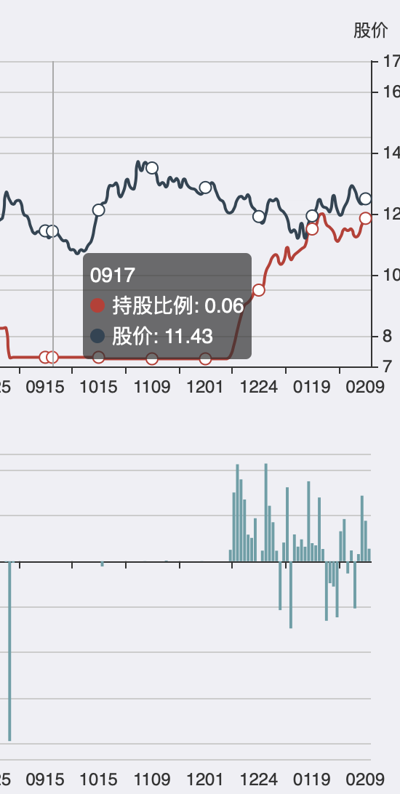
26 | 002038 | 0210 | 100% | 100% | 100% | 86% | 78% | http://www.gzyuwan.com/echarts.php?code=002038
42 | 002293 | 0210 | 100% | 100% | 100% | 86% | 78% | http://www.gzyuwan.com/echarts.php?code=002293 | 罗莱生活
50 | 002595 | 0210 | 100% | 100% | 100% | 86% | 78% | http://www.gzyuwan.com/echarts.php?code=002595
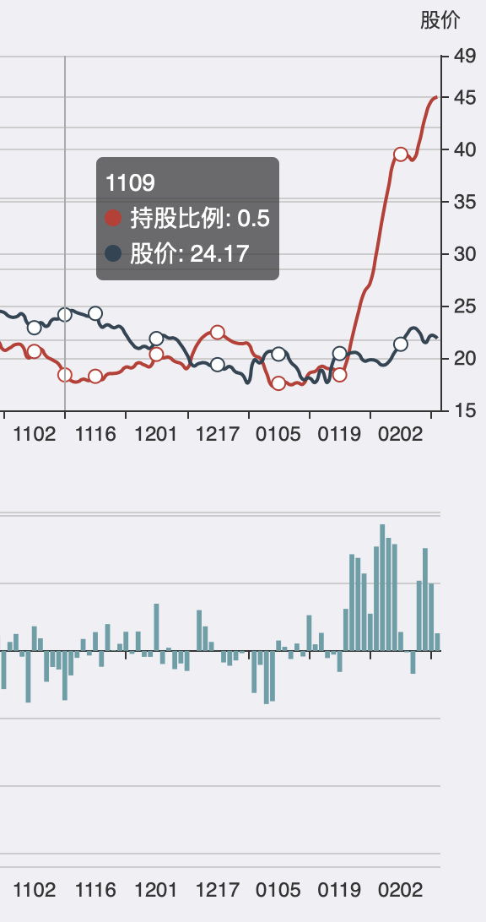
58 | 002798 | 0210 | 100% | 100% | 100% | 86% | 78% | http://www.gzyuwan.com/echarts.php?code=002798 | 帝欧家居
64 | 002929 | 0210 | 100% | 100% | 100% | 86% | 78% | http://www.gzyuwan.com/echarts.php?code=002929
66 | 600068 | 0210 | 100% | 100% | 100% | 86% | 78% | http://www.gzyuwan.com/echarts.php?code=600068
68 | 600109 | 0210 | 100% | 100% | 100% | 86% | 78% | http://www.gzyuwan.com/echarts.php?code=600109
77 | 600368 | 0210 | 100% | 100% | 100% | 86% | 78% | http://www.gzyuwan.com/echarts.php?code=600368
87 | 600598 | 0210 | 100% | 100% | 100% | 86% | 78% | http://www.gzyuwan.com/echarts.php?code=600598
96 | 600811 | 0210 | 100% | 100% | 100% | 86% | 78% | http://www.gzyuwan.com/echarts.php?code=600811
98 | 600872 | 0210 | 100% | 100% | 100% | 86% | 78% | http://www.gzyuwan.com/echarts.php?code=600872
119 | 603228 | 0210 | 100% | 100% | 100% | 86% | 78% | http://www.gzyuwan.com/echarts.php?code=603228
13 | 000750 | 0210 | 100% | 100% | 100% | 86% | 67% | http://www.gzyuwan.com/echarts.php?code=000750
33 | 002171 | 0210 | 100% | 100% | 100% | 86% | 67% | http://www.gzyuwan.com/echarts.php?code=002171
59 | 002815 | 0210 | 100% | 100% | 100% | 86% | 67% | http://www.gzyuwan.com/echarts.php?code=002815
60 | 002818 | 0210 | 100% | 100% | 100% | 86% | 67% | http://www.gzyuwan.com/echarts.php?code=002818
63 | 002920 | 0210 | 100% | 100% | 100% | 86% | 67% | http://www.gzyuwan.com/echarts.php?code=002920
73 | 600260 | 0210 | 100% | 100% | 100% | 86% | 67% | http://www.gzyuwan.com/echarts.php?code=600260
89 | 600611 | 0210 | 100% | 100% | 100% | 86% | 67% | http://www.gzyuwan.com/echarts.php?code=600611
113 | 601668 | 0210 | 100% | 100% | 100% | 86% | 67% | http://www.gzyuwan.com/echarts.php?code=601668
129 | 603801 | 0210 | 100% | 100% | 100% | 86% | 67% | http://www.gzyuwan.com/echarts.php?code=603801
132 | 603833 | 0210 | 100% | 100% | 100% | 86% | 67% | http://www.gzyuwan.com/echarts.php?code=603833
133 | 603858 | 0210 | 100% | 100% | 100% | 86% | 67% | http://www.gzyuwan.com/echarts.php?code=603858
24 | 002008 | 0210 | 100% | 100% | 100% | 71% | 67% | http://www.gzyuwan.com/echarts.php?code=002008
52 | 002675 | 0210 | 100% | 100% | 100% | 71% | 67% | http://www.gzyuwan.com/echarts.php?code=002675
83 | 600559 | 0210 | 100% | 100% | 100% | 71% | 67% | http://www.gzyuwan.com/echarts.php?code=600559
112 | 601633 | 0210 | 100% | 100% | 100% | 71% | 67% | http://www.gzyuwan.com/echarts.php?code=601633
131 | 603816 | 0210 | 100% | 100% | 100% | 71% | 67% | http://www.gzyuwan.com/echarts.php?code=603816
134 | 603899 | 0210 | 100% | 100% | 100% | 71% | 67% | http://www.gzyuwan.com/echarts.php?code=603899
2 | 000050 | 0210 | 100% | 100% | 100% | 71% | 56% | http://www.gzyuwan.com/echarts.php?code=000050
5 | 000089 | 0210 | 100% | 100% | 100% | 71% | 56% | http://www.gzyuwan.com/echarts.php?code=000089
1 | 000046 | 0210 | 100% | 100% | 80% | 71% | 67% | http://www.gzyuwan.com/echarts.php?code=000046
4 | 000078 | 0210 | 100% | 100% | 80% | 71% | 67% | http://www.gzyuwan.com/echarts.php?code=000078
12 | 000733 | 0210 | 100% | 100% | 80% | 71% | 67% | http://www.gzyuwan.com/echarts.php?code=000733
39 | 002262 | 0210 | 100% | 100% | 80% | 71% | 67% | http://www.gzyuwan.com/echarts.php?code=002262
41 | 002285 | 0210 | 100% | 100% | 80% | 71% | 67% | http://www.gzyuwan.com/echarts.php?code=002285
44 | 002444 | 0210 | 100% | 100% | 80% | 71% | 67% | http://www.gzyuwan.com/echarts.php?code=002444
56 | 002733 | 0210 | 100% | 100% | 80% | 71% | 67% | http://www.gzyuwan.com/echarts.php?code=002733
84 | 600566 | 0210 | 100% | 100% | 80% | 71% | 67% | http://www.gzyuwan.com/echarts.php?code=600566
95 | 600809 | 0210 | 100% | 100% | 80% | 71% | 67% | http://www.gzyuwan.com/echarts.php?code=600809
101 | 601012 | 0210 | 100% | 100% | 80% | 71% | 67% | http://www.gzyuwan.com/echarts.php?code=601012
116 | 601865 | 0210 | 100% | 100% | 80% | 71% | 67% | http://www.gzyuwan.com/echarts.php?code=601865
14 | 000756 | 0210 | 100% | 100% | 80% | 71% | 56% | http://www.gzyuwan.com/echarts.php?code=000756
20 | 000898 | 0210 | 100% | 100% | 80% | 71% | 56% | http://www.gzyuwan.com/echarts.php?code=000898
38 | 002258 | 0210 | 100% | 100% | 80% | 71% | 56% | http://www.gzyuwan.com/echarts.php?code=002258
93 | 600667 | 0210 | 100% | 100% | 80% | 71% | 56% | http://www.gzyuwan.com/echarts.php?code=600667
102 | 601018 | 0210 | 100% | 100% | 80% | 71% | 56% | http://www.gzyuwan.com/echarts.php?code=601018
115 | 601857 | 0210 | 100% | 100% | 80% | 71% | 56% | http://www.gzyuwan.com/echarts.php?code=601857
127 | 603733 | 0210 | 100% | 100% | 80% | 71% | 56% | http://www.gzyuwan.com/echarts.php?code=603733
128 | 603799 | 0210 | 100% | 100% | 80% | 71% | 56% | http://www.gzyuwan.com/echarts.php?code=603799
16 | 000800 | 0210 | 100% | 100% | 80% | 57% | 56% | http://www.gzyuwan.com/echarts.php?code=000800
22 | 000989 | 0210 | 100% | 100% | 80% | 57% | 56% | http://www.gzyuwan.com/echarts.php?code=000989
32 | 002155 | 0210 | 100% | 100% | 80% | 57% | 56% | http://www.gzyuwan.com/echarts.php?code=002155
34 | 002194 | 0210 | 100% | 100% | 80% | 57% | 56% | http://www.gzyuwan.com/echarts.php?code=002194
40 | 002273 | 0210 | 100% | 100% | 80% | 57% | 56% | http://www.gzyuwan.com/echarts.php?code=002273
49 | 002594 | 0210 | 100% | 100% | 80% | 57% | 56% | http://www.gzyuwan.com/echarts.php?code=002594
74 | 600273 | 0210 | 100% | 100% | 80% | 57% | 56% | http://www.gzyuwan.com/echarts.php?code=600273
124 | 603659 | 0210 | 100% | 100% | 80% | 57% | 56% | http://www.gzyuwan.com/echarts.php?code=603659
136 | 603993 | 0210 | 100% | 100% | 80% | 57% | 56% | http://www.gzyuwan.com/echarts.php?code=603993
21 | 000933 | 0210 | 100% | 100% | 80% | 57% | 44% | http://www.gzyuwan.com/echarts.php?code=000933
43 | 002310 | 0210 | 100% | 100% | 80% | 57% | 44% | http://www.gzyuwan.com/echarts.php?code=002310
80 | 600438 | 0210 | 100% | 100% | 80% | 57% | 44% | http://www.gzyuwan.com/echarts.php?code=600438
81 | 600491 | 0210 | 100% | 100% | 80% | 57% | 44% | http://www.gzyuwan.com/echarts.php?code=600491
104 | 601069 | 0210 | 100% | 100% | 80% | 57% | 44% | http://www.gzyuwan.com/echarts.php?code=601069
122 | 603505 | 0210 | 100% | 100% | 80% | 57% | 44% | http://www.gzyuwan.com/echarts.php?code=603505
125 | 603708 | 0210 | 100% | 100% | 80% | 57% | 44% | http://www.gzyuwan.com/echarts.php?code=603708
3 | 000058 | 0210 | 100% | 100% | 60% | 57% | 56% | http://www.gzyuwan.com/echarts.php?code=000058
7 | 000543 | 0210 | 100% | 100% | 60% | 57% | 56% | http://www.gzyuwan.com/echarts.php?code=000543
62 | 002850 | 0210 | 100% | 100% | 60% | 57% | 56% | http://www.gzyuwan.com/echarts.php?code=002850
100 | 600988 | 0210 | 100% | 100% | 60% | 57% | 56% | http://www.gzyuwan.com/echarts.php?code=600988
45 | 002493 | 0210 | 100% | 100% | 60% | 57% | 44% | http://www.gzyuwan.com/echarts.php?code=002493
91 | 600655 | 0210 | 100% | 100% | 60% | 57% | 44% | http://www.gzyuwan.com/echarts.php?code=600655
135 | 603986 | 0210 | 100% | 100% | 60% | 57% | 44% | http://www.gzyuwan.com/echarts.php?code=603986
19 | 000825 | 0210 | 100% | 100% | 60% | 43% | 33% | http://www.gzyuwan.com/echarts.php?code=000825
35 | 002223 | 0210 | 100% | 100% | 60% | 43% | 33% | http://www.gzyuwan.com/echarts.php?code=002223
110 | 601377 | 0210 | 100% | 100% | 60% | 43% | 33% | http://www.gzyuwan.com/echarts.php?code=601377
0 | 000001 | 0210 | 100% | 67% | 60% | 57% | 56% | http://www.gzyuwan.com/echarts.php?code=000001
6 | 000540 | 0210 | 100% | 67% | 60% | 57% | 56% | http://www.gzyuwan.com/echarts.php?code=000540
8 | 000596 | 0210 | 100% | 67% | 60% | 57% | 56% | http://www.gzyuwan.com/echarts.php?code=000596
11 | 000728 | 0210 | 100% | 67% | 60% | 57% | 56% | http://www.gzyuwan.com/echarts.php?code=000728
30 | 002124 | 0210 | 100% | 67% | 60% | 57% | 56% | http://www.gzyuwan.com/echarts.php?code=002124
37 | 002249 | 0210 | 100% | 67% | 60% | 57% | 56% | http://www.gzyuwan.com/echarts.php?code=002249
46 | 002508 | 0210 | 100% | 67% | 60% | 57% | 56% | http://www.gzyuwan.com/echarts.php?code=002508
48 | 002573 | 0210 | 100% | 67% | 60% | 57% | 56% | http://www.gzyuwan.com/echarts.php?code=002573
69 | 600111 | 0210 | 100% | 67% | 60% | 57% | 56% | http://www.gzyuwan.com/echarts.php?code=600111
70 | 600171 | 0210 | 100% | 67% | 60% | 57% | 56% | http://www.gzyuwan.com/echarts.php?code=600171
75 | 600298 | 0210 | 100% | 67% | 60% | 57% | 56% | http://www.gzyuwan.com/echarts.php?code=600298
88 | 600600 | 0210 | 100% | 67% | 60% | 57% | 56% | http://www.gzyuwan.com/echarts.php?code=600600
94 | 600779 | 0210 | 100% | 67% | 60% | 57% | 56% | http://www.gzyuwan.com/echarts.php?code=600779
103 | 601066 | 0210 | 100% | 67% | 60% | 57% | 56% | http://www.gzyuwan.com/echarts.php?code=601066
108 | 601328 | 0210 | 100% | 67% | 60% | 57% | 56% | http://www.gzyuwan.com/echarts.php?code=601328
109 | 601375 | 0210 | 100% | 67% | 60% | 57% | 56% | http://www.gzyuwan.com/echarts.php?code=601375
117 | 603019 | 0210 | 100% | 67% | 60% | 57% | 56% | http://www.gzyuwan.com/echarts.php?code=603019
18 | 000816 | 0210 | 100% | 67% | 60% | 57% | 44% | http://www.gzyuwan.com/echarts.php?code=000816
25 | 002019 | 0210 | 100% | 67% | 60% | 57% | 44% | http://www.gzyuwan.com/echarts.php?code=002019
55 | 002727 | 0210 | 100% | 67% | 60% | 57% | 44% | http://www.gzyuwan.com/echarts.php?code=002727
72 | 600210 | 0210 | 100% | 67% | 60% | 57% | 44% | http://www.gzyuwan.com/echarts.php?code=600210
76 | 600346 | 0210 | 100% | 67% | 60% | 57% | 44% | http://www.gzyuwan.com/echarts.php?code=600346
85 | 600582 | 0210 | 100% | 67% | 60% | 57% | 44% | http://www.gzyuwan.com/echarts.php?code=600582
90 | 600637 | 0210 | 100% | 67% | 60% | 57% | 44% | http://www.gzyuwan.com/echarts.php?code=600637
92 | 600663 | 0210 | 100% | 67% | 60% | 57% | 44% | http://www.gzyuwan.com/echarts.php?code=600663
105 | 601138 | 0210 | 100% | 67% | 60% | 57% | 44% | http://www.gzyuwan.com/echarts.php?code=601138
111 | 601600 | 0210 | 100% | 67% | 60% | 57% | 44% | http://www.gzyuwan.com/echarts.php?code=601600
23 | 001914 | 0210 | 100% | 67% | 60% | 43% | 33% | http://www.gzyuwan.com/echarts.php?code=001914
31 | 002153 | 0210 | 100% | 67% | 60% | 43% | 33% | http://www.gzyuwan.com/echarts.php?code=002153
47 | 002550 | 0210 | 100% | 67% | 60% | 43% | 33% | http://www.gzyuwan.com/echarts.php?code=002550
51 | 002625 | 0210 | 100% | 67% | 60% | 43% | 33% | http://www.gzyuwan.com/echarts.php?code=002625
65 | 600030 | 0210 | 100% | 67% | 60% | 43% | 33% | http://www.gzyuwan.com/echarts.php?code=600030
107 | 601233 | 0210 | 100% | 67% | 60% | 43% | 33% | http://www.gzyuwan.com/echarts.php?code=601233
121 | 603360 | 0210 | 100% | 67% | 60% | 43% | 33% | http://www.gzyuwan.com/echarts.php?code=603360
28 | 002115 | 0210 | 100% | 67% | 40% | 29% | 22% | http://www.gzyuwan.com/echarts.php?code=002115
114 | 601808 | 0210 | 100% | 67% | 40% | 29% | 22% | http://www.gzyuwan.com/echarts.php?code=601808
123 | 603517 | 0210 | 100% | 33% | 20% | 14% | 11% | http://www.gzyuwan.com/echarts.php?code=603517

