Pinout
Pin |  |  | Pin
Arduino | Function | MCU | MCU | Function | Arduino
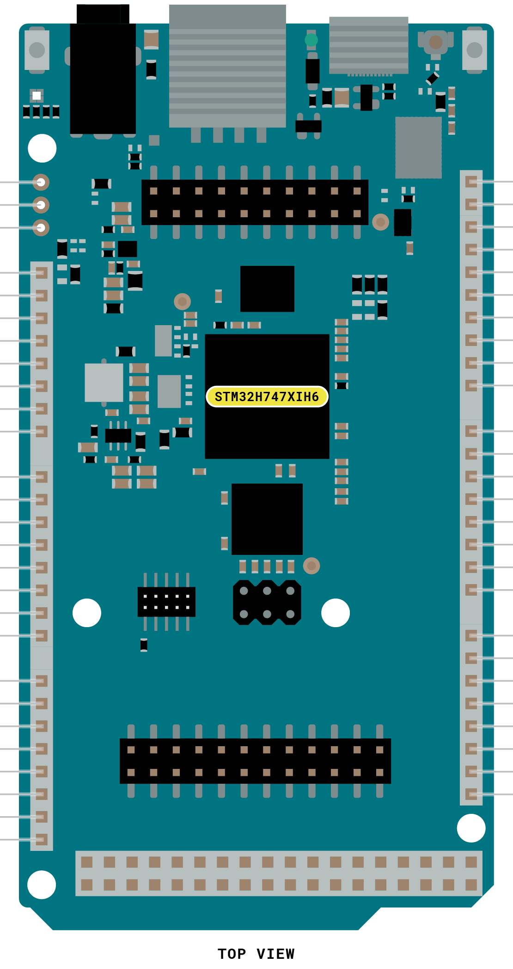

OFF |  |  | PB6 | I2C4_SCL | SCL1
GND |  |  | PH12 | I2C4_SDA | SDA1
VRTC |  |  | AREF
 |  |  | GND
NC |  |  | PH6 | SPI5_SCK | D13
IOREF |  |  | PJ11 | SPI5_MISO | D12
RESET |  |  | PJ10 | SPI5_MOSI | D11
3V3 |  |  | PK1 | SPI5_CS | D10
5V |  |  | PB9 | I2C1_SDA | D9
GND |  |  | PB8 | I2C1_SCL | D8
GND
VIN |  |  | PB4 |  | D7
 |  |  | PD13 |  | D6
A0 | ADC2_INP4 | PC4 | PA7 |  | D5
A1 | ADC2_INN4 | PC5 | PJ8 |  | D4
A2 | ADC1_INP5 | PB1 | PA2 |  | D3
A3 | ADC1_INN5 | PB0 | PA3 |  | D2
A4 | ADC1_INP13 | PC3 | PA9 | USART1_TX | D1
A5 | ADC1_INP12 | PC2 | PB7 | USART1_RX | D0
A6 | ADC1_INP10 | PC0
A7 | ADC1_INP16 | PA0 | PG14 | USART6_TX | D14
 |  |  | PC7 | USART6_RX | D15
A8 | ADC3_INN1 | PC2_C | PH13 | USART4_TX | D16
A9 | ADC3_INP1 | PC3_C | PI9 | USART4_RX | D17
A10 | ADC1_INP1 | PA1_C | PD5 | USART2_TX | D18
A11 | ADC1_INN1 | PA0_C | PD6 | USART2_RX | D19
DAC0 | DAC0 | PA4 | PB11 | I2C2_SDA | D20
DAC1 | DAC1 | PA5 | PH4 | I2C2_SCL | D21
CAN RX | FDCAN2_RX | PB5
CAN TX | FDCAN2_TX | PB13

