3
3 a)
f [Hz] | f [kHz] | U_out [mV] | U_in [mV] | R1 [k\ohm] | C1 [nF]
100 | 0.1 | 10.3 | 219 |  |  | 400mVpp |  | fg=170kHz wiec pomijamy pierwsze pomiary | stała czasowa [us] = | 0.94
200 | 0.2 | 10.3 | 219
300 | 0.3 | 10.3 | 219
600 | 0.6 | 10.3 | 219 |  |  |  |  |  |  | 18.8
1000 | 1 | 10.1 | 219
2000 | 2 | 9.2 | 219
3000 | 3 | 11.6 | 209
6000 | 6 | 12.7 | 209
10000 | 10 | 16.9 | 209
20000 | 20 | 26.3 | 209
30000 | 30 | 37.4 | 209
60000 | 60 | 65.1 | 207
100000 | 100 | 86 | 209
130000 | 130 | 90.2 | 209
150000 | 150 | 90.2 | 211
170000 | 170 | 88.3 | 209
200000 | 200 | 84.4 | 209
300000 | 300 | 64.2 | 208
600000 | 600 | 26.1 | 212
1000000 | 1000 | 11.1 | 219
2000000 | 2000 | 8.7 | 243
3000000 | 3000 | 8.7 | 286
6000000 | 6000 | 4.8 | 303

3 b)
t [us] | U [mV]

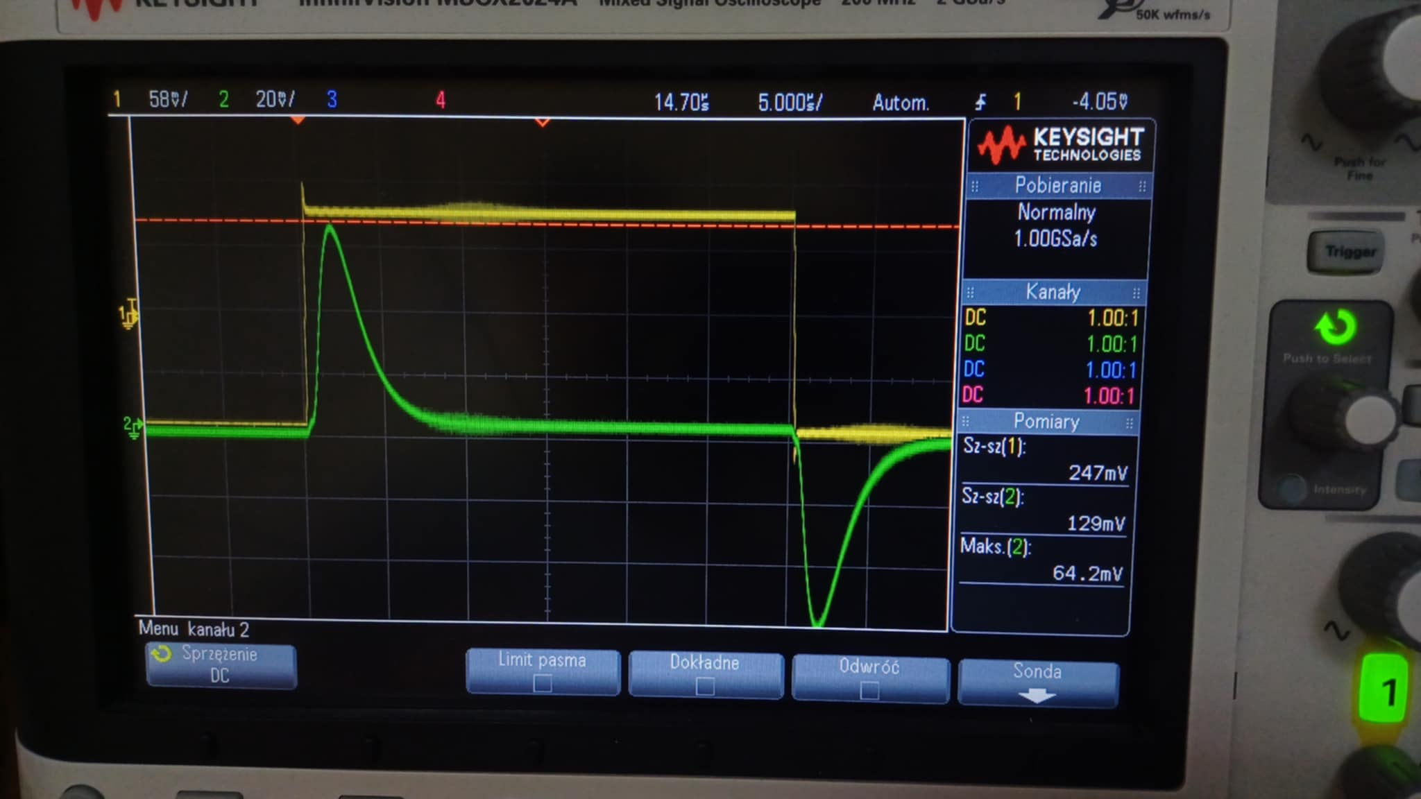

 | t [us] | U [mV]
 | 1.79 | 64.875

t [us] | U [mV]
11.014 | 4

t [us] | U [mV]
0 | 0

 | między początkiem a max (narastanie) |  |  |  |  |  | między max a minimum (opadanie)
 | t [us] | U [mV] |  |  |  |  | t [us] | U [mV]
 | 0.45 | 5.125 |  |  |  |  | 4.096 | 26.625
 | 0.9 | 32.25 |  |  |  |  | 6.402 | 8.375
 | 1.35 | 57.625 |  |  |  |  | 8.708 | 4.625

zmierzony czas narastanie:
tr [us] | 2.033

