Step2
Products\src\app\products\components\create-product\create-product.component.html
<app-product-combo *ngIf="step === 2 && masterVoucherKeys.includes(selectedType.key)">
</app-product-combo>
<app-product-pricing *ngIf="step === 2 && !masterVoucherKeys.includes(selectedType.key) || step === 3 && masterVoucherKeys.includes(selectedType.key)"
[selectedTenant]="selectedTenant"
[selectedType]="selectedType"
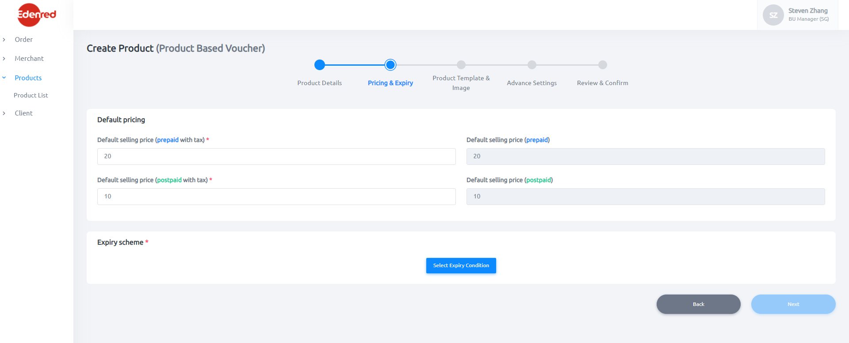
[selectedMerchant]="selectedMerchant"
[selectedSKU]="selectedSKU"
[merchantProgram]="merchantProgram"
[pricingFormGroup]="pricingFormGroup"
[expirySchemeList]="expirySchemeList"
[toast]="toast"
(expiryPolicyIdListChanged)="OnExpiryListChanged($event)">
</app-product-pricing>

Products\src\app\products\components\create-product\product-combo\product-combo.component.html

Products\src\app\products\components\create-product\product-pricing\product-pricing.component.html
Products\src\app\products\components\create-product\product-pricing\expiry-scheme-selector\expiry-scheme-selector.component.html

<app-expiry-scheme-selector [selectedTenant]="selectedTenant" [merchantProgram]="merchantProgram"
[expirySchemeList]="expirySchemeList"
[selectedExpirySchemes]="tableExpirySchemes"
(onSelectedExpirySchemesChanged)="OnSelectedExpirySchemesChanged($event)"
(openModalButtonClicked)="openModal(expirySchemeModal)"
(removeFromSelectionClicked)="removeFromSelection($event)">
</app-expiry-scheme-selector>

Step3
Products\src\app\products\components\create-product\create-product.component.html
<app-product-template #productTemplate *ngIf="step === 3 && !masterVoucherKeys.includes(selectedType.key) || step === 4 && masterVoucherKeys.includes(selectedType.key)"
[templateFormGroup]="templateFormGroup"
[selectedTenant]="selectedTenant"
[selectedType]="selectedType"
[voucherNumberRuleList]="voucherNumberRuleList"
[emailTemplateTags]="emailTemplateTags"
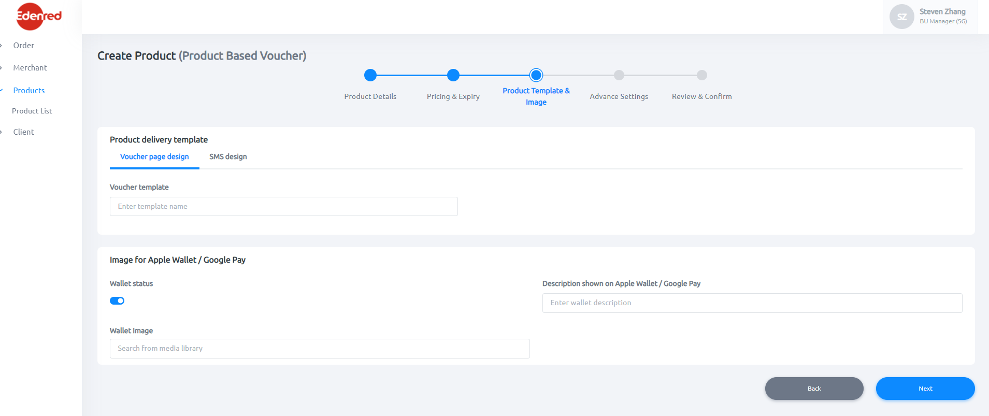
[smsTemplateTags]="smsTemplateTags"
[toast]="toast"
[productTemplateList]="productTemplateList"
(templateChanged)="OnTemplateChanged($event)"
(walletImageChanged)="OnWalletImageChanged($event)"
(templateLanguageChanged)="OnProductTemplateLanguageChanged($event)">
</app-product-template>

Products\src\app\products\components\create-product\product-template\product-template.component.html

<ng-container *ngTemplateOutlet="ImageForAppleWalletOrGooglePay"></ng-container>

