Sheet1
https://esg-txcloud-new-reverseproxy-staging-asse-web-d.azurewebsites.net/move/products/product/edit-pricing/975?productType=1
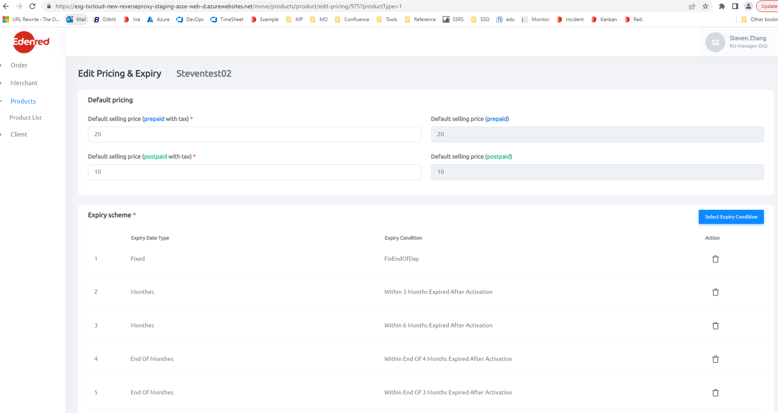
 | {
 | path: 'product/edit-pricing/:id',
 | component: EditPricingExpiryComponent,
 | canActivate: [PageAuthorizationGuard]
 | },

 | Products\src\app\products\components\main-product-details\edit\edit-pricing-expiry\edit-pricing-expiry.component.html

 | <app-product-pricing
 | [selectedTenant]="selectedTenant"
 | [selectedType]="selectedType"
 | [selectedMerchant]="selectedMerchant"
 | [selectedSKU]="selectedSKU"
 | [merchantProgram]="merchantProgram"
 | [pricingFormGroup]="pricingFormGroup"
 | [expirySchemeList]="expirySchemeList"
 | (expiryPolicyIdListChanged)="OnExpiryListChanged($event)"
 | [editMode]="true">
 | </app-product-pricing>

Products\src\app\products\components\create-product\product-pricing\product-pricing.component.html

