Sheet1
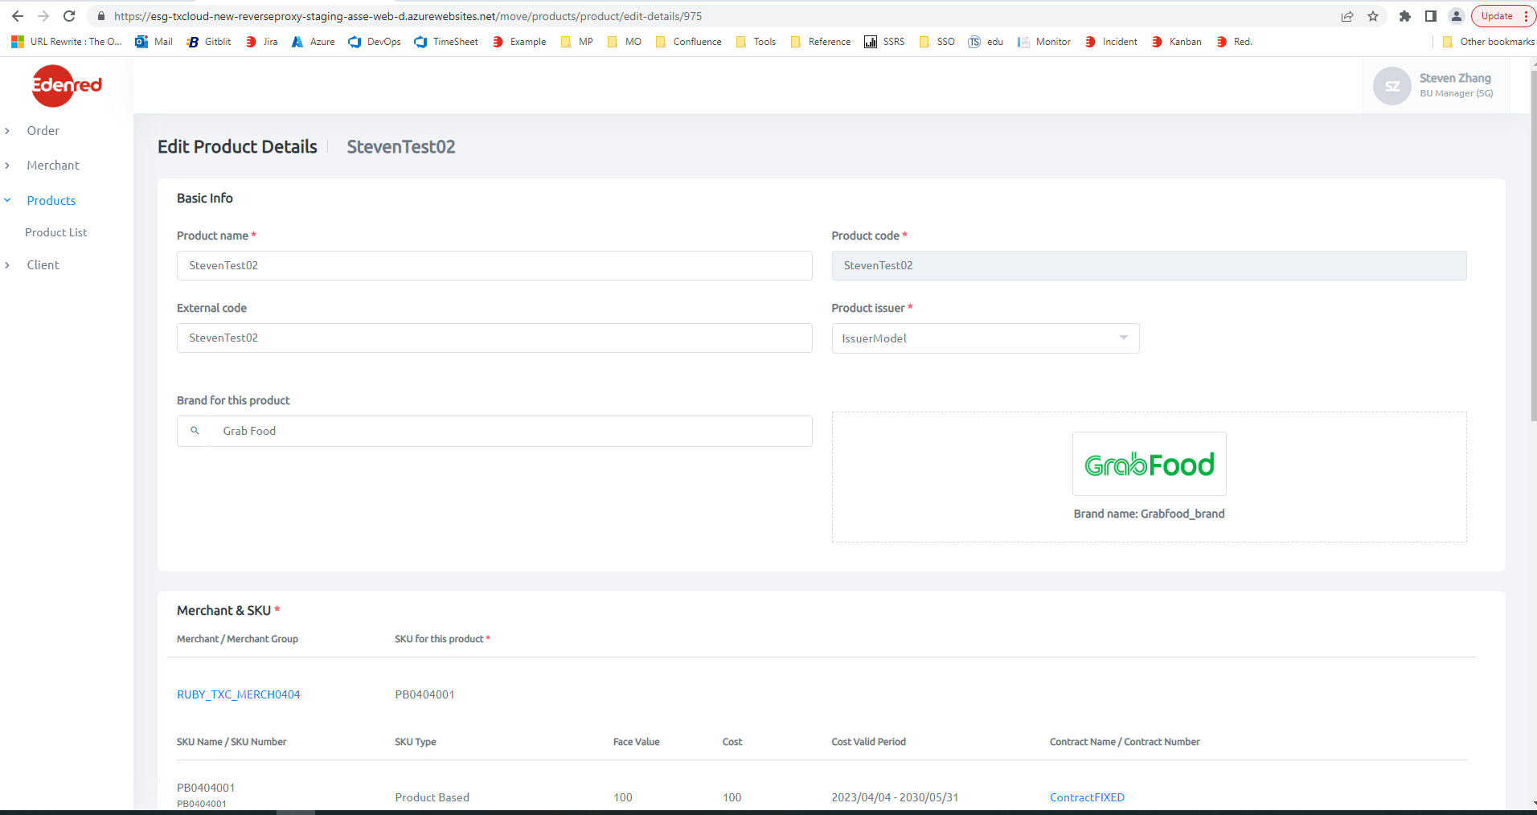
 | {
 | path: 'product/edit-details/:id',
 | component: EditProductDetailsComponent,
 | canActivate: [PageAuthorizationGuard]
 | },

 | Products\src\app\products\components\main-product-details\edit\edit-product-details\edit-product-details.component.html

 | <app-product-details *ngIf="product"
 | [selectedTenant]="selectedTenant"
 | [selectedType]="selectedType"
 | [brandList]="brandList"
 | [merchantAcquirers]="merchantAcquirers"
 | [selectedMerchant]="selectedMerchant"
 | [merchantProgram]="merchantProgram"
 | [isMonoMerchant]="isMonoMerchant"
 | [selectedSKU]="selectedSKU"
 | [skuList]="skuList"
 | [selectedAcceptanceLoop]="selectedAcceptanceLoop"
https://esg-txcloud-new-reverseproxy-staging-asse-web-d.azurewebsites.net/move/products/product/edit-details/975 | [acceptanceLoopList]="acceptanceLoopList"
 | [shopCount]="shopCount"
 | [voucherNumberRuleList]="voucherNumberRuleList"
 | [vnrErrorMessage]="vnrErrorMessage"
 | [toast]="toast"
 | [detailsFormGroup]="detailsFormGroup"
 | (merchantSKUChanged)="OnMerchantChanged($event)"
 | [editMode]="true">
 | </app-product-details>

Products\src\app\products\components\create-product\product-details\product-details.component.html

